Tool Bar Walkthrough
Median Income, City of San Francisco
Median Household Income, San Francisco

White | $103,988
Median Household Income, Overall | $81,294
2+ Races | $77,389
Asian | $69,577
Hispanic / Latino | $57,948
Some Other Race | $51,760
American Indian / Alaskan Native | $36,198
Native Hawaiin / Pacific Islander | $35,313
Black / African American | $29,800

U.S. Census Bureau (2015). 2011-2015 American Community Survey 5-year estimates. Report generated by San Francisco Health Improvement Partnership (2017).

Clustered Bar Graph How To


Pie Chart How To


Slopegraph How To

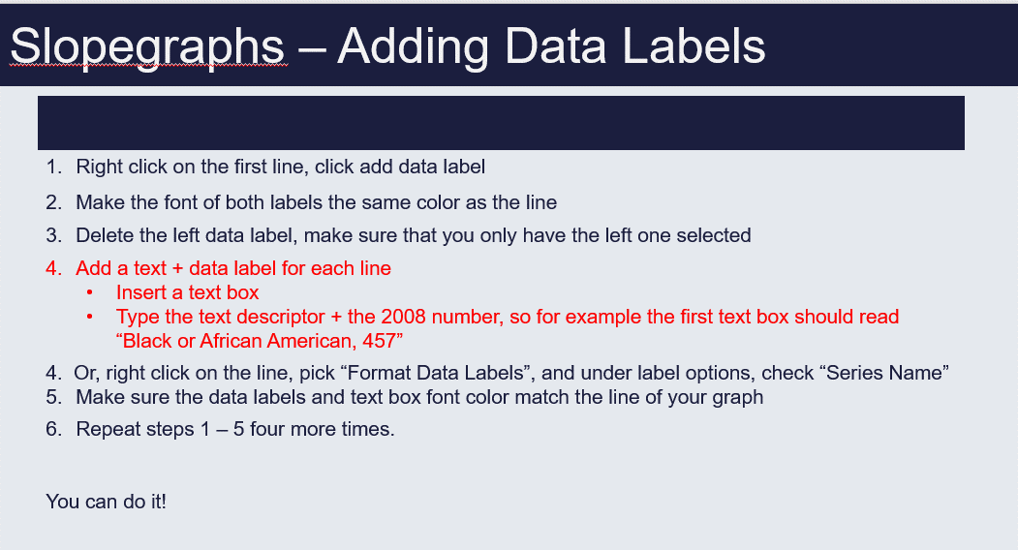

Benchmark How To
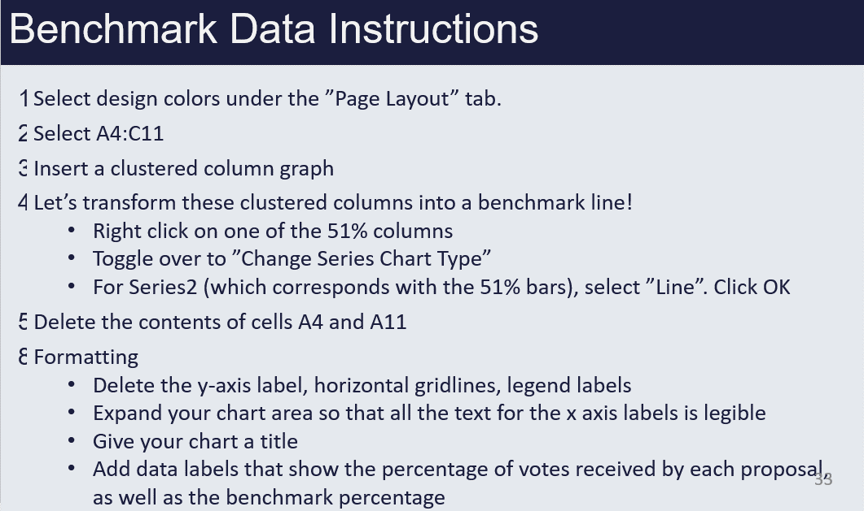

Butterfly How To



Stacked Bar Graph How To

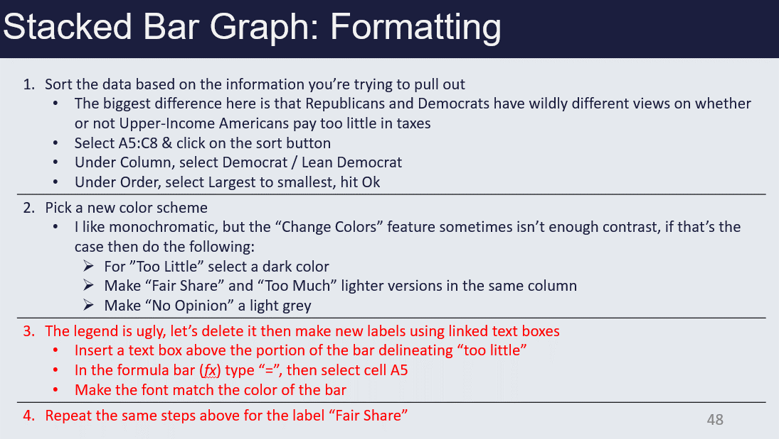

CI How To



Inserting Time Stamp Line
Year | # Jailed | Time Stamp
1960 | 200000
1970 | 200000
1980 | 400000
1990 | 800000
2000 | 1400000
2010 | 1476000

1972 is the year of a policy change

Time Stamp How To


