eb9
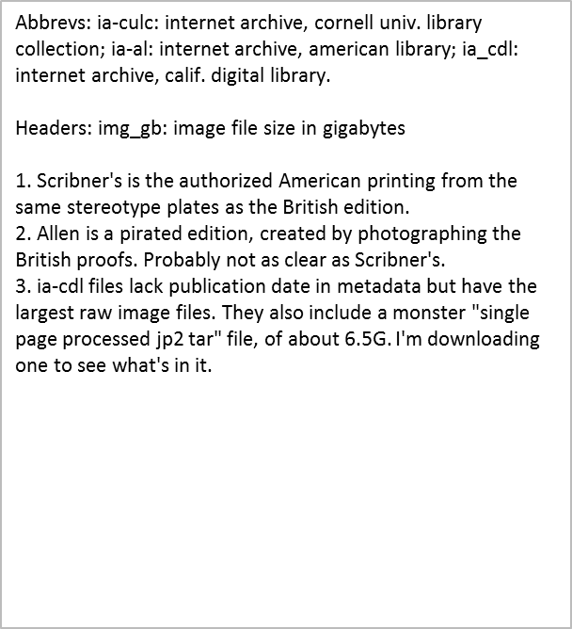
volume | ia_cdl | img_gb | done | ia-culc | img_gb | done | ia-al | img_gb | done
1 | scribners | 1.9 | 16-Dec-15 |  |  |  | allen | 0.86
2 | scribners | 1.8 | 16-Dec-15 |  |  |  | allen | 0.22
3 | scribners | 1.7 | 16-Dec-15
4 | scribners | 1.8 | 16-Dec-15 | scribners | 1 | 16-Dec-15
5 | scribners | 1.7 | 16-Dec-15 |  |  |  | allen | 1
6 | scribners | 1.7 | 16-Dec-15 |  |  |  | allen | 0.72
7 | scribners | 1.7 | 16-Dec-15 |  |  |  | allen | 0.2
8 | scribners | 1.8 | 16-Dec-15 |  |  |  | allen | 0.59
9 | scribners | 1.8 | 16-Dec-15 | scribners | 1.3 | 15-Dec-15 | allen | 0.53
10 | scribners | 1.7 | 16-Dec-15 |  |  |  | allen | 0.18
11 | scribners | 1.8 | 16-Dec-15 |  |  |  | allen | 0.65
12 | scribners | 1.7 | 16-Dec-15 | scribners | 1.2 | 15-Dec-15 | allen | 1
13 | scribners | 1.8 | 16-Dec-15
14 | scribners | 1.8 | 16-Dec-15 | scribners | 1.3 | 16-Dec-15
15 | scribners | 1.7 | 16-Dec-15 |  |  |  | allen | 1.9
16 | scribners | 1.8 | 16-Dec-15
17 | scribners | 1.8 | 16-Dec-15 |  |  |  | allen | 1.8
18 | scribners | 1.8 | 16-Dec-15 |  |  |  | allen | 0.61
19 | scribners | 1.8 | 16-Dec-15
20 | scribners | 1.8 | 16-Dec-15 |  |  |  | allen | 0.21
21 | scribners | 1.8 | 16-Dec-15
22 | scribners | 1.8 | 16-Dec-15 |  |  |  | allen | 0.72
23 | scribners | 1.7 | 16-Dec-15
24 | scribners | 1.7 | 16-Dec-15 |  |  |  | allen | 0.6
25 | scribners | 1 | 16-Dec-15

