Intro
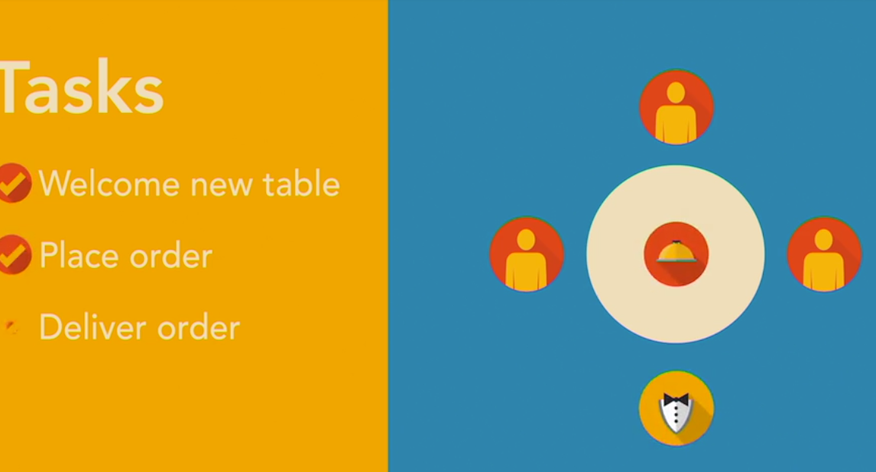
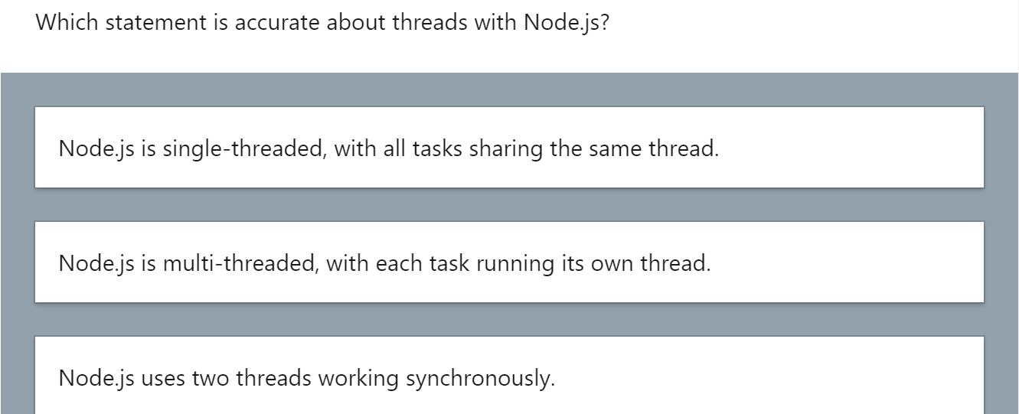
in apache ... every 'order' has a single thread ... that is a single 'waiter' process that waits on it
As 'orders' are made ... waiter gives to chef and waits for response
Client cannot order next 'request' until water comes back

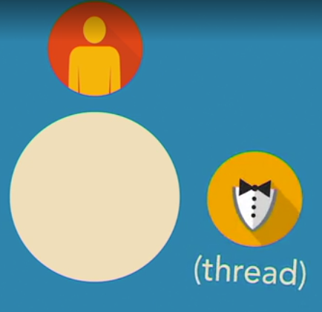





When multiple 'clients' occur, every guest has their own waiter



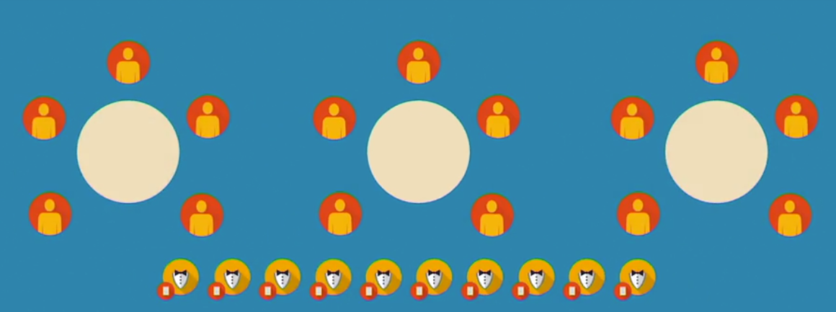

Node.js has a single 'waiter' to handle requests ... it is non-blocking ... and acts acyncronously
1. Events are raised and handled in order they are raised.

Installation
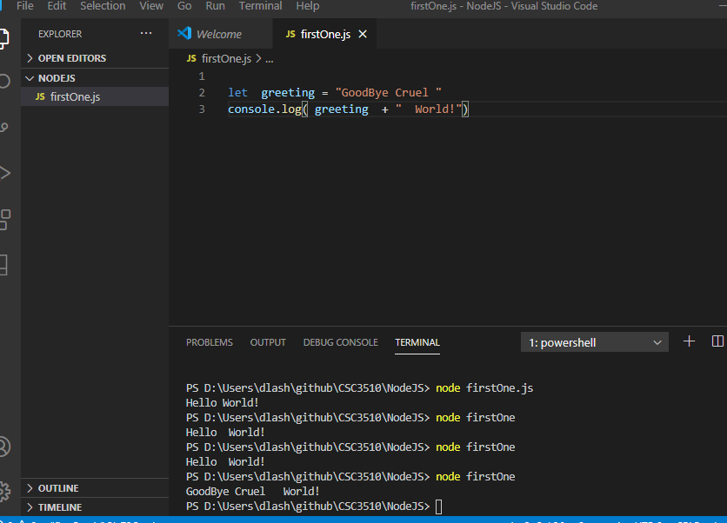
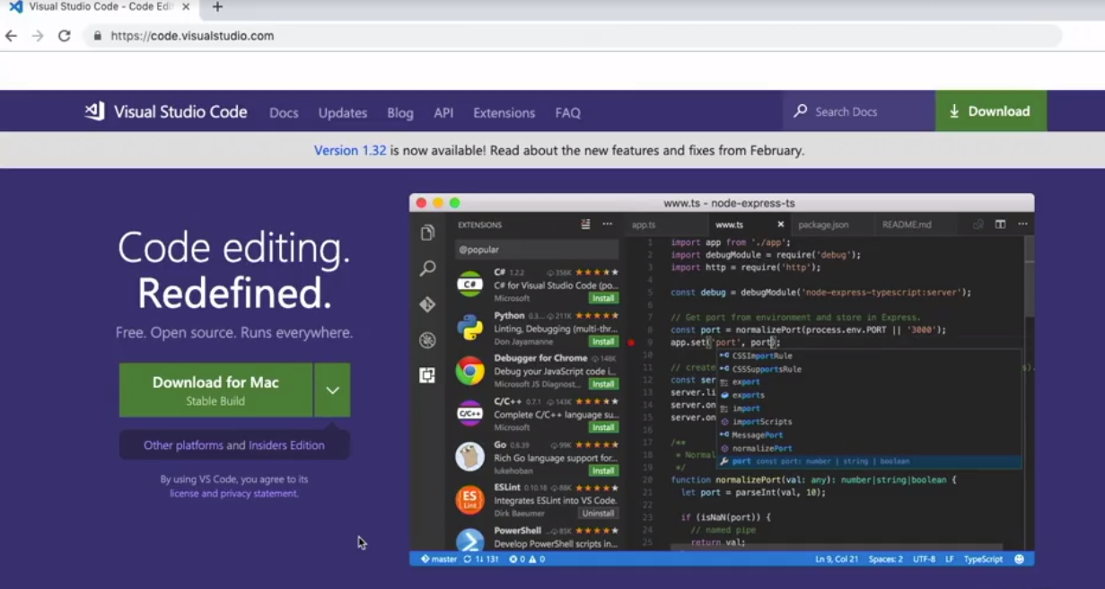

Download and install VS Code

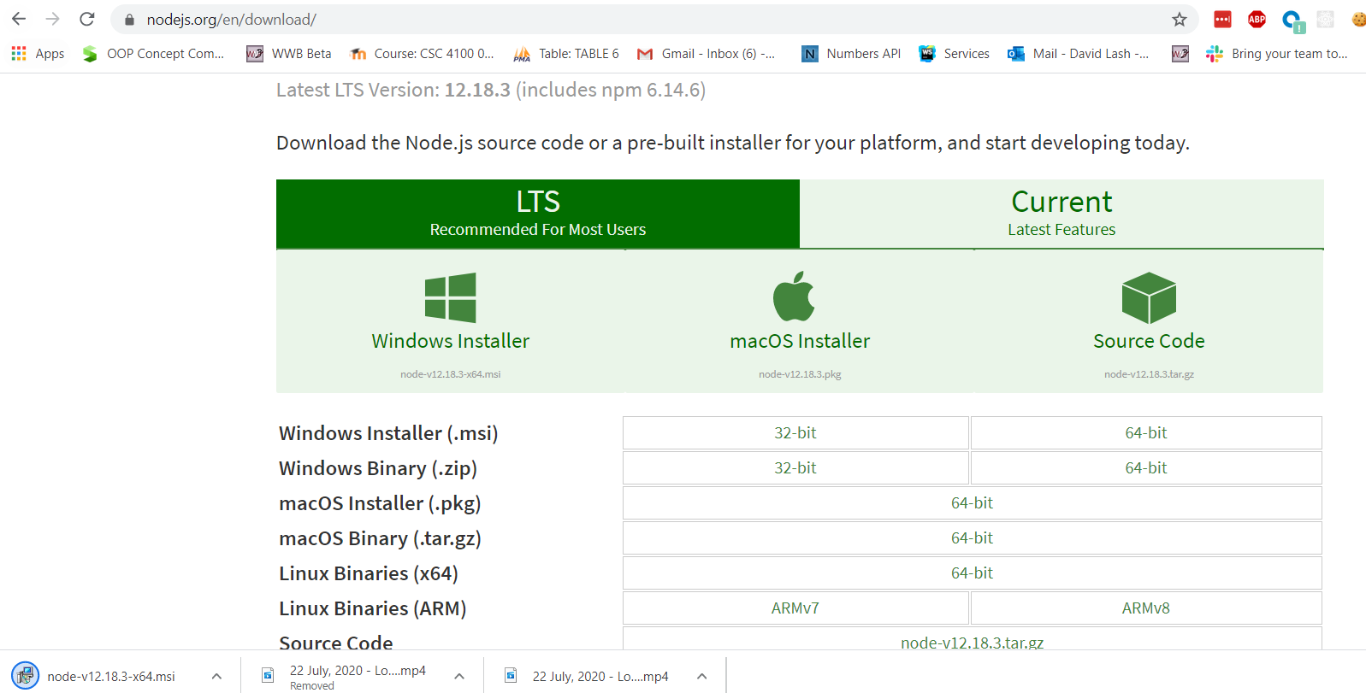

Go to node.js/en/download
Go to node.js/en/download

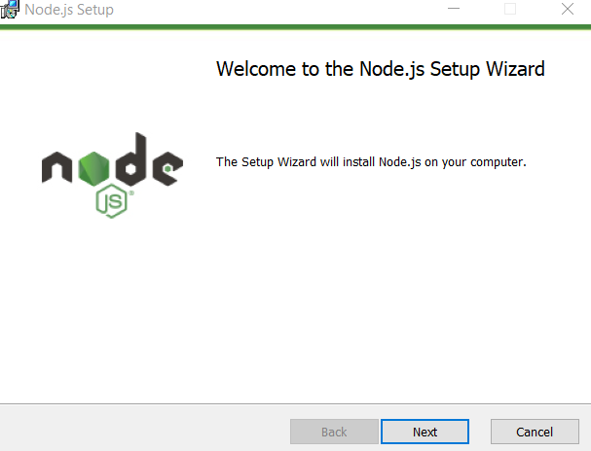
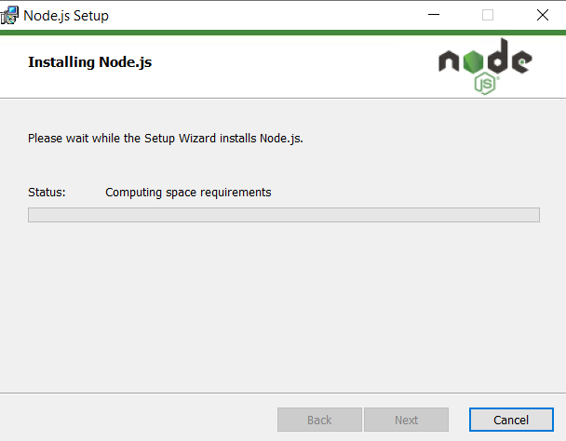

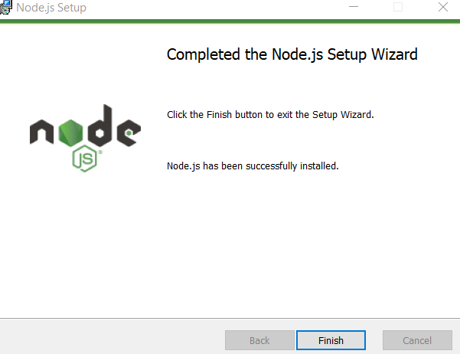

Go to terminal and enter node -v to test node.js

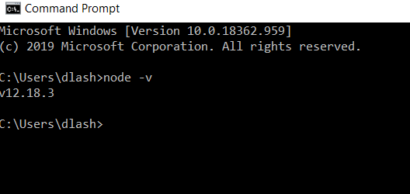

Create a new folder and open it ... can now run js files using terminal

Functions and Argv
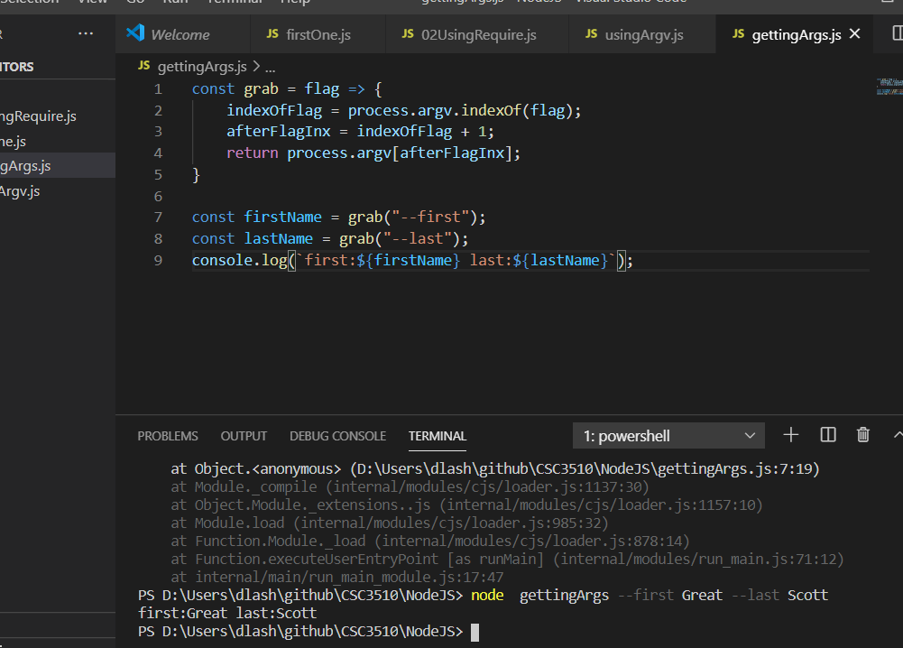
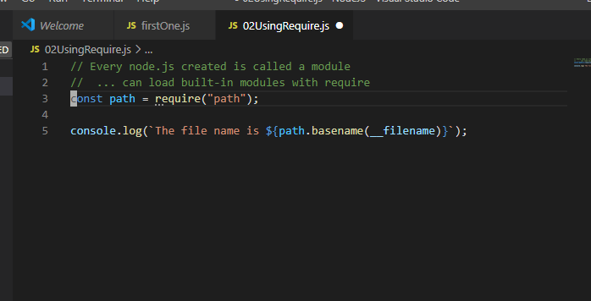

can get input from cosole using process.argv ... notice receive and array
0 is node
1 is path
2 is first argument
3 is second argument

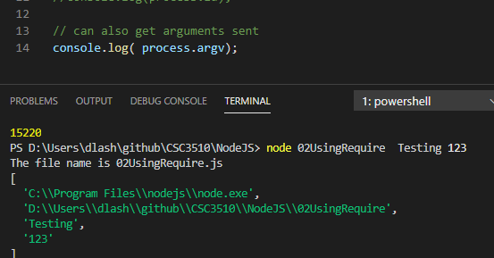

So ... can get the arguments this way
So ... can get the arguments this way
can use cls on dos to clear screen and clear on macv

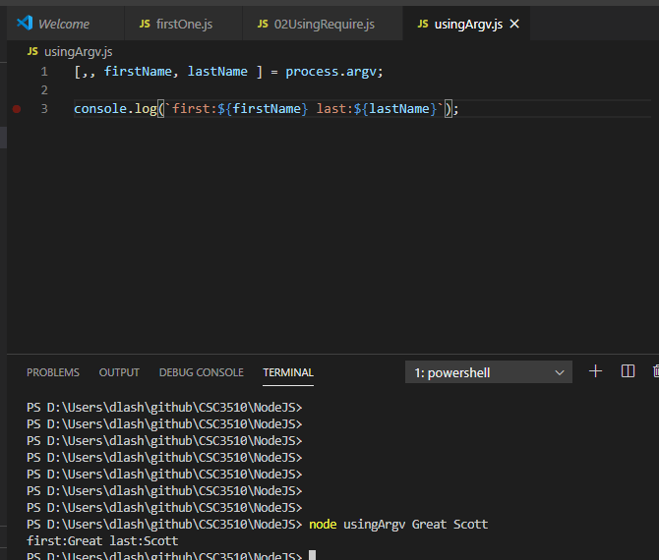

Using a simple function to grab a simple argument (in any order from command line)
b

QuestionAnsApp
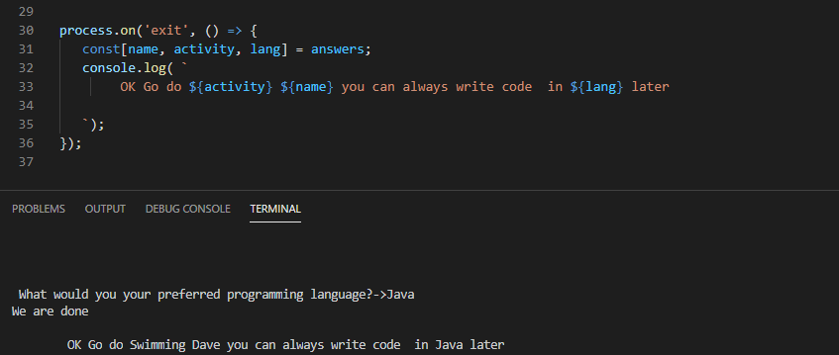
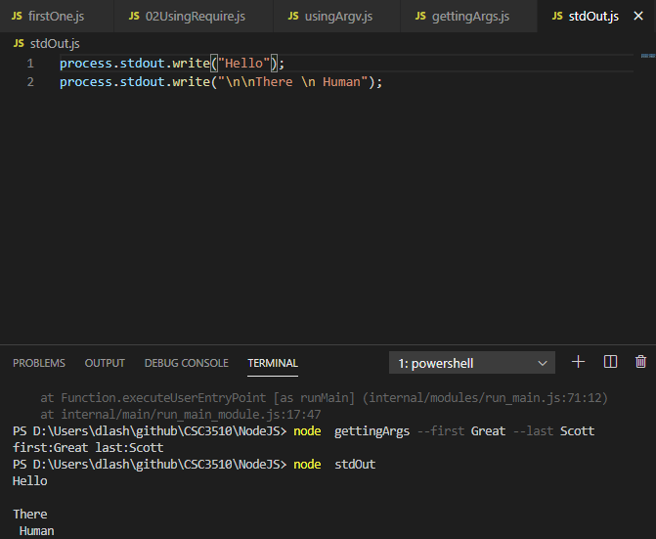

Using a simple function to grab a simple argument (in any order from command line)

Use stdIn to listen for keyboard input ...
it will continue to run until kill it with cntl-C
could also add this after getting intput
Use stdIn to listen for keyboard input ...
it will continue to run until kill it with cntl-C
could also add this after getting intput

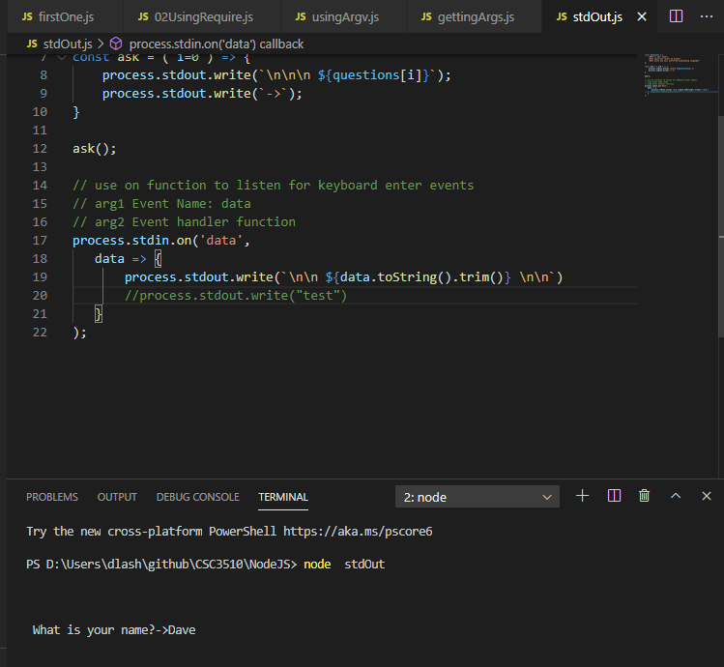

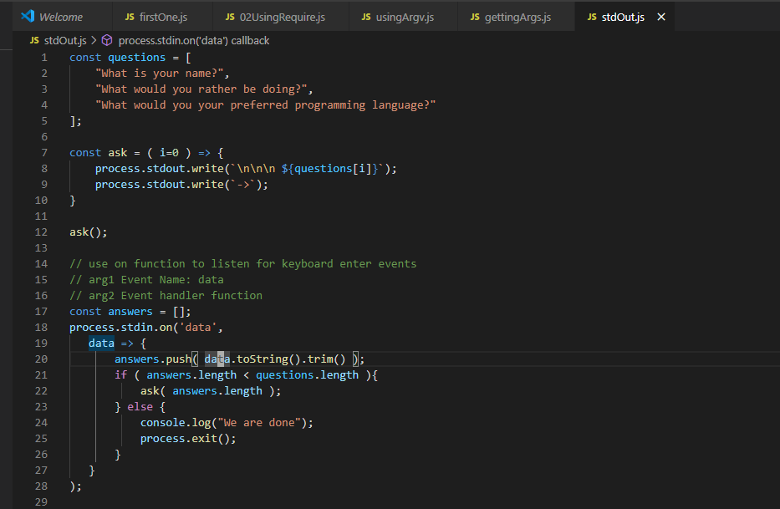

Ask the first question
This fires on first answer from user
Note as a long as answers < questions will ask the next question

Can add another handler on 'exit' that will dump out the answers

setting Timers
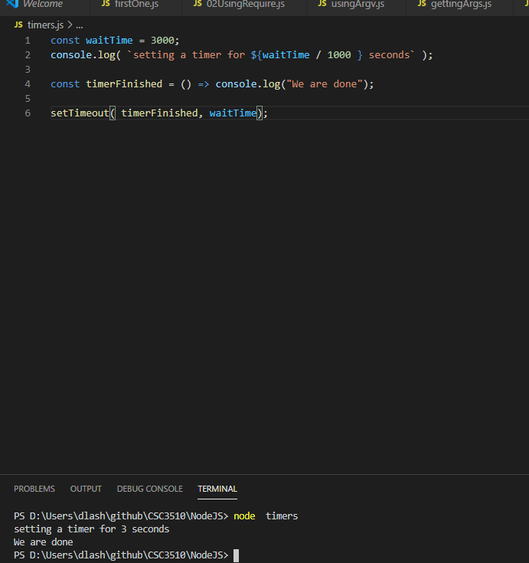

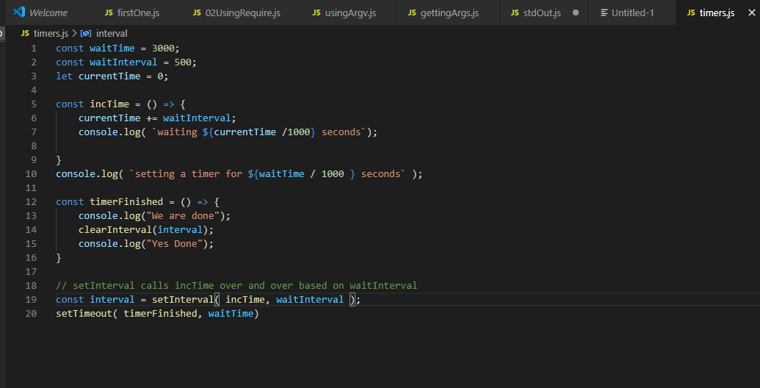

Intervals run over and over until cleared

timerFinished will log done and then clear the interval

Core Modules
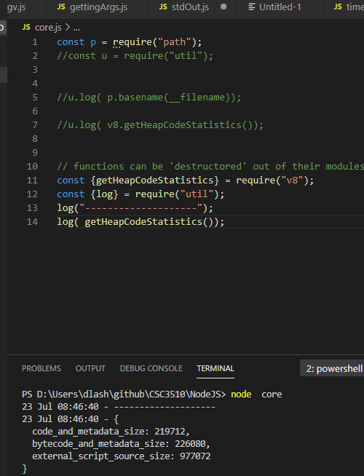
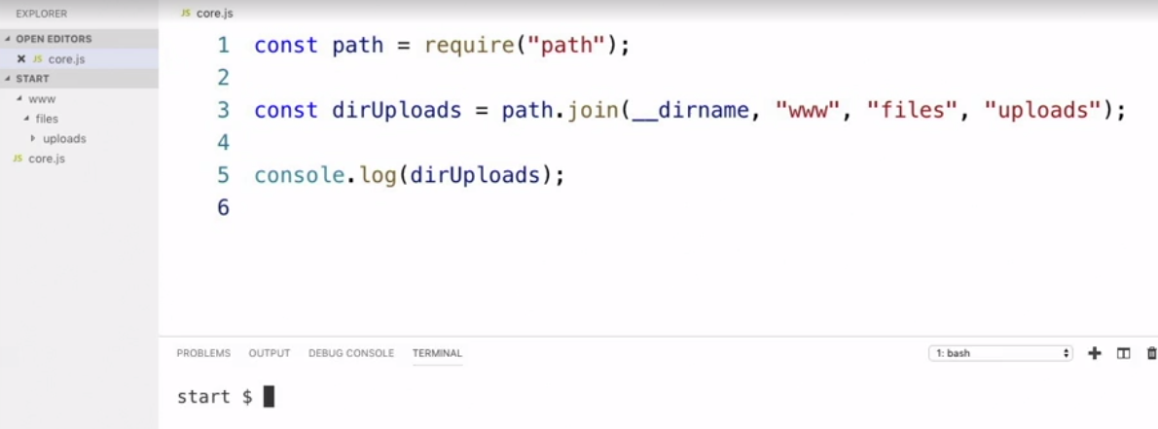

Path is a core model (don't need to download it) that
can be used to construct paths to your folders

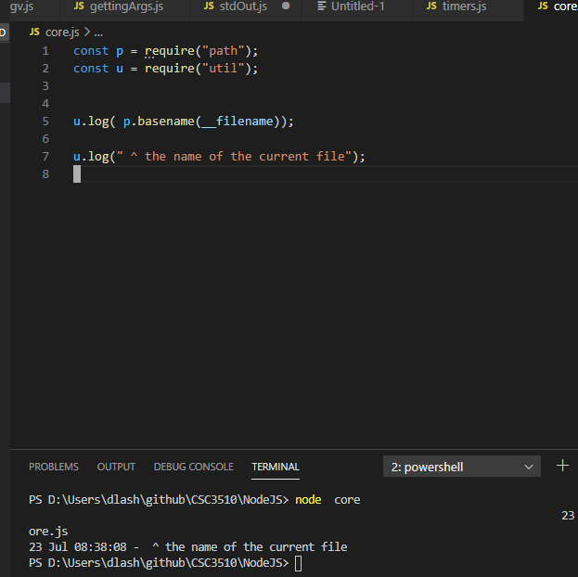
util.log ... includes data timestamp in its log
BUT it needs to be required

v8 can be used to get stats about your js process

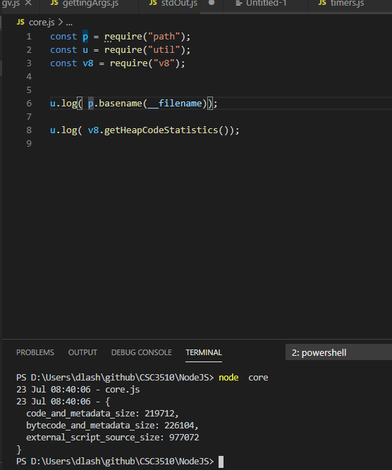

Destructung out of module

Collecting info with readline
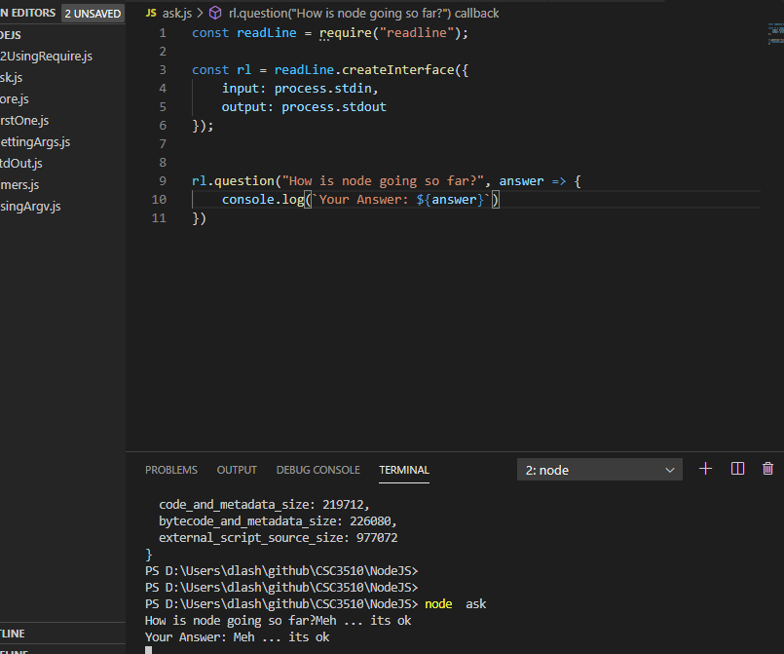

const readL = require("readline");
const rl = readL.createInterface({
input: process.stdin,
output: process.stdout
});
const questions = [
"What is your name?",
"Where do you live?",
"Where you you live to vacation?"
];
const collectAnswers = (questions, done) => {
const answers = [];
const [ firstQuestion ] = questions;
const questionsAnswered = answer => {
answers.push( answer );
if ( answers.length < questions.length ){
// as you increase answers in answers array length will get the next item
rl.question(questions[answers.length], questionsAnswered );
} else {
console.log(".....");
done( answers );
}
}
rl.question( firstQuestion, questionsAnswered );
//done( answers);
};
// Make a call to collectAnswers ... when done execute callback function
collectAnswers( questions, answers => {
console.log( "Thank you for your answers")
console.log( answers );
process.exit();
});

collectAnsers definition expects
1. Array of questions
2. A call-back function as second argumenet

A questionsAsnwered function exepects answers array that
checked length and then
A questionsAsnwered function exepects answers array that
checked length and
then askes the first question
... when question is done call questionsAnswers

Call to collectAnsers has a an array of questions
AND a callback function sent as argument

Sheet8
