Test Planning
Test Planning

Test Planning -
Anayzing features or code segments and planning how to best test them

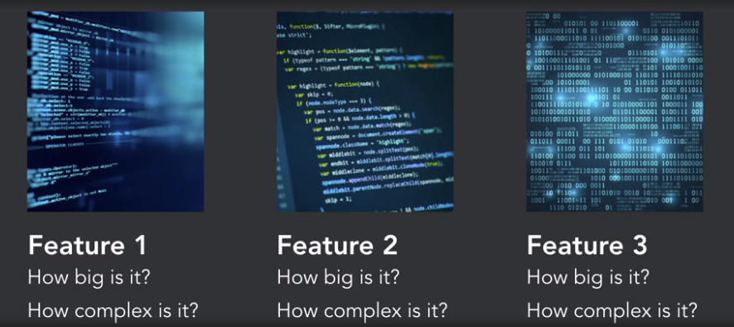

May need tools to
1. Record test sessions
2. Screen Shot Capture
3. Custom reporting

Automation
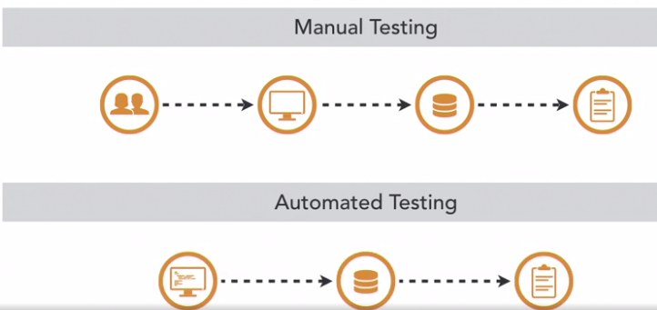
Test Automation - automated Software that
controls test execution and capture results

framework tools
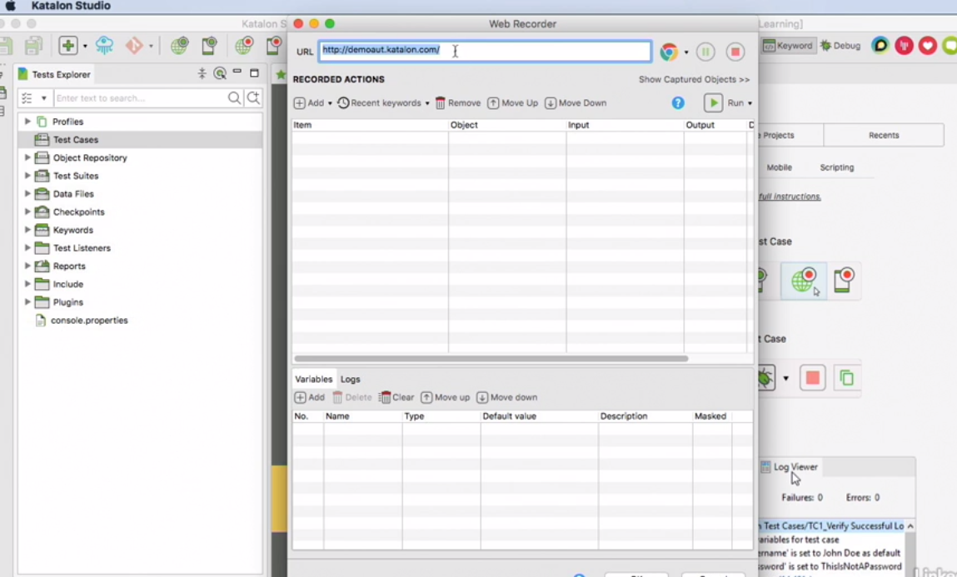
Test Automation Frameworks - PL packages that allow testers to create test suites to execute

Selenium Web Driver - www.seleniumhw.org -
Create tests to interact with lots of web browsers
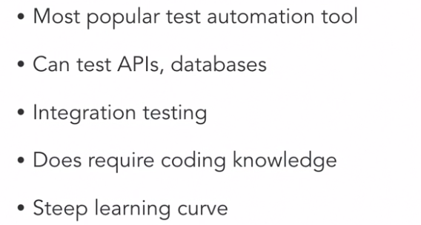

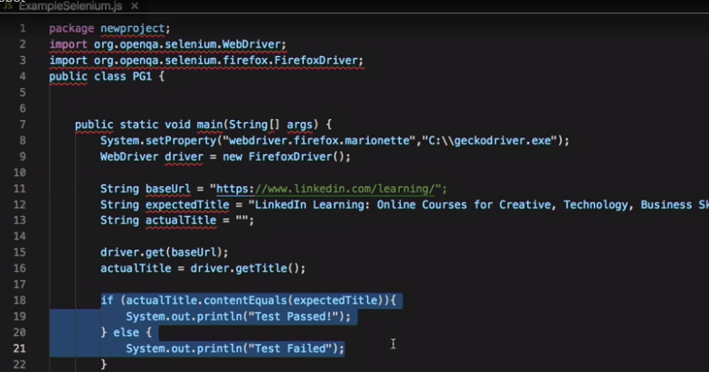

Actual title must == expected title to pass
closes browesr

Robot Framework is a generic open source automation framework. It can be used for test automation and robotic process automation (RPA).

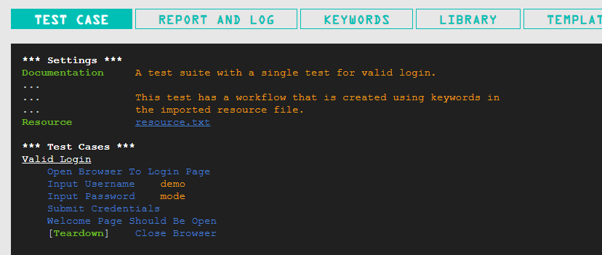
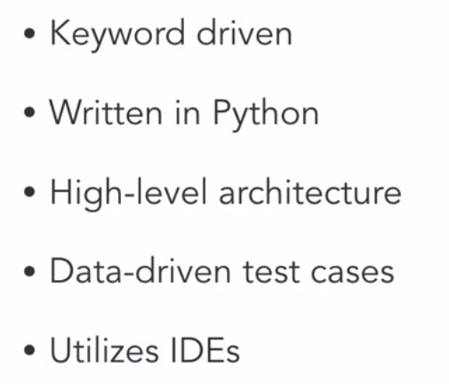

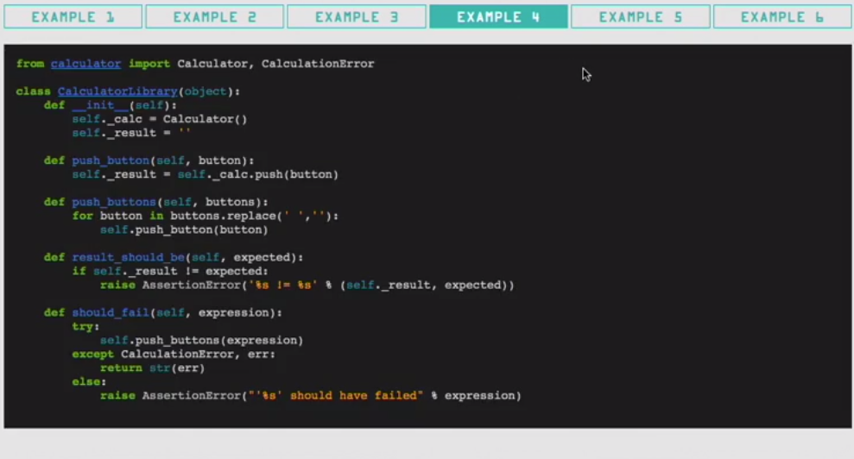

TestCafe -> A tool for recording test session

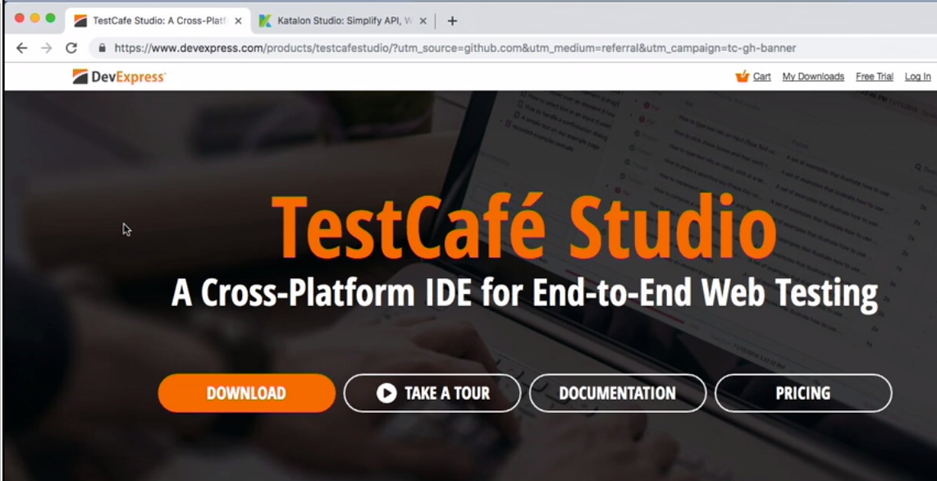

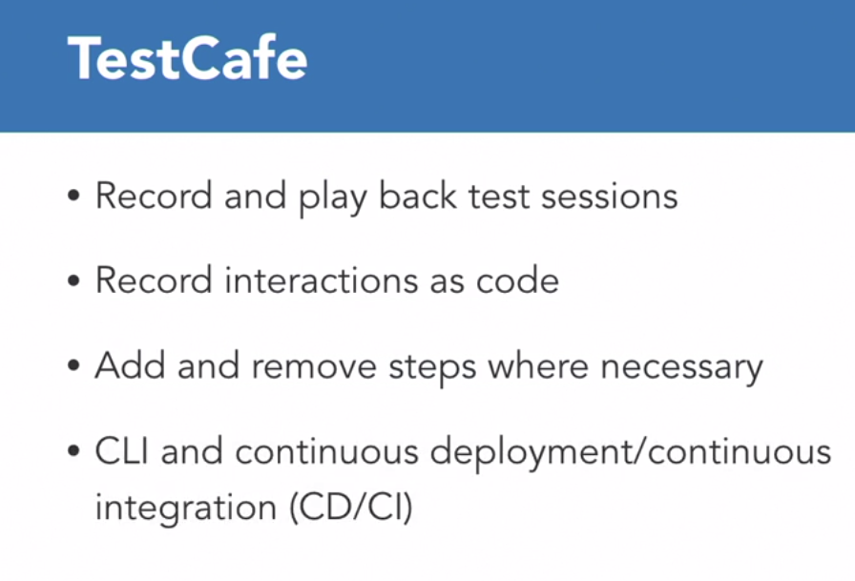

Start recording a session... then it takes you to the URL ... you record the tests
and then it saves the sessions to run and rerun
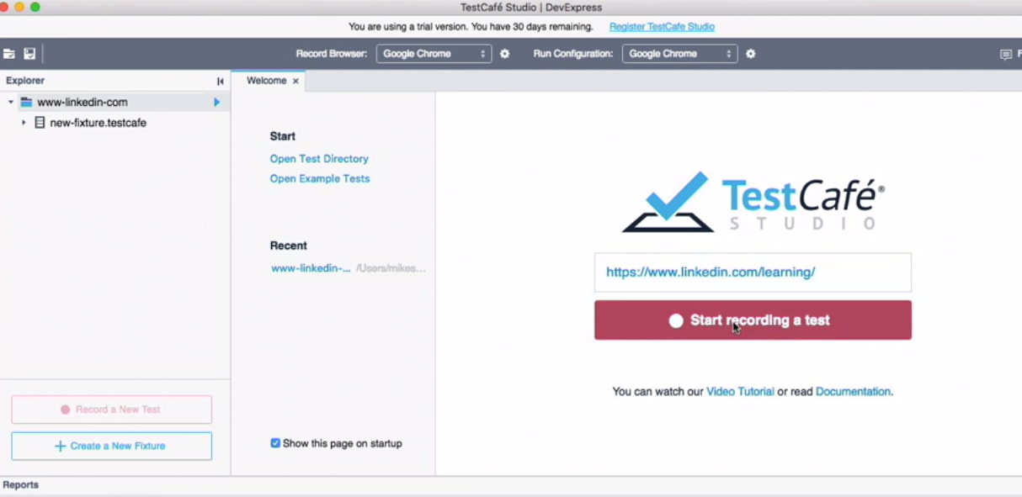

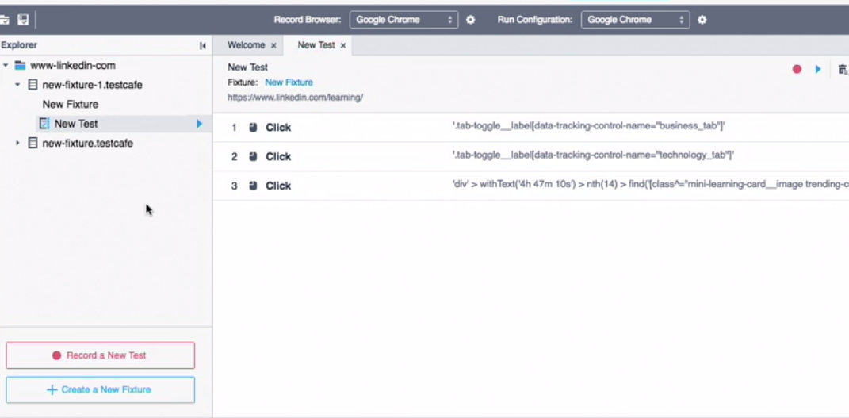

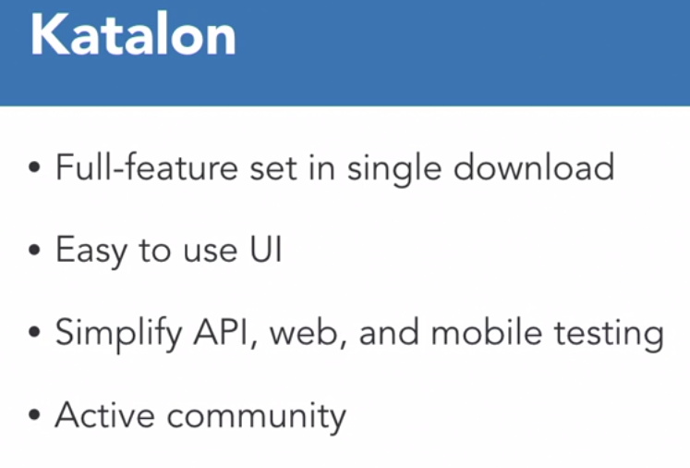

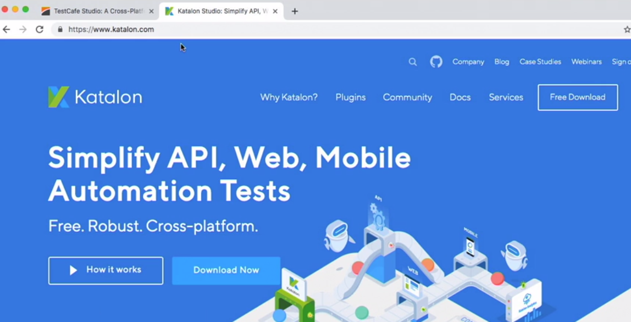
katalon -> A similar tool to record and play back test sessions

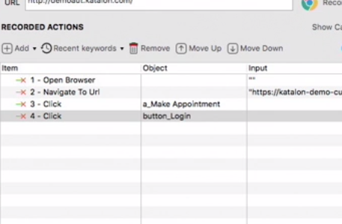
Initialize a web recorder -> select a browser and then you can record actions

