Unit test
Chapter 1 - State of Unit Testing
1. last ~10 years -> push for most unittesting
- Almost all projects useunit testing
- How many tests: anywhere between 1:1 and 1:3 (1 production LOC => one to three lines of test code).
Sometimes -> 1:10
Software goes through continuous change --> may last for decades.
Must have test suites ... How does SE know if break some function while impl change?
Question is NOT should you have a suite of unit tests
But - what are the best tests to create?

Goal of unit test -> to enable sustainable group of a project ... sustainable over time

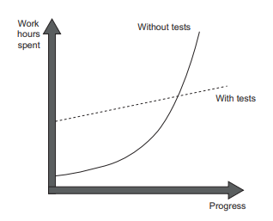

Software Entropy -> Projects -> without tests
has a head start but quickly slows down => hard to change

Software Entropy -> Code base tend to deterioate.
Each change leads to more disorder
E.g., fix a bug -> introducs another
- or mess up logic in method
DEFINITION A regression is when a feature stops working as intended after a certain event (usually, a code modification).

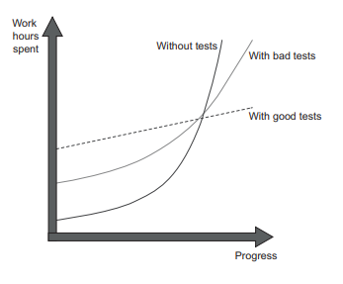
Test quality matters ...
Poorly constructed tests don't help that much

Why JUnit
