Sheet1
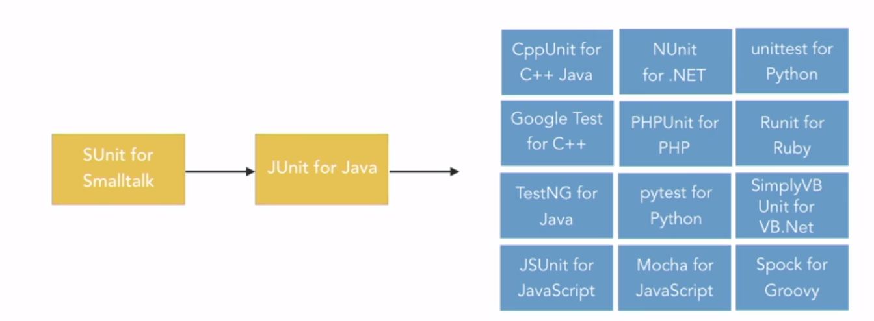

A Problem
The program reads three integer values from an input dialog.
The three values represent the lengths of the sides of a triangle.
The program displays a message that states whether the triangle is scalene, isosceles, or equilateral.
Where:
scalene triangle => no two sides are equal,
isosceles triangle => has two equal sides,
equilateral triangle => three sides of equal length.
Moreover, the angles opposite the 2 The Art of Software Testing www.it-ebooks.info C01 08/11/2011 11:29:16 Page 3 equal sides in an isosceles triangle also are equal (it also follows that the sides opposite equal angles in a triangle are equal), and all angles in an equilateral triangle are equal.

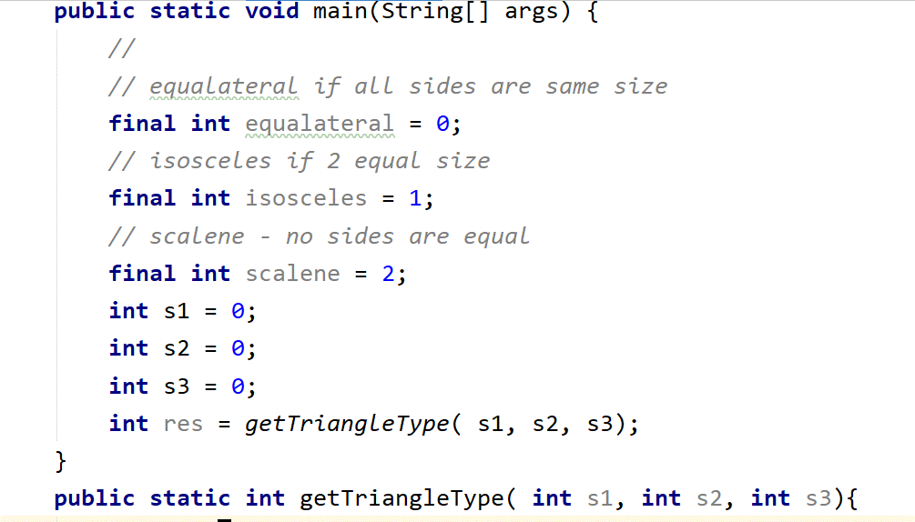

1. valid scalene triangle?
- 3 test cases
2. valid equilateral triangle?
- 3 test cases
3. valid isosceles triangle?
- 3 test cases ..... three permutations of two equal sides (such as, 3, 3, 4; 3, 4, 3; and 4, 3, 3)?
5. Do you have a test case in which one side has a zero value?
- 0 in the test case or all are 0
6. Do you have a test case in which one side has a negative value?
- 3 cases with negative in the input
7. Do you have a test case with three integers greater than zero such that the sum of two of the numbers is equal to the third? (
That is, if the program said that 1, 2, 3 represents a scalene triangle, it would contain a bug.)
8. Do you have at least three test cases in category 7 such that you have tried all three permutations where the length of one side is equal to the sum of the lengths of the other two sides (e.g., 1, 2, 3; 1, 3, 2; and 3, 1, 2)?
9. Do you have a test case with three integers greater than zero such that the sum of two of the numbers is less than the third (such as 1, 2, 4 or 12, 15, 30)?
10. Do you have at least three test cases in category 9 such that you have tried all three permutations (e.g., 1, 2, 4; 1, 4, 2; and 4, 1, 2)?
11. Do you have a test case in which all sides are zero (0, 0, 0)?
12. Do you have at least one test case specifying noninteger values (such as 2.5, 3.5, 5.5)?
13. Do you have at least one test case specifying the wrong number of values (two rather than three integers, for example)?
14. For each test case did you specify the expected output from the program in addition to the input values?

AOST Ch 2
What .... exactly is software testing?????
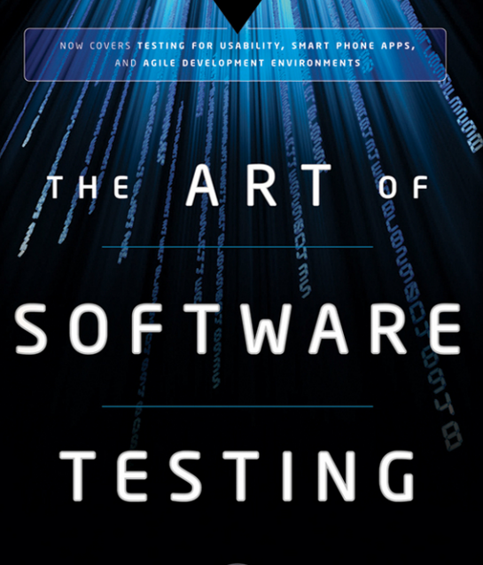

whats wrong with theses statement?
‘‘testing is the process of demonstrating that errors are not present’’

"Testing is the process of establishing confidence that a program does what it is supposed to do.

‘‘Testing is the process of demonstrating that errors are not present"

The purpose of testing is to show that a program performs its intended functions correctly."

The purpose of testing is to show that a program performs its intended functions correctly."

Is it up-side-down? Since
Success is finding errors
Not success test if the test do NOT find errors
Doesn't it imply that testing is a destructive process?

Testing is the process of executing a program with the intent of finding errors.

Suppose someone said
"My Program is perfect"
The best way to establish confidence is to
... attempt to refute it.

s

