Sheet1
https://www.clariontech.com/blog/bdd-agile-development-process

BDD -> emerged from Test Driven Development (TDD).
According to Dan North
“BDD is using examples at multiple levels to create a shared understanding and surface uncertainty to deliver software that matter.”
All the stakeholders work collaboratively to define a set of high-level task specifications during the analysis phase of development.
active participation of
- the technical team (involving developers, testers, architects, scrum masters, analysts, etc.)
- as well as business personnel

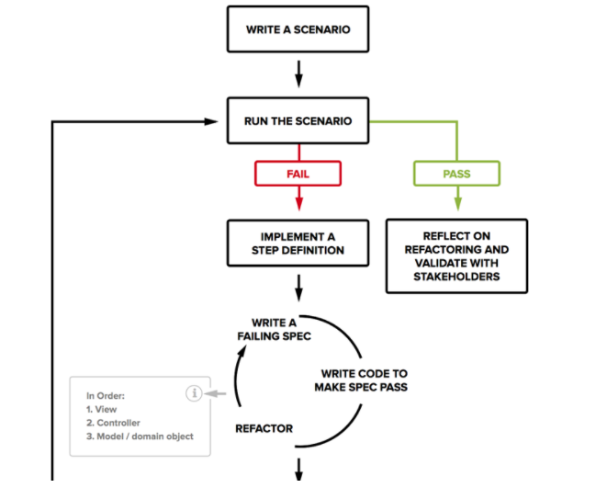

Identify the scenario for the given business feature
Define steps for the scenario
Run the scenario and if fails
Write code to pass the scenario
Refactor the code, build a reusable automation library
Run the scenario and pass
Business features, scenarios & steps together make Behavior tests. This test is generally written in a business readable DSL (domain-specific language) by BA (Business Analysts).

TDD software development process
Define test cases for unit testing
Process execution to fail the tests
Implement & integrate the unit
Test, verify & confirm whether the implementation of the unit processes to be a success.

BDD combines the TDD principles and insists that tests of any software units should be mentioned concerning its desired behavior.
The desired behavior includes needs set by the business like the behavior, which possesses business value for a given entity

Behaviour Specifications
BDD uses behavioral specifications as a semi-informal way to define development scenarios..

business process analysts and software developers should function collaboratively.
-> document behavior in terms of user specifications -> like user stories in Agile Scrum Methodology.
DOCUMENT FORMAT for BDD
Title
A title to describe the specifications
Narrative
A short introduction about the section following the pre-defined structure:
As a: an individual actor who will benefit from the feature
I want: the feature or list of features
so that: expected outcome to receive benefit from the feature
Acceptance criteria
An explanation of each specific scenario of the narrative with the following structure:
Given: the initial state or background story to give an insight into the scenario, in one or more clauses
When: The event that triggers the scenario
Then: the expected outcome, as per clauses specified in the above steps

Example - dev team -> working on accounting system
Feature -> implement a reminder system to remind clients of their pending invoices.
sit down with that business person and start defining behaviors

Focus on behavior during development
- phrasing is in business language, not in the system’s internal implementation language

From behaviours ... add specific tests ..

