REST Overal
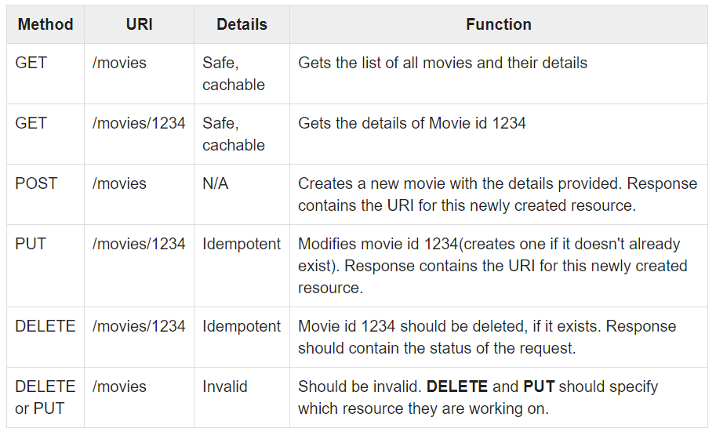

REST1
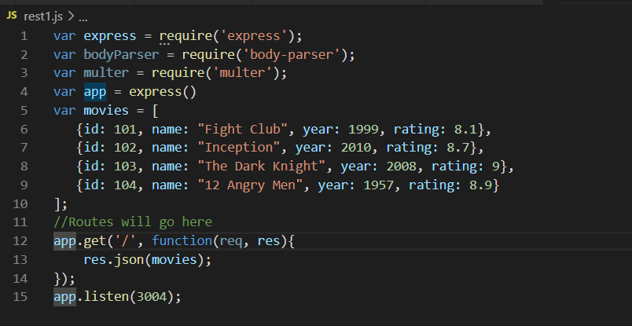

REST2 Single Rec
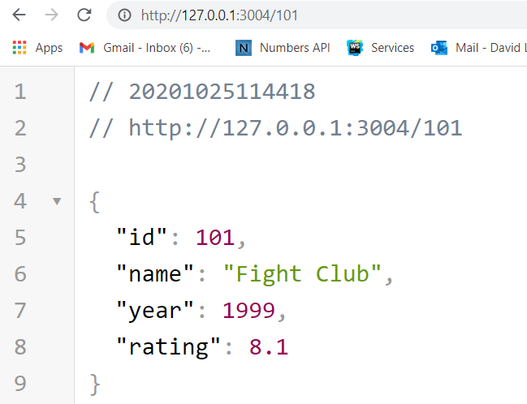

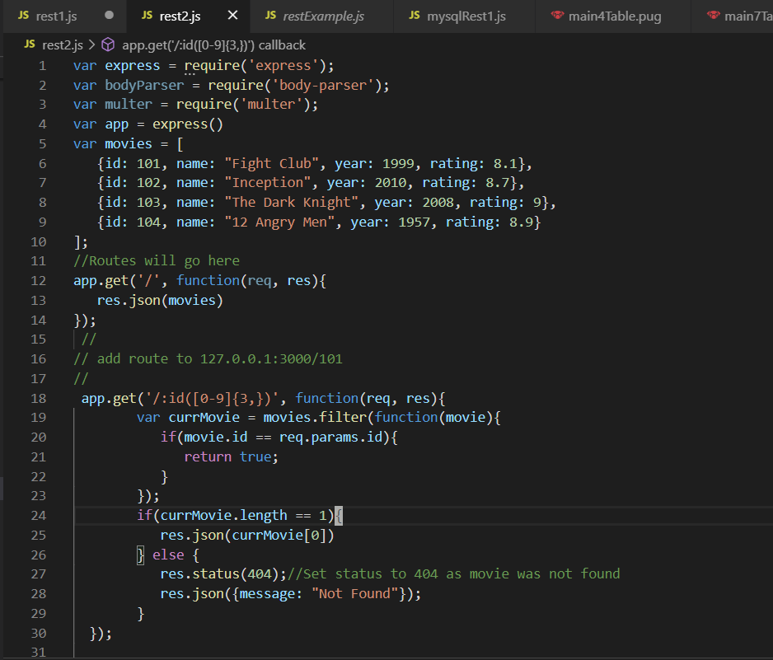

REST3 DELETE REc
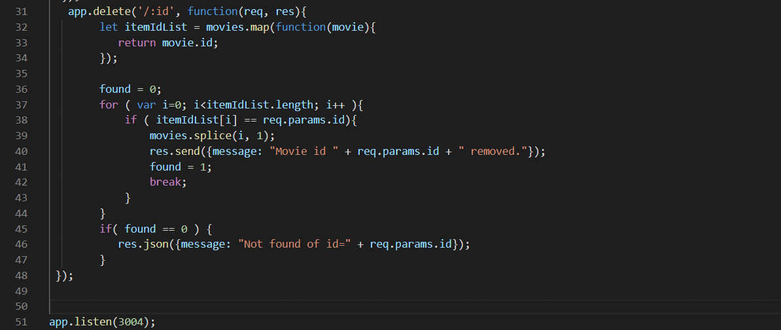
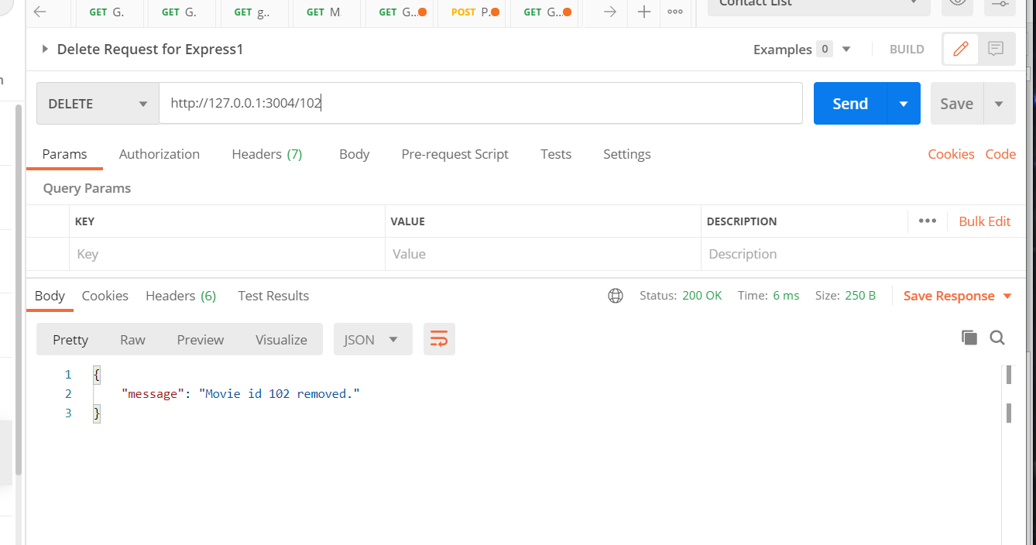

Add this route

Rest Using Mysql
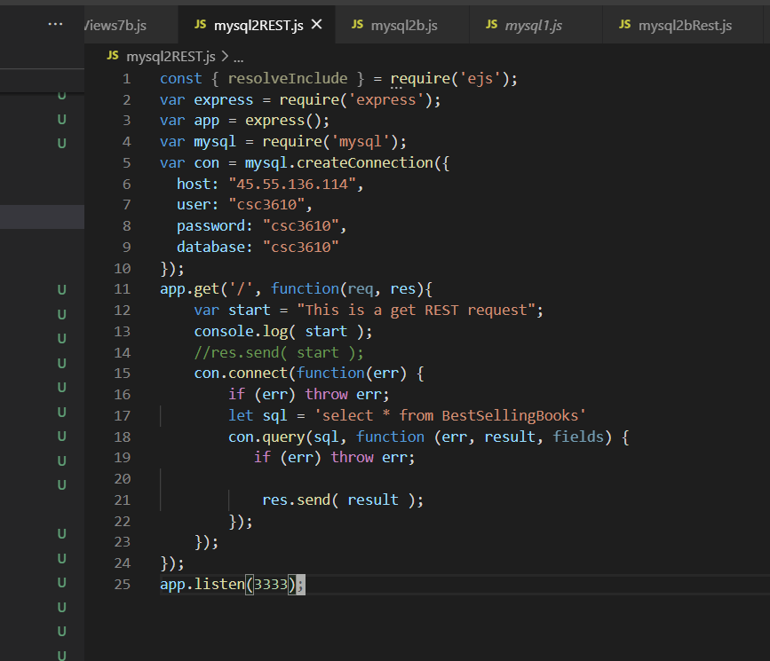

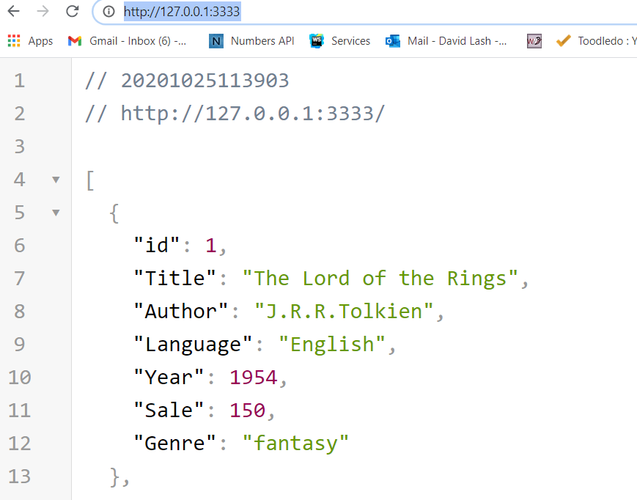

Rest APIs
https://rapidapi.com/collection/list-of-free-apis

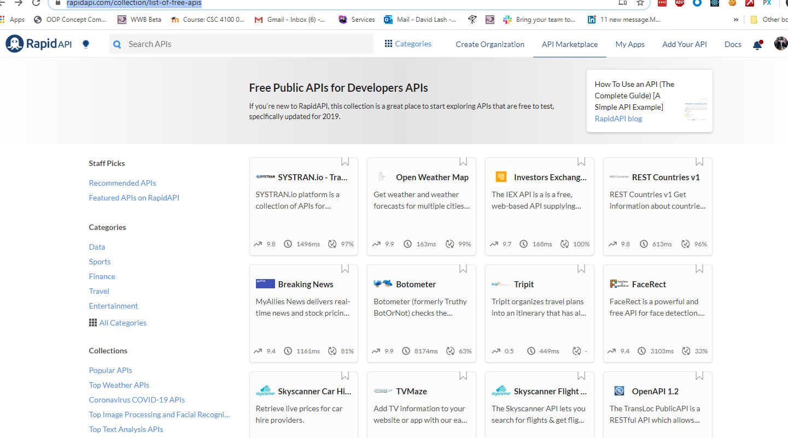

https://apilist.fun/api/numbers
http://numbersapi.com/?ref=apilist.fun#42
http://numbersapi.com/random/year?json

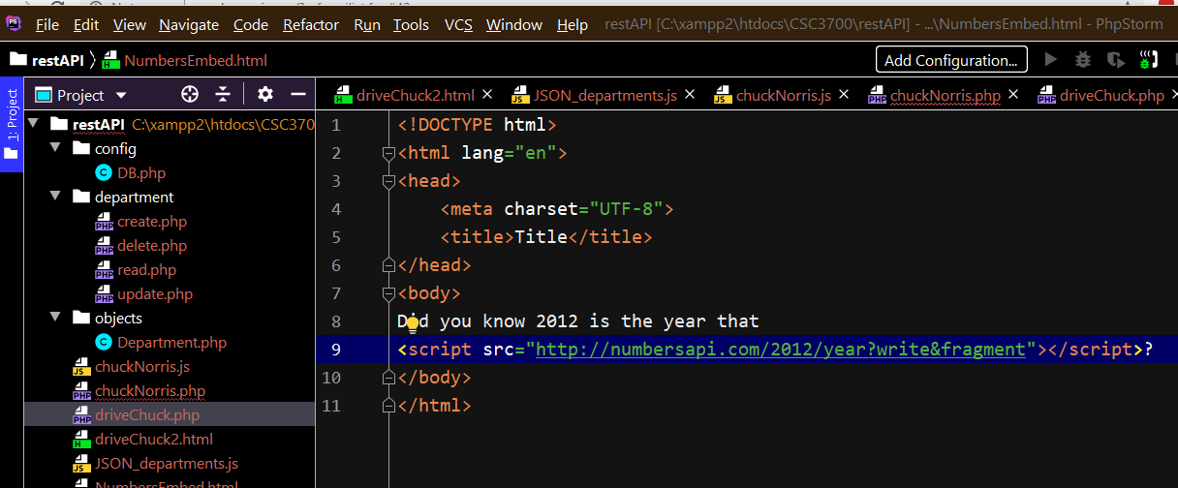

$(document).ready(function(){ $('#myButton').click(function(){ let URL ='http://numbersapi.com/random/year?json' alert(`Click Show URL=${URL}`); let settings = { "url" : URL, "method": "GET", "timeout": 0, }; $.ajax(settings).done(function (response) { alert("Back"); console.log("Respons="); console.log( response ); let oStr = "<table border='1'>"; let res = response.text; console.log("\nres2="); console.log(res); oStr += `<tr><td>text=${res}</td>`; oStr += `<td>num=${response.number}</td>`; //alert(`oTitle=${oTitle}`); let t = $("#results").html( oStr ); }); }); })




