Pipes

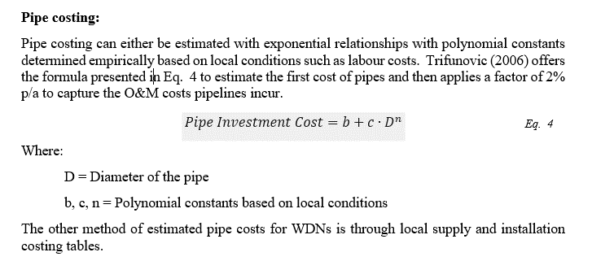
Size | PS4 - TDC $/m
100 | $239
150 | $286
225 | $360
300 | $455
375 | $669
450 | $722
525 | $915

