Pipes

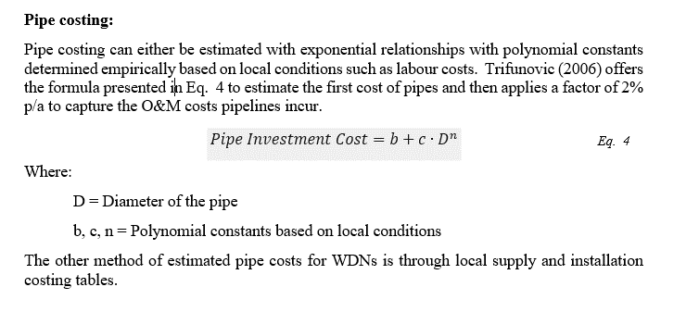
Size | PS4 - TDC $/m
32 | $363
50 | $363
63 | $363
75 | $363
96 | $363
100 | $363
101 | $363
103 | $363
141 | $434
PS4-TDC
143 | $434
150 | $434
158 | $434
186 | $546
200 | $546
225 | $546
235 | $546
300 | $690
375 | $1,015
450 | $1,095
525 | $1,327
600 | $1,516
750 | $1,896
800 | $2,022
825 | $2,085
900 | $2,275
1050 | $2,654
1150 | $2,907
1350 | $3,412

