Agriculture Energy Use by Fuel
 |  |  | 2025 | 2026 | 2027 | 2028 | 2029 | 2030 | 2031 | 2032 | 2033 | 2034 | 2035 | 2040 | 2045 | 2050
scen | commodity_fuel1 | unit
Ampol-1p5DS | Biofuel - Biomethane | PJ | 0.00 | 0.00 | 0.00 | 0.23 | 1.11 | 1.44 | 1.47 | 1.56 | 2.00 | 2.07 | 2.11 | 3.29 | 3.73 | 4.25
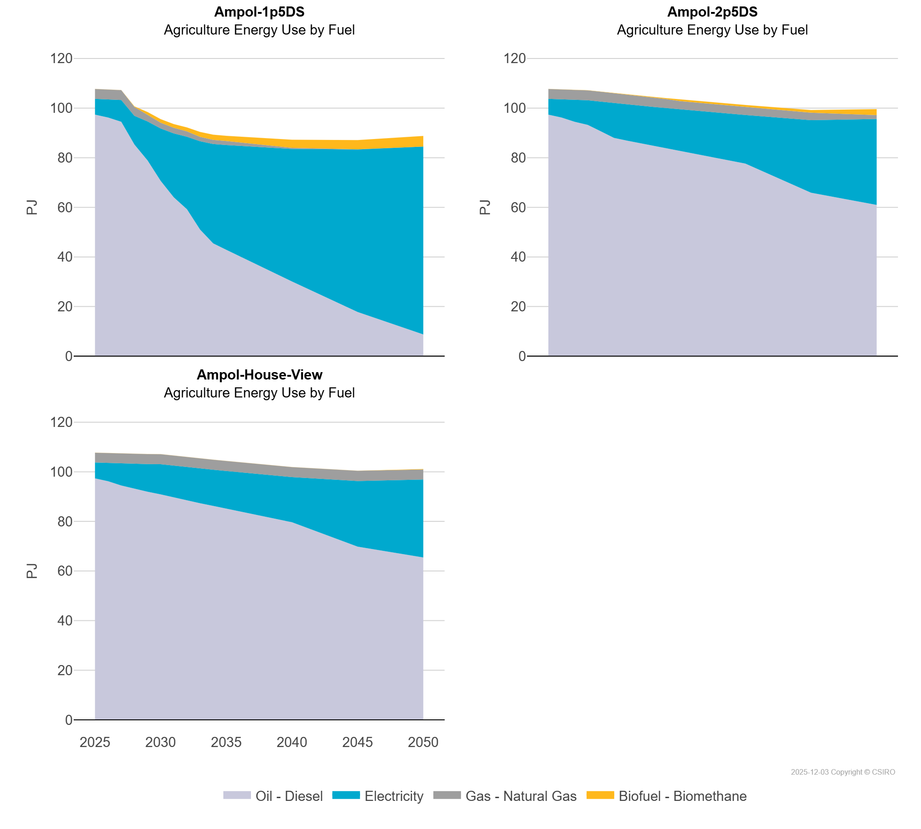
 | Electricity | PJ | 6.37 | 7.35 | 8.77 | 11.55 | 15.71 | 21.10 | 25.74 | 29.23 | 35.60 | 40.07 | 42.23 | 53.43 | 65.56 | 75.72
 | Gas - Natural Gas | PJ | 3.97 | 3.98 | 4.00 | 3.58 | 2.69 | 2.33 | 2.28 | 2.18 | 1.73 | 1.66 | 1.62 | 0.44 | 0.03 | 0.01
 | Oil - Diesel | PJ | 97.35 | 96.18 | 94.47 | 85.31 | 78.90 | 70.66 | 64.02 | 59.22 | 51.03 | 45.45 | 42.86 | 30.09 | 17.78 | 8.77
Ampol-2p5DS | Biofuel - Biomethane | PJ | 0.00 | 0.00 | 0.00 | 0.04 | 0.03 | 0.03 | 0.03 | 0.05 | 0.32 | 0.40 | 0.71 | 0.77 | 1.07 | 2.42
 | Electricity | PJ | 6.37 | 7.35 | 8.77 | 9.93 | 11.98 | 14.01 | 14.59 | 15.11 | 15.64 | 16.17 | 16.74 | 19.62 | 29.27 | 34.63
 | Gas - Natural Gas | PJ | 3.97 | 3.98 | 4.00 | 3.98 | 4.00 | 4.00 | 4.01 | 3.99 | 3.71 | 3.62 | 3.29 | 3.24 | 3.00 | 1.57
 | Oil - Diesel | PJ | 97.35 | 96.18 | 94.47 | 93.22 | 90.60 | 87.98 | 86.86 | 85.84 | 84.82 | 83.81 | 82.77 | 77.60 | 65.86 | 60.94
Ampol-House-View | Biofuel - Biomethane | PJ | 0.00 | 0.00 | 0.00 | 0.00 | 0.00 | 0.00 | 0.00 | 0.00 | 0.00 | 0.00 | 0.00 | 0.01 | 0.01 | 0.21
 | Electricity | PJ | 6.37 | 7.35 | 8.77 | 9.99 | 11.12 | 12.15 | 12.82 | 13.47 | 14.03 | 14.59 | 15.19 | 18.19 | 26.46 | 31.42
 | Gas - Natural Gas | PJ | 3.97 | 3.98 | 4.00 | 4.02 | 4.04 | 4.06 | 4.05 | 4.05 | 4.05 | 4.05 | 4.05 | 4.02 | 4.13 | 4.00
 | Oil - Diesel | PJ | 97.35 | 96.18 | 94.47 | 93.15 | 91.97 | 90.88 | 89.61 | 88.38 | 87.30 | 86.22 | 85.13 | 79.65 | 69.80 | 65.47

