Building Production by Sector
 |  | 2025 | 2026 | 2027 | 2028 | 2029 | 2030 | 2031 | 2032 | 2033 | 2034 | 2035 | 2040 | 2045 | 2050
process_sector1 | unit
Commercial | ['dwellings' 'm2'] | 493,744,000.00 | 501,552,000.00 | 510,616,000.00 | 549,031,000.00 | 566,544,000.00 | 584,369,000.00 | 603,230,000.00 | 622,540,000.00 | 641,505,000.00 | 660,698,000.00 | 679,887,000.00 | 791,007,000.00 | 904,739,000.00 | 1,033,456,000.00
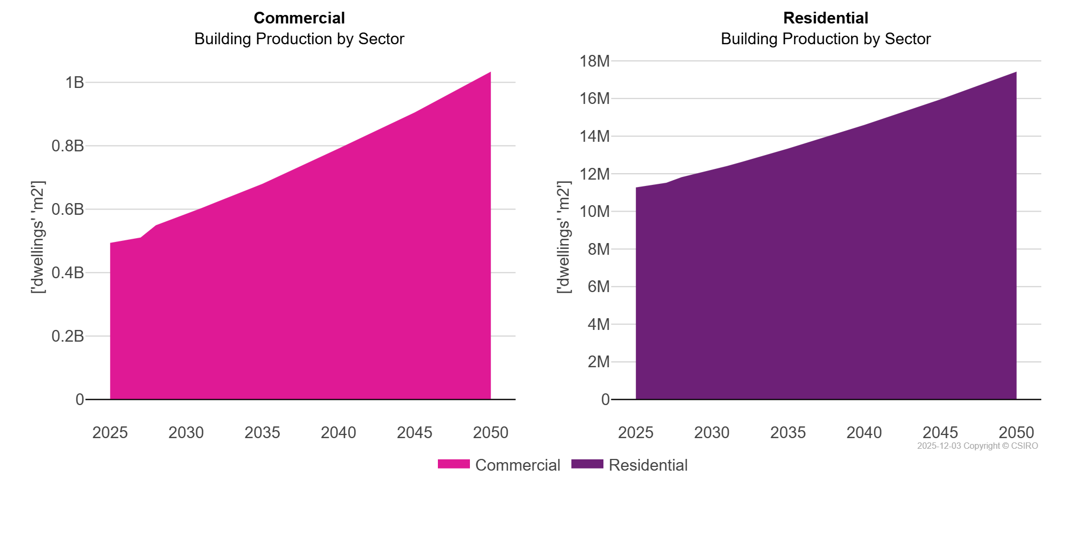
Residential | ['dwellings' 'm2'] | 11,272,200.00 | 11,393,400.00 | 11,520,200.00 | 11,812,900.00 | 12,002,400.00 | 12,202,400.00 | 12,414,400.00 | 12,637,500.00 | 12,866,600.00 | 13,101,100.00 | 13,339,400.00 | 14,592,500.00 | 15,951,500.00 | 17,426,500.00

