Commercial Buildings Energy Us
 |  |  | 2025 | 2026 | 2027 | 2028 | 2029 | 2030 | 2031 | 2032 | 2033 | 2034 | 2035 | 2040 | 2045 | 2050
scen | commodity_fuel1 | unit
Ampol-1p5DS | Biofuel - Biomethane | PJ | 0.00 | 0.00 | 0.00 | 19.19 | 26.67 | 28.37 | 28.37 | 28.37 | 28.37 | 28.37 | 28.37 | 28.37 | 28.37 | 28.37
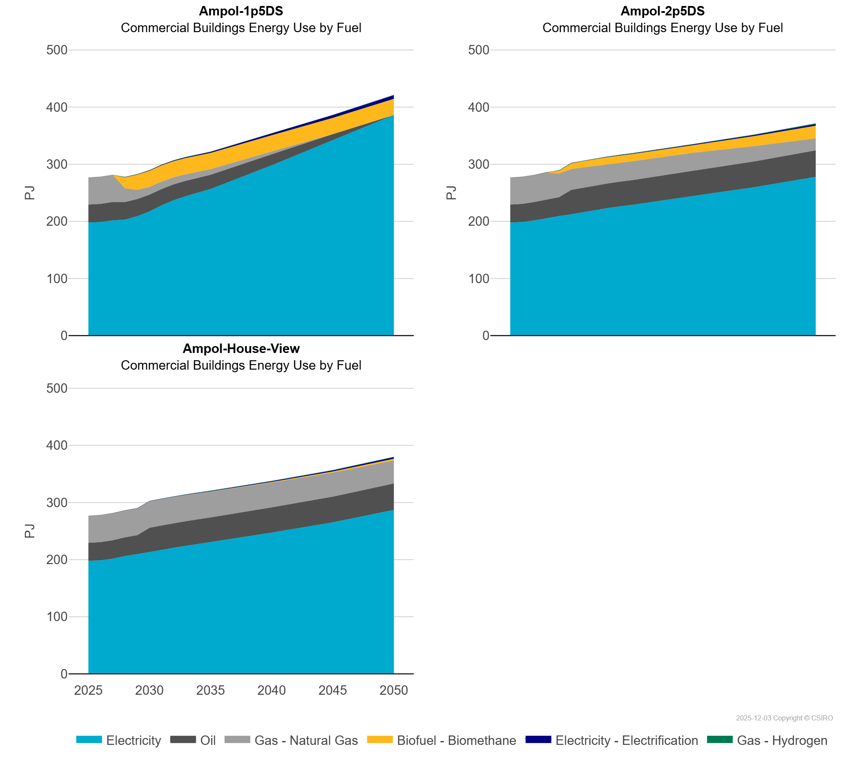
 | Electricity | PJ | 198.05 | 198.74 | 201.69 | 203.06 | 208.99 | 217.32 | 228.25 | 237.26 | 244.33 | 250.94 | 256.61 | 298.16 | 341.62 | 386.10
 | Electricity - Electrification | PJ | 0.00 | 0.00 | 0.08 | 0.33 | 0.50 | 0.69 | 0.88 | 1.09 | 1.30 | 1.53 | 1.76 | 3.16 | 4.85 | 6.46
 | Gas - Hydrogen | PJ | 0.00 | 0.00 | 0.02 | 0.43 | 0.43 | 0.43 | 0.43 | 0.43 | 0.48 | 0.48 | 0.47 | 0.47 | 0.47 | 0.47
 | Gas - Natural Gas | PJ | 47.11 | 47.42 | 47.24 | 24.11 | 16.05 | 13.59 | 12.96 | 12.29 | 11.52 | 10.72 | 9.85 | 4.99 | 0.16 | 0.00
 | Oil | PJ | 31.37 | 31.82 | 32.28 | 30.82 | 30.10 | 29.33 | 28.51 | 27.69 | 26.84 | 25.94 | 24.96 | 19.22 | 10.95 | 0.00
Ampol-2p5DS | Biofuel - Biomethane | PJ | 0.00 | 0.00 | 0.00 | 0.30 | 5.13 | 9.95 | 11.03 | 12.24 | 12.38 | 12.52 | 12.65 | 13.23 | 17.48 | 22.04
 | Electricity | PJ | 198.05 | 198.74 | 201.69 | 205.91 | 209.19 | 212.49 | 216.35 | 220.14 | 223.34 | 226.24 | 228.85 | 244.53 | 259.95 | 277.84
 | Electricity - Electrification | PJ | 0.00 | 0.00 | 0.08 | 0.16 | 0.25 | 0.34 | 0.43 | 0.52 | 0.62 | 0.72 | 0.82 | 1.39 | 2.01 | 2.71
 | Gas - Hydrogen | PJ | 0.00 | 0.00 | 0.02 | 0.02 | 0.47 | 0.53 | 0.41 | 0.53 | 0.53 | 0.62 | 0.62 | 0.59 | 0.58 | 1.36
 | Gas - Natural Gas | PJ | 47.11 | 47.42 | 47.24 | 46.75 | 41.37 | 36.37 | 35.34 | 33.90 | 33.64 | 33.28 | 33.00 | 31.45 | 26.97 | 21.12
 | Oil | PJ | 31.37 | 31.82 | 32.28 | 32.75 | 33.22 | 42.74 | 42.87 | 43.01 | 43.16 | 43.30 | 43.45 | 44.24 | 44.99 | 46.40
Ampol-House-View | Biofuel - Biomethane | PJ | 0.00 | 0.00 | 0.00 | 0.00 | 0.00 | 0.00 | 0.04 | 0.06 | 0.08 | 0.09 | 0.18 | 0.87 | 1.86 | 2.95
 | Electricity | PJ | 198.05 | 198.74 | 201.69 | 206.24 | 209.58 | 212.87 | 216.96 | 220.90 | 224.23 | 227.39 | 230.38 | 247.20 | 265.20 | 286.96
 | Electricity - Electrification | PJ | 0.00 | 0.00 | 0.08 | 0.16 | 0.25 | 0.34 | 0.43 | 0.52 | 0.62 | 0.72 | 0.82 | 1.39 | 2.01 | 2.71
 | Gas - Hydrogen | PJ | 0.00 | 0.00 | 0.02 | 0.02 | 0.02 | 0.02 | 0.14 | 0.26 | 0.38 | 0.49 | 0.53 | 0.59 | 0.58 | 0.72
 | Gas - Natural Gas | PJ | 47.11 | 47.42 | 47.24 | 47.06 | 46.86 | 46.65 | 46.40 | 46.15 | 45.89 | 45.63 | 45.34 | 43.54 | 42.17 | 40.19
 | Oil | PJ | 31.37 | 31.82 | 32.28 | 32.75 | 33.22 | 42.74 | 42.87 | 43.01 | 43.16 | 43.30 | 43.45 | 44.24 | 44.99 | 46.40

