Residential Buildings Energy U
 |  |  | 2025 | 2026 | 2027 | 2028 | 2029 | 2030 | 2031 | 2032 | 2033 | 2034 | 2035 | 2040 | 2045 | 2050
scen | commodity_fuel1 | unit
Ampol-1p5DS | Biofuel - Biomethane | PJ | 0.00 | 0.00 | 0.00 | 1.10 | 8.27 | 8.28 | 11.83 | 17.48 | 18.68 | 18.68 | 18.68 | 18.68 | 18.68 | 18.68
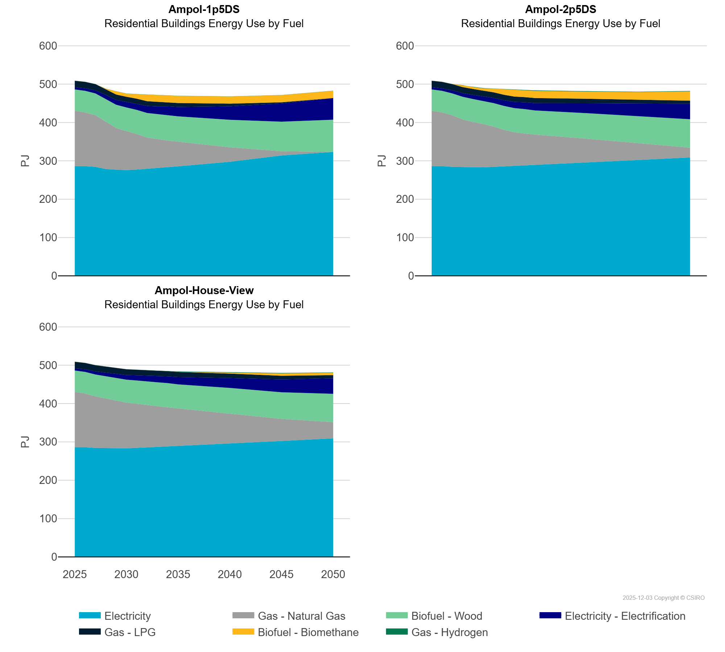
 | Biofuel - Wood | PJ | 55.80 | 56.33 | 56.88 | 59.81 | 60.78 | 61.83 | 62.94 | 64.12 | 65.33 | 66.58 | 66.14 | 71.75 | 76.98 | 84.07
 | Electricity | PJ | 286.11 | 286.08 | 284.19 | 278.47 | 276.96 | 275.71 | 277.24 | 279.20 | 281.31 | 283.43 | 285.59 | 297.42 | 313.98 | 323.08
 | Electricity - Electrification | PJ | 5.80 | 6.76 | 8.08 | 10.63 | 12.49 | 14.37 | 16.30 | 18.30 | 20.30 | 22.35 | 24.42 | 35.33 | 47.45 | 56.65
 | Gas - Hydrogen | PJ | 0.00 | 0.00 | 0.01 | 0.25 | 0.25 | 0.25 | 0.25 | 0.25 | 0.27 | 0.27 | 0.26 | 0.26 | 0.26 | 0.26
 | Gas - LPG | PJ | 16.93 | 16.67 | 16.23 | 14.96 | 14.22 | 13.47 | 12.85 | 12.22 | 11.59 | 10.94 | 10.29 | 6.84 | 3.14 | 0.00
 | Gas - Natural Gas | PJ | 144.27 | 140.11 | 134.57 | 123.15 | 108.52 | 101.64 | 92.63 | 81.54 | 74.95 | 69.59 | 64.22 | 37.75 | 11.11 | 0.00
Ampol-2p5DS | Biofuel - Biomethane | PJ | 0.00 | 0.00 | 0.00 | 5.12 | 5.12 | 5.12 | 9.69 | 14.51 | 18.00 | 18.66 | 18.66 | 18.66 | 20.06 | 24.20
 | Biofuel - Wood | PJ | 55.80 | 56.33 | 56.88 | 59.17 | 59.89 | 60.67 | 61.48 | 62.34 | 63.22 | 64.12 | 63.12 | 66.65 | 69.71 | 74.32
 | Electricity | PJ | 286.11 | 286.08 | 284.19 | 283.71 | 283.32 | 283.09 | 284.17 | 285.36 | 286.55 | 287.75 | 288.99 | 295.92 | 302.21 | 308.82
 | Electricity - Electrification | PJ | 5.80 | 6.76 | 8.08 | 9.41 | 10.75 | 12.09 | 13.45 | 14.83 | 16.21 | 17.59 | 18.97 | 25.93 | 33.23 | 40.28
 | Gas - Hydrogen | PJ | 0.00 | 0.00 | 0.01 | 0.02 | 0.88 | 1.01 | 0.31 | 0.97 | 1.31 | 1.37 | 1.34 | 1.16 | 0.98 | 1.01
 | Gas - LPG | PJ | 16.93 | 16.67 | 16.23 | 15.80 | 15.37 | 14.96 | 14.62 | 14.28 | 13.94 | 13.60 | 13.26 | 11.53 | 9.78 | 7.99
 | Gas - Natural Gas | PJ | 144.27 | 140.11 | 134.57 | 124.08 | 118.00 | 112.85 | 104.91 | 95.46 | 87.66 | 83.05 | 79.31 | 61.72 | 44.21 | 25.38
Ampol-House-View | Biofuel - Biomethane | PJ | 0.00 | 0.00 | 0.00 | 0.01 | 0.01 | 0.01 | 0.02 | 0.02 | 0.02 | 0.02 | 0.04 | 2.50 | 6.20 | 6.20
 | Biofuel - Wood | PJ | 55.80 | 56.33 | 56.88 | 58.66 | 59.34 | 60.08 | 60.85 | 61.67 | 62.49 | 63.33 | 62.85 | 66.44 | 69.45 | 73.95
 | Electricity | PJ | 286.11 | 286.08 | 284.19 | 283.78 | 283.46 | 283.24 | 284.33 | 285.52 | 286.86 | 287.92 | 289.16 | 296.42 | 302.20 | 309.24
 | Electricity - Electrification | PJ | 5.80 | 6.76 | 8.08 | 9.41 | 10.75 | 12.09 | 13.45 | 14.83 | 16.21 | 17.59 | 18.97 | 25.93 | 33.23 | 40.60
 | Gas - Hydrogen | PJ | 0.00 | 0.00 | 0.01 | 0.02 | 0.02 | 0.03 | 0.02 | 0.91 | 0.92 | 1.20 | 1.34 | 1.16 | 0.97 | 0.86
 | Gas - LPG | PJ | 16.93 | 16.67 | 16.23 | 15.80 | 15.37 | 14.97 | 14.63 | 14.29 | 13.96 | 13.62 | 13.28 | 11.57 | 9.85 | 8.07
 | Gas - Natural Gas | PJ | 144.27 | 140.11 | 134.57 | 129.19 | 123.98 | 118.96 | 114.90 | 110.04 | 106.08 | 101.92 | 98.00 | 77.77 | 57.69 | 42.18

