Industry Captured Emissions by
 |  |  | 2025 | 2026 | 2027 | 2028 | 2029 | 2030 | 2031 | 2032 | 2033 | 2034 | 2035 | 2040 | 2045 | 2050
scen | process | unit
Ampol-1p5DS | Chemicals - Petrochemicals - Ipc_Green H2-Based Methanol Production | Mt CO₂-e | 0.00 | 0.00 | 0.00 | 0.00 | 0.00 | 0.00 | 0.00 | 0.00 | 0.00 | 0.00 | 0.00 | 0.00 | -0.01 | -0.01
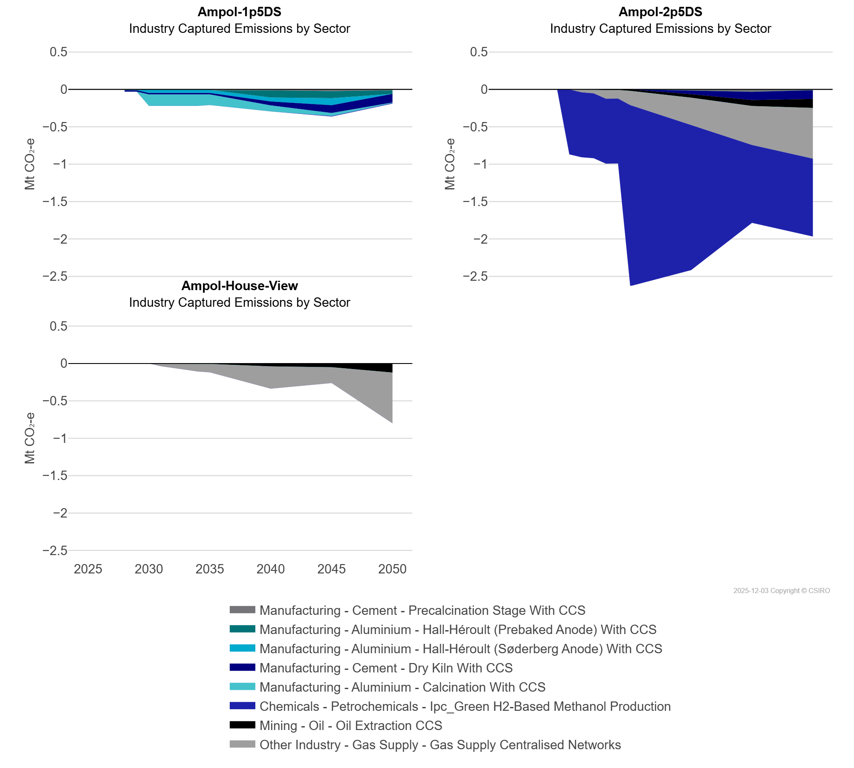
 | Manufacturing - Aluminium - Calcination With CCS | Mt CO₂-e | 0.00 | 0.00 | 0.00 | 0.00 | 0.00 | -0.15 | -0.15 | -0.15 | -0.15 | -0.15 | -0.14 | -0.08 | -0.04 | -0.01
 | Manufacturing - Aluminium - Hall-Héroult (Prebaked Anode) With CCS | Mt CO₂-e | 0.00 | 0.00 | 0.00 | 0.00 | 0.00 | 0.00 | 0.00 | 0.00 | 0.00 | 0.00 | 0.00 | -0.09 | -0.09 | -0.05
 | Manufacturing - Aluminium - Hall-Héroult (Søderberg Anode) With CCS | Mt CO₂-e | 0.00 | 0.00 | 0.00 | 0.00 | 0.00 | -0.04 | -0.04 | -0.04 | -0.04 | -0.04 | -0.04 | -0.05 | -0.09 | 0.00
 | Manufacturing - Cement - Dry Kiln With CCS | Mt CO₂-e | 0.00 | 0.00 | 0.00 | -0.02 | -0.02 | -0.02 | -0.02 | -0.02 | -0.02 | -0.02 | -0.02 | -0.05 | -0.10 | -0.12
 | Manufacturing - Cement - Precalcination Stage With CCS | Mt CO₂-e | 0.00 | 0.00 | 0.00 | -0.01 | -0.01 | -0.01 | -0.01 | -0.01 | -0.01 | -0.01 | -0.01 | -0.01 | -0.02 | -0.01
Ampol-2p5DS | Chemicals - Petrochemicals - Ipc_Green H2-Based Methanol Production | Mt CO₂-e | 0.00 | 0.00 | 0.00 | 0.00 | 0.00 | -0.87 | -0.87 | -0.87 | -0.87 | -0.87 | -2.42 | -1.94 | -1.04 | -1.04
 | Manufacturing - Aluminium - Calcination With CCS | Mt CO₂-e | 0.00 | 0.00 | 0.00 | 0.00 | 0.00 | 0.00 | 0.00 | 0.00 | 0.00 | 0.00 | 0.00 | 0.00 | 0.00 | 0.00
 | Manufacturing - Aluminium - Hall-Héroult (Prebaked Anode) With CCS | Mt CO₂-e | 0.00 | 0.00 | 0.00 | 0.00 | 0.00 | 0.00 | 0.00 | 0.00 | 0.00 | 0.00 | 0.00 | 0.00 | 0.00 | 0.00
 | Manufacturing - Aluminium - Hall-Héroult (Søderberg Anode) With CCS | Mt CO₂-e | 0.00 | 0.00 | 0.00 | 0.00 | 0.00 | 0.00 | 0.00 | 0.00 | 0.00 | 0.00 | 0.00 | 0.00 | 0.00 | 0.00
 | Manufacturing - Cement - Dry Kiln With CCS | Mt CO₂-e | 0.00 | 0.00 | 0.00 | 0.00 | 0.00 | 0.00 | 0.00 | 0.00 | 0.00 | 0.00 | 0.00 | -0.05 | -0.11 | -0.12
 | Manufacturing - Cement - Precalcination Stage With CCS | Mt CO₂-e | 0.00 | 0.00 | 0.00 | 0.00 | 0.00 | 0.00 | 0.00 | 0.00 | 0.00 | 0.00 | 0.00 | -0.02 | -0.03 | -0.01
 | Mining - Oil - Oil Extraction CCS | Mt CO₂-e | 0.00 | 0.00 | 0.00 | 0.00 | 0.00 | 0.00 | 0.00 | 0.00 | -0.01 | -0.01 | -0.02 | -0.05 | -0.08 | -0.12
 | Other Industry - Gas Supply - Gas Supply Centralised Networks | Mt CO₂-e | 0.00 | 0.00 | 0.00 | 0.00 | 0.00 | 0.00 | -0.04 | -0.05 | -0.11 | -0.11 | -0.19 | -0.37 | -0.52 | -0.68
Ampol-House-View | Chemicals - Petrochemicals - Ipc_Green H2-Based Methanol Production | Mt CO₂-e | 0.00 | 0.00 | 0.00 | 0.00 | 0.00 | 0.00 | 0.00 | 0.00 | 0.00 | 0.00 | 0.00 | 0.00 | 0.00 | 0.00
 | Manufacturing - Aluminium - Calcination With CCS | Mt CO₂-e | 0.00 | 0.00 | 0.00 | 0.00 | 0.00 | 0.00 | 0.00 | 0.00 | 0.00 | 0.00 | 0.00 | 0.00 | 0.00 | 0.00
 | Manufacturing - Aluminium - Hall-Héroult (Prebaked Anode) With CCS | Mt CO₂-e | 0.00 | 0.00 | 0.00 | 0.00 | 0.00 | 0.00 | 0.00 | 0.00 | 0.00 | 0.00 | 0.00 | 0.00 | 0.00 | 0.00
 | Manufacturing - Aluminium - Hall-Héroult (Søderberg Anode) With CCS | Mt CO₂-e | 0.00 | 0.00 | 0.00 | 0.00 | 0.00 | 0.00 | 0.00 | 0.00 | 0.00 | 0.00 | 0.00 | 0.00 | 0.00 | 0.00
 | Manufacturing - Cement - Dry Kiln With CCS | Mt CO₂-e | 0.00 | 0.00 | 0.00 | 0.00 | 0.00 | 0.00 | 0.00 | 0.00 | 0.00 | 0.00 | 0.00 | 0.00 | 0.00 | 0.00
 | Manufacturing - Cement - Precalcination Stage With CCS | Mt CO₂-e | 0.00 | 0.00 | 0.00 | 0.00 | 0.00 | 0.00 | 0.00 | 0.00 | 0.00 | 0.00 | 0.00 | 0.00 | 0.00 | 0.00
 | Mining - Oil - Oil Extraction CCS | Mt CO₂-e | 0.00 | 0.00 | 0.00 | 0.00 | 0.00 | 0.00 | 0.00 | 0.00 | -0.01 | -0.01 | -0.01 | -0.04 | -0.05 | -0.12
 | Other Industry - Gas Supply - Gas Supply Centralised Networks | Mt CO₂-e | 0.00 | 0.00 | 0.00 | 0.00 | 0.00 | 0.00 | -0.03 | -0.05 | -0.07 | -0.10 | -0.11 | -0.30 | -0.21 | -0.68

