Manufacturing Captured Emissio
 |  |  | 2025 | 2026 | 2027 | 2028 | 2029 | 2030 | 2031 | 2032 | 2033 | 2034 | 2035 | 2040 | 2045 | 2050
scen | process | unit
Ampol-1p5DS | Boiler Natural Gas With CCS | Mt CO₂-e | 0.00 | 0.00 | 0.00 | 0.00 | 0.00 | 0.00 | 0.00 | 0.00 | 0.00 | 0.00 | 0.00 | 0.00 | 0.00 | 0.00
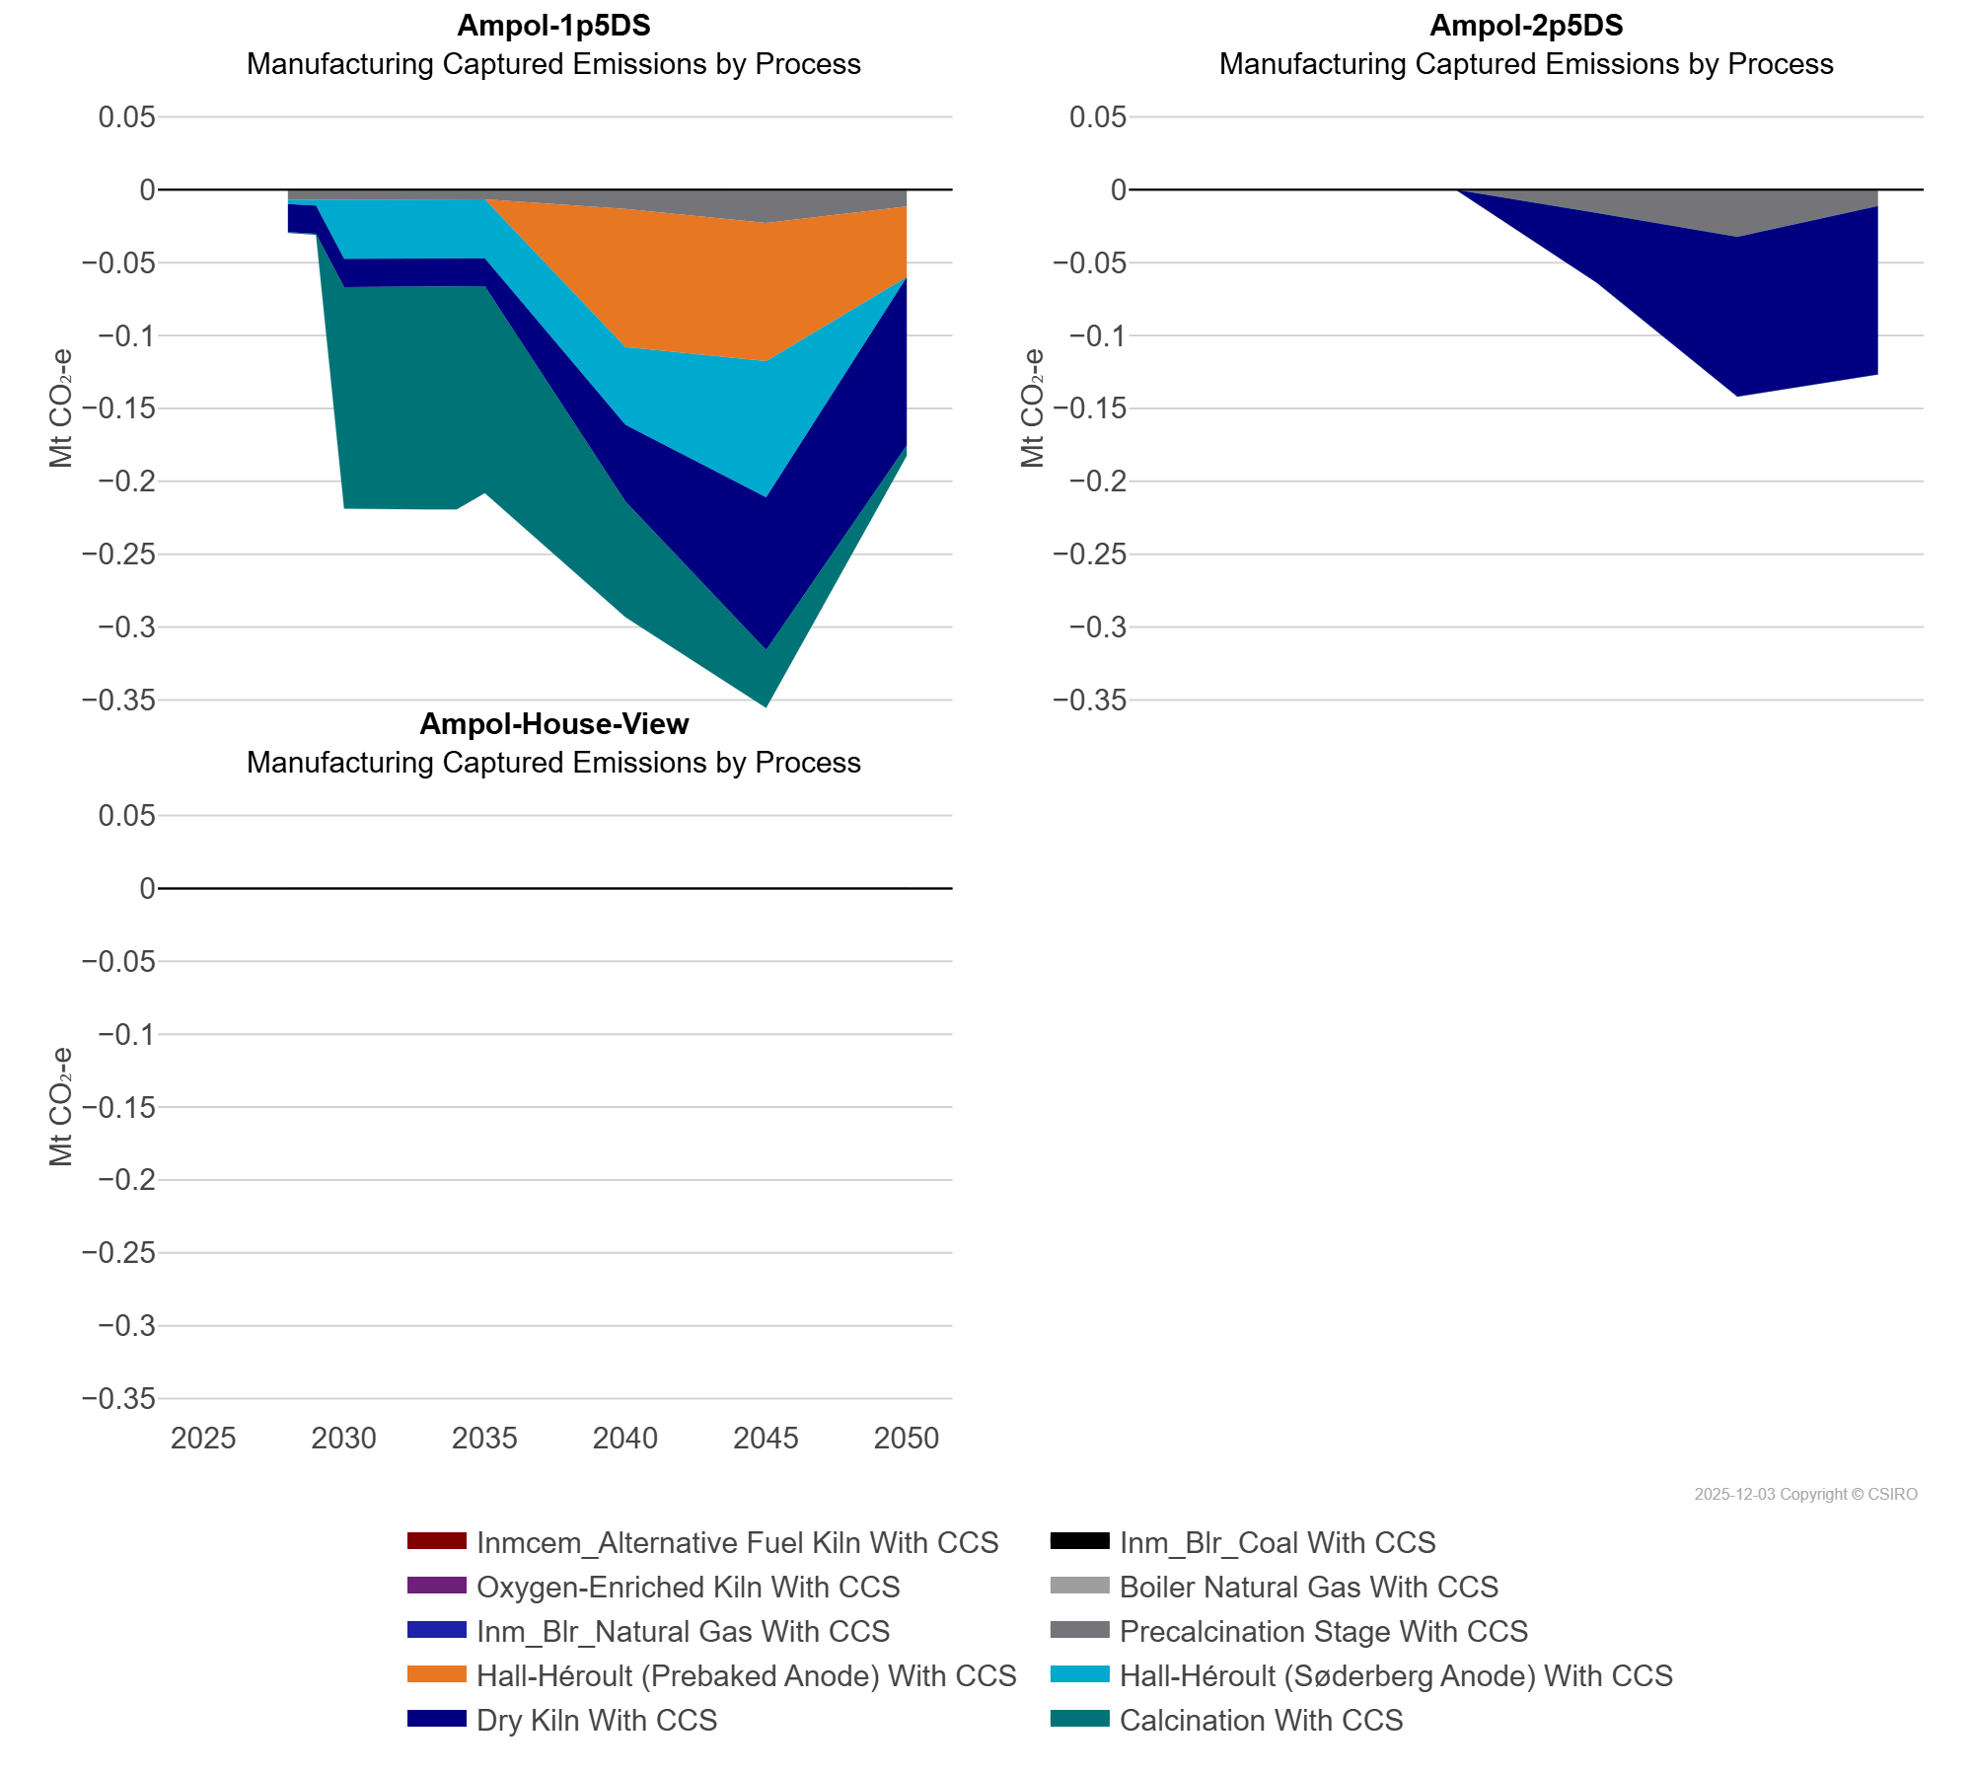
 | Calcination With CCS | Mt CO₂-e | 0.00 | 0.00 | 0.00 | 0.00 | 0.00 | -0.15 | -0.15 | -0.15 | -0.15 | -0.15 | -0.14 | -0.08 | -0.04 | -0.01
 | Dry Kiln With CCS | Mt CO₂-e | 0.00 | 0.00 | 0.00 | -0.02 | -0.02 | -0.02 | -0.02 | -0.02 | -0.02 | -0.02 | -0.02 | -0.05 | -0.10 | -0.12
 | Hall-Héroult (Prebaked Anode) With CCS | Mt CO₂-e | 0.00 | 0.00 | 0.00 | 0.00 | 0.00 | 0.00 | 0.00 | 0.00 | 0.00 | 0.00 | 0.00 | -0.09 | -0.09 | -0.05
 | Hall-Héroult (Søderberg Anode) With CCS | Mt CO₂-e | 0.00 | 0.00 | 0.00 | 0.00 | 0.00 | -0.04 | -0.04 | -0.04 | -0.04 | -0.04 | -0.04 | -0.05 | -0.09 | 0.00
 | Inm_Blr_Coal With CCS | Mt CO₂-e | 0.00 | 0.00 | 0.00 | 0.00 | 0.00 | 0.00 | 0.00 | 0.00 | 0.00 | 0.00 | 0.00 | 0.00 | 0.00 | 0.00
 | Inm_Blr_Natural Gas With CCS | Mt CO₂-e | 0.00 | 0.00 | 0.00 | 0.00 | 0.00 | 0.00 | 0.00 | 0.00 | 0.00 | 0.00 | 0.00 | 0.00 | 0.00 | 0.00
 | Inmcem_Alternative Fuel Kiln With CCS | Mt CO₂-e | 0.00 | 0.00 | 0.00 | 0.00 | 0.00 | 0.00 | 0.00 | 0.00 | 0.00 | 0.00 | 0.00 | 0.00 | 0.00 | 0.00
 | Oxygen-Enriched Kiln With CCS | Mt CO₂-e | 0.00 | 0.00 | 0.00 | 0.00 | 0.00 | 0.00 | 0.00 | 0.00 | 0.00 | 0.00 | 0.00 | 0.00 | 0.00 | 0.00
 | Precalcination Stage With CCS | Mt CO₂-e | 0.00 | 0.00 | 0.00 | -0.01 | -0.01 | -0.01 | -0.01 | -0.01 | -0.01 | -0.01 | -0.01 | -0.01 | -0.02 | -0.01
Ampol-2p5DS | Boiler Natural Gas With CCS | Mt CO₂-e | 0.00 | 0.00 | 0.00 | 0.00 | 0.00 | 0.00 | 0.00 | 0.00 | 0.00 | 0.00 | 0.00 | 0.00 | 0.00 | 0.00
 | Calcination With CCS | Mt CO₂-e | 0.00 | 0.00 | 0.00 | 0.00 | 0.00 | 0.00 | 0.00 | 0.00 | 0.00 | 0.00 | 0.00 | 0.00 | 0.00 | 0.00
 | Dry Kiln With CCS | Mt CO₂-e | 0.00 | 0.00 | 0.00 | 0.00 | 0.00 | 0.00 | 0.00 | 0.00 | 0.00 | 0.00 | 0.00 | -0.05 | -0.11 | -0.12
 | Hall-Héroult (Prebaked Anode) With CCS | Mt CO₂-e | 0.00 | 0.00 | 0.00 | 0.00 | 0.00 | 0.00 | 0.00 | 0.00 | 0.00 | 0.00 | 0.00 | 0.00 | 0.00 | 0.00
 | Hall-Héroult (Søderberg Anode) With CCS | Mt CO₂-e | 0.00 | 0.00 | 0.00 | 0.00 | 0.00 | 0.00 | 0.00 | 0.00 | 0.00 | 0.00 | 0.00 | 0.00 | 0.00 | 0.00
 | Inm_Blr_Coal With CCS | Mt CO₂-e | 0.00 | 0.00 | 0.00 | 0.00 | 0.00 | 0.00 | 0.00 | 0.00 | 0.00 | 0.00 | 0.00 | 0.00 | 0.00 | 0.00
 | Inm_Blr_Natural Gas With CCS | Mt CO₂-e | 0.00 | 0.00 | 0.00 | 0.00 | 0.00 | 0.00 | 0.00 | 0.00 | 0.00 | 0.00 | 0.00 | 0.00 | 0.00 | 0.00
 | Inmcem_Alternative Fuel Kiln With CCS | Mt CO₂-e | 0.00 | 0.00 | 0.00 | 0.00 | 0.00 | 0.00 | 0.00 | 0.00 | 0.00 | 0.00 | 0.00 | 0.00 | 0.00 | 0.00
 | Oxygen-Enriched Kiln With CCS | Mt CO₂-e | 0.00 | 0.00 | 0.00 | 0.00 | 0.00 | 0.00 | 0.00 | 0.00 | 0.00 | 0.00 | 0.00 | 0.00 | 0.00 | 0.00
 | Precalcination Stage With CCS | Mt CO₂-e | 0.00 | 0.00 | 0.00 | 0.00 | 0.00 | 0.00 | 0.00 | 0.00 | 0.00 | 0.00 | 0.00 | -0.02 | -0.03 | -0.01
Ampol-House-View | Boiler Natural Gas With CCS | Mt CO₂-e | 0.00 | 0.00 | 0.00 | 0.00 | 0.00 | 0.00 | 0.00 | 0.00 | 0.00 | 0.00 | 0.00 | 0.00 | 0.00 | 0.00
 | Calcination With CCS | Mt CO₂-e | 0.00 | 0.00 | 0.00 | 0.00 | 0.00 | 0.00 | 0.00 | 0.00 | 0.00 | 0.00 | 0.00 | 0.00 | 0.00 | 0.00
 | Dry Kiln With CCS | Mt CO₂-e | 0.00 | 0.00 | 0.00 | 0.00 | 0.00 | 0.00 | 0.00 | 0.00 | 0.00 | 0.00 | 0.00 | 0.00 | 0.00 | 0.00
 | Hall-Héroult (Prebaked Anode) With CCS | Mt CO₂-e | 0.00 | 0.00 | 0.00 | 0.00 | 0.00 | 0.00 | 0.00 | 0.00 | 0.00 | 0.00 | 0.00 | 0.00 | 0.00 | 0.00
 | Hall-Héroult (Søderberg Anode) With CCS | Mt CO₂-e | 0.00 | 0.00 | 0.00 | 0.00 | 0.00 | 0.00 | 0.00 | 0.00 | 0.00 | 0.00 | 0.00 | 0.00 | 0.00 | 0.00
 | Inm_Blr_Coal With CCS | Mt CO₂-e | 0.00 | 0.00 | 0.00 | 0.00 | 0.00 | 0.00 | 0.00 | 0.00 | 0.00 | 0.00 | 0.00 | 0.00 | 0.00 | 0.00
 | Inm_Blr_Natural Gas With CCS | Mt CO₂-e | 0.00 | 0.00 | 0.00 | 0.00 | 0.00 | 0.00 | 0.00 | 0.00 | 0.00 | 0.00 | 0.00 | 0.00 | 0.00 | 0.00
 | Inmcem_Alternative Fuel Kiln With CCS | Mt CO₂-e | 0.00 | 0.00 | 0.00 | 0.00 | 0.00 | 0.00 | 0.00 | 0.00 | 0.00 | 0.00 | 0.00 | 0.00 | 0.00 | 0.00
 | Oxygen-Enriched Kiln With CCS | Mt CO₂-e | 0.00 | 0.00 | 0.00 | 0.00 | 0.00 | 0.00 | 0.00 | 0.00 | 0.00 | 0.00 | 0.00 | 0.00 | 0.00 | 0.00
 | Precalcination Stage With CCS | Mt CO₂-e | 0.00 | 0.00 | 0.00 | 0.00 | 0.00 | 0.00 | 0.00 | 0.00 | 0.00 | 0.00 | 0.00 | 0.00 | 0.00 | 0.00

