Power Generation Captured Emis
 |  |  | 2025 | 2026 | 2027 | 2028 | 2029 | 2030 | 2031 | 2032 | 2033 | 2034 | 2035 | 2040 | 2045 | 2050
scen | process | unit
Ampol-1p5DS | Generation (Black Coal) CCS | Mt CO₂-e | 0.00 | 0.00 | 0.00 | 0.00 | 0.00 | 0.00 | 0.00 | 0.00 | 0.00 | 0.00 | 0.00 | 0.00 | 0.00 | 0.00
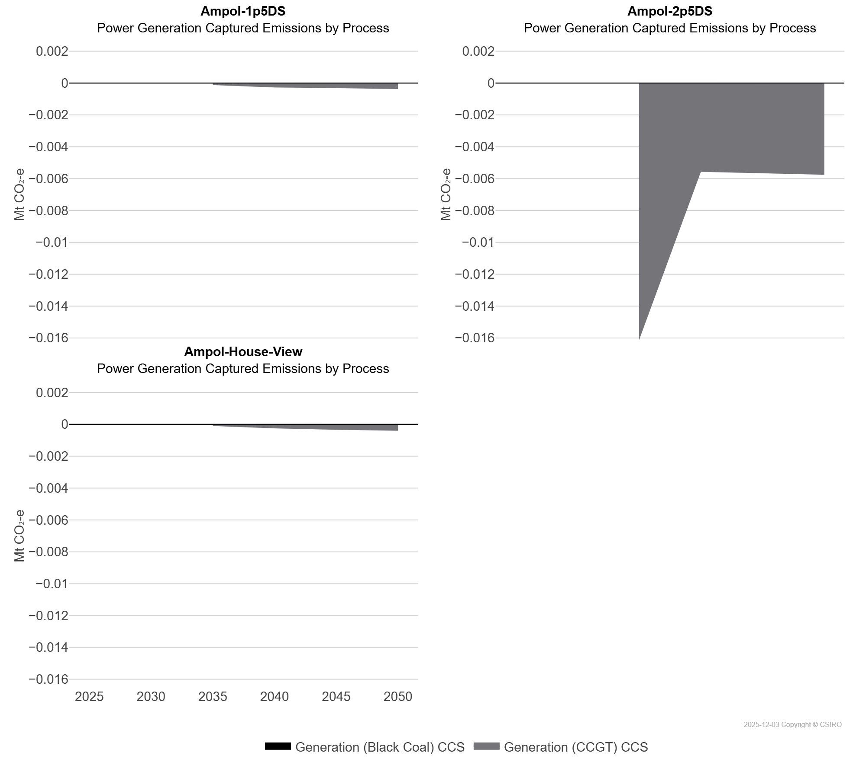
 | Generation (CCGT) CCS | Mt CO₂-e | 0.00 | 0.00 | 0.00 | 0.00 | 0.00 | 0.00 | 0.00 | 0.00 | 0.00 | 0.00 | 0.00 | 0.00 | 0.00 | 0.00
Ampol-2p5DS | Generation (Black Coal) CCS | Mt CO₂-e | 0.00 | 0.00 | 0.00 | 0.00 | 0.00 | 0.00 | 0.00 | 0.00 | 0.00 | 0.00 | 0.00 | 0.00 | 0.00 | 0.00
 | Generation (CCGT) CCS | Mt CO₂-e | 0.00 | 0.00 | 0.00 | 0.00 | 0.00 | 0.00 | 0.00 | 0.00 | 0.00 | 0.00 | -0.02 | -0.01 | -0.01 | -0.01
Ampol-House-View | Generation (Black Coal) CCS | Mt CO₂-e | 0.00 | 0.00 | 0.00 | 0.00 | 0.00 | 0.00 | 0.00 | 0.00 | 0.00 | 0.00 | 0.00 | 0.00 | 0.00 | 0.00
 | Generation (CCGT) CCS | Mt CO₂-e | 0.00 | 0.00 | 0.00 | 0.00 | 0.00 | 0.00 | 0.00 | 0.00 | 0.00 | 0.00 | 0.00 | 0.00 | 0.00 | 0.00

