Electricity consumption by sec
 |  |  | 2025 | 2026 | 2027 | 2028 | 2029 | 2030 | 2031 | 2032 | 2033 | 2034 | 2035 | 2040 | 2045 | 2050
scen | process_sector1 | unit
Ampol-1p5DS | Buildings - Commercial | TWh | 117.71 | 118.96 | 121.79 | 129.42 | 135.31 | 142.06 | 150.05 | 157.39 | 163.82 | 170.15 | 176.14 | 211.11 | 245.95 | 281.67
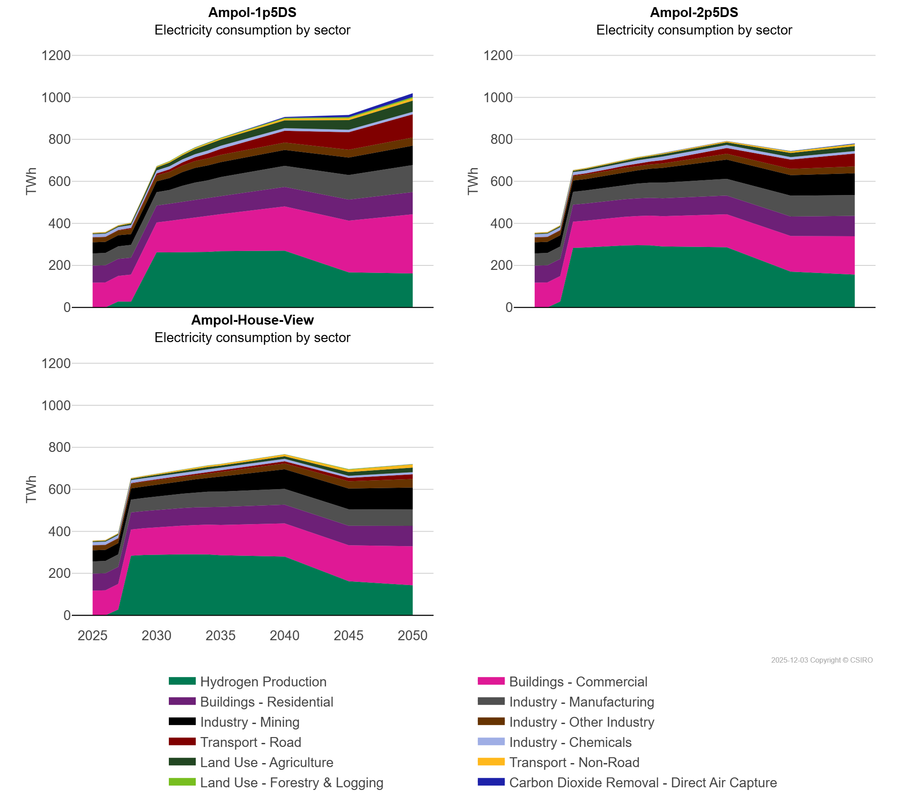
 | Buildings - Residential | TWh | 81.09 | 81.35 | 81.19 | 80.30 | 80.40 | 80.58 | 81.54 | 82.64 | 83.78 | 84.94 | 86.11 | 92.43 | 100.40 | 105.48
 | Carbon Dioxide Removal - Direct Air Capture | TWh | 0.00 | 0.00 | 0.00 | 0.00 | 0.00 | 0.00 | 0.01 | 0.04 | 0.44 | 0.51 | 0.58 | 4.53 | 10.51 | 18.10
 | Hydrogen Production | TWh | 0.00 | 0.00 | 27.88 | 26.89 | 144.91 | 262.24 | 261.83 | 261.82 | 262.96 | 264.21 | 267.47 | 269.72 | 166.66 | 161.49
 | Industry - Chemicals | TWh | 14.78 | 14.77 | 14.03 | 14.10 | 14.12 | 14.17 | 14.21 | 14.27 | 14.40 | 14.48 | 14.54 | 12.50 | 11.41 | 12.07
 | Industry - Manufacturing | TWh | 58.00 | 58.69 | 59.59 | 60.89 | 61.05 | 63.70 | 65.49 | 77.20 | 83.92 | 85.48 | 90.76 | 100.37 | 117.19 | 129.09
 | Industry - Mining | TWh | 52.96 | 52.76 | 53.27 | 51.49 | 51.54 | 51.52 | 56.76 | 64.82 | 69.90 | 70.90 | 70.81 | 75.70 | 83.12 | 91.84
 | Industry - Other Industry | TWh | 23.15 | 22.85 | 22.46 | 23.82 | 25.89 | 28.17 | 29.86 | 31.11 | 32.37 | 33.63 | 34.51 | 35.48 | 37.23 | 39.34
 | Land Use - Agriculture | TWh | 3.54 | 4.23 | 5.25 | 7.38 | 10.37 | 14.23 | 17.54 | 20.04 | 24.59 | 27.78 | 29.32 | 37.32 | 45.99 | 53.24
 | Land Use - Forestry & Logging | TWh | 0.03 | 0.14 | 0.17 | 0.42 | 1.20 | 2.08 | 2.58 | 2.74 | 2.91 | 3.09 | 3.28 | 4.27 | 5.44 | 6.72
 | Transport - Non-Road | TWh | 3.22 | 3.23 | 3.43 | 3.46 | 3.60 | 3.90 | 4.19 | 4.52 | 4.86 | 5.20 | 5.54 | 7.20 | 8.82 | 10.38
 | Transport - Road | TWh | 0.88 | 1.35 | 1.97 | 5.17 | 7.24 | 9.46 | 11.92 | 14.74 | 17.84 | 23.32 | 28.73 | 55.97 | 83.36 | 110.09
Ampol-2p5DS | Buildings - Commercial | TWh | 117.71 | 118.96 | 121.61 | 124.67 | 127.50 | 130.38 | 133.38 | 136.35 | 138.98 | 141.44 | 143.82 | 156.78 | 169.34 | 182.77
 | Buildings - Residential | TWh | 81.09 | 81.35 | 81.19 | 81.42 | 81.69 | 81.99 | 82.67 | 83.38 | 84.10 | 84.82 | 85.54 | 89.40 | 93.18 | 96.97
 | Carbon Dioxide Removal - Direct Air Capture | TWh | 0.00 | 0.00 | 0.00 | 0.00 | 0.00 | 0.10 | 0.14 | 0.17 | 0.21 | 0.25 | 1.09 | 0.54 | 1.01 | 2.67
 | Hydrogen Production | TWh | 0.00 | 0.00 | 27.88 | 283.14 | 285.40 | 289.14 | 291.15 | 294.84 | 295.76 | 295.23 | 290.16 | 286.36 | 170.33 | 155.98
 | Industry - Chemicals | TWh | 14.78 | 14.77 | 14.03 | 14.02 | 14.01 | 15.16 | 15.16 | 15.16 | 15.17 | 15.17 | 17.29 | 14.32 | 11.56 | 11.76
 | Industry - Manufacturing | TWh | 58.00 | 58.69 | 59.59 | 60.87 | 62.43 | 64.35 | 66.42 | 68.48 | 70.45 | 72.25 | 74.38 | 79.07 | 99.09 | 98.97
 | Industry - Mining | TWh | 52.96 | 52.76 | 53.27 | 53.53 | 53.92 | 54.49 | 56.88 | 58.96 | 62.77 | 66.09 | 70.17 | 92.05 | 97.29 | 104.05
 | Industry - Other Industry | TWh | 23.15 | 22.85 | 22.46 | 22.24 | 21.88 | 21.62 | 22.36 | 22.23 | 21.58 | 21.06 | 21.63 | 27.79 | 29.92 | 32.10
 | Land Use - Agriculture | TWh | 3.54 | 4.23 | 5.25 | 6.07 | 7.53 | 8.97 | 9.40 | 9.79 | 10.18 | 10.57 | 10.99 | 13.11 | 19.99 | 23.83
 | Land Use - Forestry & Logging | TWh | 0.03 | 0.14 | 0.17 | 0.49 | 0.54 | 0.74 | 0.43 | 0.70 | 1.13 | 1.00 | 0.99 | 0.05 | 1.42 | 1.95
 | Transport - Non-Road | TWh | 3.22 | 3.23 | 3.43 | 3.26 | 3.27 | 3.28 | 3.29 | 3.42 | 3.55 | 3.68 | 3.83 | 4.97 | 6.40 | 8.03
 | Transport - Road | TWh | 0.88 | 1.35 | 1.97 | 3.86 | 5.22 | 6.63 | 8.07 | 9.53 | 11.02 | 12.95 | 15.07 | 27.19 | 44.42 | 61.47
Ampol-House-View | Buildings - Commercial | TWh | 117.71 | 118.96 | 121.61 | 124.76 | 127.61 | 130.49 | 133.55 | 136.56 | 139.22 | 141.76 | 144.25 | 157.52 | 170.80 | 185.30
 | Buildings - Residential | TWh | 81.09 | 81.35 | 81.19 | 81.44 | 81.72 | 82.04 | 82.72 | 83.43 | 84.18 | 84.87 | 85.59 | 89.54 | 93.17 | 97.18
 | Carbon Dioxide Removal - Direct Air Capture | TWh | 0.00 | 0.00 | 0.00 | 0.00 | 0.00 | 0.00 | 0.00 | 0.00 | 0.00 | 0.00 | 0.00 | 0.00 | 0.00 | 0.19
 | Hydrogen Production | TWh | 0.00 | 0.00 | 27.88 | 283.77 | 287.26 | 289.43 | 290.37 | 290.62 | 290.38 | 289.88 | 286.20 | 279.96 | 162.61 | 143.32
 | Industry - Chemicals | TWh | 14.78 | 14.77 | 14.03 | 14.02 | 14.01 | 13.99 | 13.98 | 13.97 | 13.96 | 13.95 | 13.94 | 11.64 | 10.00 | 10.00
 | Industry - Manufacturing | TWh | 58.00 | 58.69 | 59.59 | 60.87 | 62.44 | 64.31 | 66.28 | 68.31 | 70.26 | 71.97 | 73.15 | 74.86 | 78.33 | 77.94
 | Industry - Mining | TWh | 52.96 | 52.76 | 53.27 | 53.57 | 54.02 | 54.47 | 57.12 | 59.29 | 63.07 | 66.65 | 71.42 | 93.63 | 98.62 | 104.54
 | Industry - Other Industry | TWh | 23.15 | 22.85 | 22.46 | 22.34 | 22.52 | 22.95 | 23.23 | 23.04 | 22.56 | 21.69 | 22.15 | 27.37 | 34.50 | 40.67
 | Land Use - Agriculture | TWh | 3.54 | 4.23 | 5.25 | 6.11 | 6.92 | 7.65 | 8.14 | 8.61 | 9.02 | 9.44 | 9.87 | 12.07 | 18.01 | 21.54
 | Land Use - Forestry & Logging | TWh | 0.03 | 0.14 | 0.17 | 0.35 | 0.49 | 0.68 | 0.81 | 1.04 | 1.25 | 1.44 | 1.02 | 0.86 | 2.32 | 1.95
 | Transport - Non-Road | TWh | 3.22 | 3.23 | 3.43 | 3.63 | 3.84 | 4.20 | 4.57 | 4.98 | 5.41 | 5.84 | 6.28 | 8.67 | 11.41 | 14.44
 | Transport - Road | TWh | 0.88 | 1.35 | 1.97 | 2.60 | 3.15 | 3.69 | 4.22 | 4.77 | 5.35 | 5.98 | 6.59 | 10.48 | 16.02 | 22.68

