Electricity Generation Capacit
 |  |  | 2025 | 2026 | 2027 | 2028 | 2029 | 2030 | 2031 | 2032 | 2033 | 2034 | 2035 | 2040 | 2045 | 2050
scen | commodity_fuel1 | unit
Ampol-1p5DS | Engine - Cogeneration | GW | 0.61 | 0.61 | 0.61 | 0.61 | 0.61 | 0.61 | 0.57 | 0.57 | 0.57 | 0.57 | 0.55 | 0.55 | 0.37 | 0.08
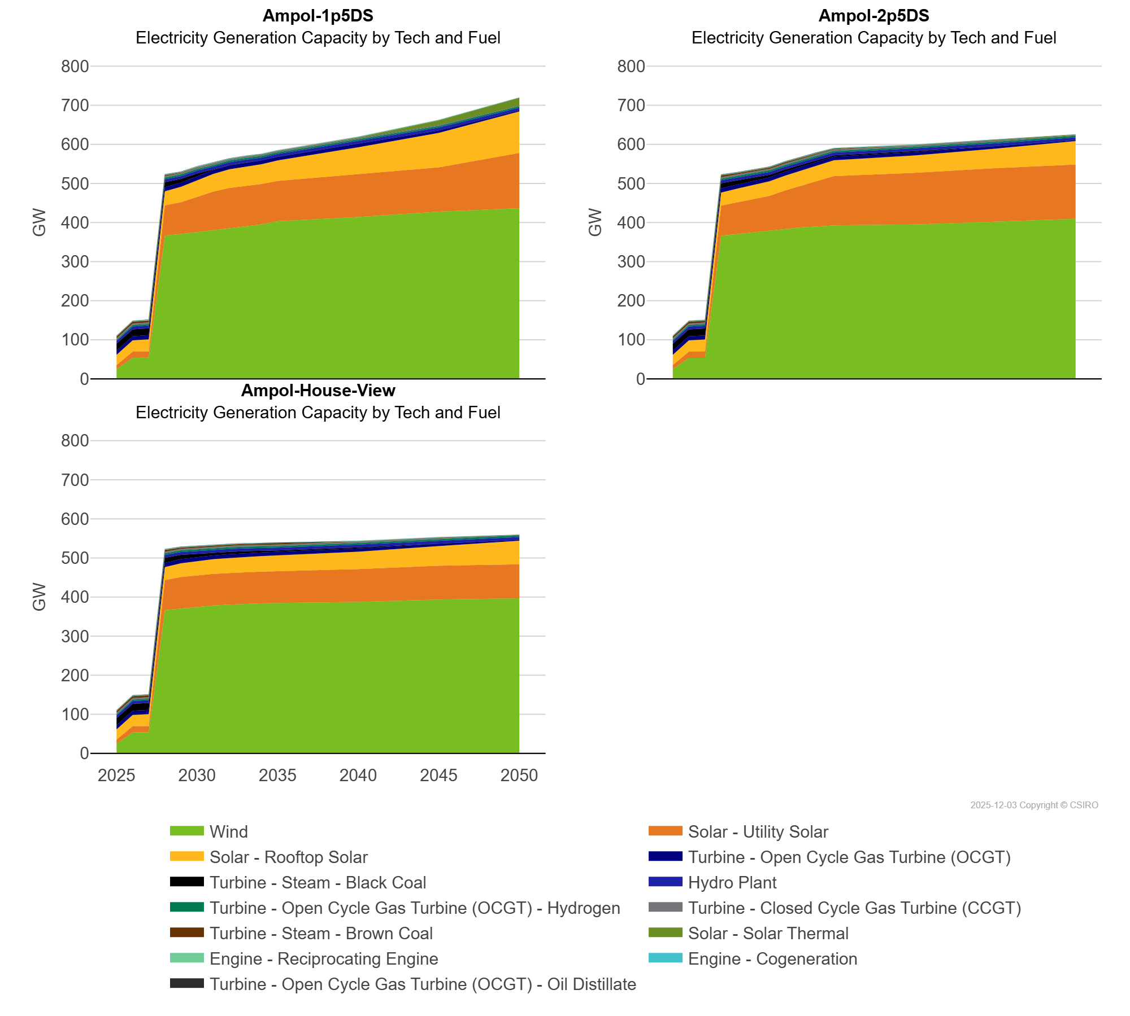
 | Engine - Reciprocating Engine | GW | 0.85 | 0.90 | 0.92 | 0.92 | 0.92 | 0.92 | 0.92 | 0.92 | 0.92 | 0.92 | 0.92 | 0.92 | 0.80 | 0.39
 | Hydro Plant | GW | 7.16 | 7.33 | 7.33 | 7.33 | 7.33 | 7.33 | 7.33 | 7.33 | 7.33 | 7.33 | 7.33 | 7.24 | 7.24 | 7.24
 | Solar - Rooftop Solar | GW | 26.20 | 28.71 | 30.89 | 35.71 | 39.30 | 42.61 | 45.39 | 47.52 | 49.15 | 50.59 | 52.20 | 69.05 | 88.01 | 106.25
 | Solar - Solar Thermal | GW | 0.00 | 0.00 | 0.00 | 0.00 | 0.00 | 0.00 | 0.00 | 0.00 | 0.00 | 0.00 | 0.00 | 2.22 | 11.53 | 20.17
 | Solar - Utility Solar | GW | 10.53 | 15.92 | 15.92 | 77.23 | 81.26 | 90.26 | 99.26 | 103.34 | 103.35 | 103.35 | 103.35 | 109.31 | 113.34 | 141.58
 | Turbine - Closed Cycle Gas Turbine (CCGT) | GW | 3.99 | 3.99 | 3.99 | 3.99 | 3.96 | 3.96 | 3.96 | 3.96 | 3.96 | 3.96 | 3.96 | 3.35 | 2.81 | 1.16
 | Turbine - Open Cycle Gas Turbine (OCGT) | GW | 10.78 | 10.68 | 10.73 | 10.72 | 10.72 | 10.72 | 10.13 | 10.13 | 9.91 | 9.75 | 9.36 | 8.40 | 6.49 | 2.33
 | Turbine - Open Cycle Gas Turbine (OCGT) - Hydrogen | GW | 2.62 | 3.74 | 3.74 | 4.14 | 4.14 | 4.14 | 4.14 | 4.14 | 4.14 | 4.14 | 4.14 | 4.14 | 4.14 | 4.14
 | Turbine - Open Cycle Gas Turbine (OCGT) - Oil Distillate | GW | 0.65 | 0.65 | 0.65 | 0.65 | 0.65 | 0.65 | 0.49 | 0.49 | 0.49 | 0.05 | 0.02 | 0.00 | 0.00 | 0.00
 | Turbine - Steam - Black Coal | GW | 17.61 | 17.61 | 17.61 | 12.73 | 9.37 | 6.79 | 1.17 | 0.85 | 0.85 | 0.03 | 0.03 | 0.00 | 0.00 | 0.00
 | Turbine - Steam - Brown Coal | GW | 4.82 | 4.82 | 4.82 | 2.57 | 1.12 | 1.12 | 1.12 | 0.00 | 0.00 | 0.00 | 0.00 | 0.00 | 0.00 | 0.00
 | Wind | GW | 24.61 | 53.65 | 54.12 | 366.81 | 370.81 | 375.07 | 379.62 | 385.16 | 390.16 | 395.10 | 403.15 | 414.22 | 427.73 | 436.40
Ampol-2p5DS | Engine - Cogeneration | GW | 0.61 | 0.61 | 0.61 | 0.61 | 0.61 | 0.61 | 0.57 | 0.57 | 0.57 | 0.57 | 0.55 | 0.55 | 0.37 | 0.08
 | Engine - Reciprocating Engine | GW | 0.85 | 0.90 | 0.90 | 0.90 | 0.90 | 0.90 | 0.90 | 0.90 | 0.90 | 0.90 | 0.90 | 0.90 | 0.78 | 0.37
 | Hydro Plant | GW | 7.16 | 7.33 | 7.33 | 7.33 | 7.33 | 7.33 | 7.33 | 7.33 | 7.33 | 7.33 | 7.33 | 7.24 | 7.24 | 7.24
 | Solar - Rooftop Solar | GW | 26.20 | 28.71 | 30.89 | 33.20 | 34.97 | 36.29 | 37.30 | 38.15 | 38.99 | 39.77 | 40.50 | 44.52 | 49.94 | 60.09
 | Solar - Solar Thermal | GW | 0.00 | 0.00 | 0.00 | 0.00 | 0.00 | 0.00 | 0.00 | 0.00 | 0.00 | 0.00 | 0.00 | 0.00 | 1.47 | 1.90
 | Solar - Utility Solar | GW | 10.53 | 15.92 | 15.92 | 77.12 | 81.15 | 85.91 | 89.08 | 98.07 | 107.22 | 116.52 | 125.98 | 132.08 | 136.22 | 138.97
 | Turbine - Closed Cycle Gas Turbine (CCGT) | GW | 3.99 | 3.99 | 3.99 | 3.99 | 3.96 | 3.96 | 3.96 | 3.96 | 3.96 | 3.96 | 3.96 | 3.35 | 2.81 | 1.16
 | Turbine - Open Cycle Gas Turbine (OCGT) | GW | 10.78 | 10.68 | 10.65 | 10.61 | 10.61 | 10.61 | 10.02 | 10.02 | 9.80 | 9.64 | 9.25 | 8.29 | 6.39 | 2.22
 | Turbine - Open Cycle Gas Turbine (OCGT) - Hydrogen | GW | 2.62 | 3.74 | 3.74 | 4.14 | 4.14 | 4.14 | 4.14 | 4.14 | 4.14 | 4.14 | 4.14 | 4.14 | 4.14 | 4.14
 | Turbine - Open Cycle Gas Turbine (OCGT) - Oil Distillate | GW | 0.65 | 0.65 | 0.65 | 0.65 | 0.65 | 0.65 | 0.49 | 0.49 | 0.49 | 0.05 | 0.02 | 0.00 | 0.00 | 0.00
 | Turbine - Steam - Black Coal | GW | 17.61 | 17.61 | 17.61 | 13.22 | 10.90 | 8.21 | 6.52 | 5.81 | 4.73 | 3.93 | 3.19 | 2.69 | 0.00 | 0.00
 | Turbine - Steam - Brown Coal | GW | 4.82 | 4.82 | 4.82 | 4.82 | 3.38 | 3.38 | 3.38 | 3.38 | 3.38 | 3.38 | 1.96 | 0.58 | 0.00 | 0.00
 | Wind | GW | 24.61 | 53.65 | 53.65 | 366.34 | 370.34 | 374.58 | 379.13 | 384.11 | 387.53 | 390.01 | 392.85 | 395.02 | 402.68 | 409.25
Ampol-House-View | Engine - Cogeneration | GW | 0.61 | 0.61 | 0.61 | 0.61 | 0.61 | 0.61 | 0.57 | 0.57 | 0.57 | 0.57 | 0.55 | 0.55 | 0.37 | 0.08
 | Engine - Reciprocating Engine | GW | 0.85 | 0.90 | 0.90 | 0.90 | 0.90 | 0.90 | 0.90 | 0.90 | 0.90 | 0.90 | 0.90 | 0.90 | 0.78 | 0.37
 | Hydro Plant | GW | 7.16 | 7.33 | 7.33 | 7.33 | 7.33 | 7.33 | 7.33 | 7.33 | 7.33 | 7.33 | 7.33 | 7.24 | 7.24 | 7.24
 | Solar - Rooftop Solar | GW | 26.20 | 28.71 | 30.89 | 33.20 | 34.97 | 36.29 | 37.30 | 38.15 | 38.99 | 39.77 | 40.50 | 44.52 | 49.94 | 60.09
 | Solar - Solar Thermal | GW | 0.00 | 0.00 | 0.00 | 0.00 | 0.00 | 0.00 | 0.00 | 0.00 | 0.00 | 0.00 | 0.00 | 0.00 | 0.00 | 0.00
 | Solar - Utility Solar | GW | 10.53 | 15.92 | 15.92 | 77.12 | 81.15 | 81.15 | 81.15 | 81.15 | 81.15 | 81.15 | 81.15 | 84.18 | 86.73 | 87.04
 | Turbine - Closed Cycle Gas Turbine (CCGT) | GW | 3.99 | 3.99 | 3.99 | 3.99 | 3.96 | 3.96 | 3.96 | 3.96 | 3.96 | 3.96 | 3.96 | 3.35 | 2.81 | 1.16
 | Turbine - Open Cycle Gas Turbine (OCGT) | GW | 10.78 | 10.68 | 10.65 | 10.61 | 10.61 | 10.61 | 10.02 | 10.02 | 9.80 | 9.64 | 9.25 | 8.29 | 6.39 | 2.22
 | Turbine - Open Cycle Gas Turbine (OCGT) - Hydrogen | GW | 2.62 | 3.74 | 3.74 | 4.14 | 4.14 | 4.14 | 4.14 | 4.14 | 4.14 | 4.14 | 4.14 | 4.14 | 4.14 | 4.14
 | Turbine - Open Cycle Gas Turbine (OCGT) - Oil Distillate | GW | 0.65 | 0.65 | 0.65 | 0.65 | 0.65 | 0.65 | 0.49 | 0.49 | 0.49 | 0.05 | 0.02 | 0.00 | 0.00 | 0.00
 | Turbine - Steam - Black Coal | GW | 17.61 | 17.61 | 17.61 | 13.22 | 10.90 | 8.27 | 6.59 | 5.81 | 4.73 | 3.93 | 3.19 | 2.69 | 0.85 | 0.19
 | Turbine - Steam - Brown Coal | GW | 4.82 | 4.82 | 4.82 | 4.82 | 3.38 | 3.38 | 3.38 | 3.38 | 3.38 | 3.38 | 1.96 | 0.58 | 0.41 | 0.00
 | Wind | GW | 24.61 | 53.65 | 53.65 | 366.34 | 370.34 | 374.58 | 378.24 | 380.41 | 382.66 | 383.75 | 384.98 | 387.39 | 393.56 | 396.82

