Electricity Generation Energy
 |  |  | 2025 | 2026 | 2027 | 2028 | 2029 | 2030 | 2031 | 2032 | 2033 | 2034 | 2035 | 2040 | 2045 | 2050
scen | process_technology2 | unit
Ampol-1p5DS | Engine - Cogeneration | TWh | 2.65 | 2.55 | 2.53 | 2.61 | 2.74 | 2.93 | 2.69 | 2.45 | 2.37 | 2.42 | 2.36 | 2.41 | 1.73 | 0.44
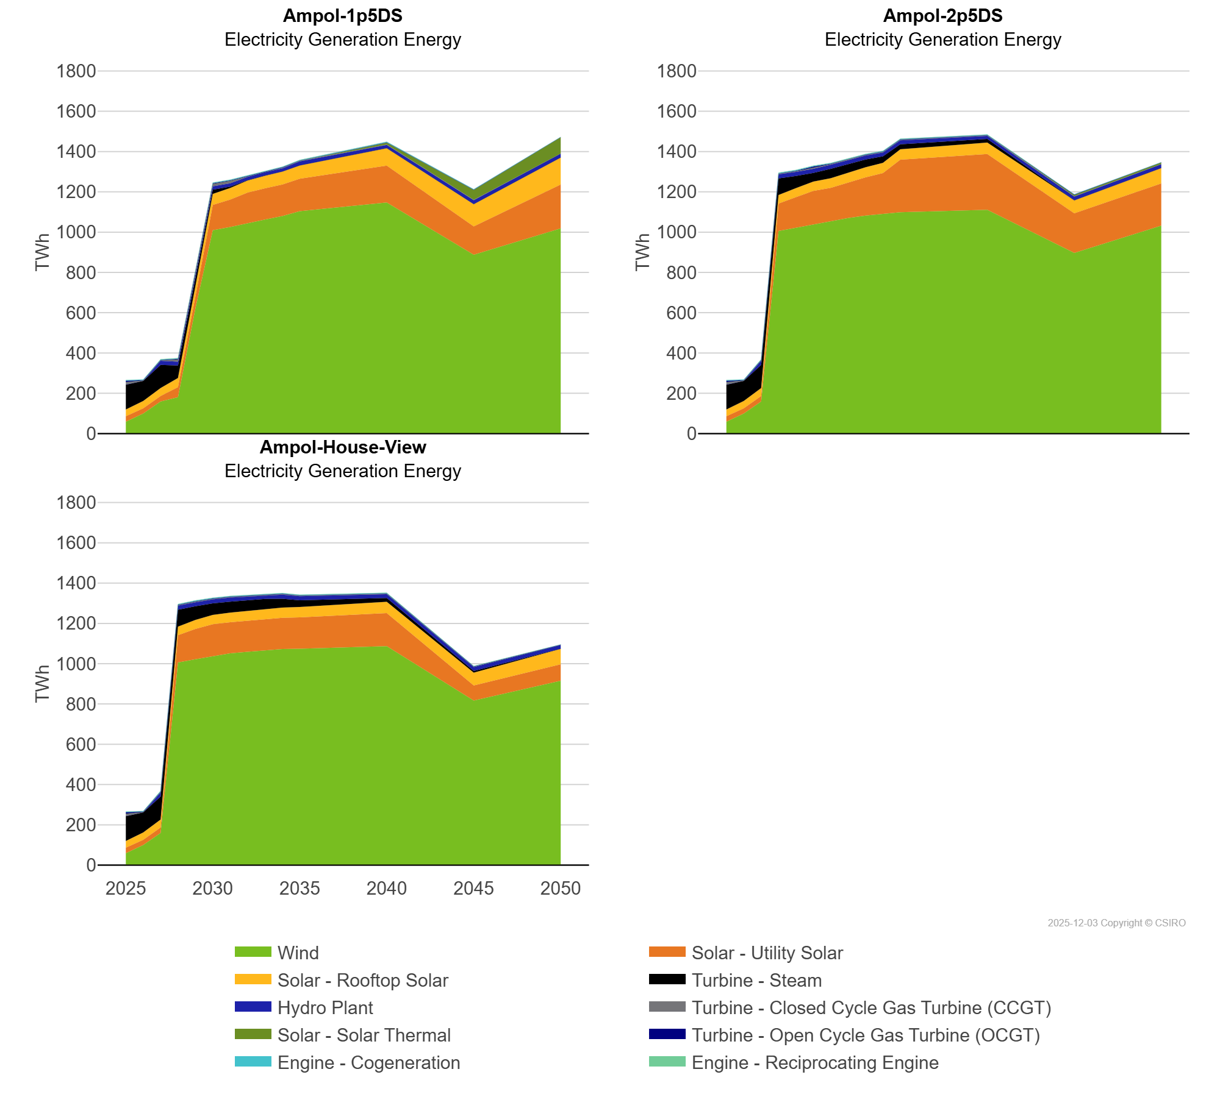
 | Engine - Reciprocating Engine | TWh | 1.22 | 0.06 | 1.90 | 1.41 | 1.27 | 1.09 | 1.04 | 1.13 | 1.13 | 1.10 | 1.17 | 1.04 | 0.30 | 0.00
 | Hydro Plant | TWh | 0.14 | 0.00 | 20.59 | 19.54 | 16.96 | 16.65 | 16.26 | 16.35 | 16.49 | 16.39 | 19.94 | 16.15 | 19.62 | 19.43
 | Solar - Rooftop Solar | TWh | 33.37 | 36.47 | 39.26 | 45.61 | 49.99 | 53.95 | 57.31 | 59.93 | 61.98 | 63.83 | 65.90 | 86.59 | 110.52 | 133.47
 | Solar - Solar Thermal | TWh | 0.00 | 0.00 | 0.00 | 0.00 | 0.00 | 0.00 | 0.00 | 0.00 | 0.00 | 0.00 | 0.00 | 8.98 | 49.26 | 80.69
 | Solar - Utility Solar | TWh | 27.38 | 25.58 | 27.35 | 50.23 | 59.37 | 126.11 | 136.69 | 150.75 | 155.32 | 157.02 | 161.38 | 183.12 | 140.35 | 217.98
 | Turbine - Closed Cycle Gas Turbine (CCGT) | TWh | 11.99 | 1.95 | 1.88 | 11.36 | 13.35 | 12.75 | 12.36 | 2.73 | 2.28 | 2.56 | 2.23 | 1.99 | 1.65 | 0.55
 | Turbine - Open Cycle Gas Turbine (OCGT) | TWh | 7.35 | 1.94 | 1.94 | 2.35 | 2.75 | 2.48 | 2.34 | 2.41 | 2.13 | 2.18 | 1.84 | 1.57 | 1.54 | 1.01
 | Turbine - Steam | TWh | 123.31 | 99.69 | 114.74 | 61.41 | 41.68 | 21.11 | 7.04 | 1.59 | 1.75 | 0.00 | 0.23 | 0.02 | 0.00 | 0.00
 | Wind | TWh | 58.81 | 99.88 | 159.19 | 180.28 | 621.30 | 1,009.32 | 1,025.21 | 1,045.65 | 1,062.31 | 1,079.75 | 1,103.79 | 1,147.19 | 888.12 | 1,018.83
Ampol-2p5DS | Engine - Cogeneration | TWh | 2.65 | 2.55 | 2.53 | 2.61 | 2.74 | 2.74 | 2.46 | 2.45 | 2.37 | 2.42 | 2.36 | 2.41 | 1.73 | 0.44
 | Engine - Reciprocating Engine | TWh | 1.22 | 0.06 | 1.90 | 1.35 | 1.41 | 1.34 | 1.41 | 1.48 | 1.48 | 1.45 | 1.41 | 1.17 | 0.25 | 0.00
 | Hydro Plant | TWh | 0.14 | 0.00 | 20.59 | 20.43 | 20.31 | 20.18 | 20.07 | 19.61 | 19.55 | 18.89 | 20.30 | 15.39 | 19.13 | 18.99
 | Solar - Rooftop Solar | TWh | 33.37 | 36.47 | 39.26 | 42.43 | 44.60 | 46.25 | 47.48 | 48.54 | 49.63 | 50.61 | 51.54 | 56.68 | 63.68 | 76.44
 | Solar - Solar Thermal | TWh | 0.00 | 0.00 | 0.00 | 0.00 | 0.00 | 0.00 | 0.00 | 0.00 | 0.00 | 0.00 | 0.00 | 0.00 | 5.86 | 7.58
 | Solar - Utility Solar | TWh | 27.38 | 25.58 | 27.35 | 136.09 | 152.21 | 165.23 | 165.31 | 177.88 | 190.14 | 201.02 | 261.15 | 276.87 | 197.15 | 209.28
 | Turbine - Closed Cycle Gas Turbine (CCGT) | TWh | 11.99 | 1.95 | 1.88 | 2.28 | 2.96 | 7.35 | 2.79 | 2.74 | 2.29 | 2.57 | 2.28 | 2.02 | 1.67 | 0.56
 | Turbine - Open Cycle Gas Turbine (OCGT) | TWh | 7.35 | 1.94 | 1.94 | 2.06 | 2.56 | 4.35 | 2.22 | 2.31 | 2.06 | 2.11 | 1.82 | 1.57 | 2.01 | 1.37
 | Turbine - Steam | TWh | 123.31 | 99.69 | 114.74 | 82.28 | 60.38 | 42.95 | 47.26 | 42.92 | 39.03 | 33.04 | 24.58 | 17.96 | 0.00 | 0.00
 | Wind | TWh | 58.81 | 99.88 | 159.19 | 1,005.70 | 1,021.85 | 1,039.58 | 1,054.70 | 1,070.39 | 1,082.12 | 1,091.96 | 1,098.62 | 1,111.03 | 896.73 | 1,032.28
Ampol-House-View | Engine - Cogeneration | TWh | 2.65 | 2.55 | 2.53 | 2.59 | 2.68 | 2.60 | 2.34 | 2.38 | 2.36 | 2.43 | 2.37 | 2.43 | 1.74 | 0.44
 | Engine - Reciprocating Engine | TWh | 1.22 | 0.06 | 1.90 | 1.36 | 1.41 | 1.21 | 1.44 | 1.53 | 1.54 | 1.48 | 1.41 | 1.07 | 0.24 | 0.02
 | Hydro Plant | TWh | 0.14 | 0.00 | 20.59 | 20.42 | 20.31 | 19.94 | 20.23 | 19.43 | 18.20 | 20.10 | 20.10 | 19.13 | 19.54 | 18.64
 | Solar - Rooftop Solar | TWh | 33.37 | 36.47 | 39.26 | 42.37 | 44.62 | 46.23 | 47.46 | 48.51 | 49.58 | 50.55 | 51.42 | 56.38 | 63.27 | 75.91
 | Solar - Solar Thermal | TWh | 0.00 | 0.00 | 0.00 | 0.00 | 0.00 | 0.00 | 0.00 | 0.00 | 0.00 | 0.00 | 0.00 | 0.00 | 0.00 | 0.00
 | Solar - Utility Solar | TWh | 27.38 | 25.58 | 27.35 | 135.47 | 150.49 | 156.56 | 154.09 | 154.78 | 155.14 | 155.34 | 155.81 | 163.70 | 75.10 | 81.54
 | Turbine - Closed Cycle Gas Turbine (CCGT) | TWh | 11.99 | 1.95 | 1.88 | 2.21 | 2.65 | 2.27 | 2.21 | 2.39 | 2.28 | 2.66 | 2.33 | 2.10 | 1.70 | 0.57
 | Turbine - Open Cycle Gas Turbine (OCGT) | TWh | 7.35 | 1.94 | 1.94 | 2.05 | 2.45 | 2.08 | 1.99 | 2.04 | 2.00 | 2.13 | 1.84 | 1.58 | 1.55 | 0.98
 | Turbine - Steam | TWh | 123.31 | 99.69 | 114.74 | 84.06 | 67.64 | 57.71 | 55.08 | 52.20 | 49.87 | 43.92 | 33.50 | 18.64 | 8.72 | 1.30
 | Wind | TWh | 58.81 | 99.88 | 159.19 | 1,005.83 | 1,022.07 | 1,039.01 | 1,051.50 | 1,059.08 | 1,066.84 | 1,072.47 | 1,073.92 | 1,087.18 | 816.61 | 915.62

