Generation Emissions Intensity
 |  | 2025 | 2026 | 2027 | 2028 | 2029 | 2030 | 2031 | 2032 | 2033 | 2034 | 2035 | 2040 | 2045 | 2050
scen | unit
Ampol-1P5Ds | ['TWh' 'Mt CO₂-e'] | 0.51 | 0.32 | 0.33 | 0.05 | 0.04 | 0.02 | 0.01 | 0.00 | 0.00 | 0.00 | 0.00 | 0.00 | 0.00 | 0.00
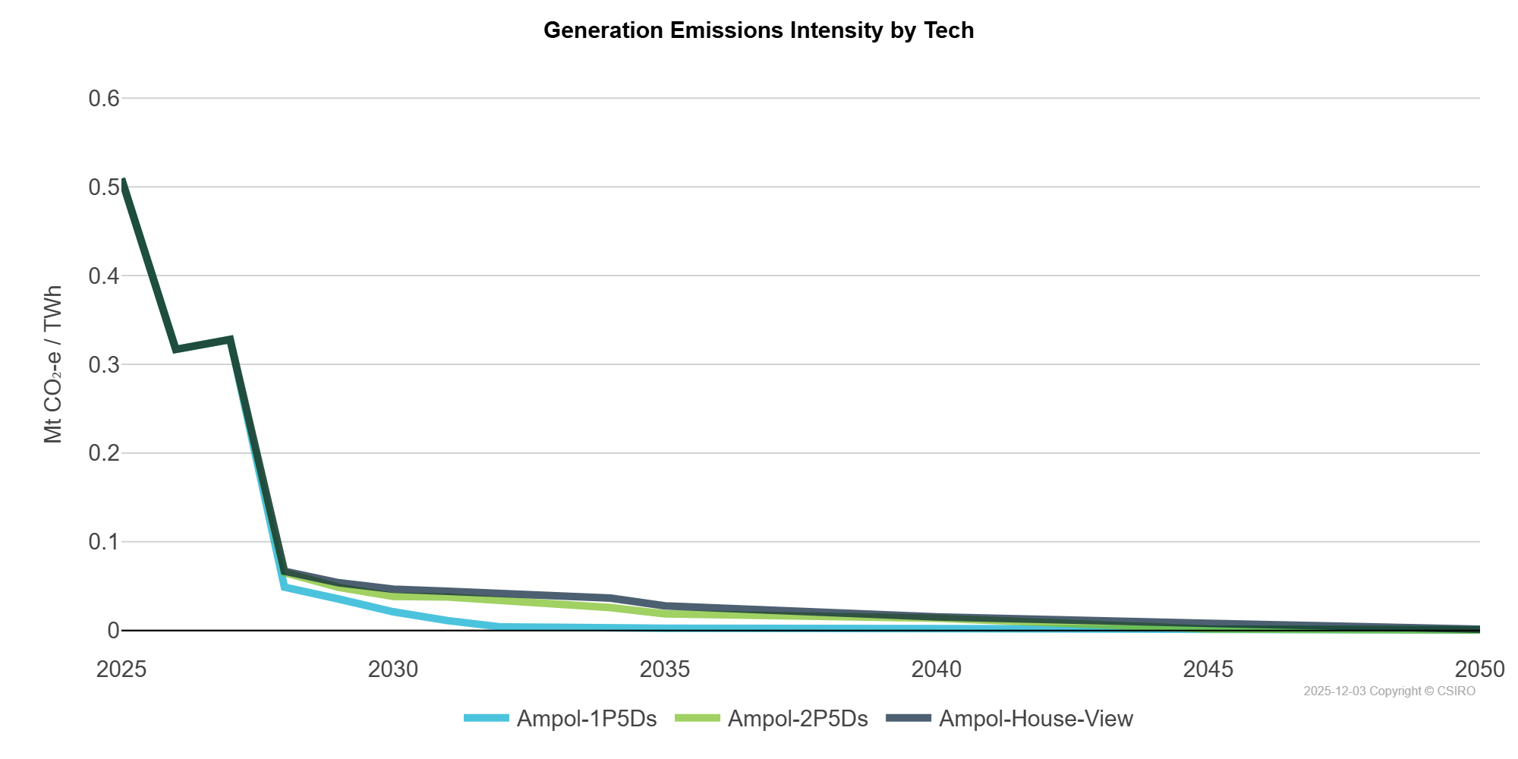
Ampol-2P5Ds | ['TWh' 'Mt CO₂-e'] | 0.51 | 0.32 | 0.33 | 0.07 | 0.05 | 0.04 | 0.04 | 0.03 | 0.03 | 0.03 | 0.02 | 0.01 | 0.00 | 0.00
Ampol-House-View | ['TWh' 'Mt CO₂-e'] | 0.51 | 0.32 | 0.33 | 0.07 | 0.05 | 0.05 | 0.04 | 0.04 | 0.04 | 0.04 | 0.03 | 0.02 | 0.01 | 0.00

