Renewable Energy Fraction
 |  | 2025 | 2026 | 2027 | 2028 | 2029 | 2030 | 2031 | 2032 | 2033 | 2034 | 2035 | 2040 | 2045 | 2050
scen | unit
Ampol-1P5Ds | fraction | 37.87 | 55.21 | 63.40 | 75.79 | 91.81 | 96.51 | 97.81 | 99.13 | 99.19 | 99.32 | 99.37 | 99.46 | 99.51 | 99.84
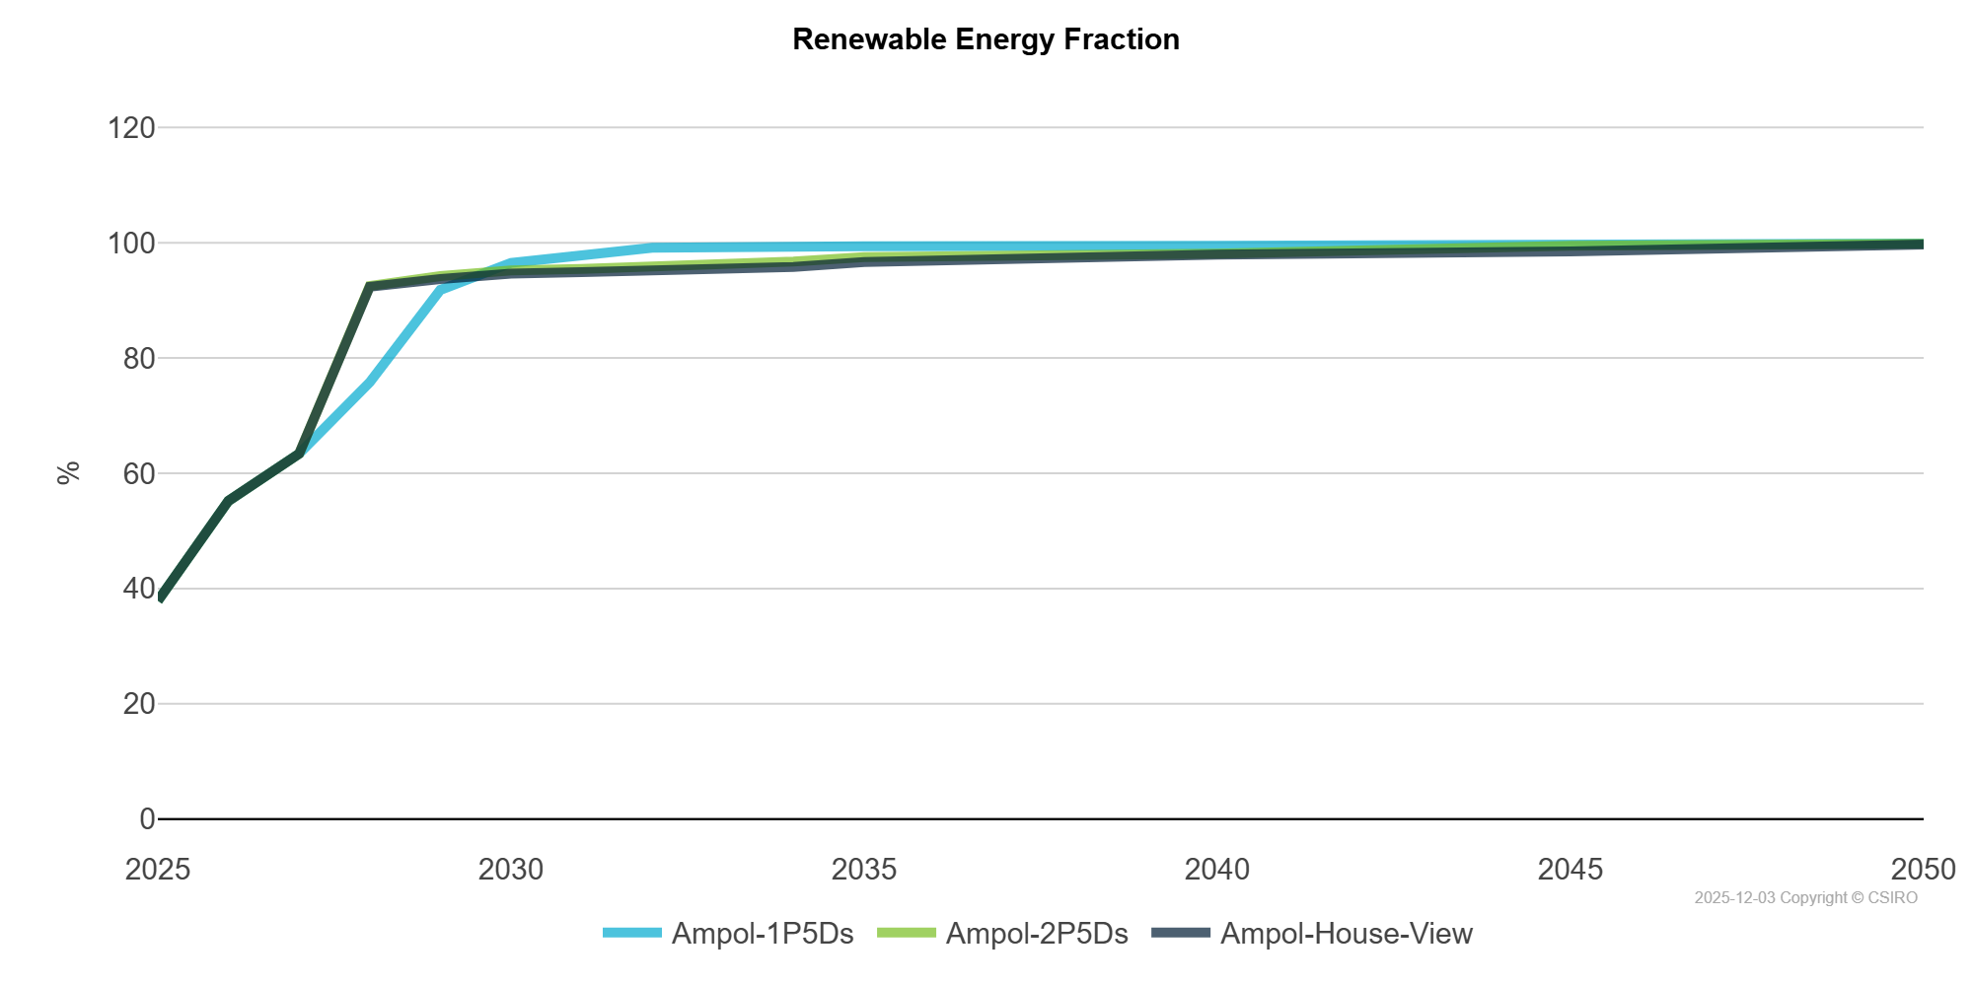
Ampol-2P5Ds | fraction | 37.87 | 55.21 | 63.40 | 92.49 | 94.21 | 95.20 | 95.46 | 95.87 | 96.28 | 96.75 | 97.52 | 98.09 | 99.46 | 99.80
Ampol-House-View | fraction | 37.87 | 55.21 | 63.40 | 92.36 | 93.69 | 94.63 | 94.90 | 95.12 | 95.34 | 95.78 | 96.65 | 97.92 | 98.48 | 99.67

