Storage Annual Discharge by Te
 |  |  | 2025 | 2026 | 2027 | 2028 | 2029 | 2030 | 2031 | 2032 | 2033 | 2034 | 2035 | 2040 | 2045 | 2050
scen | process_technology2 | unit
Ampol-1p5DS | Battery - Commercial Battery | TWh | 0.16 | 0.31 | 0.39 | 0.32 | 0.35 | 0.40 | 0.43 | 0.51 | 0.61 | 0.66 | 0.72 | 1.05 | 1.53 | 2.09
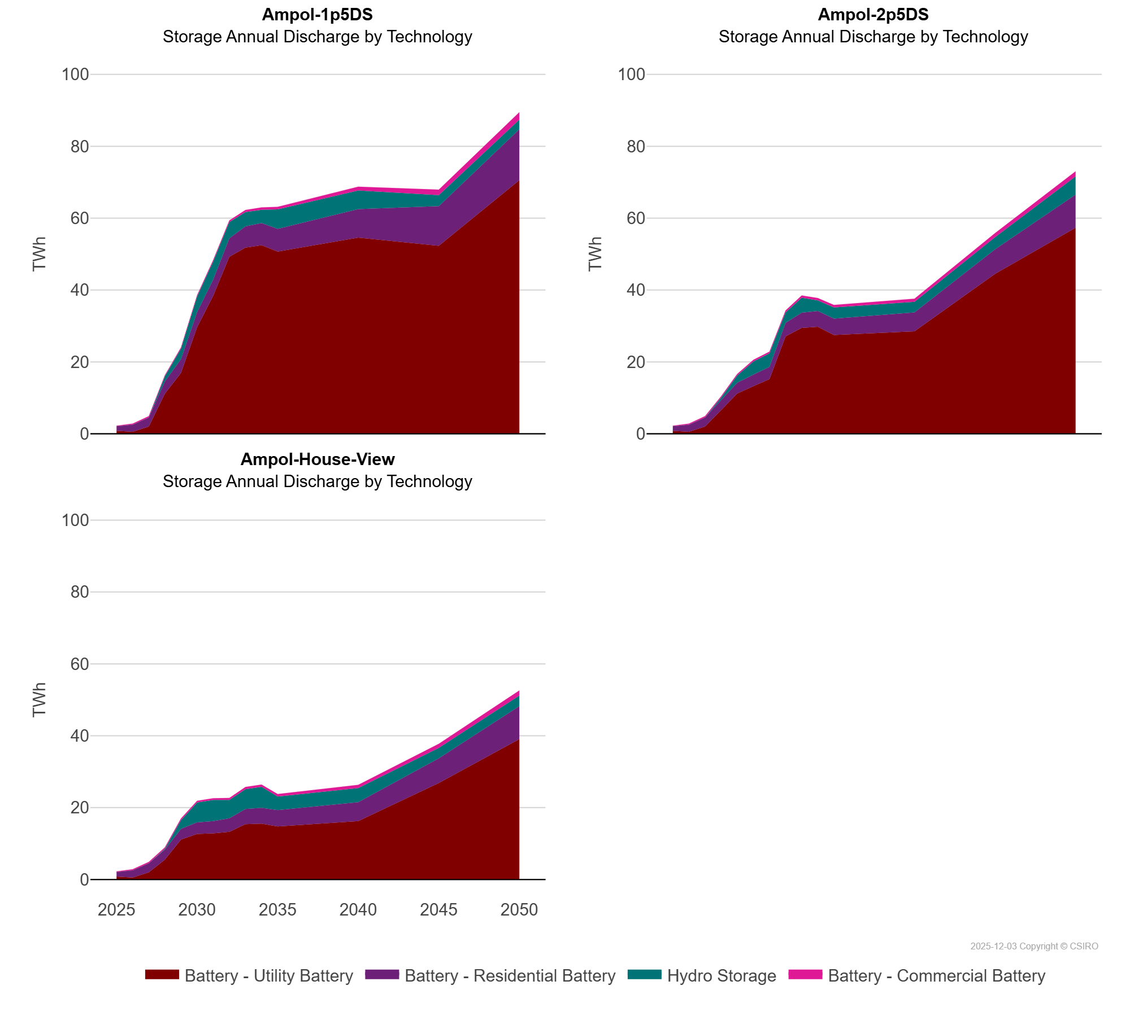
 | Battery - Residential Battery | TWh | 1.25 | 2.00 | 2.51 | 3.43 | 3.83 | 4.22 | 4.53 | 5.13 | 5.92 | 6.14 | 6.35 | 7.91 | 11.04 | 14.18
 | Battery - Utility Battery | TWh | 0.83 | 0.53 | 1.99 | 11.13 | 16.93 | 29.63 | 38.40 | 49.26 | 51.80 | 52.47 | 50.68 | 54.59 | 52.31 | 70.54
 | Hydro Storage | TWh | 0.00 | 0.00 | 0.00 | 1.43 | 2.91 | 4.33 | 5.03 | 4.49 | 3.96 | 3.72 | 5.41 | 5.18 | 3.05 | 2.68
Ampol-2p5DS | Battery - Commercial Battery | TWh | 0.16 | 0.31 | 0.39 | 0.42 | 0.44 | 0.47 | 0.50 | 0.55 | 0.63 | 0.67 | 0.70 | 0.90 | 1.14 | 1.43
 | Battery - Residential Battery | TWh | 1.25 | 2.00 | 2.51 | 2.79 | 3.00 | 3.24 | 3.41 | 3.78 | 4.26 | 4.43 | 4.55 | 5.27 | 6.86 | 9.20
 | Battery - Utility Battery | TWh | 0.83 | 0.53 | 1.99 | 6.67 | 11.20 | 13.22 | 15.20 | 27.07 | 29.45 | 29.74 | 27.48 | 28.48 | 44.47 | 57.34
 | Hydro Storage | TWh | 0.00 | 0.00 | 0.00 | 0.57 | 2.02 | 3.64 | 3.76 | 2.91 | 4.16 | 2.93 | 3.11 | 2.94 | 3.37 | 5.08
Ampol-House-View | Battery - Commercial Battery | TWh | 0.16 | 0.31 | 0.39 | 0.42 | 0.44 | 0.47 | 0.50 | 0.55 | 0.63 | 0.67 | 0.70 | 0.90 | 1.14 | 1.43
 | Battery - Residential Battery | TWh | 1.25 | 2.00 | 2.51 | 2.79 | 3.00 | 3.24 | 3.41 | 3.78 | 4.26 | 4.43 | 4.55 | 5.27 | 6.86 | 9.20
 | Battery - Utility Battery | TWh | 0.83 | 0.53 | 1.99 | 5.51 | 11.09 | 12.67 | 12.85 | 13.26 | 15.38 | 15.53 | 14.77 | 16.25 | 26.86 | 39.05
 | Hydro Storage | TWh | 0.00 | 0.00 | 0.00 | 0.23 | 2.44 | 5.51 | 5.87 | 5.10 | 5.49 | 5.81 | 3.75 | 3.91 | 2.90 | 2.94

