Storage Capacity by Technology
 |  |  | 2025 | 2026 | 2027 | 2028 | 2029 | 2030 | 2031 | 2032 | 2033 | 2034 | 2035 | 2040 | 2045 | 2050
scen | process_technology2 | unit
Ampol-1p5DS | Battery - Commercial Battery | GW | 0.14 | 0.27 | 0.34 | 0.27 | 0.30 | 0.34 | 0.37 | 0.43 | 0.52 | 0.56 | 0.62 | 0.90 | 1.30 | 1.78
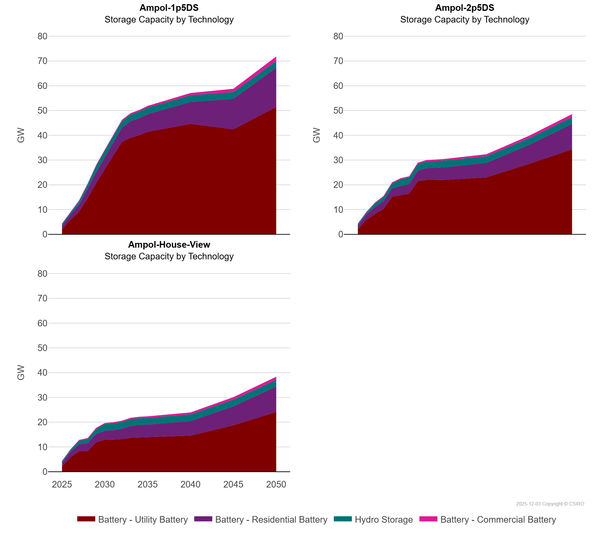
 | Battery - Residential Battery | GW | 1.41 | 2.24 | 2.81 | 3.87 | 4.31 | 4.74 | 5.09 | 5.77 | 6.65 | 6.89 | 7.11 | 8.83 | 12.32 | 15.84
 | Battery - Utility Battery | GW | 2.06 | 5.87 | 9.20 | 14.63 | 20.74 | 26.40 | 31.94 | 37.31 | 39.03 | 40.00 | 41.43 | 44.62 | 42.43 | 51.46
 | Hydro Storage | GW | 0.72 | 0.72 | 1.40 | 1.74 | 2.72 | 2.72 | 2.72 | 2.72 | 2.72 | 2.72 | 2.72 | 2.72 | 2.72 | 2.72
Ampol-2p5DS | Battery - Commercial Battery | GW | 0.14 | 0.27 | 0.34 | 0.36 | 0.38 | 0.40 | 0.43 | 0.48 | 0.54 | 0.57 | 0.60 | 0.76 | 0.97 | 1.22
 | Battery - Residential Battery | GW | 1.41 | 2.24 | 2.81 | 3.13 | 3.37 | 3.63 | 3.82 | 4.23 | 4.76 | 4.95 | 5.09 | 5.88 | 7.65 | 10.26
 | Battery - Utility Battery | GW | 2.06 | 5.84 | 8.27 | 10.24 | 15.17 | 15.92 | 16.48 | 21.51 | 21.95 | 21.95 | 21.98 | 22.98 | 28.49 | 34.35
 | Hydro Storage | GW | 0.72 | 0.72 | 1.40 | 1.74 | 2.08 | 2.72 | 2.72 | 2.72 | 2.72 | 2.72 | 2.72 | 2.72 | 2.72 | 2.72
Ampol-House-View | Battery - Commercial Battery | GW | 0.14 | 0.27 | 0.34 | 0.36 | 0.38 | 0.40 | 0.43 | 0.48 | 0.54 | 0.57 | 0.60 | 0.76 | 0.97 | 1.22
 | Battery - Residential Battery | GW | 1.41 | 2.24 | 2.81 | 3.13 | 3.37 | 3.63 | 3.82 | 4.23 | 4.76 | 4.95 | 5.09 | 5.88 | 7.65 | 10.26
 | Battery - Utility Battery | GW | 2.06 | 5.84 | 8.27 | 8.35 | 11.91 | 12.90 | 12.99 | 13.16 | 13.73 | 13.92 | 13.94 | 14.56 | 18.74 | 24.13
 | Hydro Storage | GW | 0.72 | 0.72 | 1.40 | 1.74 | 2.08 | 2.72 | 2.72 | 2.72 | 2.72 | 2.72 | 2.72 | 2.72 | 2.72 | 2.72

