Agriculture Abatement By Proce
 |  |  | 2025 | 2026 | 2027 | 2028 | 2029 | 2030 | 2031 | 2032 | 2033 | 2034 | 2035 | 2040 | 2045 | 2050
scen | process_desc | unit
Ampol-1p5DS | Frontier Lever - IT&Automation-Precision Agriculture-Non-Energy Emissions Intensity | Mt CO₂-e | 0.00 | 0.00 | 0.00 | -0.29 | -1.30 | -0.73 | -0.67 | -0.70 | -0.72 | -0.70 | -0.41 | -0.29 | -0.48 | -2.13
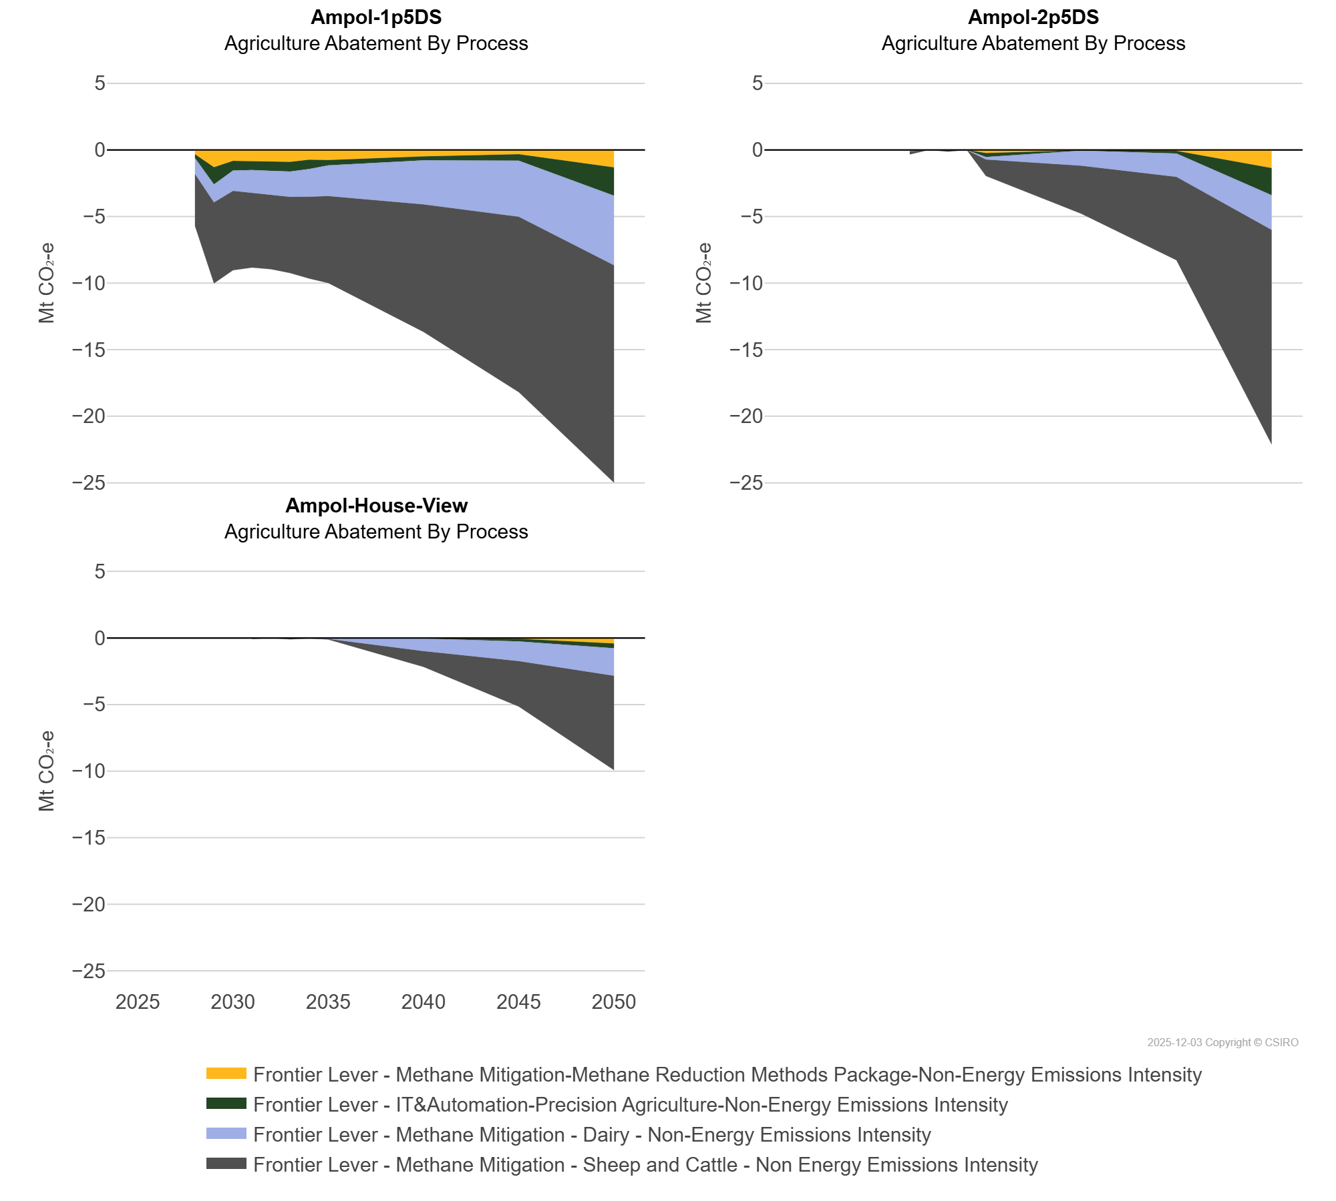
 | Frontier Lever - Methane Mitigation - Dairy - Non-Energy Emissions Intensity | Mt CO₂-e | 0.00 | 0.00 | 0.00 | -1.19 | -1.36 | -1.53 | -1.69 | -1.76 | -1.90 | -2.09 | -2.30 | -3.31 | -4.21 | -5.23
 | Frontier Lever - Methane Mitigation - Sheep and Cattle - Non Energy Emissions Intensity | Mt CO₂-e | 0.00 | 0.00 | 0.00 | -3.90 | -6.08 | -5.96 | -5.64 | -5.64 | -5.73 | -6.15 | -6.54 | -9.59 | -13.18 | -16.33
 | Frontier Lever - Methane Mitigation-Methane Reduction Methods Package-Non-Energy Emissions Intensity | Mt CO₂-e | 0.00 | 0.00 | 0.00 | -0.32 | -1.29 | -0.81 | -0.84 | -0.86 | -0.89 | -0.72 | -0.75 | -0.48 | -0.32 | -1.30
Ampol-2p5DS | Frontier Lever - IT&Automation-Precision Agriculture-Non-Energy Emissions Intensity | Mt CO₂-e | 0.00 | 0.00 | 0.00 | 0.00 | 0.00 | 0.00 | -0.06 | 0.00 | 0.00 | 0.00 | -0.31 | -0.03 | -0.20 | -2.05
 | Frontier Lever - Methane Mitigation - Dairy - Non-Energy Emissions Intensity | Mt CO₂-e | 0.00 | 0.00 | 0.00 | 0.00 | 0.00 | 0.00 | -0.02 | 0.00 | -0.02 | -0.01 | -0.18 | -1.13 | -1.75 | -2.59
 | Frontier Lever - Methane Mitigation - Sheep and Cattle - Non Energy Emissions Intensity | Mt CO₂-e | 0.00 | 0.00 | 0.00 | 0.00 | 0.00 | 0.00 | -0.23 | 0.00 | -0.11 | 0.00 | -1.25 | -3.61 | -6.26 | -16.12
 | Frontier Lever - Methane Mitigation-Methane Reduction Methods Package-Non-Energy Emissions Intensity | Mt CO₂-e | 0.00 | 0.00 | 0.00 | 0.00 | 0.00 | 0.00 | -0.02 | 0.00 | 0.00 | 0.00 | -0.23 | -0.02 | -0.06 | -1.35
Ampol-House-View | Frontier Lever - IT&Automation-Precision Agriculture-Non-Energy Emissions Intensity | Mt CO₂-e | 0.00 | 0.00 | 0.00 | 0.00 | 0.00 | 0.00 | 0.00 | 0.00 | 0.00 | 0.00 | 0.00 | -0.03 | -0.20 | -0.36
 | Frontier Lever - Methane Mitigation - Dairy - Non-Energy Emissions Intensity | Mt CO₂-e | 0.00 | 0.00 | 0.00 | 0.00 | 0.00 | 0.00 | -0.01 | 0.00 | -0.02 | -0.03 | -0.06 | -0.95 | -1.47 | -2.06
 | Frontier Lever - Methane Mitigation - Sheep and Cattle - Non Energy Emissions Intensity | Mt CO₂-e | 0.00 | 0.00 | 0.00 | 0.00 | 0.00 | 0.00 | -0.07 | 0.00 | -0.09 | -0.01 | -0.06 | -1.19 | -3.43 | -7.10
 | Frontier Lever - Methane Mitigation-Methane Reduction Methods Package-Non-Energy Emissions Intensity | Mt CO₂-e | 0.00 | 0.00 | 0.00 | 0.00 | 0.00 | 0.00 | 0.00 | 0.00 | 0.00 | 0.00 | 0.00 | -0.01 | -0.06 | -0.41

