Agriculture and Land Use Emiss
 |  |  | 2025 | 2026 | 2027 | 2028 | 2029 | 2030 | 2031 | 2032 | 2033 | 2034 | 2035 | 2040 | 2045 | 2050
scen | process_sector2 | unit
Ampol-1p5DS | Agriculture - Agricultural Services & Fishing | Mt CO₂-e | 1.92 | 1.91 | 1.86 | 1.79 | 1.64 | 1.45 | 1.32 | 1.27 | 1.22 | 1.16 | 1.11 | 0.84 | 0.57 | 0.35
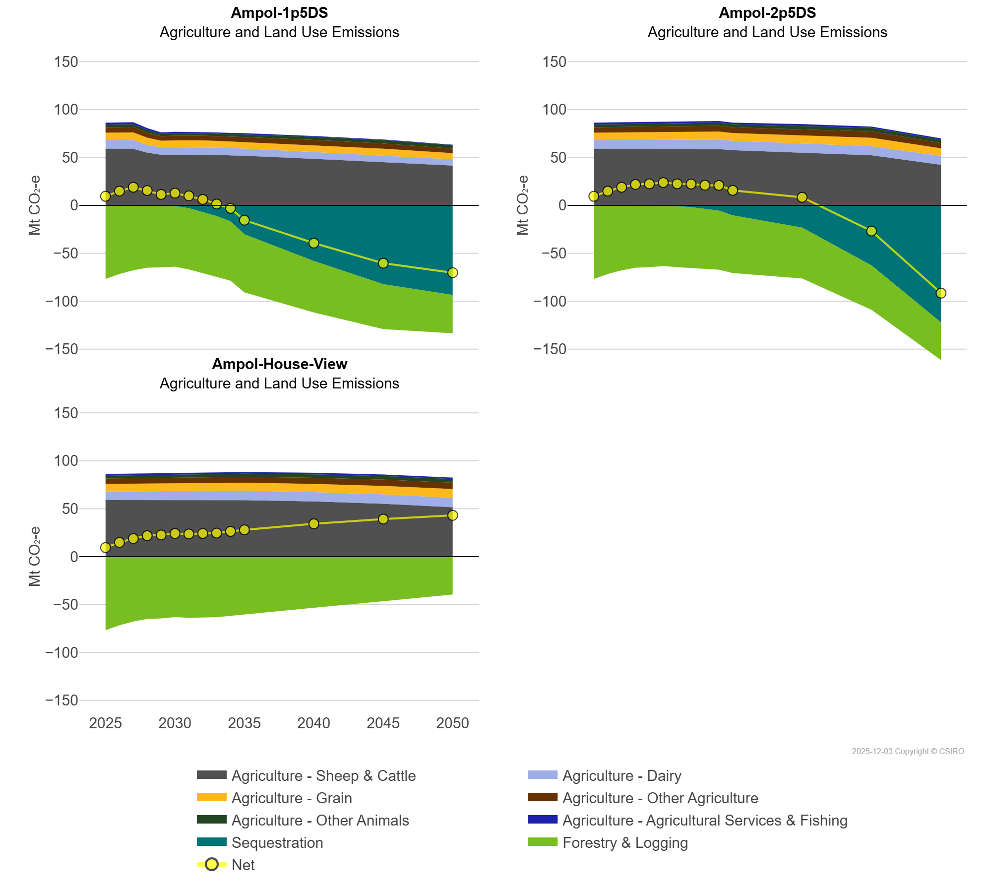
 | Agriculture - Dairy | Mt CO₂-e | 8.96 | 9.06 | 9.15 | 8.04 | 7.96 | 7.88 | 7.80 | 7.77 | 7.71 | 7.64 | 7.53 | 7.07 | 6.76 | 6.41
 | Agriculture - Grain | Mt CO₂-e | 7.87 | 7.93 | 7.97 | 7.68 | 6.70 | 7.22 | 7.25 | 7.28 | 6.90 | 6.74 | 7.07 | 7.22 | 7.48 | 6.49
 | Agriculture - Other Agriculture | Mt CO₂-e | 5.62 | 5.66 | 5.72 | 5.10 | 4.76 | 4.90 | 4.92 | 4.94 | 4.96 | 4.98 | 5.00 | 5.53 | 5.44 | 4.76
 | Agriculture - Other Animals | Mt CO₂-e | 2.84 | 2.88 | 2.92 | 2.96 | 2.23 | 2.53 | 2.55 | 2.58 | 2.60 | 2.82 | 2.86 | 3.14 | 3.64 | 3.66
 | Agriculture - Sheep & Cattle | Mt CO₂-e | 59.03 | 59.00 | 58.97 | 54.97 | 52.73 | 52.71 | 52.88 | 52.72 | 52.60 | 52.15 | 51.73 | 48.53 | 44.81 | 41.56
 | Forestry & Logging | Mt CO₂-e | -76.75 | -71.58 | -67.71 | -64.98 | -64.52 | -63.27 | -64.00 | -63.69 | -63.41 | -62.00 | -60.60 | -53.74 | -46.88 | -40.04
 | Sequestration | Mt CO₂-e | 0.00 | 0.00 | 0.00 | -0.02 | -0.10 | -0.68 | -2.83 | -6.63 | -11.15 | -16.62 | -30.15 | -57.95 | -82.18 | -93.45
Ampol-2p5DS | Agriculture - Agricultural Services & Fishing | Mt CO₂-e | 1.92 | 1.91 | 1.86 | 1.86 | 1.80 | 1.72 | 1.72 | 1.71 | 1.70 | 1.69 | 1.68 | 1.66 | 1.36 | 1.23
 | Agriculture - Dairy | Mt CO₂-e | 8.96 | 9.06 | 9.15 | 9.26 | 9.37 | 9.48 | 9.57 | 9.69 | 9.78 | 9.90 | 9.84 | 9.48 | 9.49 | 9.33
 | Agriculture - Grain | Mt CO₂-e | 7.87 | 7.93 | 7.97 | 8.04 | 8.11 | 8.17 | 8.16 | 8.24 | 8.27 | 8.30 | 8.11 | 8.52 | 8.74 | 7.86
 | Agriculture - Other Agriculture | Mt CO₂-e | 5.62 | 5.66 | 5.72 | 5.78 | 5.80 | 5.81 | 5.83 | 5.93 | 5.99 | 6.05 | 5.91 | 6.41 | 6.57 | 5.47
 | Agriculture - Other Animals | Mt CO₂-e | 2.84 | 2.88 | 2.92 | 2.97 | 3.01 | 3.05 | 3.09 | 3.14 | 3.18 | 3.23 | 3.17 | 3.53 | 3.77 | 3.62
 | Agriculture - Sheep & Cattle | Mt CO₂-e | 59.03 | 59.00 | 58.97 | 58.90 | 58.84 | 58.81 | 58.56 | 58.79 | 58.66 | 58.77 | 57.51 | 55.10 | 52.23 | 42.31
 | Forestry & Logging | Mt CO₂-e | -76.75 | -71.58 | -67.71 | -64.98 | -64.41 | -63.06 | -63.67 | -63.38 | -63.13 | -61.68 | -60.26 | -53.11 | -46.31 | -39.39
 | Sequestration | Mt CO₂-e | 0.00 | 0.00 | 0.00 | 0.00 | -0.03 | -0.16 | -0.75 | -1.85 | -3.41 | -5.41 | -10.32 | -23.16 | -62.62 | -122.00
Ampol-House-View | Agriculture - Agricultural Services & Fishing | Mt CO₂-e | 1.92 | 1.91 | 1.86 | 1.84 | 1.81 | 1.78 | 1.76 | 1.75 | 1.74 | 1.74 | 1.73 | 1.71 | 1.48 | 1.38
 | Agriculture - Dairy | Mt CO₂-e | 8.96 | 9.06 | 9.15 | 9.26 | 9.37 | 9.48 | 9.58 | 9.69 | 9.78 | 9.89 | 9.96 | 9.66 | 9.78 | 9.87
 | Agriculture - Grain | Mt CO₂-e | 7.87 | 7.93 | 7.97 | 8.04 | 8.11 | 8.17 | 8.21 | 8.24 | 8.27 | 8.30 | 8.34 | 8.53 | 8.75 | 9.13
 | Agriculture - Other Agriculture | Mt CO₂-e | 5.62 | 5.66 | 5.72 | 5.73 | 5.77 | 5.81 | 5.86 | 5.93 | 5.99 | 6.05 | 6.12 | 6.42 | 6.63 | 6.65
 | Agriculture - Other Animals | Mt CO₂-e | 2.84 | 2.88 | 2.92 | 2.97 | 3.01 | 3.05 | 3.09 | 3.14 | 3.18 | 3.23 | 3.28 | 3.53 | 3.78 | 3.94
 | Agriculture - Sheep & Cattle | Mt CO₂-e | 59.03 | 59.00 | 58.97 | 58.97 | 58.96 | 58.96 | 58.87 | 58.93 | 58.84 | 58.91 | 58.84 | 57.65 | 55.20 | 51.48
 | Forestry & Logging | Mt CO₂-e | -76.75 | -71.58 | -67.71 | -64.96 | -64.40 | -63.05 | -63.72 | -63.43 | -63.15 | -61.75 | -60.26 | -53.23 | -46.44 | -39.39
 | Sequestration | Mt CO₂-e | 0.00 | 0.00 | 0.00 | 0.00 | 0.00 | 0.00 | 0.00 | 0.00 | 0.00 | 0.00 | 0.00 | 0.00 | 0.00 | 0.00

