Aluminium Emissions by Process
 |  |  | 2025 | 2026 | 2027 | 2028 | 2029 | 2030 | 2031 | 2032 | 2033 | 2034 | 2035 | 2040 | 2045 | 2050
scen | process | unit
Ampol-1p5DS | Boiler Natural Gas | Mt CO₂-e | 0.08 | 0.08 | 0.08 | 0.08 | 0.08 | 0.12 | 0.12 | 0.12 | 0.12 | 0.12 | 0.12 | 0.09 | 0.06 | 0.04
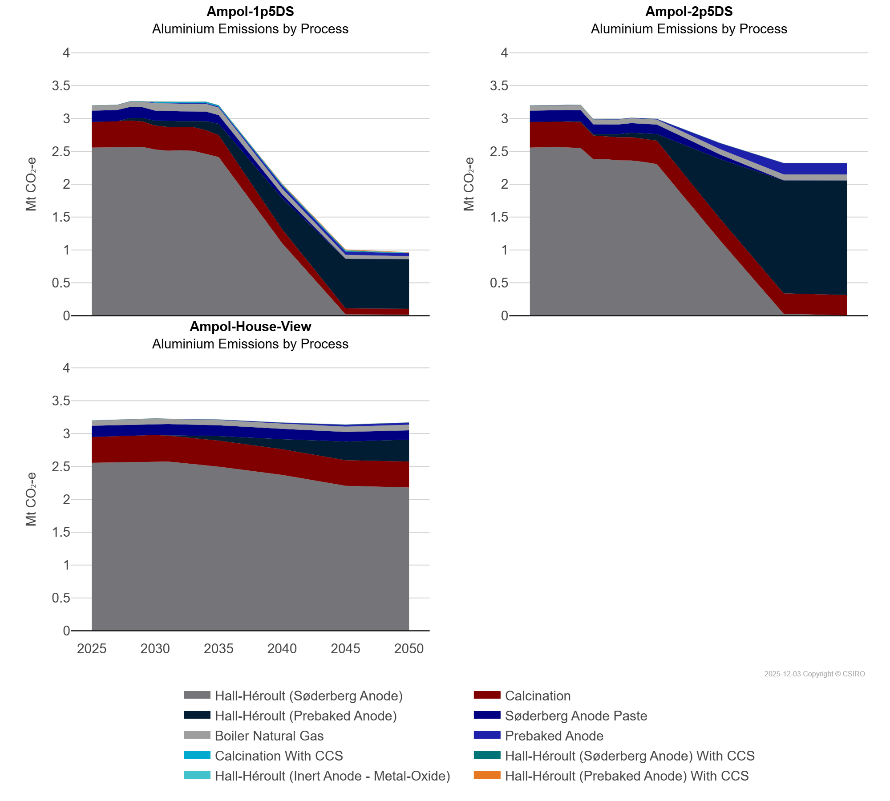
 | Calcination | Mt CO₂-e | 0.39 | 0.39 | 0.39 | 0.40 | 0.39 | 0.36 | 0.36 | 0.36 | 0.36 | 0.36 | 0.33 | 0.21 | 0.09 | 0.09
 | Calcination With CCS | Mt CO₂-e | 0.00 | 0.00 | 0.00 | 0.00 | 0.00 | 0.02 | 0.02 | 0.02 | 0.02 | 0.02 | 0.02 | 0.01 | 0.00 | 0.00
 | Hall-Héroult (Inert Anode - Metal-Oxide) | Mt CO₂-e | 0.00 | 0.00 | 0.00 | 0.00 | 0.00 | 0.00 | 0.00 | 0.00 | 0.00 | 0.00 | 0.00 | 0.00 | 0.01 | 0.01
 | Hall-Héroult (Prebaked Anode) | Mt CO₂-e | 0.00 | 0.00 | 0.00 | 0.04 | 0.06 | 0.07 | 0.08 | 0.08 | 0.09 | 0.14 | 0.17 | 0.47 | 0.75 | 0.75
 | Hall-Héroult (Prebaked Anode) With CCS | Mt CO₂-e | 0.00 | 0.00 | 0.00 | 0.00 | 0.00 | 0.00 | 0.00 | 0.00 | 0.00 | 0.00 | 0.00 | 0.01 | 0.01 | 0.01
 | Hall-Héroult (Søderberg Anode) | Mt CO₂-e | 2.56 | 2.56 | 2.56 | 2.57 | 2.57 | 2.53 | 2.51 | 2.52 | 2.51 | 2.46 | 2.41 | 1.10 | 0.02 | 0.01
 | Hall-Héroult (Søderberg Anode) With CCS | Mt CO₂-e | 0.00 | 0.00 | 0.00 | 0.00 | 0.00 | 0.00 | 0.00 | 0.00 | 0.00 | 0.00 | 0.00 | 0.01 | 0.01 | 0.00
 | Prebaked Anode | Mt CO₂-e | 0.00 | 0.00 | 0.00 | 0.00 | 0.01 | 0.01 | 0.01 | 0.01 | 0.01 | 0.01 | 0.01 | 0.05 | 0.05 | 0.05
 | Søderberg Anode Paste | Mt CO₂-e | 0.17 | 0.17 | 0.17 | 0.17 | 0.16 | 0.15 | 0.15 | 0.15 | 0.15 | 0.15 | 0.13 | 0.06 | 0.00 | 0.00
Ampol-2p5DS | Boiler Natural Gas | Mt CO₂-e | 0.08 | 0.08 | 0.08 | 0.08 | 0.08 | 0.07 | 0.07 | 0.07 | 0.08 | 0.08 | 0.08 | 0.08 | 0.09 | 0.09
 | Calcination | Mt CO₂-e | 0.39 | 0.39 | 0.39 | 0.39 | 0.39 | 0.36 | 0.35 | 0.35 | 0.36 | 0.36 | 0.35 | 0.33 | 0.31 | 0.31
 | Calcination With CCS | Mt CO₂-e | 0.00 | 0.00 | 0.00 | 0.00 | 0.00 | 0.00 | 0.00 | 0.00 | 0.00 | 0.00 | 0.00 | 0.00 | 0.00 | 0.00
 | Hall-Héroult (Inert Anode - Metal-Oxide) | Mt CO₂-e | 0.00 | 0.00 | 0.00 | 0.00 | 0.00 | 0.00 | 0.00 | 0.00 | 0.00 | 0.00 | 0.00 | 0.00 | 0.00 | 0.00
 | Hall-Héroult (Prebaked Anode) | Mt CO₂-e | 0.00 | 0.00 | 0.00 | 0.01 | 0.01 | 0.02 | 0.03 | 0.05 | 0.07 | 0.08 | 0.10 | 0.91 | 1.72 | 1.74
 | Hall-Héroult (Prebaked Anode) With CCS | Mt CO₂-e | 0.00 | 0.00 | 0.00 | 0.00 | 0.00 | 0.00 | 0.00 | 0.00 | 0.00 | 0.00 | 0.00 | 0.00 | 0.00 | 0.00
 | Hall-Héroult (Søderberg Anode) | Mt CO₂-e | 2.56 | 2.56 | 2.56 | 2.56 | 2.55 | 2.38 | 2.38 | 2.36 | 2.36 | 2.34 | 2.31 | 1.14 | 0.03 | 0.01
 | Hall-Héroult (Søderberg Anode) With CCS | Mt CO₂-e | 0.00 | 0.00 | 0.00 | 0.00 | 0.00 | 0.00 | 0.00 | 0.00 | 0.00 | 0.00 | 0.00 | 0.00 | 0.00 | 0.00
 | Prebaked Anode | Mt CO₂-e | 0.00 | 0.00 | 0.00 | 0.00 | 0.00 | 0.00 | 0.00 | 0.00 | 0.01 | 0.01 | 0.01 | 0.09 | 0.17 | 0.17
 | Søderberg Anode Paste | Mt CO₂-e | 0.17 | 0.17 | 0.17 | 0.17 | 0.17 | 0.15 | 0.15 | 0.15 | 0.15 | 0.15 | 0.14 | 0.07 | 0.00 | 0.00
Ampol-House-View | Boiler Natural Gas | Mt CO₂-e | 0.08 | 0.08 | 0.08 | 0.08 | 0.08 | 0.08 | 0.08 | 0.08 | 0.08 | 0.08 | 0.08 | 0.08 | 0.08 | 0.08
 | Calcination | Mt CO₂-e | 0.39 | 0.39 | 0.39 | 0.39 | 0.39 | 0.40 | 0.39 | 0.39 | 0.39 | 0.39 | 0.39 | 0.39 | 0.39 | 0.39
 | Calcination With CCS | Mt CO₂-e | 0.00 | 0.00 | 0.00 | 0.00 | 0.00 | 0.00 | 0.00 | 0.00 | 0.00 | 0.00 | 0.00 | 0.00 | 0.00 | 0.00
 | Hall-Héroult (Inert Anode - Metal-Oxide) | Mt CO₂-e | 0.00 | 0.00 | 0.00 | 0.00 | 0.00 | 0.00 | 0.00 | 0.00 | 0.00 | 0.00 | 0.00 | 0.00 | 0.00 | 0.00
 | Hall-Héroult (Prebaked Anode) | Mt CO₂-e | 0.00 | 0.00 | 0.00 | 0.00 | 0.00 | 0.00 | 0.00 | 0.02 | 0.04 | 0.05 | 0.07 | 0.15 | 0.28 | 0.33
 | Hall-Héroult (Prebaked Anode) With CCS | Mt CO₂-e | 0.00 | 0.00 | 0.00 | 0.00 | 0.00 | 0.00 | 0.00 | 0.00 | 0.00 | 0.00 | 0.00 | 0.00 | 0.00 | 0.00
 | Hall-Héroult (Søderberg Anode) | Mt CO₂-e | 2.56 | 2.56 | 2.56 | 2.57 | 2.57 | 2.58 | 2.57 | 2.55 | 2.54 | 2.52 | 2.50 | 2.37 | 2.21 | 2.18
 | Hall-Héroult (Søderberg Anode) With CCS | Mt CO₂-e | 0.00 | 0.00 | 0.00 | 0.00 | 0.00 | 0.00 | 0.00 | 0.00 | 0.00 | 0.00 | 0.00 | 0.00 | 0.00 | 0.00
 | Prebaked Anode | Mt CO₂-e | 0.00 | 0.00 | 0.00 | 0.00 | 0.00 | 0.00 | 0.00 | 0.00 | 0.00 | 0.01 | 0.01 | 0.02 | 0.03 | 0.03
 | Søderberg Anode Paste | Mt CO₂-e | 0.17 | 0.17 | 0.17 | 0.17 | 0.17 | 0.17 | 0.17 | 0.17 | 0.17 | 0.17 | 0.17 | 0.16 | 0.14 | 0.14

