Built Environment Emissions
 |  |  | 2025 | 2026 | 2027 | 2028 | 2029 | 2030 | 2031 | 2032 | 2033 | 2034 | 2035 | 2040 | 2045 | 2050
scen | process_sector1 | unit
Ampol-1p5DS | Commercial | Mt CO₂-e | 5.79 | 5.85 | 5.88 | 4.26 | 3.68 | 3.45 | 3.34 | 3.22 | 3.10 | 2.97 | 2.83 | 2.01 | 0.97 | 0.00
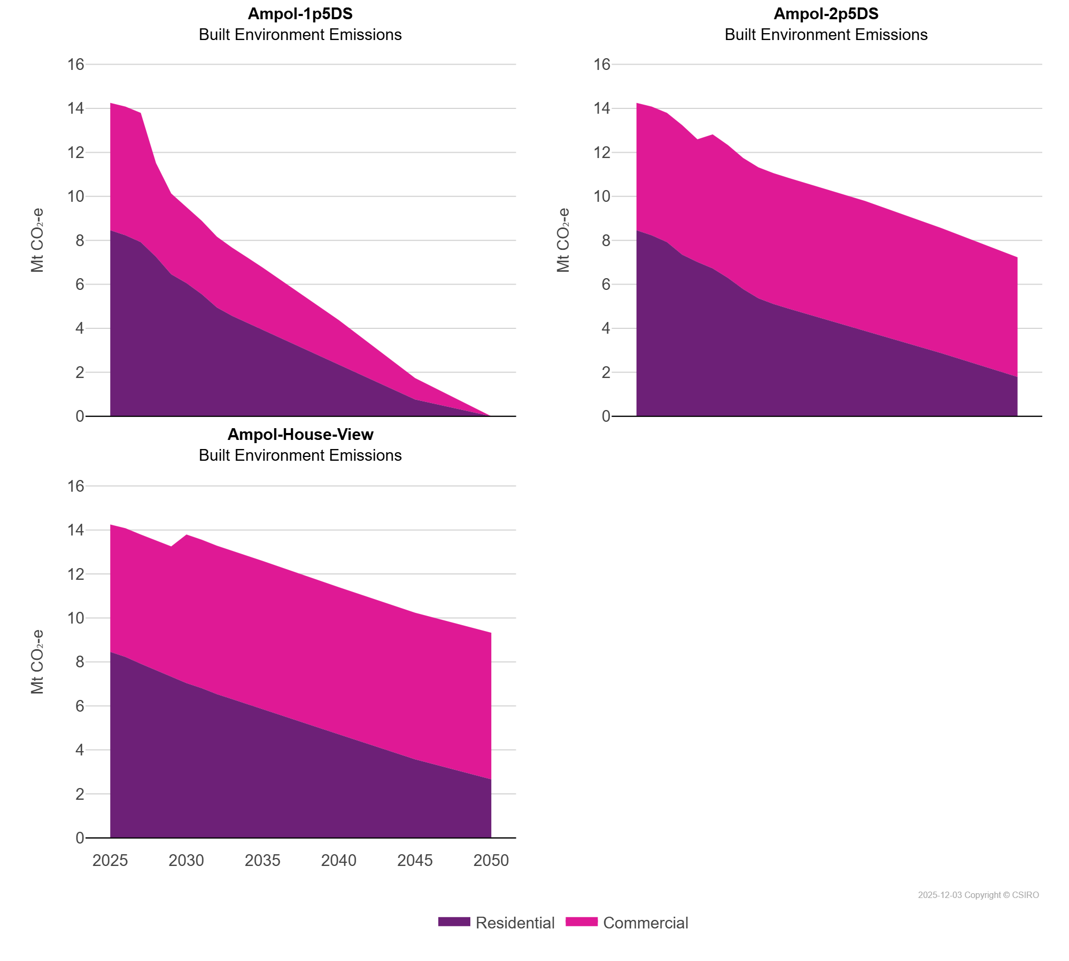
 | Residential | Mt CO₂-e | 8.46 | 8.23 | 7.92 | 7.25 | 6.45 | 6.05 | 5.55 | 4.94 | 4.56 | 4.25 | 3.93 | 2.36 | 0.76 | 0.00
Ampol-2p5DS | Commercial | Mt CO₂-e | 5.79 | 5.85 | 5.88 | 5.89 | 5.58 | 6.09 | 6.04 | 5.96 | 5.95 | 5.94 | 5.94 | 5.91 | 5.69 | 5.43
 | Residential | Mt CO₂-e | 8.46 | 8.23 | 7.92 | 7.35 | 7.01 | 6.72 | 6.29 | 5.78 | 5.36 | 5.10 | 4.89 | 3.88 | 2.87 | 1.79
Ampol-House-View | Commercial | Mt CO₂-e | 5.79 | 5.85 | 5.88 | 5.90 | 5.93 | 6.76 | 6.75 | 6.75 | 6.74 | 6.74 | 6.73 | 6.69 | 6.66 | 6.66
 | Residential | Mt CO₂-e | 8.46 | 8.23 | 7.92 | 7.61 | 7.32 | 7.04 | 6.81 | 6.54 | 6.31 | 6.08 | 5.85 | 4.71 | 3.57 | 2.66

