Domestic Transport Emissions b
 |  |  | 2025 | 2026 | 2027 | 2028 | 2029 | 2030 | 2031 | 2032 | 2033 | 2034 | 2035 | 2040 | 2045 | 2050
scen | process_sector2 | unit
Ampol-1p5DS | Articulated Vehicles | Mt CO₂-e | 9.40 | 9.46 | 9.54 | 10.01 | 10.14 | 10.23 | 10.26 | 10.20 | 10.05 | 9.39 | 8.72 | 5.59 | 2.74 | 0.00
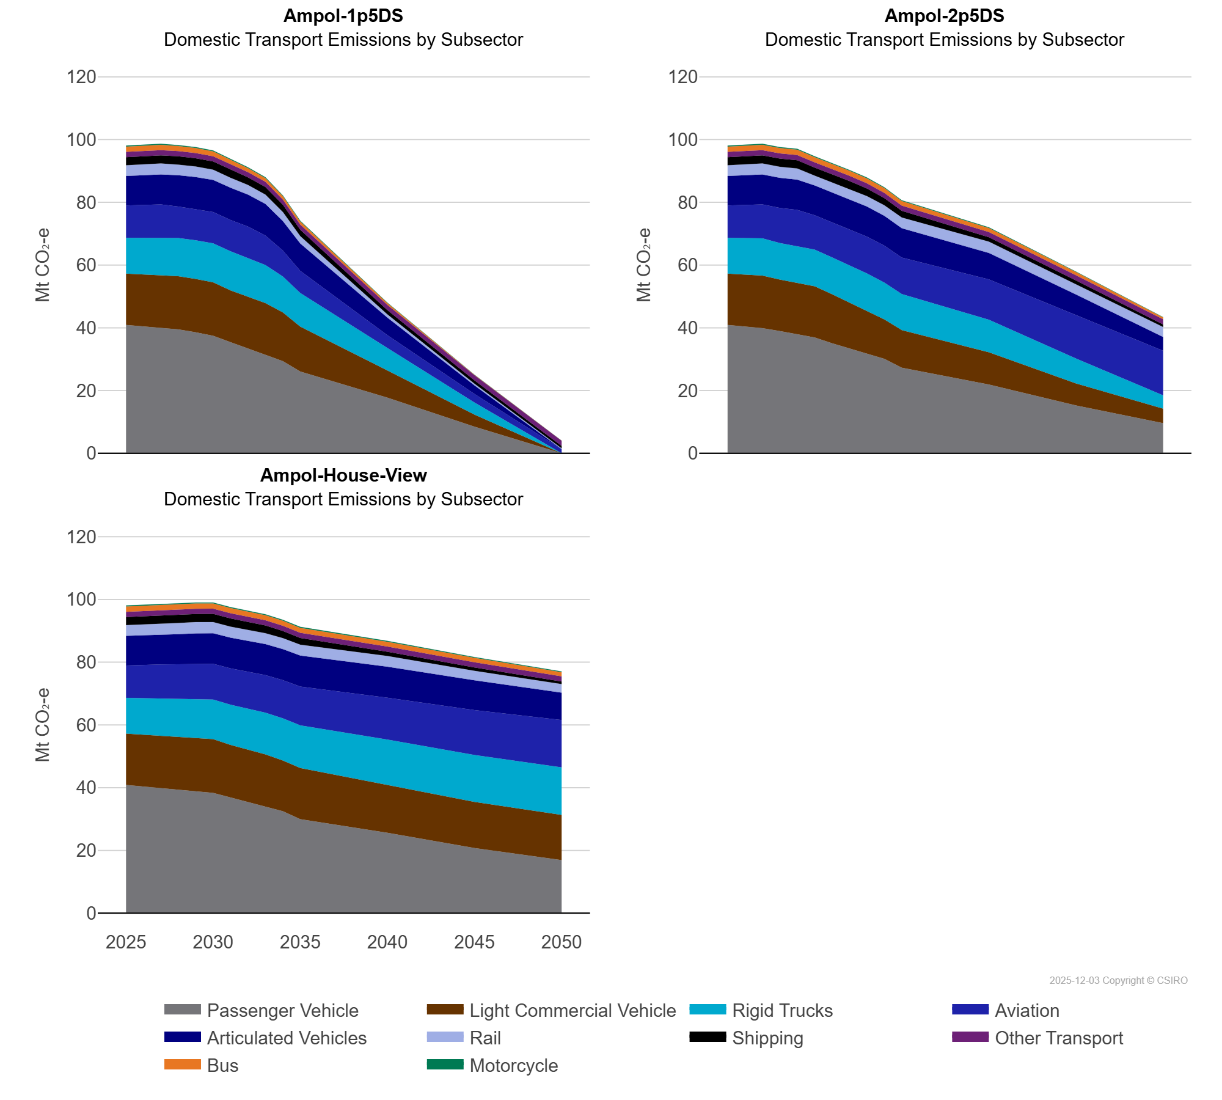
 | Aviation | Mt CO₂-e | 10.33 | 10.61 | 10.81 | 10.00 | 10.00 | 9.99 | 9.99 | 9.96 | 9.39 | 8.29 | 7.04 | 4.08 | 2.72 | 1.33
 | Bus | Mt CO₂-e | 1.71 | 1.71 | 1.71 | 1.63 | 1.58 | 1.52 | 1.41 | 1.30 | 1.17 | 1.08 | 1.00 | 0.57 | 0.06 | 0.00
 | Light Commercial Vehicle | Mt CO₂-e | 16.37 | 16.55 | 16.74 | 16.97 | 17.04 | 17.02 | 16.50 | 16.46 | 16.37 | 15.53 | 14.30 | 8.66 | 3.83 | 0.00
 | Motorcycle | Mt CO₂-e | 0.31 | 0.32 | 0.32 | 0.31 | 0.31 | 0.30 | 0.29 | 0.29 | 0.28 | 0.26 | 0.24 | 0.16 | 0.08 | 0.00
 | Other Transport | Mt CO₂-e | 1.66 | 1.66 | 1.66 | 1.66 | 1.66 | 1.66 | 1.66 | 1.66 | 1.66 | 1.66 | 1.66 | 1.66 | 1.66 | 1.66
 | Passenger Vehicle | Mt CO₂-e | 40.88 | 40.40 | 39.89 | 39.48 | 38.54 | 37.46 | 35.42 | 33.47 | 31.48 | 29.38 | 26.07 | 17.72 | 8.47 | 0.00
 | Rail | Mt CO₂-e | 3.42 | 3.46 | 3.51 | 3.38 | 3.37 | 3.26 | 3.17 | 3.06 | 2.98 | 2.90 | 2.35 | 1.02 | 0.55 | 0.21
 | Rigid Trucks | Mt CO₂-e | 11.40 | 11.64 | 11.88 | 12.16 | 12.31 | 12.41 | 12.44 | 12.36 | 12.16 | 11.42 | 10.72 | 7.17 | 3.86 | 0.00
 | Shipping | Mt CO₂-e | 2.59 | 2.60 | 2.60 | 2.63 | 2.64 | 2.64 | 2.56 | 2.42 | 2.42 | 2.31 | 2.03 | 1.40 | 1.07 | 0.80
Ampol-2p5DS | Articulated Vehicles | Mt CO₂-e | 9.40 | 9.46 | 9.54 | 9.57 | 9.62 | 9.47 | 9.51 | 9.55 | 9.57 | 9.49 | 9.34 | 8.43 | 6.47 | 4.36
 | Aviation | Mt CO₂-e | 10.33 | 10.61 | 10.81 | 11.19 | 11.49 | 10.95 | 11.24 | 11.48 | 11.73 | 11.77 | 11.61 | 12.86 | 13.95 | 14.21
 | Bus | Mt CO₂-e | 1.71 | 1.71 | 1.71 | 1.69 | 1.68 | 1.65 | 1.62 | 1.60 | 1.56 | 1.53 | 1.48 | 1.29 | 1.00 | 0.61
 | Light Commercial Vehicle | Mt CO₂-e | 16.37 | 16.55 | 16.74 | 16.40 | 16.39 | 16.30 | 15.63 | 14.74 | 13.73 | 12.55 | 12.01 | 10.28 | 7.00 | 4.62
 | Motorcycle | Mt CO₂-e | 0.31 | 0.32 | 0.32 | 0.30 | 0.30 | 0.29 | 0.29 | 0.28 | 0.27 | 0.26 | 0.25 | 0.21 | 0.16 | 0.11
 | Other Transport | Mt CO₂-e | 1.66 | 1.66 | 1.66 | 1.66 | 1.66 | 1.66 | 1.66 | 1.66 | 1.66 | 1.66 | 1.66 | 1.66 | 1.66 | 1.66
 | Passenger Vehicle | Mt CO₂-e | 40.88 | 40.40 | 39.89 | 38.94 | 37.98 | 36.90 | 35.04 | 33.35 | 31.76 | 30.11 | 27.25 | 21.89 | 15.23 | 9.60
 | Rail | Mt CO₂-e | 3.42 | 3.46 | 3.51 | 3.55 | 3.60 | 3.15 | 3.19 | 3.25 | 3.31 | 3.37 | 3.41 | 3.60 | 3.39 | 3.20
 | Rigid Trucks | Mt CO₂-e | 11.40 | 11.64 | 11.88 | 11.66 | 11.72 | 11.71 | 11.76 | 11.81 | 11.84 | 11.74 | 11.50 | 10.38 | 7.96 | 4.25
 | Shipping | Mt CO₂-e | 2.59 | 2.60 | 2.60 | 2.61 | 2.61 | 2.59 | 2.59 | 2.57 | 2.46 | 2.31 | 2.15 | 1.40 | 1.10 | 0.80
Ampol-House-View | Articulated Vehicles | Mt CO₂-e | 9.40 | 9.46 | 9.54 | 9.62 | 9.68 | 9.72 | 9.76 | 9.81 | 9.86 | 9.88 | 9.86 | 9.89 | 9.48 | 8.72
 | Aviation | Mt CO₂-e | 10.33 | 10.61 | 10.81 | 11.01 | 11.20 | 11.40 | 11.60 | 11.79 | 11.98 | 12.18 | 12.37 | 13.33 | 14.29 | 15.11
 | Bus | Mt CO₂-e | 1.71 | 1.71 | 1.71 | 1.70 | 1.69 | 1.67 | 1.65 | 1.63 | 1.62 | 1.60 | 1.57 | 1.48 | 1.39 | 1.32
 | Light Commercial Vehicle | Mt CO₂-e | 16.37 | 16.55 | 16.74 | 16.90 | 17.05 | 17.15 | 16.74 | 16.65 | 16.72 | 16.13 | 16.31 | 15.26 | 14.70 | 14.37
 | Motorcycle | Mt CO₂-e | 0.31 | 0.32 | 0.32 | 0.32 | 0.31 | 0.31 | 0.31 | 0.31 | 0.31 | 0.31 | 0.30 | 0.29 | 0.27 | 0.25
 | Other Transport | Mt CO₂-e | 1.66 | 1.66 | 1.66 | 1.66 | 1.66 | 1.66 | 1.66 | 1.66 | 1.66 | 1.66 | 1.66 | 1.66 | 1.66 | 1.66
 | Passenger Vehicle | Mt CO₂-e | 40.88 | 40.40 | 39.89 | 39.28 | 38.85 | 38.35 | 36.89 | 35.43 | 33.92 | 32.51 | 29.95 | 25.61 | 20.78 | 16.94
 | Rail | Mt CO₂-e | 3.42 | 3.46 | 3.51 | 3.55 | 3.60 | 3.56 | 3.53 | 3.51 | 3.50 | 3.48 | 3.46 | 3.39 | 3.01 | 2.72
 | Rigid Trucks | Mt CO₂-e | 11.40 | 11.64 | 11.88 | 12.14 | 12.39 | 12.61 | 12.83 | 13.06 | 13.28 | 13.47 | 13.62 | 14.47 | 14.97 | 15.17
 | Shipping | Mt CO₂-e | 2.59 | 2.60 | 2.60 | 2.61 | 2.61 | 2.61 | 2.61 | 2.58 | 2.45 | 2.30 | 2.15 | 1.40 | 1.10 | 0.80

