Emissions from Electricity Gen
 |  |  | 2025 | 2026 | 2027 | 2028 | 2029 | 2030 | 2031 | 2032 | 2033 | 2034 | 2035 | 2040 | 2045 | 2050
scen | commodity_fuel1 | unit
Ampol-1p5DS | Engine - Cogeneration | Mt CO₂-e | 1.52 | 1.47 | 1.46 | 1.50 | 1.56 | 1.66 | 1.52 | 1.40 | 1.36 | 1.39 | 1.36 | 1.38 | 0.98 | 0.23
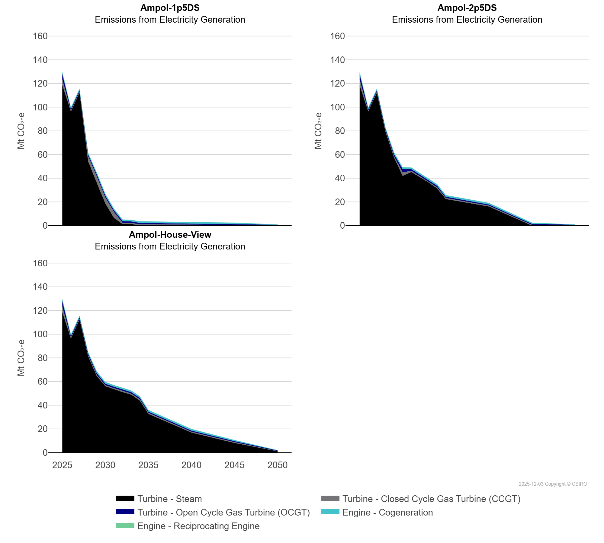
 | Engine - Reciprocating Engine | Mt CO₂-e | 0.43 | 0.00 | 0.02 | 0.00 | 0.00 | 0.00 | 0.01 | 0.01 | 0.01 | 0.00 | 0.01 | 0.00 | 0.00 | 0.00
 | Turbine - Closed Cycle Gas Turbine (CCGT) | Mt CO₂-e | 4.72 | 0.79 | 0.76 | 4.56 | 5.45 | 5.20 | 5.06 | 1.07 | 0.90 | 1.01 | 0.89 | 0.78 | 0.64 | 0.22
 | Turbine - Open Cycle Gas Turbine (OCGT) | Mt CO₂-e | 4.59 | 1.16 | 1.15 | 1.32 | 1.56 | 1.39 | 1.30 | 1.34 | 1.17 | 1.20 | 1.04 | 0.86 | 0.83 | 0.49
 | Turbine - Steam | Mt CO₂-e | 118.61 | 96.31 | 112.23 | 54.21 | 36.19 | 18.55 | 6.46 | 1.30 | 1.44 | 0.00 | 0.20 | 0.02 | 0.00 | 0.00
Ampol-2p5DS | Engine - Cogeneration | Mt CO₂-e | 1.52 | 1.47 | 1.46 | 1.50 | 1.56 | 1.56 | 1.41 | 1.40 | 1.36 | 1.39 | 1.36 | 1.38 | 0.98 | 0.23
 | Engine - Reciprocating Engine | Mt CO₂-e | 0.43 | 0.00 | 0.02 | 0.01 | 0.02 | 0.02 | 0.02 | 0.02 | 0.02 | 0.02 | 0.02 | 0.01 | 0.00 | 0.00
 | Turbine - Closed Cycle Gas Turbine (CCGT) | Mt CO₂-e | 4.72 | 0.79 | 0.76 | 0.91 | 1.15 | 2.97 | 1.09 | 1.07 | 0.91 | 1.01 | 0.91 | 0.79 | 0.65 | 0.23
 | Turbine - Open Cycle Gas Turbine (OCGT) | Mt CO₂-e | 4.59 | 1.16 | 1.15 | 1.22 | 1.52 | 2.75 | 1.29 | 1.34 | 1.18 | 1.21 | 1.02 | 0.86 | 0.83 | 0.49
 | Turbine - Steam | Mt CO₂-e | 118.61 | 96.31 | 112.23 | 79.31 | 57.44 | 41.92 | 45.23 | 40.62 | 36.46 | 31.36 | 22.42 | 16.10 | 0.00 | 0.00
Ampol-House-View | Engine - Cogeneration | Mt CO₂-e | 1.52 | 1.47 | 1.46 | 1.49 | 1.53 | 1.49 | 1.35 | 1.37 | 1.36 | 1.40 | 1.37 | 1.39 | 0.98 | 0.23
 | Engine - Reciprocating Engine | Mt CO₂-e | 0.43 | 0.00 | 0.02 | 0.01 | 0.02 | 0.02 | 0.02 | 0.02 | 0.02 | 0.02 | 0.02 | 0.01 | 0.00 | 0.00
 | Turbine - Closed Cycle Gas Turbine (CCGT) | Mt CO₂-e | 4.72 | 0.79 | 0.76 | 0.88 | 1.04 | 0.90 | 0.88 | 0.95 | 0.90 | 1.04 | 0.92 | 0.82 | 0.66 | 0.23
 | Turbine - Open Cycle Gas Turbine (OCGT) | Mt CO₂-e | 4.59 | 1.16 | 1.15 | 1.22 | 1.45 | 1.22 | 1.15 | 1.18 | 1.14 | 1.22 | 1.04 | 0.87 | 0.83 | 0.49
 | Turbine - Steam | Mt CO₂-e | 118.61 | 96.31 | 112.23 | 81.41 | 64.65 | 56.00 | 53.61 | 51.08 | 49.00 | 43.93 | 32.66 | 16.87 | 8.14 | 1.09

