Emissions Reduction by Sector
 | val | measure | scen
process_sector0
Net 2025 | 401.05 | relative | Ampol-1p5DS
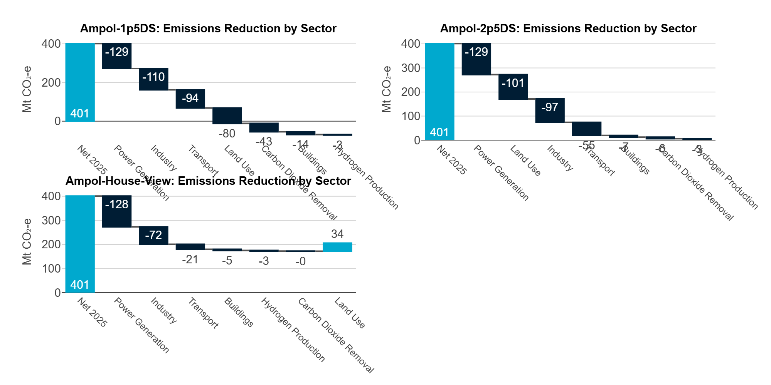
Power Generation | -128.92 | relative | Ampol-1p5DS
Industry | -109.74 | relative | Ampol-1p5DS
Transport | -94.07 | relative | Ampol-1p5DS
Land Use | -79.76 | relative | Ampol-1p5DS
Carbon Dioxide Removal | -43.18 | relative | Ampol-1p5DS
Buildings | -14.25 | relative | Ampol-1p5DS
Hydrogen Production | -2.61 | relative | Ampol-1p5DS
Net 2025 | 401.05 | relative | Ampol-2p5DS
Power Generation | -128.92 | relative | Ampol-2p5DS
Land Use | -101.06 | relative | Ampol-2p5DS
Industry | -97.01 | relative | Ampol-2p5DS
Transport | -54.66 | relative | Ampol-2p5DS
Buildings | -7.02 | relative | Ampol-2p5DS
Carbon Dioxide Removal | -6.34 | relative | Ampol-2p5DS
Hydrogen Production | -2.50 | relative | Ampol-2p5DS
Net 2025 | 401.05 | relative | Ampol-House-View
Power Generation | -127.83 | relative | Ampol-House-View
Industry | -72.37 | relative | Ampol-House-View
Transport | -21.01 | relative | Ampol-House-View
Buildings | -4.92 | relative | Ampol-House-View
Hydrogen Production | -2.61 | relative | Ampol-House-View
Carbon Dioxide Removal | -0.47 | relative | Ampol-House-View
Land Use | 33.58 | relative | Ampol-House-View

