Iron and Steel Emissions
 |  |  | 2025 | 2026 | 2027 | 2028 | 2029 | 2030 | 2031 | 2032 | 2033 | 2034 | 2035 | 2040 | 2045 | 2050
scen | process | unit
Ampol-1p5DS | Coke Ovens | Mt CO₂-e | 1.22 | 1.20 | 1.19 | 1.19 | 1.19 | 1.19 | 1.19 | 0.99 | 0.99 | 0.98 | 0.95 | 0.37 | 0.02 | 0.03
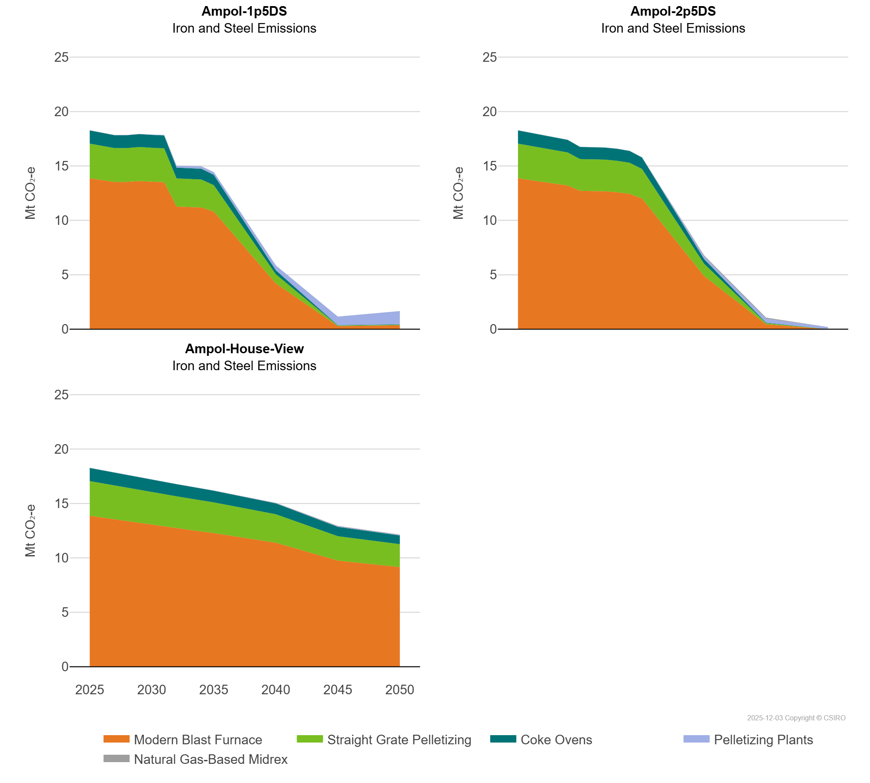
 | Modern Blast Furnace | Mt CO₂-e | 13.86 | 13.70 | 13.53 | 13.53 | 13.61 | 13.55 | 13.51 | 11.27 | 11.23 | 11.18 | 10.81 | 4.21 | 0.28 | 0.36
 | Natural Gas-Based Midrex | Mt CO₂-e | 0.00 | 0.00 | 0.00 | 0.00 | 0.00 | 0.00 | 0.00 | 0.00 | 0.00 | 0.00 | 0.00 | 0.00 | 0.00 | 0.00
 | Pelletizing Plants | Mt CO₂-e | 0.00 | 0.00 | 0.00 | 0.00 | 0.00 | 0.01 | 0.04 | 0.16 | 0.19 | 0.23 | 0.25 | 0.44 | 0.80 | 1.22
 | Straight Grate Pelletizing | Mt CO₂-e | 3.19 | 3.15 | 3.11 | 3.11 | 3.13 | 3.11 | 3.10 | 2.59 | 2.58 | 2.57 | 2.43 | 0.84 | 0.05 | 0.05
Ampol-2p5DS | Coke Ovens | Mt CO₂-e | 1.22 | 1.20 | 1.19 | 1.17 | 1.16 | 1.12 | 1.11 | 1.11 | 1.10 | 1.09 | 1.05 | 0.43 | 0.04 | 0.00
 | Modern Blast Furnace | Mt CO₂-e | 13.86 | 13.70 | 13.53 | 13.37 | 13.20 | 12.71 | 12.69 | 12.67 | 12.58 | 12.43 | 12.00 | 4.89 | 0.45 | 0.00
 | Natural Gas-Based Midrex | Mt CO₂-e | 0.00 | 0.00 | 0.00 | 0.00 | 0.00 | 0.00 | 0.00 | 0.00 | 0.00 | 0.00 | 0.00 | 0.10 | 0.10 | 0.00
 | Pelletizing Plants | Mt CO₂-e | 0.00 | 0.00 | 0.00 | 0.00 | 0.00 | 0.00 | 0.00 | 0.00 | 0.00 | 0.00 | 0.00 | 0.24 | 0.38 | 0.19
 | Straight Grate Pelletizing | Mt CO₂-e | 3.19 | 3.15 | 3.11 | 3.07 | 3.03 | 2.92 | 2.92 | 2.91 | 2.89 | 2.86 | 2.72 | 1.12 | 0.10 | 0.00
Ampol-House-View | Coke Ovens | Mt CO₂-e | 1.22 | 1.20 | 1.19 | 1.17 | 1.16 | 1.14 | 1.13 | 1.12 | 1.10 | 1.09 | 1.08 | 1.00 | 0.86 | 0.80
 | Modern Blast Furnace | Mt CO₂-e | 13.86 | 13.70 | 13.53 | 13.37 | 13.20 | 13.04 | 12.89 | 12.73 | 12.58 | 12.43 | 12.28 | 11.39 | 9.75 | 9.15
 | Natural Gas-Based Midrex | Mt CO₂-e | 0.00 | 0.00 | 0.00 | 0.00 | 0.00 | 0.00 | 0.00 | 0.00 | 0.00 | 0.00 | 0.00 | 0.04 | 0.04 | 0.04
 | Pelletizing Plants | Mt CO₂-e | 0.00 | 0.00 | 0.00 | 0.00 | 0.00 | 0.00 | 0.00 | 0.00 | 0.00 | 0.00 | 0.00 | 0.01 | 0.04 | 0.04
 | Straight Grate Pelletizing | Mt CO₂-e | 3.19 | 3.15 | 3.11 | 3.07 | 3.03 | 3.00 | 2.96 | 2.93 | 2.89 | 2.86 | 2.82 | 2.62 | 2.24 | 2.10

