Manufacturing Emissions by Sec
 |  |  | 2025 | 2026 | 2027 | 2028 | 2029 | 2030 | 2031 | 2032 | 2033 | 2034 | 2035 | 2040 | 2045 | 2050
scen | process_sector2 | unit
Ampol-1p5DS |  | Mt CO₂-e | 0.09 | 0.09 | 0.08 | 0.08 | 0.08 | 0.08 | 0.08 | 0.08 | 0.08 | 0.08 | 1.04 | 2.23 | 0.90 | 0.05
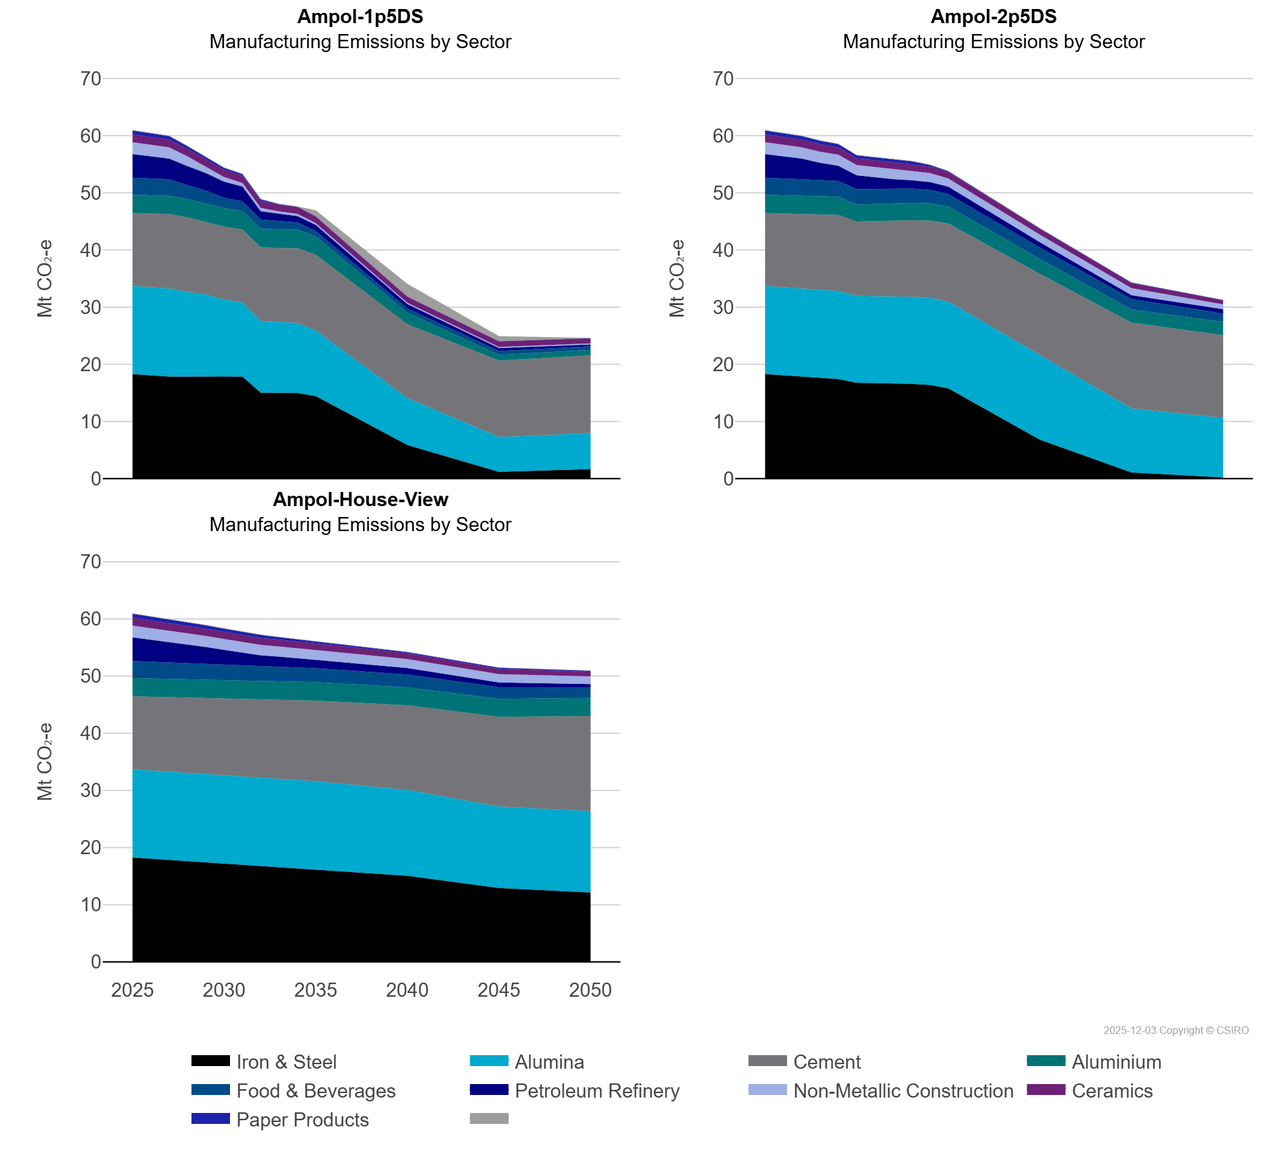
 | Alumina | Mt CO₂-e | 15.42 | 15.42 | 15.42 | 14.84 | 14.25 | 13.44 | 12.92 | 12.57 | 12.37 | 12.24 | 11.48 | 8.23 | 6.12 | 6.27
 | Aluminium | Mt CO₂-e | 3.20 | 3.20 | 3.21 | 3.26 | 3.26 | 3.26 | 3.25 | 3.25 | 3.25 | 3.26 | 3.20 | 2.01 | 1.01 | 0.97
 | Cement | Mt CO₂-e | 12.77 | 12.91 | 13.04 | 13.00 | 12.75 | 12.75 | 12.80 | 12.87 | 12.98 | 13.11 | 13.24 | 12.90 | 13.37 | 13.63
 | Ceramics | Mt CO₂-e | 1.38 | 1.35 | 1.32 | 1.31 | 1.28 | 1.26 | 1.24 | 1.22 | 1.19 | 1.18 | 1.17 | 1.07 | 1.00 | 0.91
 | Food & Beverages | Mt CO₂-e | 2.99 | 2.93 | 2.87 | 2.43 | 2.18 | 1.81 | 1.68 | 1.63 | 1.48 | 1.22 | 0.94 | 0.75 | 0.66 | 0.62
 | Iron & Steel | Mt CO₂-e | 18.27 | 18.05 | 17.82 | 17.82 | 17.93 | 17.87 | 17.84 | 15.01 | 14.98 | 14.96 | 14.43 | 5.86 | 1.16 | 1.66
 | Non-Metallic Construction | Mt CO₂-e | 2.05 | 2.02 | 1.99 | 1.69 | 1.15 | 0.80 | 0.62 | 0.59 | 0.47 | 0.38 | 0.31 | 0.22 | 0.19 | 0.18
 | Paper Products | Mt CO₂-e | 0.68 | 0.66 | 0.64 | 0.47 | 0.43 | 0.34 | 0.30 | 0.29 | 0.06 | 0.05 | 0.04 | 0.02 | 0.00 | 0.00
 | Petroleum Refinery | Mt CO₂-e | 4.14 | 3.89 | 3.61 | 3.32 | 3.09 | 2.82 | 2.60 | 1.44 | 1.21 | 1.14 | 1.07 | 0.76 | 0.51 | 0.31
Ampol-2p5DS |  | Mt CO₂-e | 0.09 | 0.09 | 0.08 | 0.08 | 0.08 | 0.08 | 0.08 | 0.07 | 0.07 | 0.07 | 0.07 | 0.05 | 0.03 | 0.03
 | Alumina | Mt CO₂-e | 15.42 | 15.42 | 15.42 | 15.42 | 15.42 | 15.21 | 15.21 | 15.21 | 15.21 | 15.21 | 15.21 | 14.83 | 11.21 | 10.41
 | Aluminium | Mt CO₂-e | 3.20 | 3.20 | 3.21 | 3.21 | 3.21 | 2.99 | 2.99 | 2.99 | 3.01 | 3.01 | 2.99 | 2.63 | 2.32 | 2.32
 | Cement | Mt CO₂-e | 12.77 | 12.91 | 13.04 | 13.18 | 13.31 | 13.01 | 13.16 | 13.29 | 13.42 | 13.55 | 13.64 | 14.19 | 14.99 | 14.48
 | Ceramics | Mt CO₂-e | 1.38 | 1.35 | 1.32 | 1.29 | 1.26 | 1.19 | 1.19 | 1.16 | 1.14 | 1.13 | 1.12 | 0.98 | 0.88 | 0.75
 | Food & Beverages | Mt CO₂-e | 2.99 | 2.93 | 2.87 | 2.81 | 2.75 | 2.69 | 2.65 | 2.60 | 2.53 | 2.36 | 2.18 | 1.99 | 1.83 | 1.47
 | Iron & Steel | Mt CO₂-e | 18.27 | 18.05 | 17.82 | 17.61 | 17.40 | 16.75 | 16.72 | 16.69 | 16.57 | 16.38 | 15.77 | 6.78 | 1.06 | 0.19
 | Non-Metallic Construction | Mt CO₂-e | 2.05 | 2.02 | 1.99 | 1.95 | 1.92 | 1.80 | 1.78 | 1.75 | 1.69 | 1.57 | 1.42 | 1.33 | 1.24 | 0.85
 | Paper Products | Mt CO₂-e | 0.68 | 0.66 | 0.64 | 0.61 | 0.60 | 0.49 | 0.50 | 0.48 | 0.48 | 0.30 | 0.15 | 0.10 | 0.08 | 0.02
 | Petroleum Refinery | Mt CO₂-e | 4.14 | 3.89 | 3.61 | 3.03 | 2.65 | 2.41 | 1.99 | 1.61 | 1.44 | 1.36 | 1.28 | 0.93 | 0.66 | 0.74
Ampol-House-View |  | Mt CO₂-e | 0.09 | 0.09 | 0.08 | 0.08 | 0.08 | 0.08 | 0.08 | 0.08 | 0.07 | 0.07 | 0.07 | 0.06 | 0.04 | 0.04
 | Alumina | Mt CO₂-e | 15.42 | 15.42 | 15.42 | 15.42 | 15.42 | 15.42 | 15.42 | 15.42 | 15.42 | 15.42 | 15.42 | 15.04 | 14.24 | 14.25
 | Aluminium | Mt CO₂-e | 3.20 | 3.20 | 3.21 | 3.21 | 3.22 | 3.23 | 3.22 | 3.22 | 3.22 | 3.22 | 3.21 | 3.17 | 3.14 | 3.17
 | Cement | Mt CO₂-e | 12.77 | 12.91 | 13.04 | 13.19 | 13.35 | 13.50 | 13.59 | 13.72 | 13.86 | 13.99 | 14.13 | 14.79 | 15.71 | 16.63
 | Ceramics | Mt CO₂-e | 1.38 | 1.35 | 1.32 | 1.29 | 1.27 | 1.24 | 1.21 | 1.19 | 1.16 | 1.14 | 1.14 | 1.00 | 0.90 | 0.81
 | Food & Beverages | Mt CO₂-e | 2.99 | 2.93 | 2.87 | 2.81 | 2.76 | 2.70 | 2.65 | 2.60 | 2.55 | 2.50 | 2.46 | 2.24 | 2.05 | 1.88
 | Iron & Steel | Mt CO₂-e | 18.27 | 18.05 | 17.82 | 17.61 | 17.40 | 17.18 | 16.98 | 16.77 | 16.57 | 16.38 | 16.18 | 15.06 | 12.94 | 12.14
 | Non-Metallic Construction | Mt CO₂-e | 2.05 | 2.02 | 1.99 | 1.95 | 1.92 | 1.89 | 1.86 | 1.83 | 1.77 | 1.75 | 1.71 | 1.59 | 1.47 | 1.36
 | Paper Products | Mt CO₂-e | 0.68 | 0.66 | 0.64 | 0.61 | 0.60 | 0.58 | 0.58 | 0.57 | 0.45 | 0.36 | 0.25 | 0.21 | 0.21 | 0.17
 | Petroleum Refinery | Mt CO₂-e | 4.14 | 3.89 | 3.61 | 3.31 | 2.97 | 2.58 | 2.23 | 1.89 | 1.80 | 1.69 | 1.46 | 1.11 | 0.81 | 0.53

