Resource Extraction Emissions
 |  |  | 2025 | 2026 | 2027 | 2028 | 2029 | 2030 | 2031 | 2032 | 2033 | 2034 | 2035 | 2040 | 2045 | 2050
scen | process_sector2 | unit
Ampol-1p5DS | Mining - Coal | Mt CO₂-e | 38.46 | 36.84 | 35.61 | 26.60 | 23.96 | 21.20 | 17.84 | 14.70 | 12.06 | 10.93 | 9.33 | 5.79 | 4.12 | 2.86
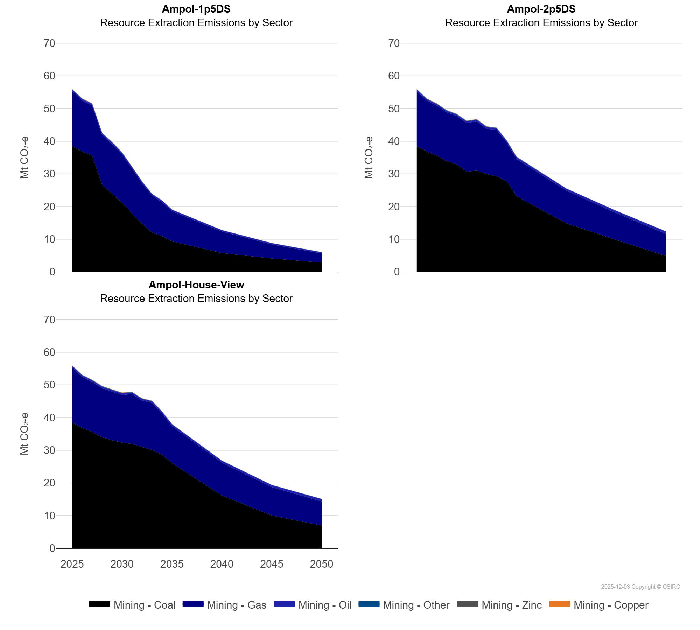
 | Mining - Copper | Mt CO₂-e | 0.04 | 0.04 | 0.05 | 0.05 | 0.05 | 0.05 | 0.01 | 0.00 | 0.00 | 0.00 | 0.00 | 0.00 | 0.00 | 0.00
 | Mining - Gas | Mt CO₂-e | 16.86 | 15.60 | 15.30 | 15.35 | 15.16 | 14.75 | 13.78 | 12.47 | 11.34 | 10.43 | 9.25 | 6.57 | 4.28 | 2.78
 | Mining - Oil | Mt CO₂-e | 0.42 | 0.44 | 0.45 | 0.45 | 0.47 | 0.48 | 0.47 | 0.46 | 0.46 | 0.45 | 0.44 | 0.43 | 0.41 | 0.38
 | Mining - Other | Mt CO₂-e | 0.11 | 0.10 | 0.10 | 0.10 | 0.10 | 0.10 | 0.05 | 0.05 | 0.04 | 0.03 | 0.03 | 0.01 | 0.00 | 0.00
 | Mining - Zinc | Mt CO₂-e | 0.06 | 0.07 | 0.07 | 0.07 | 0.07 | 0.07 | 0.06 | 0.06 | 0.05 | 0.04 | 0.03 | 0.00 | 0.00 | 0.00
Ampol-2p5DS | Mining - Coal | Mt CO₂-e | 38.46 | 36.84 | 35.61 | 33.89 | 32.94 | 30.64 | 31.02 | 29.95 | 29.24 | 27.77 | 23.14 | 14.85 | 9.77 | 4.84
 | Mining - Copper | Mt CO₂-e | 0.04 | 0.04 | 0.05 | 0.05 | 0.05 | 0.05 | 0.05 | 0.06 | 0.02 | 0.01 | 0.01 | 0.01 | 0.01 | 0.00
 | Mining - Gas | Mt CO₂-e | 16.86 | 15.60 | 15.30 | 14.96 | 14.77 | 14.95 | 15.03 | 13.87 | 14.19 | 11.88 | 11.43 | 10.01 | 8.23 | 6.77
 | Mining - Oil | Mt CO₂-e | 0.42 | 0.44 | 0.45 | 0.46 | 0.47 | 0.48 | 0.50 | 0.51 | 0.53 | 0.54 | 0.55 | 0.62 | 0.67 | 0.74
 | Mining - Other | Mt CO₂-e | 0.11 | 0.10 | 0.10 | 0.10 | 0.10 | 0.10 | 0.10 | 0.10 | 0.09 | 0.09 | 0.09 | 0.02 | 0.01 | 0.00
 | Mining - Zinc | Mt CO₂-e | 0.06 | 0.07 | 0.07 | 0.07 | 0.07 | 0.07 | 0.08 | 0.08 | 0.07 | 0.06 | 0.06 | 0.01 | 0.01 | 0.01
Ampol-House-View | Mining - Coal | Mt CO₂-e | 38.46 | 36.84 | 35.61 | 33.94 | 33.06 | 32.33 | 31.94 | 30.94 | 30.08 | 28.63 | 26.05 | 16.17 | 10.04 | 6.98
 | Mining - Copper | Mt CO₂-e | 0.04 | 0.04 | 0.05 | 0.05 | 0.05 | 0.05 | 0.04 | 0.04 | 0.03 | 0.02 | 0.01 | 0.01 | 0.01 | 0.01
 | Mining - Gas | Mt CO₂-e | 16.86 | 15.60 | 15.30 | 15.05 | 14.89 | 14.61 | 15.26 | 14.27 | 14.43 | 12.64 | 11.34 | 10.03 | 8.67 | 7.37
 | Mining - Oil | Mt CO₂-e | 0.42 | 0.44 | 0.45 | 0.46 | 0.47 | 0.48 | 0.49 | 0.50 | 0.51 | 0.52 | 0.53 | 0.59 | 0.65 | 0.72
 | Mining - Other | Mt CO₂-e | 0.11 | 0.10 | 0.10 | 0.10 | 0.10 | 0.10 | 0.07 | 0.07 | 0.05 | 0.05 | 0.04 | 0.02 | 0.01 | 0.01
 | Mining - Zinc | Mt CO₂-e | 0.06 | 0.07 | 0.07 | 0.07 | 0.07 | 0.07 | 0.08 | 0.08 | 0.07 | 0.06 | 0.05 | 0.01 | 0.01 | 0.01

