Biomethane Production by Proce
 |  |  | 2025 | 2026 | 2027 | 2028 | 2029 | 2030 | 2031 | 2032 | 2033 | 2034 | 2035 | 2040 | 2045 | 2050
scen | process | unit
Ampol-1p5DS | Min_Ad - Crop Residues | PJ | 0.00 | 0.00 | 0.00 | 0.00 | 0.00 | 0.00 | 0.00 | 1.16 | 6.81 | 12.46 | 18.11 | 18.40 | 18.40 | 18.40
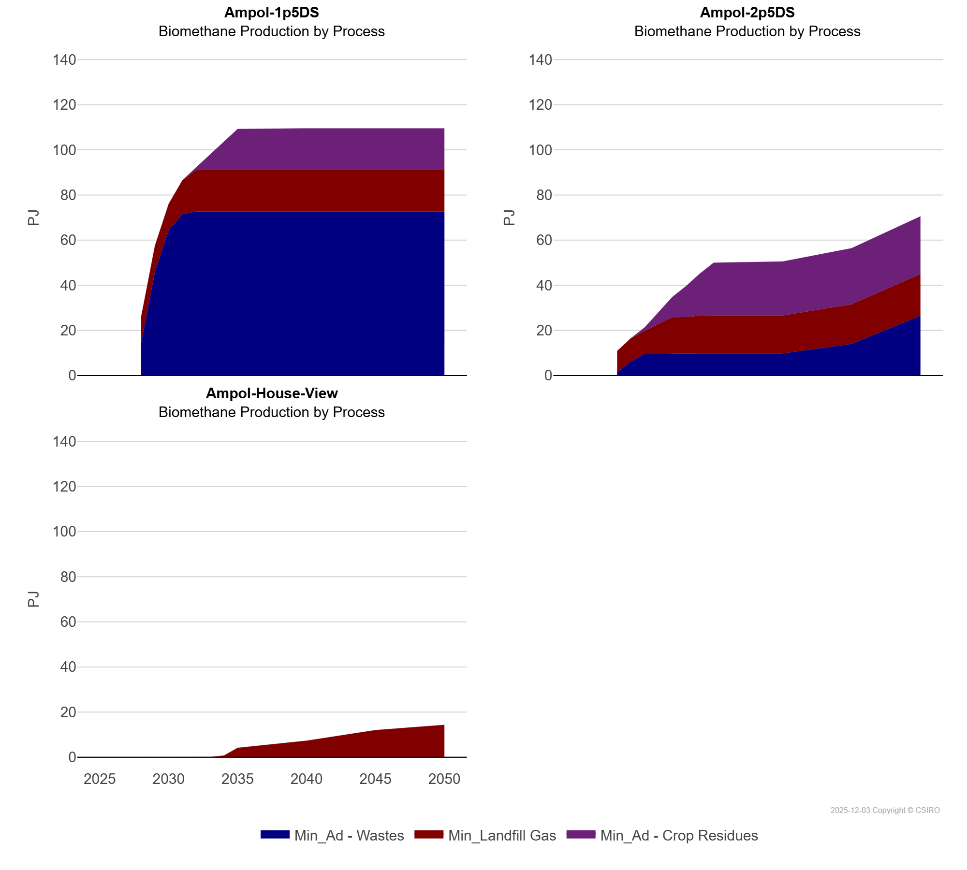
 | Min_Ad - Wastes | PJ | 0.00 | 0.00 | 0.00 | 14.32 | 45.90 | 64.49 | 71.54 | 72.70 | 72.70 | 72.70 | 72.70 | 72.70 | 72.70 | 72.70
 | Min_Landfill Gas | PJ | 0.00 | 0.00 | 0.00 | 11.57 | 11.57 | 11.57 | 15.02 | 18.48 | 18.48 | 18.48 | 18.48 | 18.48 | 18.48 | 18.48
Ampol-2p5DS | Min_Ad - Crop Residues | PJ | 0.00 | 0.00 | 0.00 | 0.00 | 0.00 | 1.58 | 5.26 | 8.94 | 13.76 | 18.58 | 23.41 | 23.98 | 24.82 | 25.63
 | Min_Ad - Wastes | PJ | 0.00 | 0.00 | 0.00 | 1.45 | 6.27 | 9.51 | 9.65 | 9.79 | 9.79 | 9.79 | 9.79 | 9.79 | 14.01 | 26.48
 | Min_Landfill Gas | PJ | 0.00 | 0.00 | 0.00 | 9.40 | 10.27 | 10.27 | 13.13 | 16.09 | 16.11 | 16.79 | 16.80 | 16.80 | 17.58 | 18.48
Ampol-House-View | Min_Ad - Crop Residues | PJ | 0.00 | 0.00 | 0.00 | 0.00 | 0.00 | 0.00 | 0.00 | 0.00 | 0.00 | 0.00 | 0.00 | 0.00 | 0.00 | 0.00
 | Min_Ad - Wastes | PJ | 0.00 | 0.00 | 0.00 | 0.00 | 0.00 | 0.00 | 0.00 | 0.00 | 0.00 | 0.00 | 0.00 | 0.00 | 0.00 | 0.00
 | Min_Landfill Gas | PJ | 0.00 | 0.00 | 0.00 | 0.02 | 0.02 | 0.02 | 0.05 | 0.08 | 0.10 | 0.72 | 4.16 | 7.32 | 12.01 | 14.36

