Hydrogen Consumption by Sector
 |  |  | 2025 | 2026 | 2027 | 2028 | 2029 | 2030 | 2031 | 2032 | 2033 | 2034 | 2035 | 2040 | 2045 | 2050
scen | process_sector1 | unit
Ampol-1p5DS | Buildings - Commercial | PJ | 0.00 | 0.00 | 0.02 | 0.43 | 0.43 | 0.43 | 0.43 | 0.43 | 0.48 | 0.48 | 0.47 | 0.47 | 0.47 | 0.47
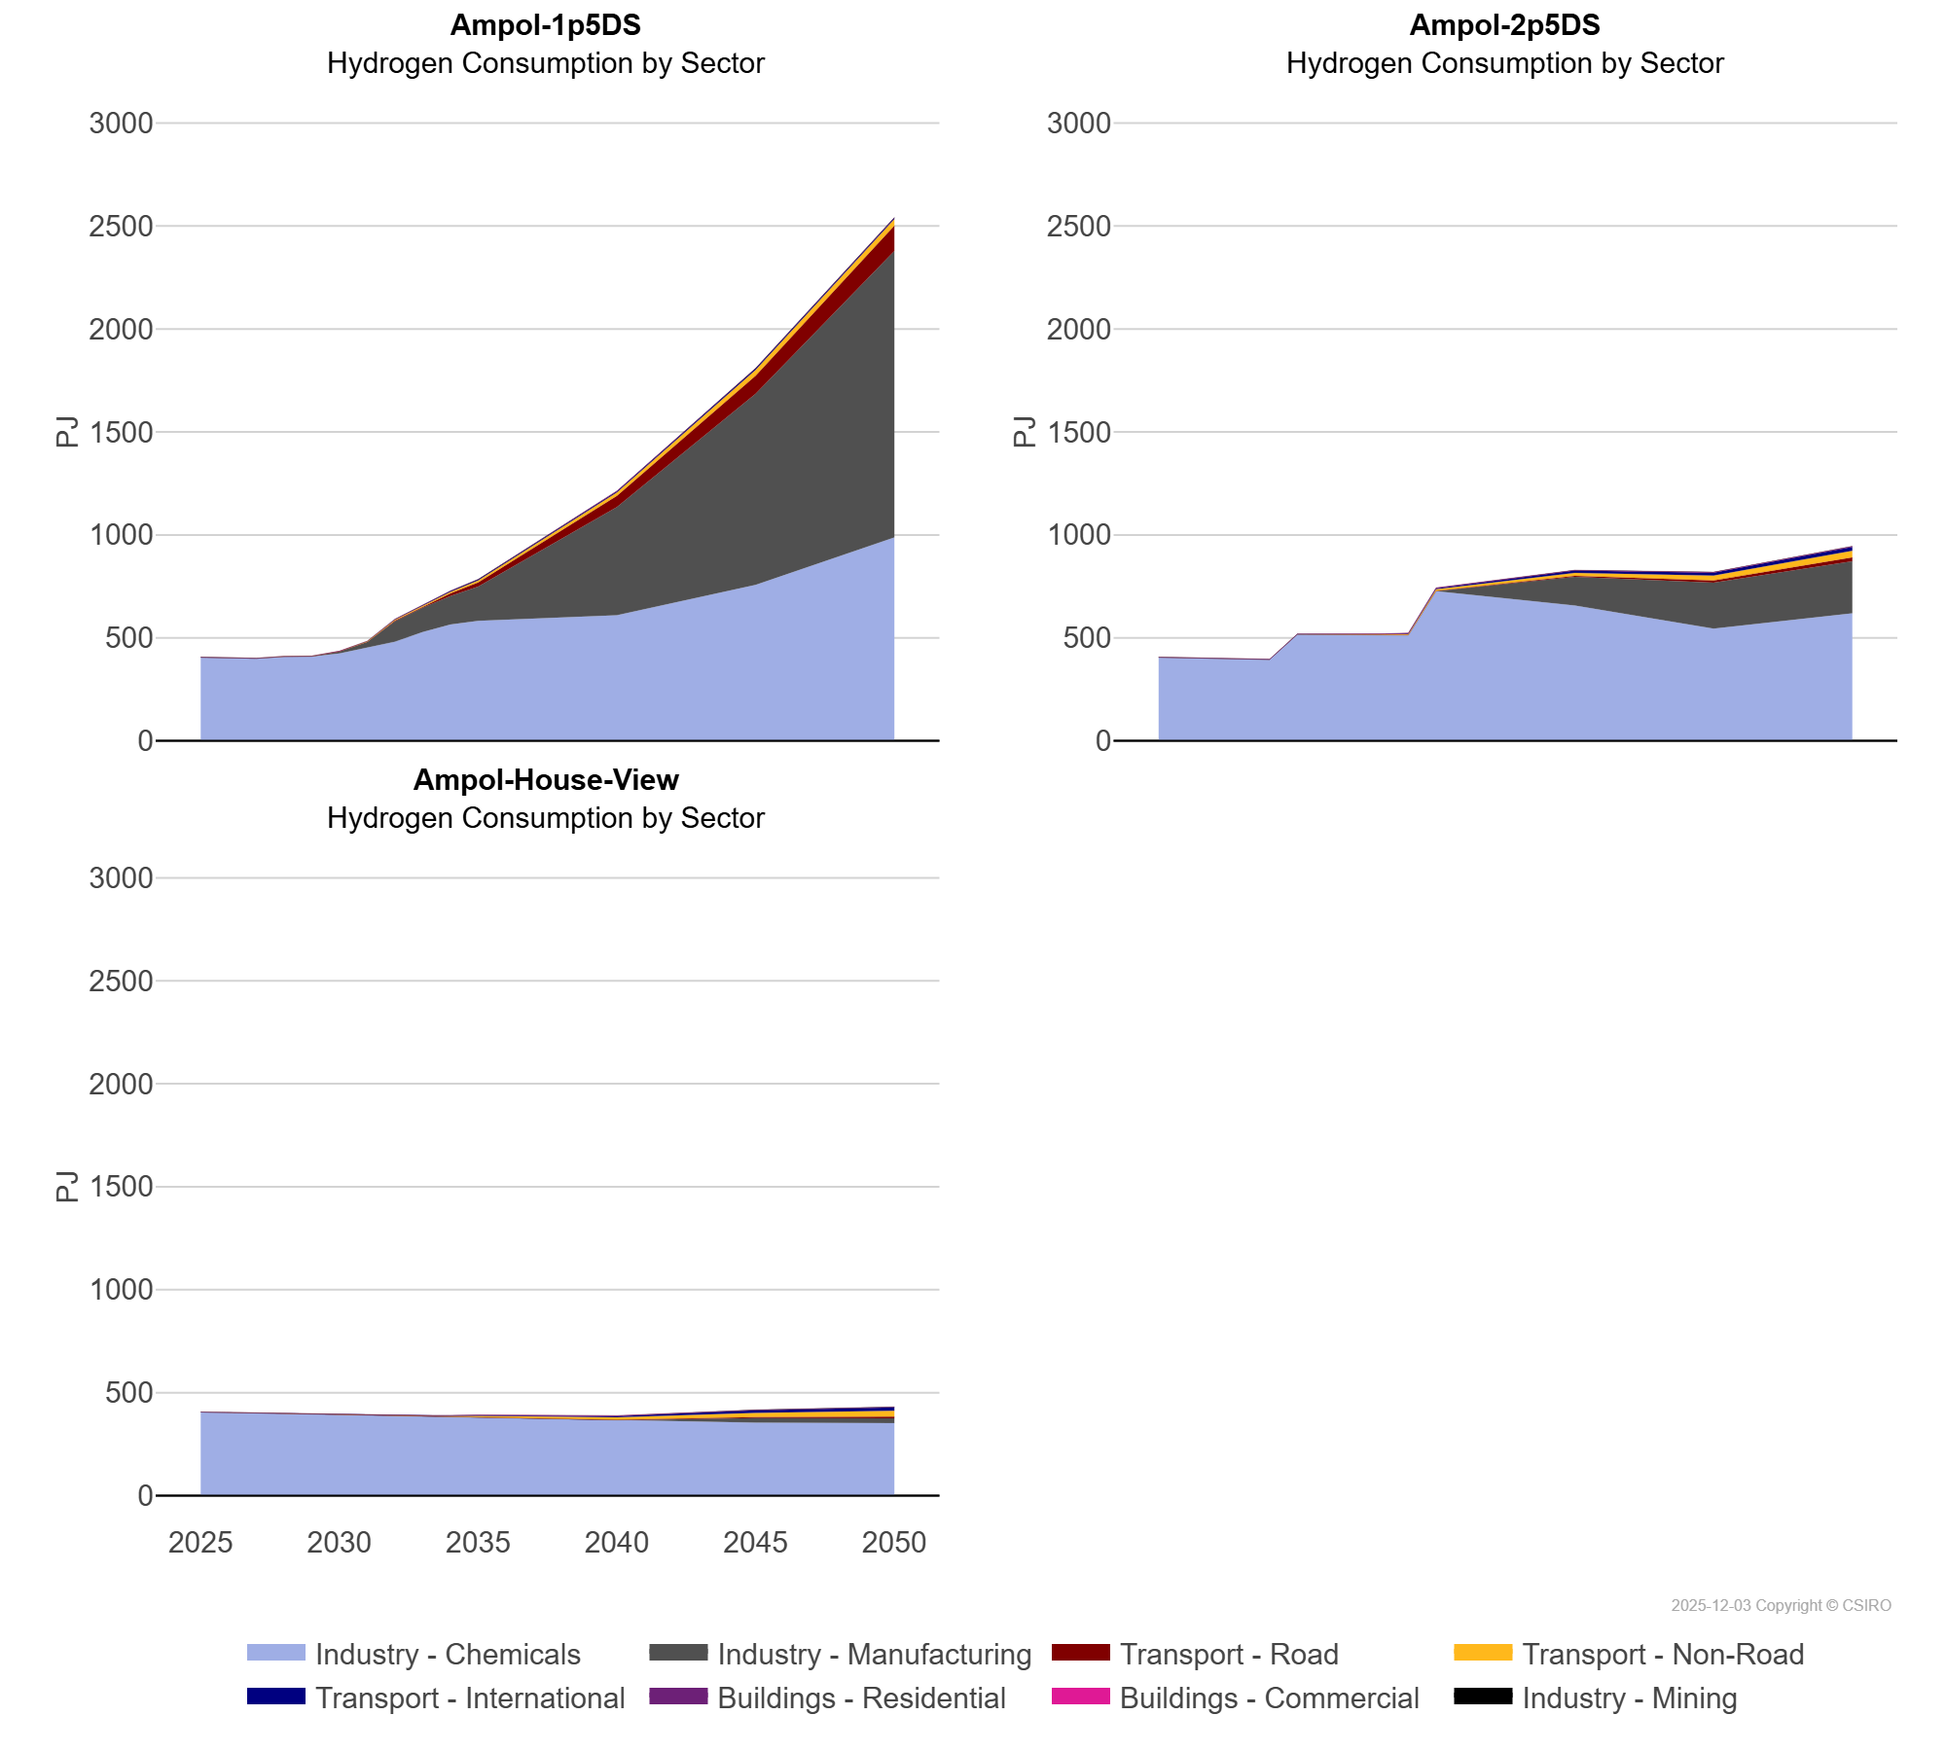
 | Buildings - Residential | PJ | 0.00 | 0.00 | 0.01 | 0.25 | 0.25 | 0.25 | 0.25 | 0.25 | 0.27 | 0.27 | 0.26 | 0.26 | 0.26 | 0.26
 | Industry - Chemicals | PJ | 405.88 | 403.02 | 400.17 | 408.69 | 409.67 | 424.31 | 452.32 | 481.70 | 528.13 | 564.47 | 582.69 | 610.14 | 756.96 | 987.69
 | Industry - Manufacturing | PJ | 0.36 | 0.54 | 0.71 | 0.63 | 0.53 | 9.30 | 27.25 | 99.16 | 118.77 | 138.39 | 166.70 | 525.37 | 928.66 | 1,391.63
 | Industry - Mining | PJ | 0.00 | 0.00 | 0.00 | 0.00 | 0.00 | 0.00 | 0.13 | 0.26 | 0.32 | 0.33 | 0.38 | 0.63 | 0.84 | 1.15
 | Transport - International | PJ | 0.00 | 0.00 | 0.00 | 0.00 | 0.00 | 0.06 | 0.11 | 1.29 | 3.18 | 3.61 | 4.03 | 5.77 | 7.44 | 6.66
 | Transport - Non-Road | PJ | 0.00 | 0.01 | 0.01 | 0.54 | 0.95 | 1.38 | 2.59 | 4.96 | 6.44 | 7.91 | 10.03 | 17.40 | 27.60 | 31.56
 | Transport - Road | PJ | 0.00 | 0.00 | 0.01 | 0.04 | 0.06 | 0.09 | 0.97 | 3.13 | 6.18 | 12.95 | 19.75 | 53.65 | 87.55 | 122.28
Ampol-2p5DS | Buildings - Commercial | PJ | 0.00 | 0.00 | 0.02 | 0.02 | 0.47 | 0.53 | 0.41 | 0.53 | 0.53 | 0.62 | 0.62 | 0.59 | 0.58 | 1.36
 | Buildings - Residential | PJ | 0.00 | 0.00 | 0.01 | 0.02 | 0.88 | 1.01 | 0.31 | 0.97 | 1.31 | 1.37 | 1.34 | 1.16 | 0.98 | 1.01
 | Industry - Chemicals | PJ | 405.88 | 403.02 | 400.17 | 397.39 | 394.61 | 516.51 | 515.79 | 514.62 | 513.61 | 512.68 | 726.32 | 657.15 | 545.02 | 618.84
 | Industry - Manufacturing | PJ | 0.36 | 0.54 | 0.71 | 0.52 | 0.53 | 0.85 | 0.48 | 0.41 | 0.38 | 0.36 | 0.63 | 138.98 | 222.45 | 253.15
 | Industry - Mining | PJ | 0.00 | 0.00 | 0.00 | 0.00 | 0.00 | 0.00 | 0.00 | 0.00 | 0.15 | 0.41 | 0.47 | 0.86 | 1.06 | 1.29
 | Transport - International | PJ | 0.00 | 0.00 | 0.00 | 0.00 | 0.00 | 0.15 | 0.21 | 0.27 | 0.88 | 2.74 | 5.23 | 10.69 | 14.41 | 19.26
 | Transport - Non-Road | PJ | 0.00 | 0.01 | 0.01 | 0.01 | 0.01 | 0.30 | 0.04 | 0.39 | 2.29 | 4.70 | 7.52 | 14.62 | 23.34 | 32.51
 | Transport - Road | PJ | 0.00 | 0.00 | 0.01 | 0.03 | 0.05 | 0.08 | 0.15 | 0.33 | 0.58 | 0.92 | 1.42 | 5.09 | 11.74 | 18.34
Ampol-House-View | Buildings - Commercial | PJ | 0.00 | 0.00 | 0.02 | 0.02 | 0.02 | 0.02 | 0.14 | 0.26 | 0.38 | 0.49 | 0.53 | 0.59 | 0.58 | 0.72
 | Buildings - Residential | PJ | 0.00 | 0.00 | 0.01 | 0.02 | 0.02 | 0.03 | 0.02 | 0.91 | 0.92 | 1.20 | 1.34 | 1.16 | 0.97 | 0.86
 | Industry - Chemicals | PJ | 405.88 | 403.02 | 400.17 | 397.39 | 394.61 | 391.83 | 389.14 | 386.45 | 383.83 | 381.22 | 378.60 | 366.13 | 354.38 | 352.51
 | Industry - Manufacturing | PJ | 0.36 | 0.54 | 0.71 | 0.87 | 1.01 | 1.15 | 1.13 | 1.11 | 1.09 | 1.01 | 0.69 | 0.69 | 22.87 | 23.08
 | Industry - Mining | PJ | 0.00 | 0.00 | 0.00 | 0.00 | 0.00 | 0.00 | 0.00 | 0.00 | 0.01 | 0.21 | 0.47 | 0.87 | 1.07 | 1.30
 | Transport - International | PJ | 0.00 | 0.00 | 0.00 | 0.00 | 0.00 | 0.00 | 0.03 | 0.07 | 0.12 | 1.18 | 3.04 | 6.64 | 12.60 | 16.97
 | Transport - Non-Road | PJ | 0.00 | 0.01 | 0.01 | 0.01 | 0.01 | 0.01 | 0.01 | 0.51 | 2.26 | 4.34 | 7.22 | 10.88 | 20.09 | 28.39
 | Transport - Road | PJ | 0.00 | 0.00 | 0.01 | 0.03 | 0.05 | 0.08 | 0.10 | 0.22 | 0.33 | 0.49 | 0.66 | 2.16 | 4.58 | 7.84

