Hydrogen Production by Process
 |  |  | 2025 | 2026 | 2027 | 2028 | 2029 | 2030 | 2031 | 2032 | 2033 | 2034 | 2035 | 2040 | 2045 | 2050
scen | process_desc | unit
Ampol-1p5DS | Ipc_Membrane Cell Process | PJ | 16.82 | 16.82 | 15.87 | 15.93 | 15.95 | 16.00 | 16.01 | 16.02 | 16.04 | 16.05 | 16.07 | 14.07 | 12.71 | 12.86
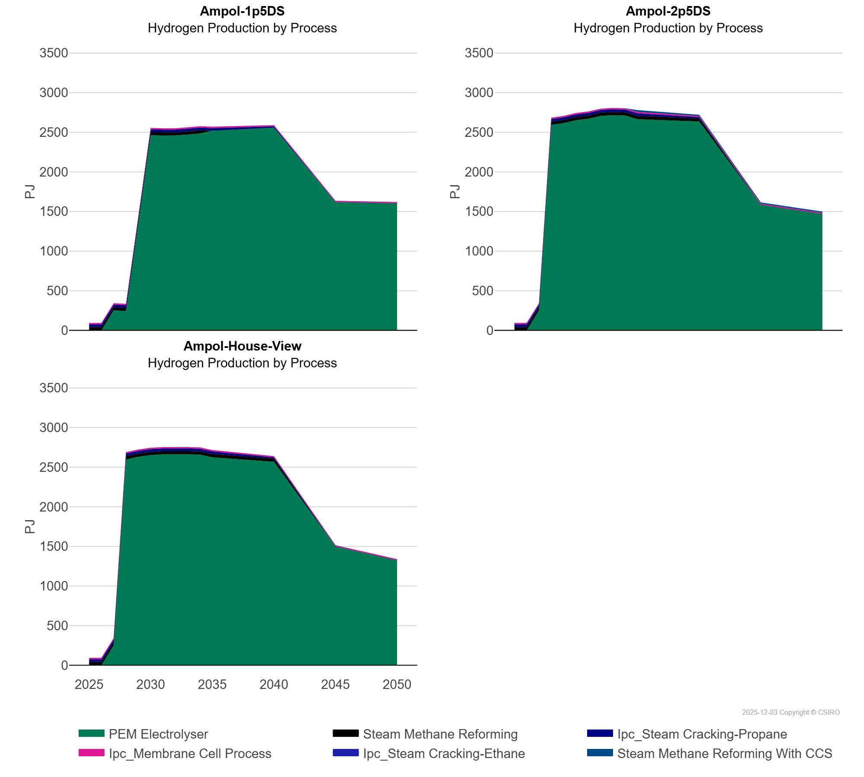
 | Ipc_Steam Cracking-Ethane | PJ | 0.21 | 0.20 | 0.25 | 0.36 | 0.37 | 0.37 | 0.44 | 0.45 | 0.45 | 0.45 | 0.46 | 1.37 | 2.95 | 3.01
 | Ipc_Steam Cracking-Propane | PJ | 34.50 | 34.57 | 33.39 | 33.51 | 33.54 | 34.04 | 33.39 | 33.39 | 33.39 | 33.39 | 33.39 | 14.72 | 0.00 | 0.00
 | PEM Electrolyser | PJ | 0.00 | 0.00 | 251.12 | 242.14 | 1,345.40 | 2,462.78 | 2,459.24 | 2,459.61 | 2,471.01 | 2,484.79 | 2,519.85 | 2,559.60 | 1,618.69 | 1,603.36
 | Steam Methane Reforming | PJ | 41.16 | 41.17 | 41.06 | 41.12 | 41.14 | 41.16 | 41.16 | 41.07 | 41.06 | 41.06 | 0.00 | 0.00 | 0.00 | 0.00
Ampol-2p5DS | Ipc_Membrane Cell Process | PJ | 16.82 | 16.82 | 15.87 | 15.87 | 15.86 | 15.86 | 15.86 | 15.87 | 15.87 | 15.87 | 15.87 | 13.71 | 12.20 | 12.20
 | Ipc_Steam Cracking-Ethane | PJ | 0.21 | 0.20 | 0.25 | 0.34 | 0.34 | 0.34 | 0.34 | 0.34 | 0.33 | 0.33 | 0.33 | 0.92 | 2.39 | 2.31
 | Ipc_Steam Cracking-Propane | PJ | 34.50 | 34.57 | 33.39 | 33.39 | 33.39 | 33.39 | 33.39 | 33.39 | 33.39 | 33.39 | 33.39 | 14.72 | 0.00 | 0.00
 | PEM Electrolyser | PJ | 0.00 | 0.00 | 251.12 | 2,593.02 | 2,615.04 | 2,651.85 | 2,670.85 | 2,706.06 | 2,715.60 | 2,710.89 | 2,665.04 | 2,635.29 | 1,584.56 | 1,468.23
 | Steam Methane Reforming | PJ | 41.16 | 41.17 | 41.06 | 41.06 | 41.06 | 41.09 | 41.10 | 41.10 | 41.10 | 41.10 | 41.10 | 41.06 | 0.00 | 0.00
 | Steam Methane Reforming With CCS | PJ | 0.00 | 0.00 | 0.00 | 0.00 | 0.00 | 0.00 | 0.00 | 0.00 | 0.00 | 0.00 | 22.91 | 15.28 | 15.28 | 15.28
Ampol-House-View | Ipc_Membrane Cell Process | PJ | 16.82 | 16.82 | 15.87 | 15.87 | 15.86 | 15.86 | 15.86 | 15.85 | 15.85 | 15.85 | 15.85 | 13.72 | 12.20 | 12.20
 | Ipc_Steam Cracking-Ethane | PJ | 0.21 | 0.20 | 0.25 | 0.34 | 0.34 | 0.34 | 0.34 | 0.34 | 0.33 | 0.33 | 0.33 | 0.92 | 2.39 | 2.31
 | Ipc_Steam Cracking-Propane | PJ | 34.50 | 34.57 | 33.39 | 33.39 | 33.39 | 33.39 | 33.39 | 33.39 | 33.39 | 33.39 | 33.39 | 14.72 | 0.00 | 0.00
 | PEM Electrolyser | PJ | 0.00 | 0.00 | 251.12 | 2,598.81 | 2,631.80 | 2,653.43 | 2,662.37 | 2,664.94 | 2,662.77 | 2,658.30 | 2,625.16 | 2,568.47 | 1,499.70 | 1,324.17
 | Steam Methane Reforming | PJ | 41.16 | 41.17 | 41.06 | 41.06 | 41.06 | 41.09 | 41.09 | 41.10 | 41.10 | 41.10 | 41.09 | 41.06 | 0.00 | 0.00
 | Steam Methane Reforming With CCS | PJ | 0.00 | 0.00 | 0.00 | 0.00 | 0.00 | 0.00 | 0.00 | 0.00 | 0.00 | 0.00 | 0.00 | 0.00 | 0.00 | 0.00

