Aluminium Energy Use by Fuel
 |  |  | 2025 | 2026 | 2027 | 2028 | 2029 | 2030 | 2031 | 2032 | 2033 | 2034 | 2035 | 2040 | 2045 | 2050
scen | commodity_fuel1 | unit
Ampol-1p5DS | Coal - Black Coal | PJ | 3.64 | 3.63 | 3.62 | 3.30 | 2.74 | 2.17 | 2.01 | 1.67 | 1.67 | 1.67 | 0.44 | 0.00 | 0.00 | 0.00
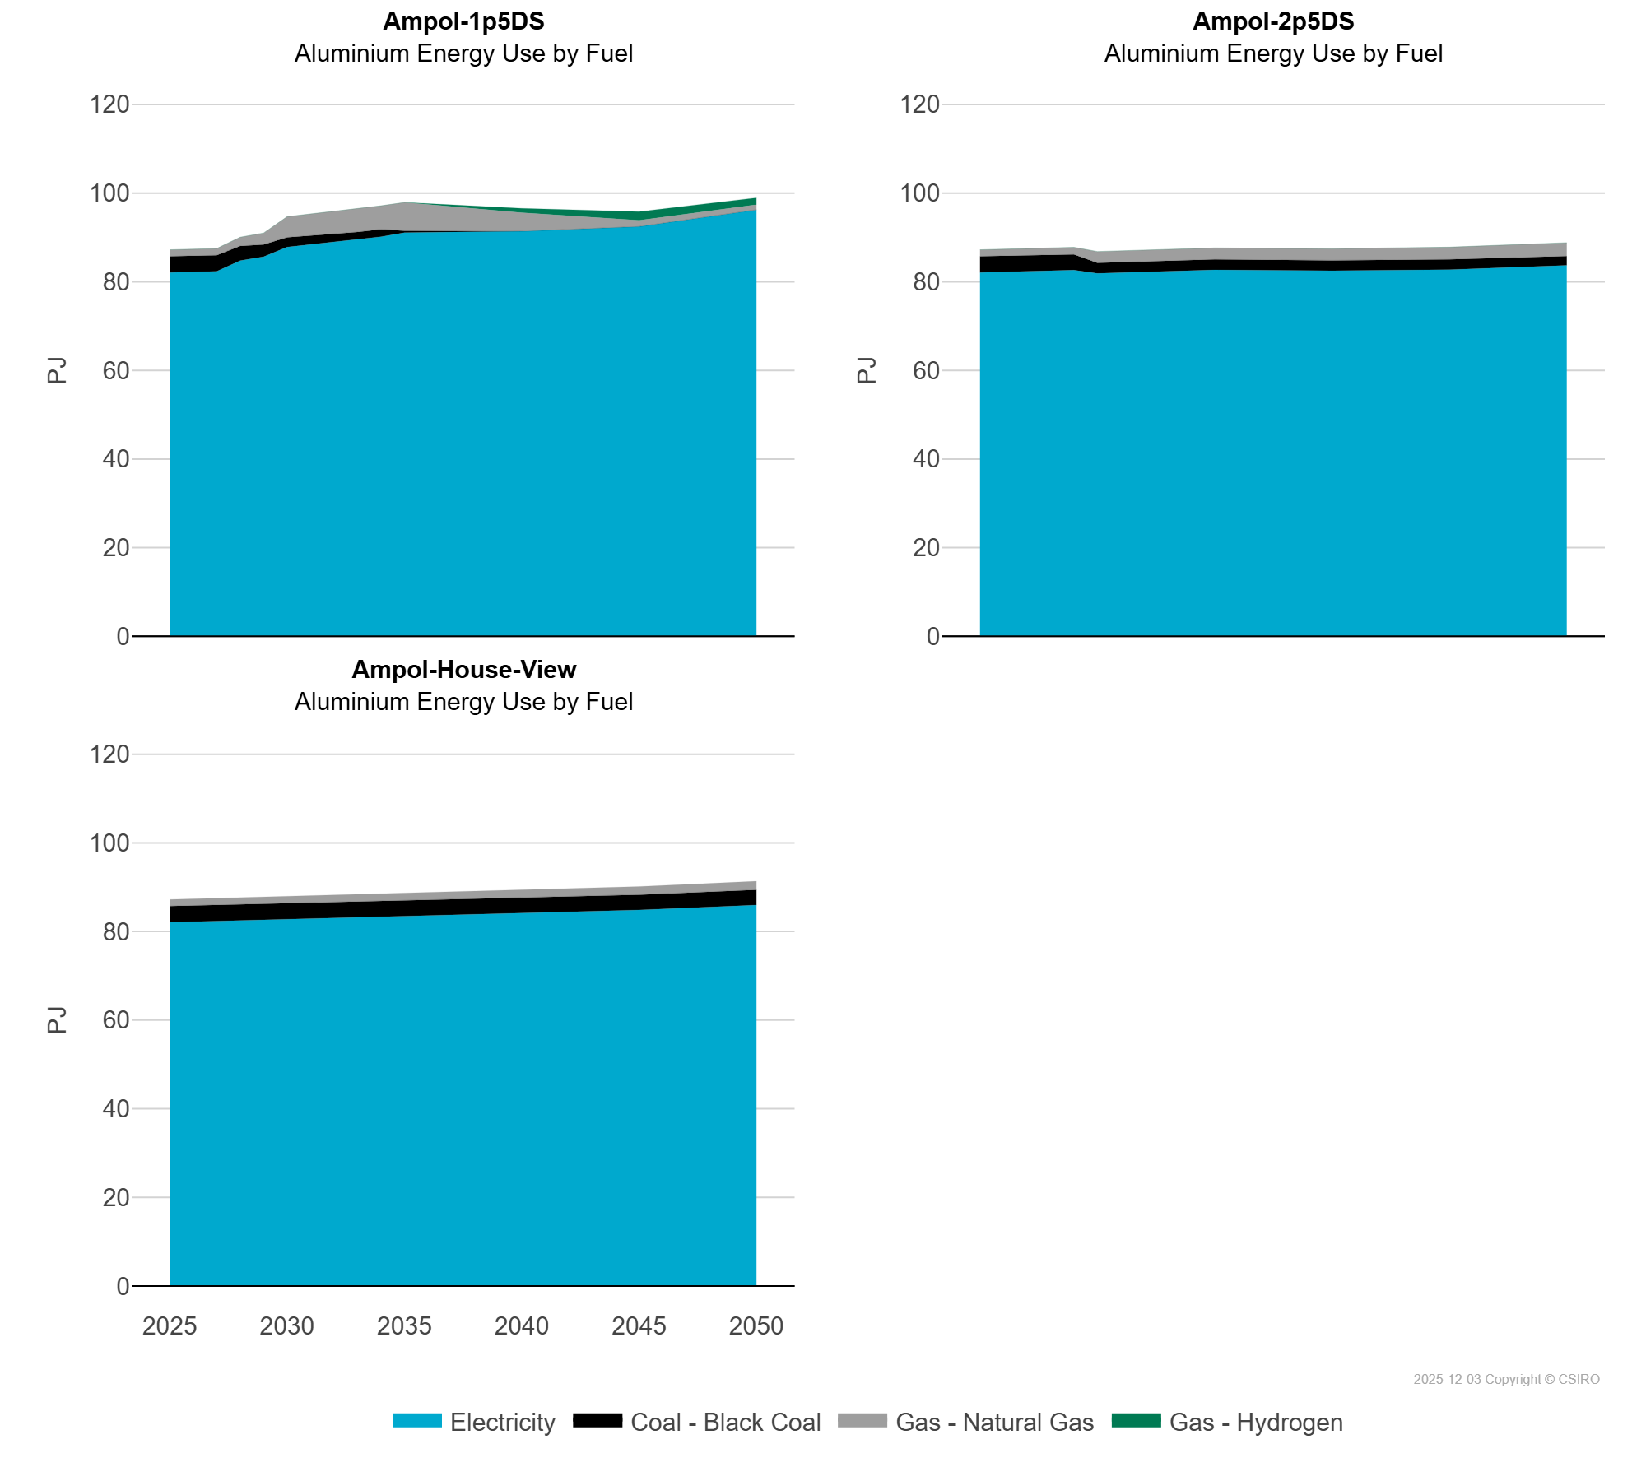
 | Electricity | PJ | 82.08 | 82.21 | 82.35 | 84.75 | 85.65 | 87.83 | 88.36 | 88.96 | 89.54 | 90.17 | 91.06 | 91.38 | 92.45 | 96.24
 | Gas - Hydrogen | PJ | 0.00 | 0.00 | 0.00 | 0.00 | 0.00 | 0.00 | 0.00 | 0.00 | 0.00 | 0.00 | 0.00 | 1.00 | 1.97 | 1.57
 | Gas - Natural Gas | PJ | 1.49 | 1.51 | 1.53 | 2.00 | 2.61 | 4.68 | 4.87 | 5.23 | 5.25 | 5.29 | 6.38 | 4.18 | 1.40 | 1.13
Ampol-2p5DS | Coal - Black Coal | PJ | 3.64 | 3.63 | 3.62 | 3.62 | 3.53 | 2.37 | 2.37 | 2.37 | 2.36 | 2.36 | 2.36 | 2.33 | 2.30 | 2.07
 | Electricity | PJ | 82.08 | 82.21 | 82.35 | 82.48 | 82.61 | 81.87 | 82.03 | 82.19 | 82.44 | 82.58 | 82.67 | 82.50 | 82.73 | 83.69
 | Gas - Hydrogen | PJ | 0.00 | 0.00 | 0.00 | 0.00 | 0.00 | 0.00 | 0.00 | 0.00 | 0.00 | 0.00 | 0.00 | 0.00 | 0.00 | 0.00
 | Gas - Natural Gas | PJ | 1.49 | 1.51 | 1.53 | 1.55 | 1.64 | 2.58 | 2.53 | 2.55 | 2.60 | 2.61 | 2.61 | 2.64 | 2.78 | 3.04
Ampol-House-View | Coal - Black Coal | PJ | 3.64 | 3.63 | 3.62 | 3.62 | 3.61 | 3.60 | 3.59 | 3.58 | 3.57 | 3.56 | 3.55 | 3.47 | 3.43 | 3.41
 | Electricity | PJ | 82.08 | 82.21 | 82.35 | 82.49 | 82.63 | 82.77 | 82.91 | 83.04 | 83.18 | 83.32 | 83.46 | 84.06 | 84.87 | 85.97
 | Gas - Hydrogen | PJ | 0.00 | 0.00 | 0.00 | 0.00 | 0.00 | 0.00 | 0.00 | 0.00 | 0.00 | 0.00 | 0.00 | 0.00 | 0.00 | 0.00
 | Gas - Natural Gas | PJ | 1.49 | 1.51 | 1.53 | 1.55 | 1.56 | 1.65 | 1.60 | 1.62 | 1.63 | 1.65 | 1.67 | 1.74 | 1.83 | 1.94

