Aluminium Production by Proces
 |  |  | 2025 | 2026 | 2027 | 2028 | 2029 | 2030 | 2031 | 2032 | 2033 | 2034 | 2035 | 2040 | 2045 | 2050
scen | process | unit
Ampol-1p5DS | Hall-Héroult (Inert Anode - Metal-Oxide) | Mt | 0.00 | 0.00 | 0.00 | 0.00 | 0.00 | 0.02 | 0.03 | 0.04 | 0.05 | 0.05 | 0.06 | 0.57 | 1.03 | 1.26
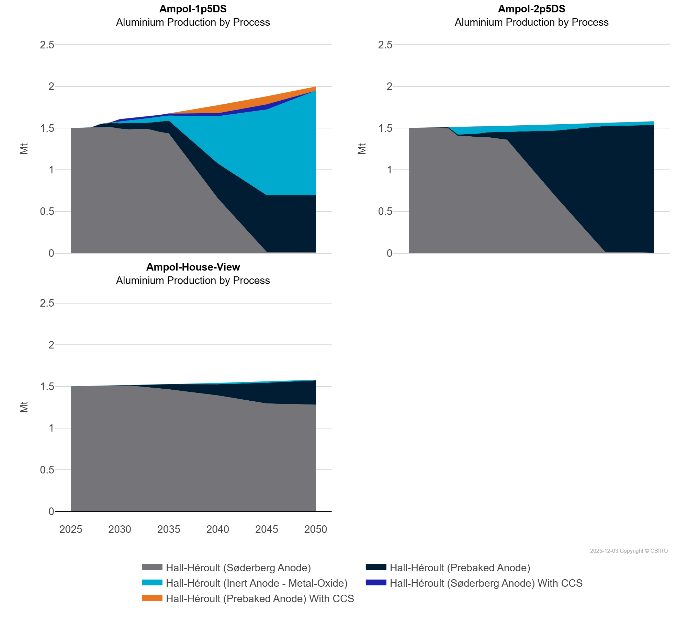
 | Hall-Héroult (Prebaked Anode) | Mt | 0.00 | 0.00 | 0.00 | 0.03 | 0.05 | 0.06 | 0.08 | 0.08 | 0.08 | 0.12 | 0.15 | 0.42 | 0.68 | 0.68
 | Hall-Héroult (Prebaked Anode) With CCS | Mt | 0.00 | 0.00 | 0.00 | 0.00 | 0.00 | 0.00 | 0.00 | 0.00 | 0.00 | 0.00 | 0.00 | 0.10 | 0.10 | 0.05
 | Hall-Héroult (Søderberg Anode) | Mt | 1.50 | 1.50 | 1.50 | 1.51 | 1.51 | 1.49 | 1.48 | 1.49 | 1.48 | 1.46 | 1.44 | 0.66 | 0.01 | 0.01
 | Hall-Héroult (Søderberg Anode) With CCS | Mt | 0.00 | 0.00 | 0.00 | 0.00 | 0.00 | 0.03 | 0.03 | 0.03 | 0.03 | 0.03 | 0.03 | 0.04 | 0.06 | 0.00
Ampol-2p5DS | Hall-Héroult (Inert Anode - Metal-Oxide) | Mt | 0.00 | 0.00 | 0.00 | 0.00 | 0.00 | 0.09 | 0.09 | 0.08 | 0.07 | 0.07 | 0.08 | 0.07 | 0.04 | 0.04
 | Hall-Héroult (Prebaked Anode) | Mt | 0.00 | 0.00 | 0.00 | 0.01 | 0.01 | 0.02 | 0.03 | 0.04 | 0.06 | 0.07 | 0.09 | 0.80 | 1.51 | 1.53
 | Hall-Héroult (Prebaked Anode) With CCS | Mt | 0.00 | 0.00 | 0.00 | 0.00 | 0.00 | 0.00 | 0.00 | 0.00 | 0.00 | 0.00 | 0.00 | 0.00 | 0.00 | 0.00
 | Hall-Héroult (Søderberg Anode) | Mt | 1.50 | 1.50 | 1.50 | 1.50 | 1.50 | 1.40 | 1.40 | 1.39 | 1.39 | 1.38 | 1.36 | 0.67 | 0.02 | 0.00
 | Hall-Héroult (Søderberg Anode) With CCS | Mt | 0.00 | 0.00 | 0.00 | 0.00 | 0.00 | 0.00 | 0.00 | 0.00 | 0.00 | 0.00 | 0.00 | 0.00 | 0.00 | 0.00
Ampol-House-View | Hall-Héroult (Inert Anode - Metal-Oxide) | Mt | 0.00 | 0.00 | 0.00 | 0.00 | 0.00 | 0.00 | 0.00 | 0.00 | 0.00 | 0.00 | 0.00 | 0.02 | 0.02 | 0.01
 | Hall-Héroult (Prebaked Anode) | Mt | 0.00 | 0.00 | 0.00 | 0.00 | 0.00 | 0.00 | 0.00 | 0.02 | 0.03 | 0.05 | 0.06 | 0.13 | 0.25 | 0.29
 | Hall-Héroult (Søderberg Anode) | Mt | 1.50 | 1.50 | 1.50 | 1.51 | 1.51 | 1.51 | 1.51 | 1.50 | 1.49 | 1.48 | 1.47 | 1.39 | 1.30 | 1.28

