Industry Emissions and Capture
 |  |  | 2025 | 2026 | 2027 | 2028 | 2029 | 2030 | 2031 | 2032 | 2033 | 2034 | 2035 | 2040 | 2045 | 2050
scen | commodity_type | unit
Ampol-1p5DS | Captured Emissions | Mt CO₂-e | 0.00 | 0.00 | 0.00 | -0.03 | -0.03 | -0.22 | -0.22 | -0.22 | -0.22 | -0.22 | -0.21 | -0.29 | -0.36 | -0.19
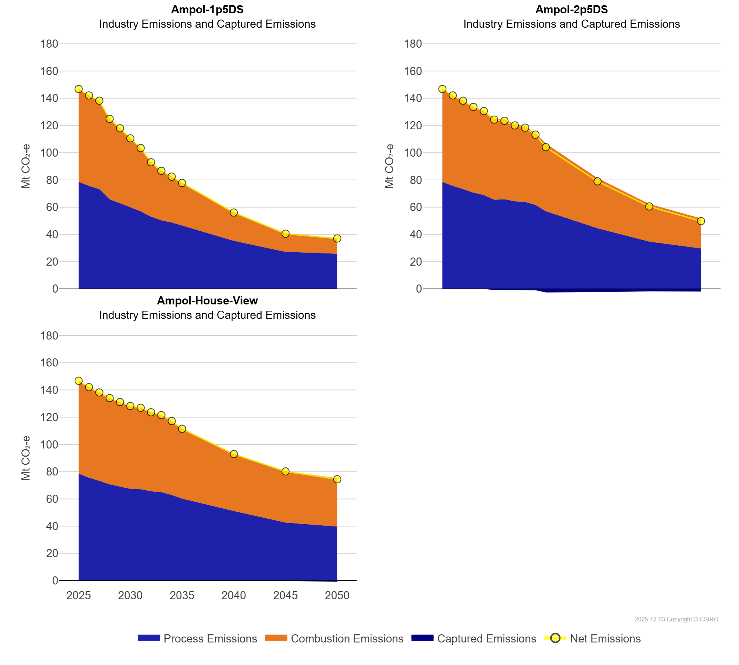
 | Combustion Emissions | Mt CO₂-e | 68.19 | 66.50 | 64.98 | 59.11 | 55.07 | 50.92 | 46.76 | 40.29 | 36.59 | 33.90 | 31.44 | 21.08 | 13.66 | 11.43
 | Process Emissions | Mt CO₂-e | 78.57 | 75.56 | 73.22 | 65.78 | 62.90 | 59.83 | 56.87 | 52.91 | 50.28 | 48.73 | 46.50 | 35.26 | 27.19 | 25.78
Ampol-2p5DS | Captured Emissions | Mt CO₂-e | 0.00 | 0.00 | 0.00 | 0.00 | 0.00 | -0.87 | -0.91 | -0.92 | -0.99 | -0.99 | -2.63 | -2.42 | -1.78 | -1.97
 | Combustion Emissions | Mt CO₂-e | 68.19 | 66.50 | 64.98 | 62.92 | 61.72 | 59.73 | 58.54 | 56.68 | 55.50 | 52.60 | 49.67 | 36.91 | 27.61 | 22.05
 | Process Emissions | Mt CO₂-e | 78.57 | 75.56 | 73.22 | 70.66 | 68.85 | 65.44 | 65.81 | 64.27 | 63.87 | 61.60 | 56.99 | 44.46 | 34.69 | 29.68
Ampol-House-View | Captured Emissions | Mt CO₂-e | 0.00 | 0.00 | 0.00 | 0.00 | 0.00 | 0.00 | -0.04 | -0.05 | -0.08 | -0.11 | -0.12 | -0.34 | -0.26 | -0.80
 | Combustion Emissions | Mt CO₂-e | 68.19 | 66.50 | 64.98 | 63.34 | 62.15 | 60.84 | 59.90 | 58.10 | 56.77 | 54.39 | 51.48 | 42.18 | 37.84 | 35.50
 | Process Emissions | Mt CO₂-e | 78.57 | 75.56 | 73.22 | 70.72 | 69.01 | 67.37 | 67.07 | 65.58 | 64.91 | 62.91 | 60.16 | 51.07 | 42.59 | 39.70

