Industry Energy Use by Fuel
 |  |  | 2025 | 2026 | 2027 | 2028 | 2029 | 2030 | 2031 | 2032 | 2033 | 2034 | 2035 | 2040 | 2045 | 2050
scen | commodity_fuel1 | unit
Ampol-1p5DS | Biomass | PJ | 90.90 | 89.07 | 87.40 | 88.85 | 87.46 | 85.96 | 84.01 | 82.10 | 80.36 | 78.66 | 77.00 | 71.53 | 64.32 | 57.27
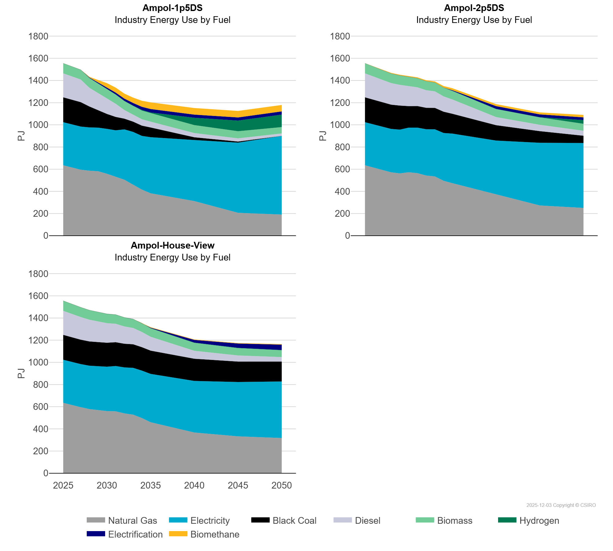
 | Biomethane | PJ | 0.00 | 0.00 | 0.00 | 5.38 | 21.42 | 37.98 | 44.89 | 44.92 | 48.93 | 54.51 | 60.11 | 59.24 | 58.78 | 58.26
 | Black Coal | PJ | 224.01 | 222.53 | 220.33 | 189.02 | 157.08 | 134.74 | 120.47 | 96.47 | 92.64 | 92.64 | 87.68 | 24.59 | 9.86 | 0.40
 | Diesel | PJ | 216.52 | 209.22 | 204.40 | 167.94 | 154.82 | 141.18 | 119.00 | 78.13 | 63.20 | 57.21 | 52.80 | 38.21 | 29.06 | 21.46
 | Electricity | PJ | 388.94 | 389.65 | 388.89 | 390.46 | 393.40 | 405.54 | 418.46 | 454.44 | 476.23 | 484.66 | 505.74 | 551.18 | 632.53 | 709.78
 | Electrification | PJ | 0.00 | 0.00 | 0.00 | 4.00 | 8.01 | 12.01 | 16.19 | 20.27 | 24.31 | 28.32 | 30.95 | 28.12 | 28.37 | 28.63
 | Hydrogen | PJ | 0.36 | 0.54 | 0.72 | 0.64 | 0.54 | 0.24 | 0.17 | 0.30 | 0.35 | 5.40 | 5.73 | 66.63 | 95.59 | 113.14
 | Natural Gas | PJ | 634.78 | 614.37 | 595.26 | 586.03 | 580.97 | 558.13 | 532.29 | 504.29 | 459.56 | 415.56 | 382.51 | 311.62 | 206.65 | 190.28
Ampol-2p5DS | Biomass | PJ | 90.90 | 89.07 | 87.40 | 85.81 | 84.26 | 83.07 | 81.78 | 80.65 | 79.54 | 78.44 | 77.63 | 72.25 | 66.76 | 62.93
 | Biomethane | PJ | 0.00 | 0.00 | 0.00 | 5.39 | 6.26 | 6.26 | 7.29 | 8.02 | 8.95 | 13.57 | 17.97 | 17.91 | 17.79 | 21.91
 | Black Coal | PJ | 224.01 | 222.53 | 220.33 | 218.92 | 217.05 | 194.37 | 194.11 | 193.85 | 193.13 | 191.99 | 179.04 | 138.77 | 105.15 | 65.63
 | Diesel | PJ | 216.52 | 209.22 | 204.40 | 194.70 | 186.72 | 180.11 | 169.14 | 158.62 | 148.94 | 138.10 | 128.82 | 73.71 | 57.24 | 45.02
 | Electricity | PJ | 388.94 | 389.65 | 388.89 | 391.49 | 394.64 | 402.52 | 410.88 | 417.13 | 425.06 | 431.31 | 447.34 | 486.50 | 565.36 | 585.69
 | Electrification | PJ | 0.00 | 0.00 | 0.00 | 0.00 | 0.00 | 0.00 | 0.00 | 0.00 | 0.26 | 0.32 | 4.38 | 24.68 | 25.35 | 24.30
 | Hydrogen | PJ | 0.36 | 0.54 | 0.72 | 0.53 | 0.54 | 1.25 | 0.79 | 0.71 | 0.83 | 1.07 | 1.53 | 1.50 | 1.88 | 33.49
 | Natural Gas | PJ | 634.78 | 614.37 | 595.26 | 571.16 | 562.00 | 571.88 | 564.04 | 542.79 | 534.45 | 494.77 | 473.18 | 371.28 | 272.50 | 250.22
Ampol-House-View | Biomass | PJ | 90.90 | 89.07 | 87.40 | 85.81 | 84.26 | 82.66 | 81.51 | 80.38 | 79.26 | 78.16 | 77.08 | 71.80 | 66.54 | 61.59
 | Biomethane | PJ | 0.00 | 0.00 | 0.00 | 0.00 | 0.00 | 0.00 | 0.00 | 0.00 | 0.00 | 0.61 | 3.94 | 3.94 | 3.94 | 4.99
 | Black Coal | PJ | 224.01 | 222.53 | 220.33 | 218.96 | 217.59 | 216.22 | 214.94 | 213.68 | 212.45 | 211.23 | 210.02 | 200.45 | 184.40 | 179.80
 | Diesel | PJ | 216.52 | 209.22 | 204.40 | 195.58 | 186.55 | 176.66 | 166.16 | 155.94 | 147.33 | 137.32 | 124.99 | 71.86 | 55.38 | 40.48
 | Electricity | PJ | 388.94 | 389.65 | 388.89 | 391.73 | 395.76 | 400.68 | 408.49 | 414.69 | 422.64 | 428.58 | 435.78 | 465.24 | 489.96 | 509.81
 | Electrification | PJ | 0.00 | 0.00 | 0.00 | 0.00 | 0.00 | 0.00 | 0.00 | 0.00 | 0.26 | 0.32 | 4.38 | 24.68 | 39.49 | 48.02
 | Hydrogen | PJ | 0.36 | 0.54 | 0.72 | 0.88 | 1.02 | 1.16 | 1.14 | 1.12 | 1.11 | 1.23 | 1.17 | 1.56 | 1.89 | 2.09
 | Natural Gas | PJ | 634.78 | 614.37 | 595.26 | 577.98 | 569.52 | 559.99 | 558.36 | 539.49 | 527.58 | 497.14 | 459.62 | 366.99 | 332.34 | 317.50

