Iron and Steel Energy Use by F
 |  |  | 2025 | 2026 | 2027 | 2028 | 2029 | 2030 | 2031 | 2032 | 2033 | 2034 | 2035 | 2040 | 2045 | 2050
scen | commodity_fuel1 | unit
Ampol-1p5DS | Coal - Black Coal | PJ | 93.04 | 91.91 | 90.79 | 90.79 | 91.32 | 91.10 | 91.15 | 77.40 | 77.48 | 77.57 | 62.54 | 0.00 | 0.00 | 0.00
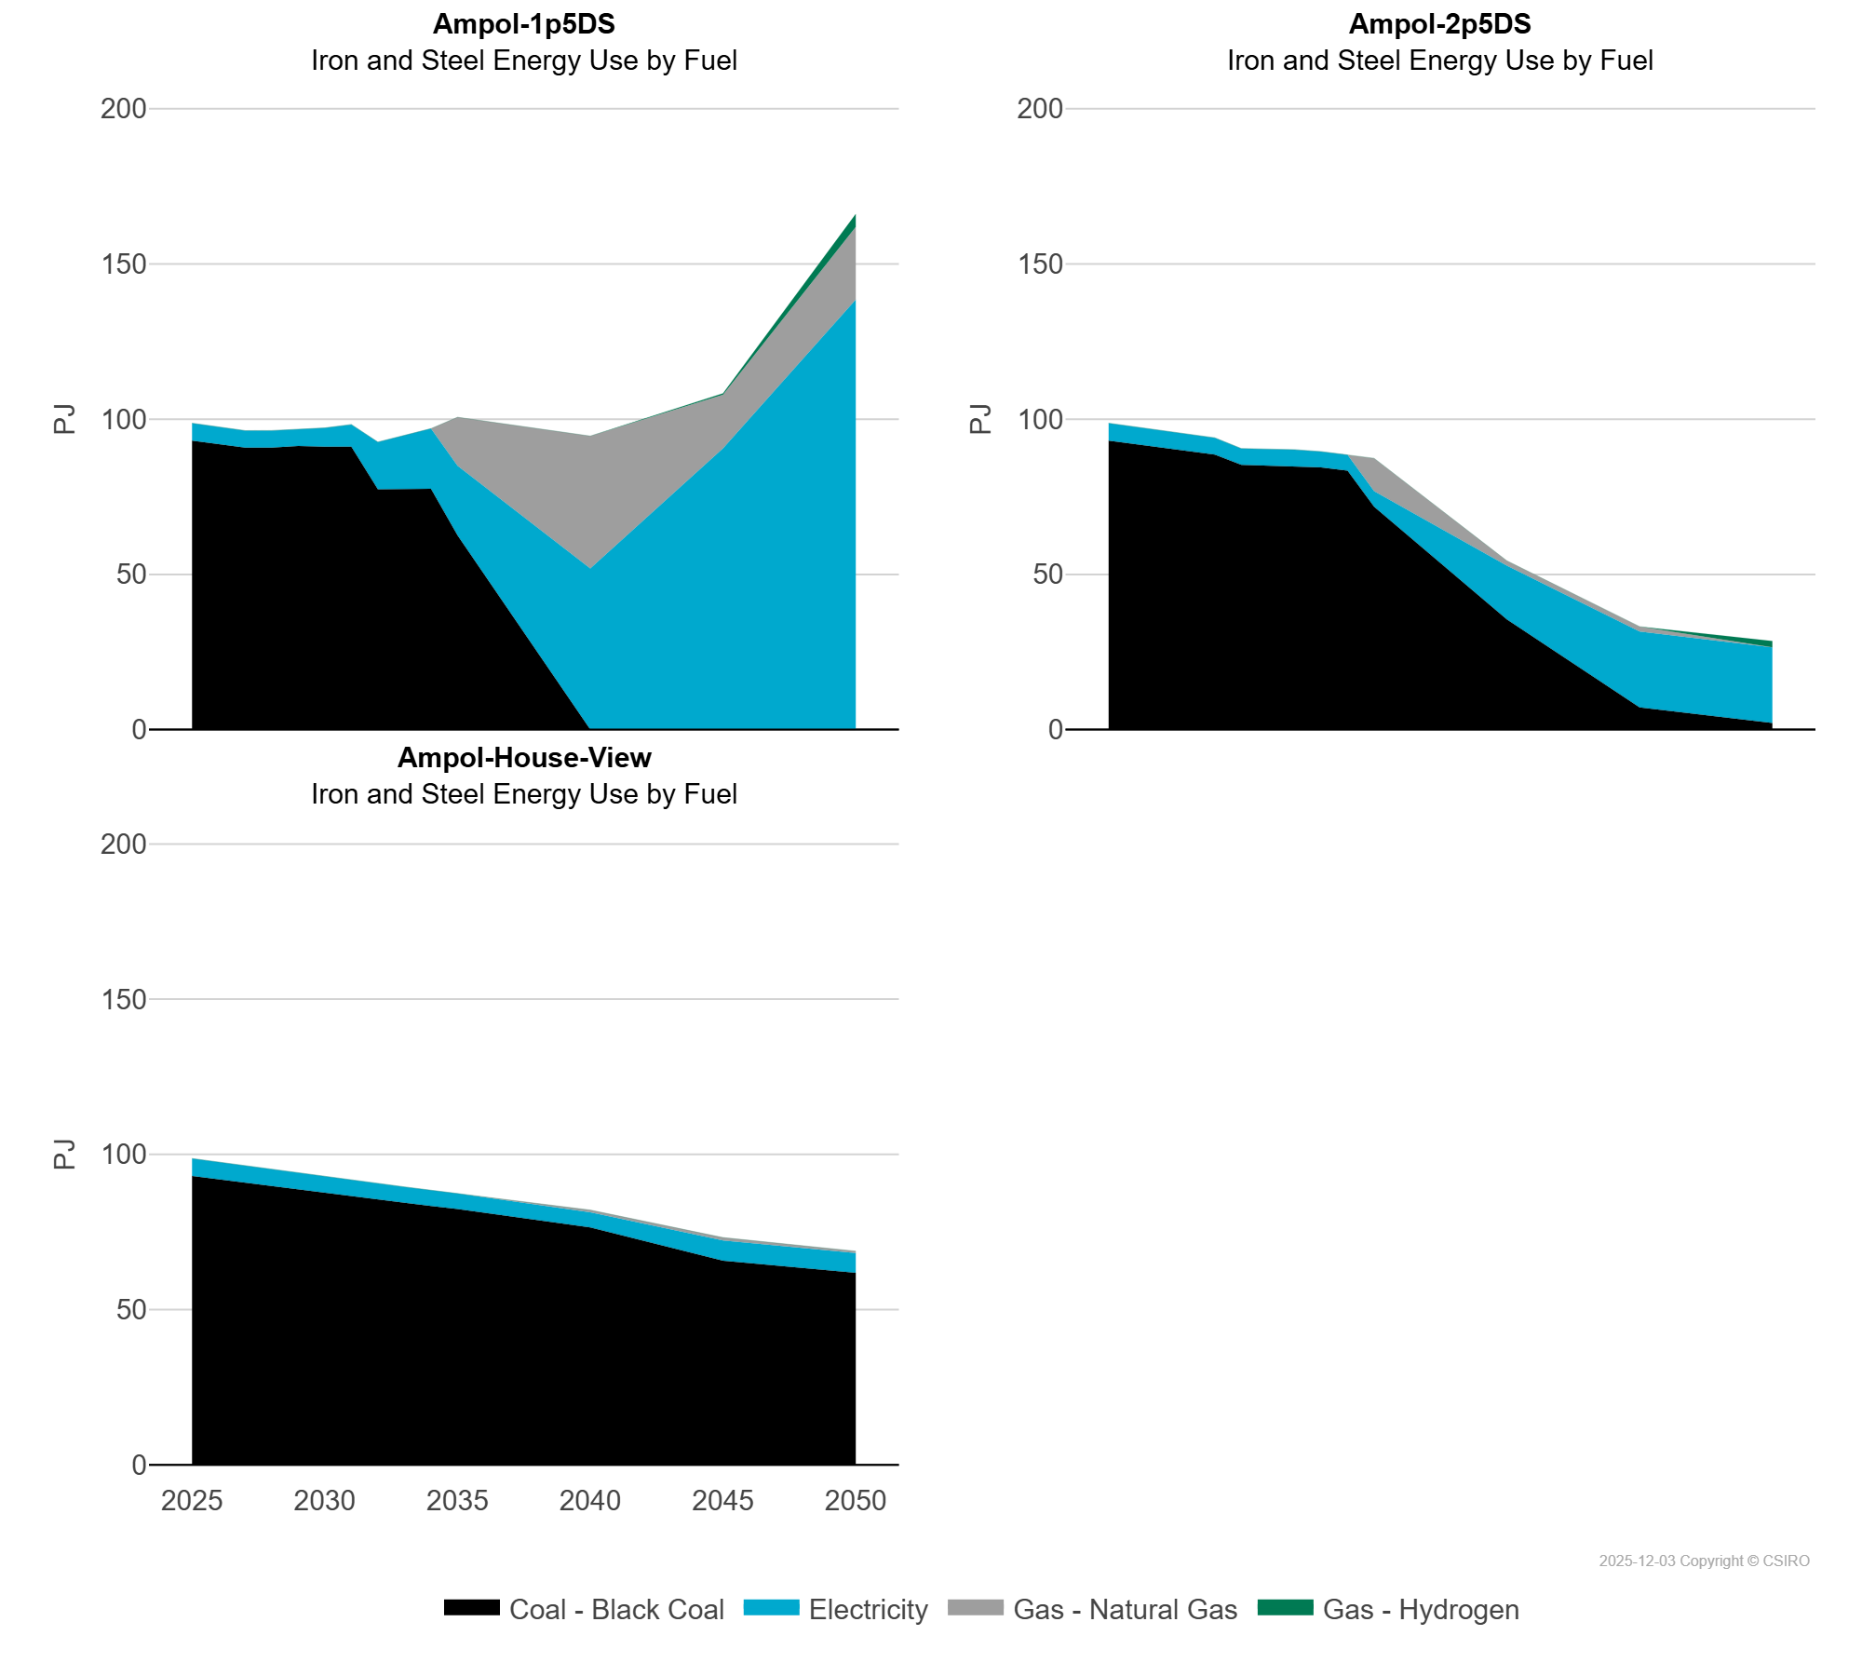
 | Electricity | PJ | 5.65 | 5.58 | 5.51 | 5.54 | 5.55 | 6.06 | 7.13 | 15.22 | 17.30 | 19.39 | 22.43 | 51.90 | 90.59 | 138.51
 | Gas - Hydrogen | PJ | 0.00 | 0.00 | 0.00 | 0.00 | 0.00 | 0.00 | 0.00 | 0.00 | 0.00 | 0.00 | 0.00 | 0.00 | 0.46 | 4.17
 | Gas - Natural Gas | PJ | 0.00 | 0.00 | 0.00 | 0.00 | 0.00 | 0.00 | 0.00 | 0.00 | 0.00 | 0.00 | 15.64 | 42.66 | 17.26 | 23.38
Ampol-2p5DS | Coal - Black Coal | PJ | 93.04 | 91.91 | 90.79 | 89.70 | 88.61 | 85.30 | 85.16 | 85.01 | 84.42 | 83.41 | 71.81 | 35.49 | 7.18 | 2.13
 | Electricity | PJ | 5.65 | 5.58 | 5.51 | 5.45 | 5.38 | 5.23 | 5.20 | 5.17 | 5.13 | 5.07 | 5.00 | 17.34 | 24.45 | 24.37
 | Gas - Hydrogen | PJ | 0.00 | 0.00 | 0.00 | 0.00 | 0.00 | 0.00 | 0.00 | 0.00 | 0.00 | 0.00 | 0.00 | 0.00 | 0.00 | 1.99
 | Gas - Natural Gas | PJ | 0.00 | 0.00 | 0.00 | 0.00 | 0.00 | 0.00 | 0.00 | 0.00 | 0.00 | 0.00 | 10.59 | 1.57 | 1.58 | 0.00
Ampol-House-View | Coal - Black Coal | PJ | 93.04 | 91.91 | 90.79 | 89.70 | 88.61 | 87.52 | 86.48 | 85.43 | 84.42 | 83.41 | 82.40 | 76.51 | 65.75 | 61.88
 | Electricity | PJ | 5.65 | 5.58 | 5.51 | 5.45 | 5.38 | 5.32 | 5.25 | 5.19 | 5.13 | 5.07 | 5.00 | 4.87 | 6.56 | 6.33
 | Gas - Hydrogen | PJ | 0.00 | 0.00 | 0.00 | 0.00 | 0.00 | 0.00 | 0.00 | 0.00 | 0.00 | 0.00 | 0.00 | 0.00 | 0.00 | 0.00
 | Gas - Natural Gas | PJ | 0.00 | 0.00 | 0.00 | 0.00 | 0.00 | 0.00 | 0.00 | 0.00 | 0.00 | 0.00 | 0.00 | 0.71 | 0.91 | 0.64

