Iron and Steel Production by P
 |  |  | 2025 | 2026 | 2027 | 2028 | 2029 | 2030 | 2031 | 2032 | 2033 | 2034 | 2035 | 2040 | 2045 | 2050
scen | commodity_real | unit
Ampol-1p5DS | Ausmarket_Fesponge - Sponge Iron | Mt | 0.00 | 0.00 | 0.00 | 0.00 | 0.00 | 0.00 | 0.00 | 0.65 | 0.90 | 1.16 | 1.56 | 4.26 | 7.41 | 13.38
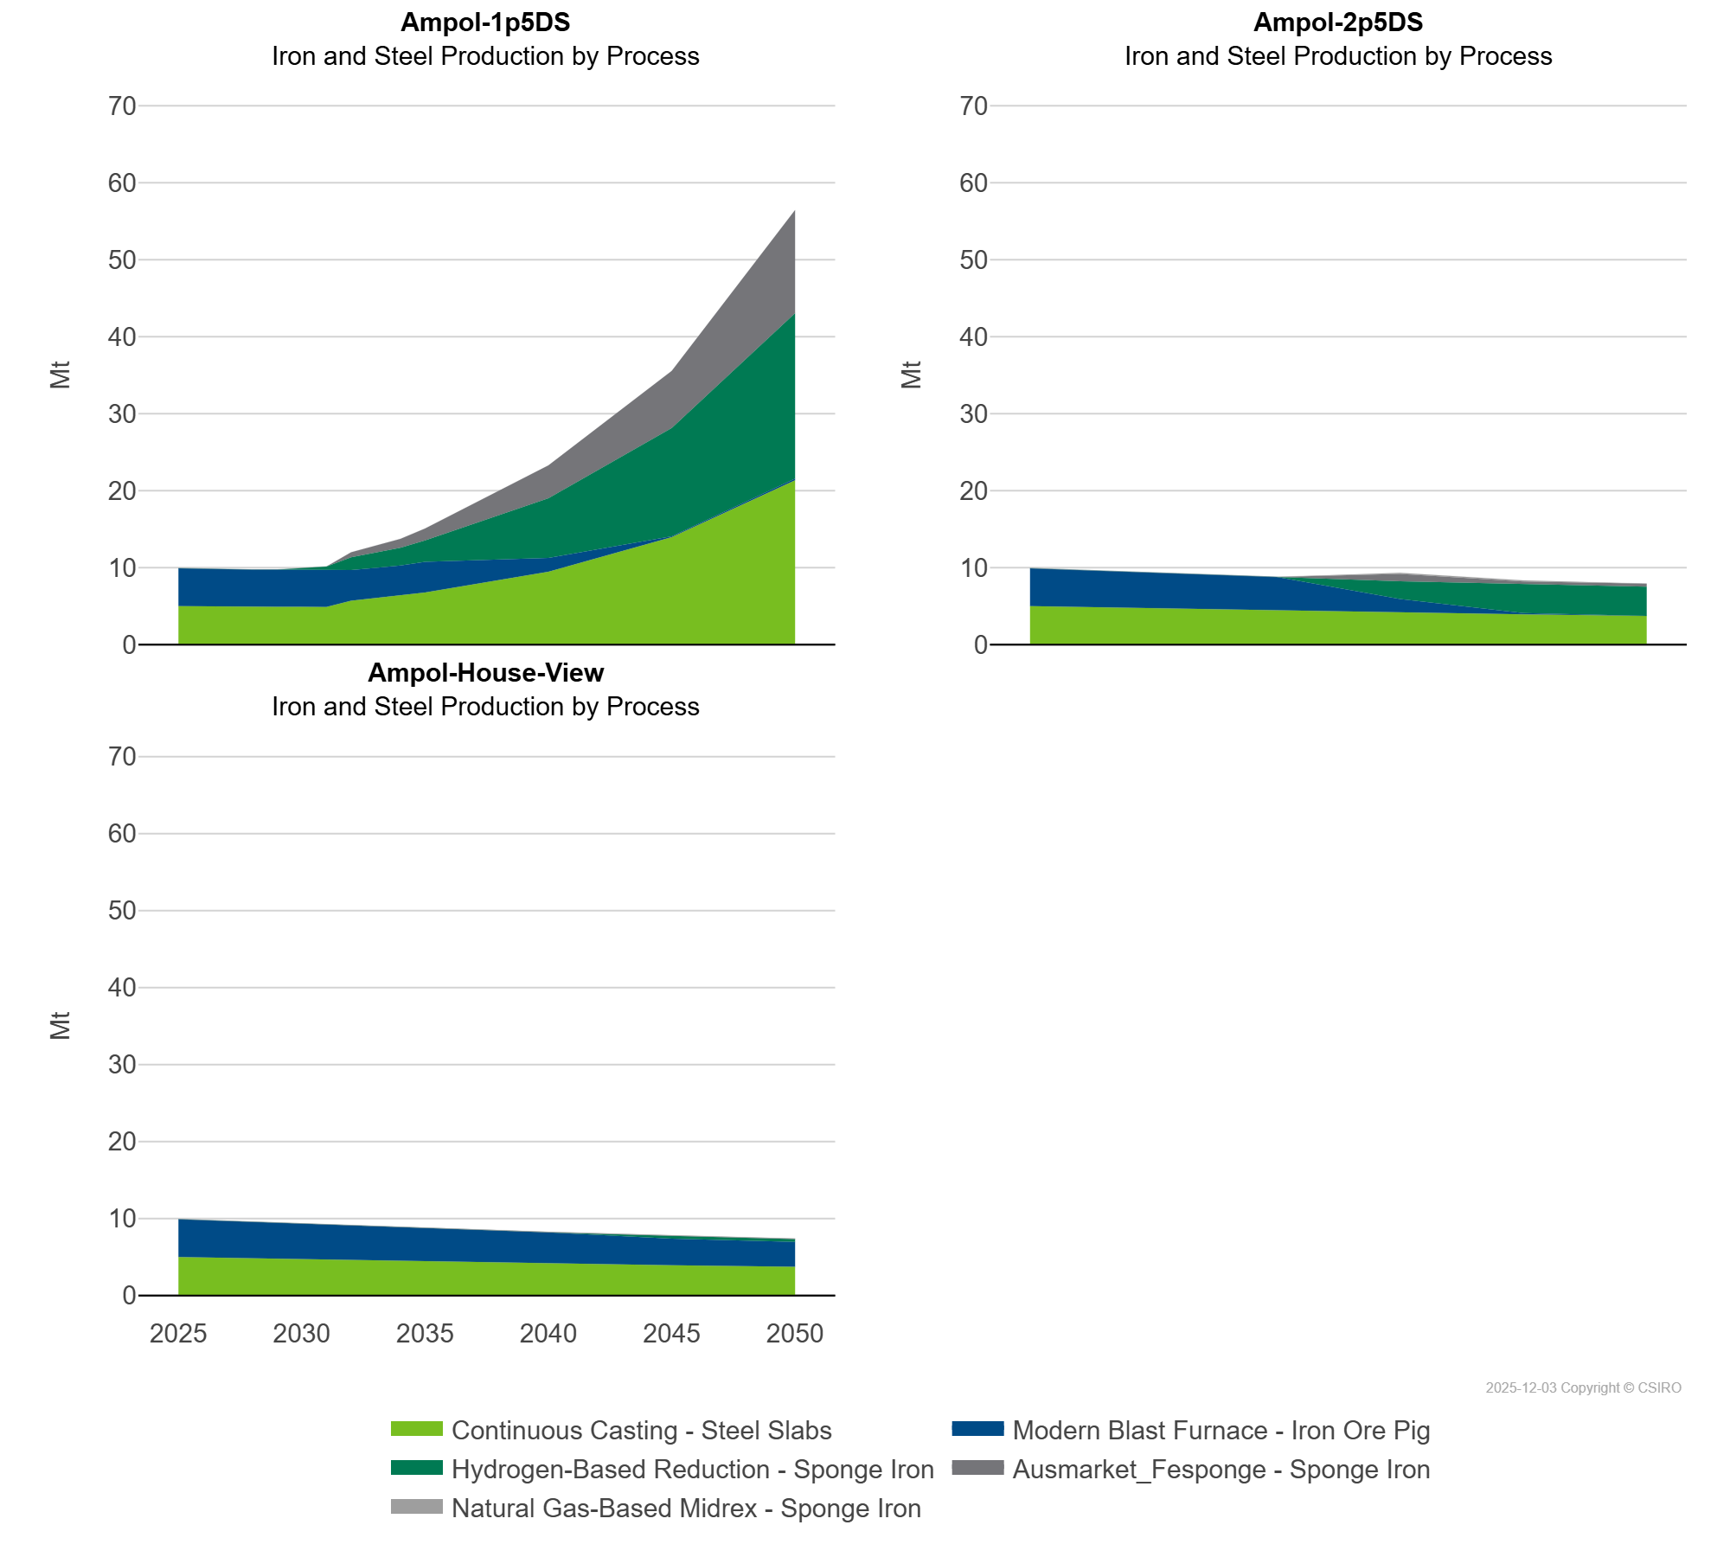
 | Continuous Casting - Steel Slabs | Mt | 5.00 | 4.94 | 4.88 | 4.93 | 4.91 | 4.89 | 4.89 | 5.69 | 5.99 | 6.30 | 6.77 | 9.45 | 13.95 | 21.35
 | Hydrogen-Based Reduction - Sponge Iron | Mt | 0.00 | 0.00 | 0.00 | 0.00 | 0.00 | 0.15 | 0.45 | 1.65 | 1.98 | 2.31 | 2.78 | 7.75 | 14.06 | 21.50
 | Modern Blast Furnace - Iron Ore Pig | Mt | 4.92 | 4.86 | 4.80 | 4.80 | 4.83 | 4.81 | 4.79 | 4.00 | 3.98 | 3.97 | 3.97 | 1.81 | 0.13 | 0.22
Ampol-2p5DS | Ausmarket_Fesponge - Sponge Iron | Mt | 0.00 | 0.00 | 0.00 | 0.00 | 0.00 | 0.00 | 0.00 | 0.00 | 0.00 | 0.00 | 0.00 | 0.96 | 0.41 | 0.39
 | Continuous Casting - Steel Slabs | Mt | 5.00 | 4.94 | 4.88 | 4.82 | 4.76 | 4.70 | 4.65 | 4.59 | 4.54 | 4.48 | 4.43 | 4.17 | 3.93 | 3.72
 | Hydrogen-Based Reduction - Sponge Iron | Mt | 0.00 | 0.00 | 0.00 | 0.00 | 0.00 | 0.00 | 0.00 | 0.00 | 0.00 | 0.00 | 0.00 | 2.31 | 3.70 | 3.79
 | Modern Blast Furnace - Iron Ore Pig | Mt | 4.92 | 4.86 | 4.80 | 4.74 | 4.68 | 4.51 | 4.50 | 4.49 | 4.46 | 4.41 | 4.35 | 1.73 | 0.16 | 0.00
 | Natural Gas-Based Midrex - Sponge Iron | Mt | 0.00 | 0.00 | 0.00 | 0.00 | 0.00 | 0.00 | 0.00 | 0.00 | 0.00 | 0.00 | 0.00 | 0.14 | 0.14 | 0.00
Ampol-House-View | Ausmarket_Fesponge - Sponge Iron | Mt | 0.00 | 0.00 | 0.00 | 0.00 | 0.00 | 0.00 | 0.00 | 0.00 | 0.00 | 0.00 | 0.00 | 0.01 | 0.01 | 0.01
 | Continuous Casting - Steel Slabs | Mt | 5.00 | 4.94 | 4.88 | 4.82 | 4.76 | 4.70 | 4.65 | 4.59 | 4.54 | 4.48 | 4.43 | 4.17 | 3.93 | 3.72
 | Hydrogen-Based Reduction - Sponge Iron | Mt | 0.00 | 0.00 | 0.00 | 0.00 | 0.00 | 0.00 | 0.00 | 0.00 | 0.00 | 0.00 | 0.00 | 0.00 | 0.37 | 0.37
 | Modern Blast Furnace - Iron Ore Pig | Mt | 4.92 | 4.86 | 4.80 | 4.74 | 4.68 | 4.62 | 4.57 | 4.51 | 4.46 | 4.41 | 4.35 | 4.04 | 3.46 | 3.25
 | Natural Gas-Based Midrex - Sponge Iron | Mt | 0.00 | 0.00 | 0.00 | 0.00 | 0.00 | 0.00 | 0.00 | 0.00 | 0.00 | 0.00 | 0.00 | 0.06 | 0.06 | 0.06

