Agriculture and Land Use Energ
 |  |  | 2025 | 2026 | 2027 | 2028 | 2029 | 2030 | 2031 | 2032 | 2033 | 2034 | 2035 | 2040 | 2045 | 2050
scen | commodity_fuel1 | unit
Ampol-1p5DS | Biofuel - Biomethane | PJ | 0.00 | 0.00 | 0.00 | 0.23 | 1.11 | 1.44 | 1.47 | 1.56 | 2.00 | 2.07 | 2.11 | 3.29 | 3.74 | 4.26
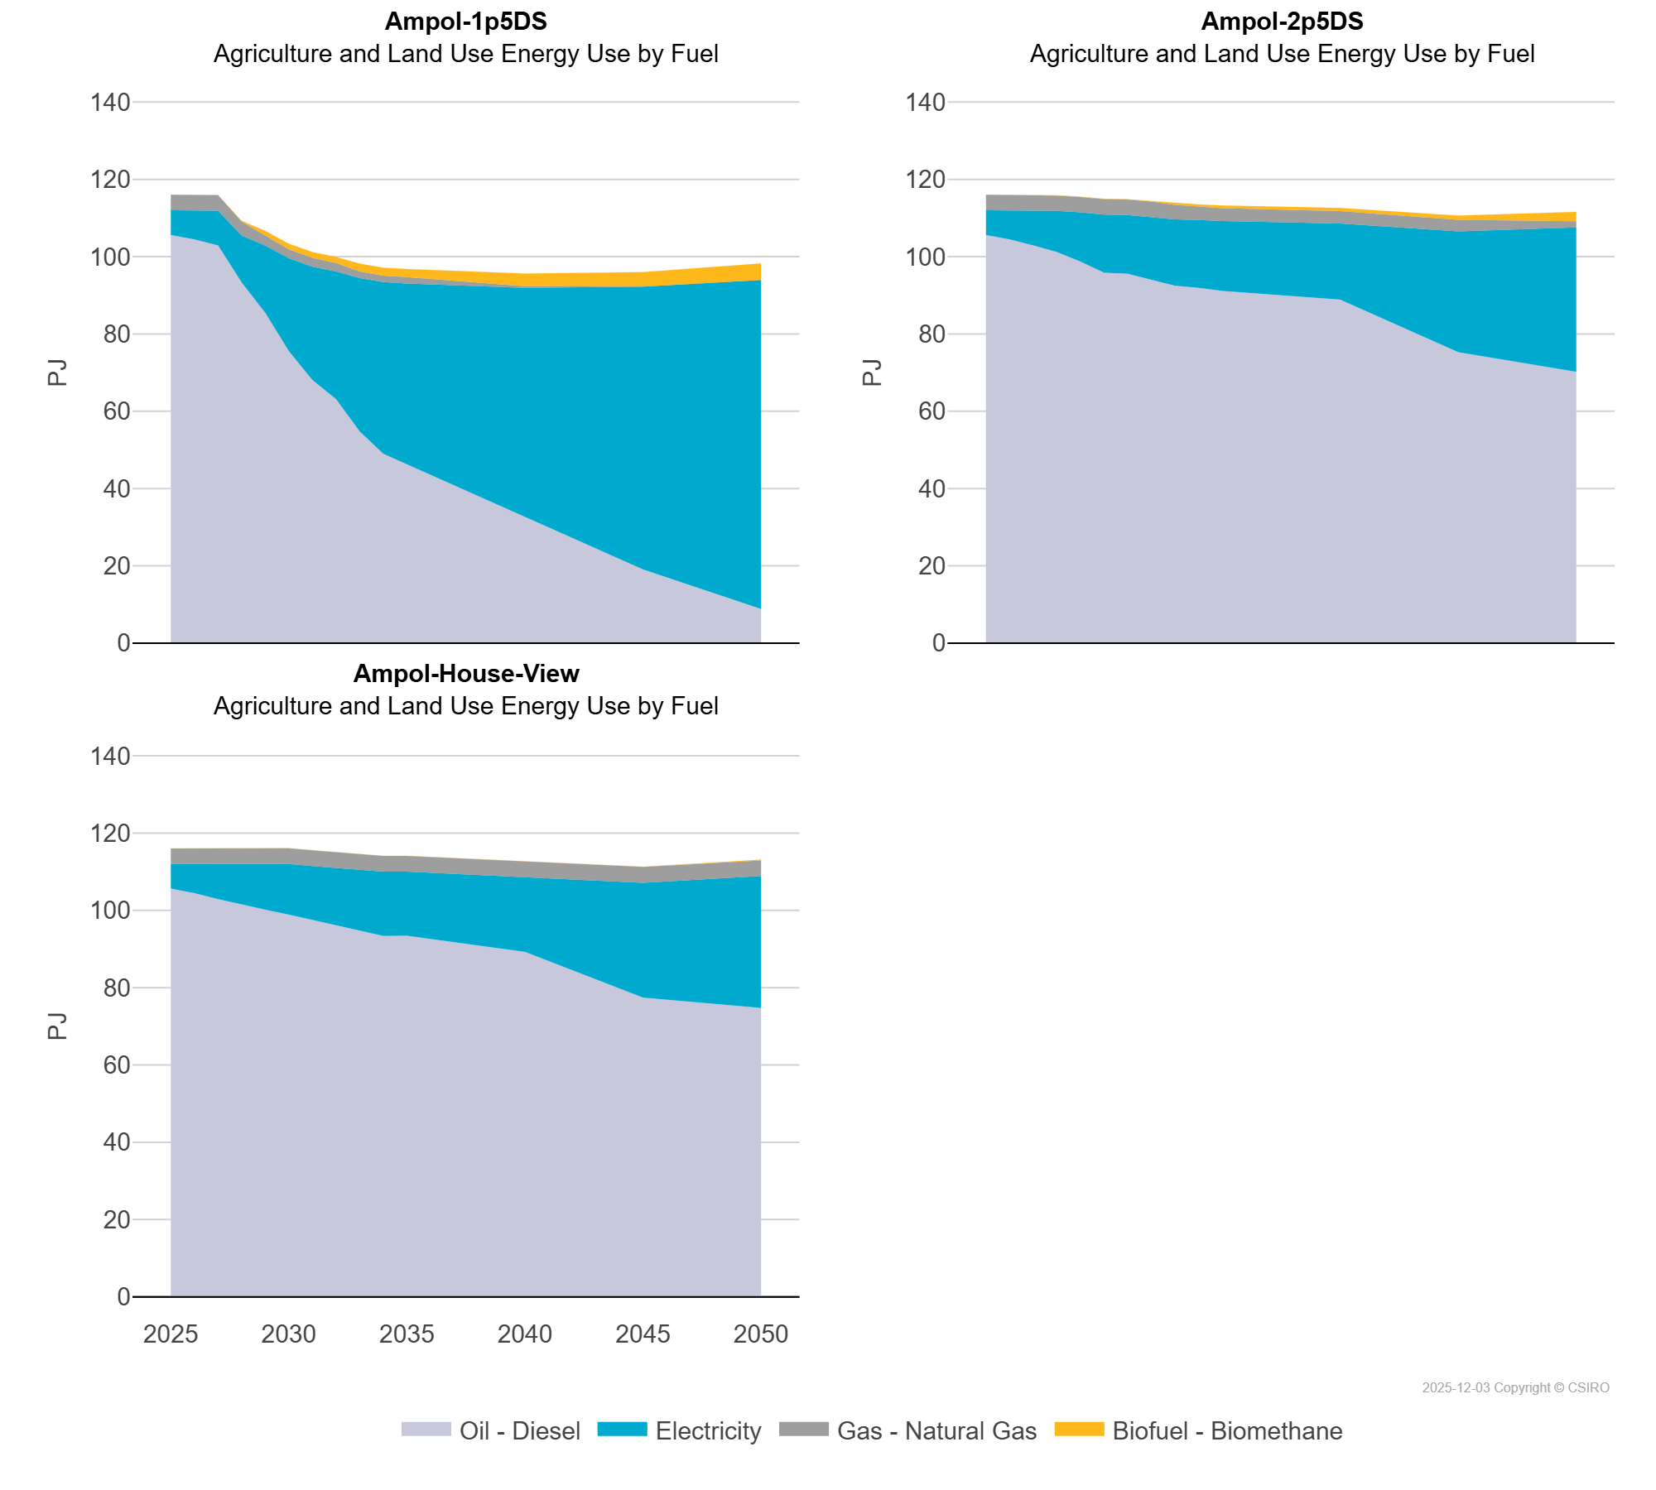
 | Electricity | PJ | 6.43 | 7.56 | 9.02 | 12.15 | 17.41 | 24.02 | 29.36 | 33.08 | 39.70 | 44.42 | 46.83 | 59.43 | 73.20 | 85.16
 | Gas - Natural Gas | PJ | 3.97 | 3.98 | 4.00 | 3.58 | 2.69 | 2.33 | 2.28 | 2.18 | 1.73 | 1.66 | 1.62 | 0.44 | 0.03 | 0.01
 | Oil - Diesel | PJ | 105.61 | 104.44 | 102.92 | 93.35 | 85.47 | 75.56 | 68.06 | 63.10 | 54.75 | 49.01 | 46.25 | 32.50 | 19.05 | 8.81
Ampol-2p5DS | Biofuel - Biomethane | PJ | 0.00 | 0.00 | 0.00 | 0.04 | 0.03 | 0.03 | 0.03 | 0.05 | 0.32 | 0.40 | 0.71 | 0.77 | 1.07 | 2.44
 | Electricity | PJ | 6.43 | 7.56 | 9.02 | 10.63 | 12.75 | 15.06 | 15.21 | 16.11 | 17.24 | 17.58 | 18.14 | 19.71 | 31.29 | 37.38
 | Gas - Natural Gas | PJ | 3.97 | 3.98 | 4.00 | 3.98 | 4.00 | 4.00 | 4.01 | 3.99 | 3.71 | 3.62 | 3.29 | 3.24 | 3.00 | 1.57
 | Oil - Diesel | PJ | 105.61 | 104.44 | 102.92 | 101.20 | 98.72 | 95.85 | 95.58 | 94.17 | 92.45 | 91.92 | 91.10 | 88.87 | 75.25 | 70.22
Ampol-House-View | Biofuel - Biomethane | PJ | 0.00 | 0.00 | 0.00 | 0.00 | 0.00 | 0.00 | 0.00 | 0.00 | 0.00 | 0.00 | 0.00 | 0.01 | 0.01 | 0.21
 | Electricity | PJ | 6.43 | 7.56 | 9.02 | 10.49 | 11.82 | 13.11 | 13.97 | 14.94 | 15.80 | 16.63 | 16.63 | 19.41 | 29.74 | 34.17
 | Gas - Natural Gas | PJ | 3.97 | 3.98 | 4.00 | 4.02 | 4.04 | 4.06 | 4.05 | 4.05 | 4.05 | 4.05 | 4.05 | 4.02 | 4.13 | 4.00
 | Oil - Diesel | PJ | 105.61 | 104.44 | 102.92 | 101.44 | 100.18 | 98.89 | 97.52 | 96.00 | 94.67 | 93.39 | 93.40 | 89.25 | 77.40 | 74.75

