Chemical Captured Emissions by
 |  |  | 2025 | 2026 | 2027 | 2028 | 2029 | 2030 | 2031 | 2032 | 2033 | 2034 | 2035 | 2040 | 2045 | 2050
scen | process | unit
Ampol-1p5DS | Ipc_Blr_Coal With CCS | Mt CO₂-e | 0.00 | 0.00 | 0.00 | 0.00 | 0.00 | 0.00 | 0.00 | 0.00 | 0.00 | 0.00 | 0.00 | 0.00 | 0.00 | 0.00
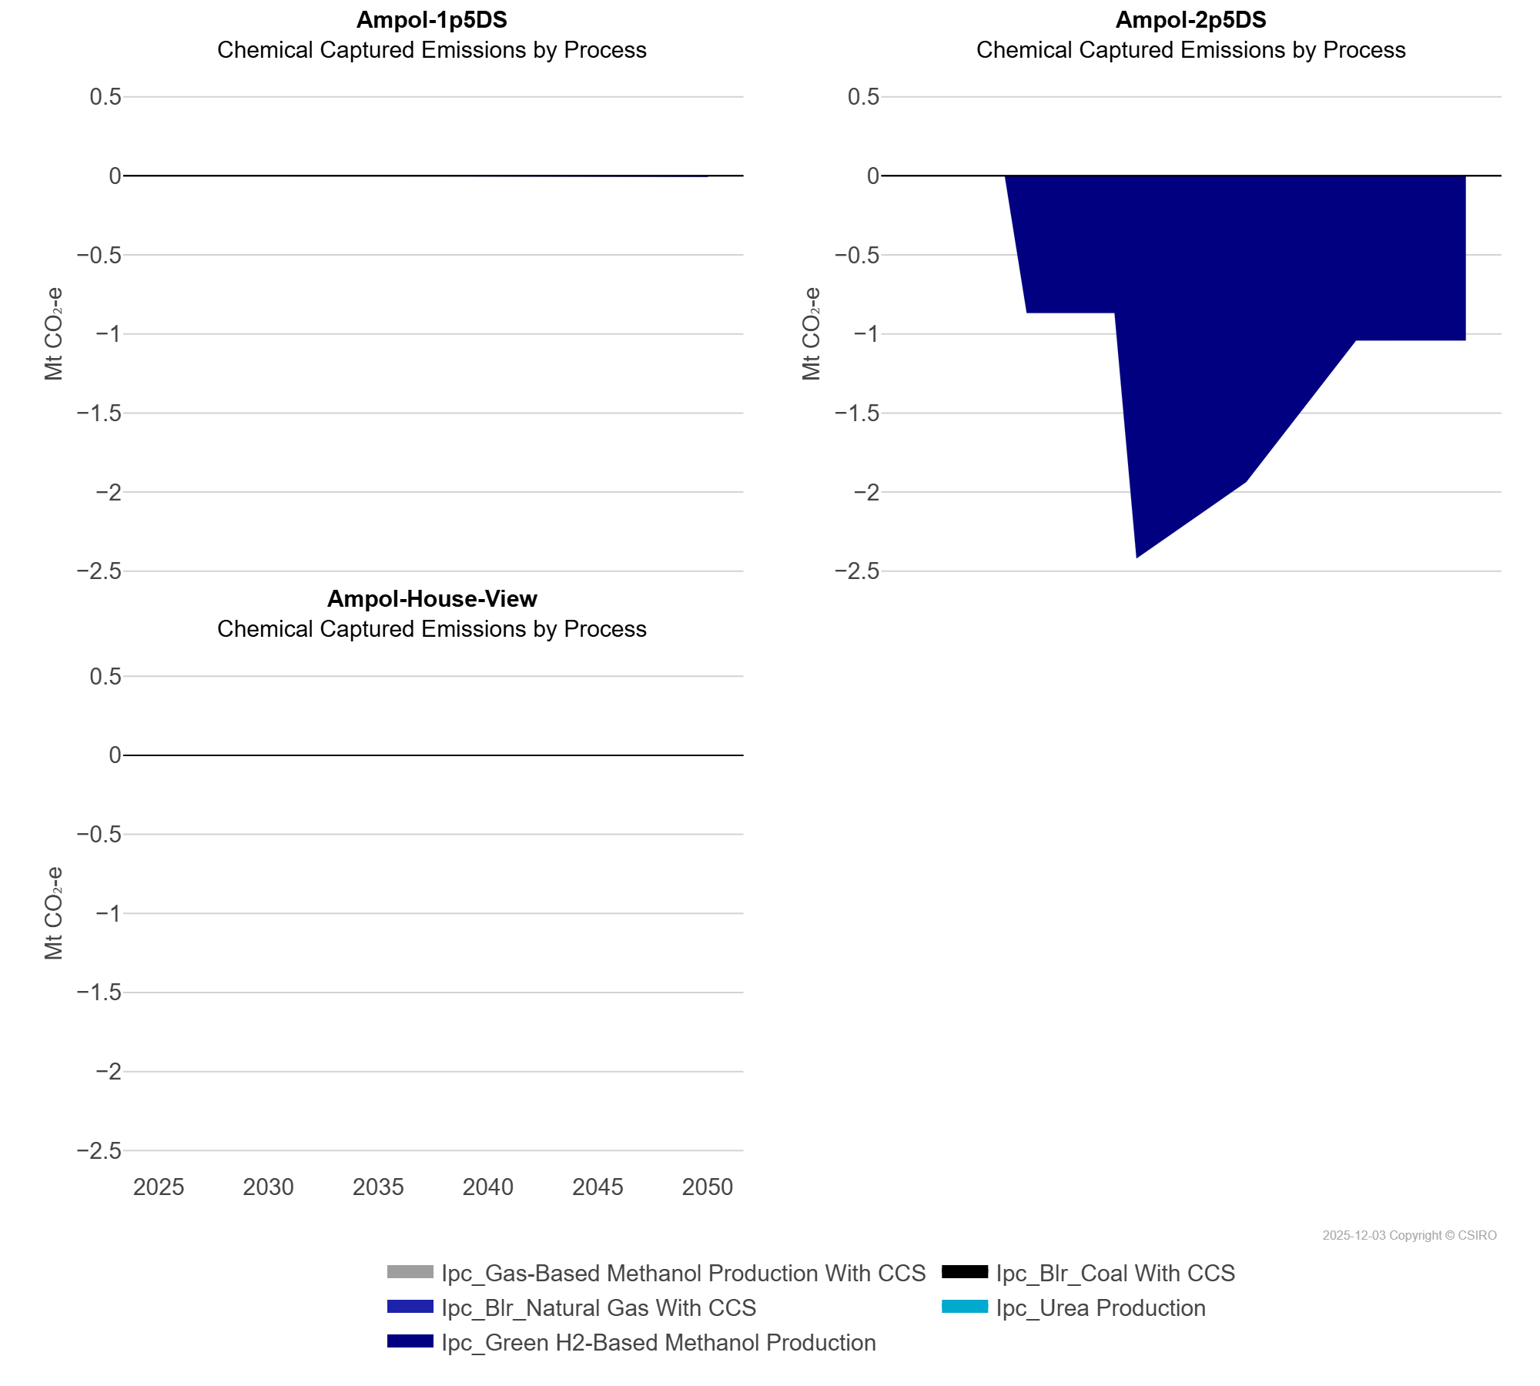
 | Ipc_Blr_Natural Gas With CCS | Mt CO₂-e | 0.00 | 0.00 | 0.00 | 0.00 | 0.00 | 0.00 | 0.00 | 0.00 | 0.00 | 0.00 | 0.00 | 0.00 | 0.00 | 0.00
 | Ipc_Gas-Based Methanol Production With CCS | Mt CO₂-e | 0.00 | 0.00 | 0.00 | 0.00 | 0.00 | 0.00 | 0.00 | 0.00 | 0.00 | 0.00 | 0.00 | 0.00 | 0.00 | 0.00
 | Ipc_Green H2-Based Methanol Production | Mt CO₂-e | 0.00 | 0.00 | 0.00 | 0.00 | 0.00 | 0.00 | 0.00 | 0.00 | 0.00 | 0.00 | 0.00 | 0.00 | -0.01 | -0.01
 | Ipc_Urea Production | Mt CO₂-e | 0.00 | 0.00 | 0.00 | 0.00 | 0.00 | 0.00 | 0.00 | 0.00 | 0.00 | 0.00 | 0.00 | 0.00 | 0.00 | 0.00
Ampol-2p5DS | Ipc_Blr_Coal With CCS | Mt CO₂-e | 0.00 | 0.00 | 0.00 | 0.00 | 0.00 | 0.00 | 0.00 | 0.00 | 0.00 | 0.00 | 0.00 | 0.00 | 0.00 | 0.00
 | Ipc_Blr_Natural Gas With CCS | Mt CO₂-e | 0.00 | 0.00 | 0.00 | 0.00 | 0.00 | 0.00 | 0.00 | 0.00 | 0.00 | 0.00 | 0.00 | 0.00 | 0.00 | 0.00
 | Ipc_Gas-Based Methanol Production With CCS | Mt CO₂-e | 0.00 | 0.00 | 0.00 | 0.00 | 0.00 | 0.00 | 0.00 | 0.00 | 0.00 | 0.00 | 0.00 | 0.00 | 0.00 | 0.00
 | Ipc_Green H2-Based Methanol Production | Mt CO₂-e | 0.00 | 0.00 | 0.00 | 0.00 | 0.00 | -0.87 | -0.87 | -0.87 | -0.87 | -0.87 | -2.42 | -1.94 | -1.04 | -1.04
 | Ipc_Urea Production | Mt CO₂-e | 0.00 | 0.00 | 0.00 | 0.00 | 0.00 | 0.00 | 0.00 | 0.00 | 0.00 | 0.00 | 0.00 | 0.00 | 0.00 | 0.00
Ampol-House-View | Ipc_Blr_Coal With CCS | Mt CO₂-e | 0.00 | 0.00 | 0.00 | 0.00 | 0.00 | 0.00 | 0.00 | 0.00 | 0.00 | 0.00 | 0.00 | 0.00 | 0.00 | 0.00
 | Ipc_Blr_Natural Gas With CCS | Mt CO₂-e | 0.00 | 0.00 | 0.00 | 0.00 | 0.00 | 0.00 | 0.00 | 0.00 | 0.00 | 0.00 | 0.00 | 0.00 | 0.00 | 0.00
 | Ipc_Gas-Based Methanol Production With CCS | Mt CO₂-e | 0.00 | 0.00 | 0.00 | 0.00 | 0.00 | 0.00 | 0.00 | 0.00 | 0.00 | 0.00 | 0.00 | 0.00 | 0.00 | 0.00
 | Ipc_Green H2-Based Methanol Production | Mt CO₂-e | 0.00 | 0.00 | 0.00 | 0.00 | 0.00 | 0.00 | 0.00 | 0.00 | 0.00 | 0.00 | 0.00 | 0.00 | 0.00 | 0.00
 | Ipc_Urea Production | Mt CO₂-e | 0.00 | 0.00 | 0.00 | 0.00 | 0.00 | 0.00 | 0.00 | 0.00 | 0.00 | 0.00 | 0.00 | 0.00 | 0.00 | 0.00

