Net Emissions by Sector
 |  |  | 2025 | 2026 | 2027 | 2028 | 2029 | 2030 | 2031 | 2032 | 2033 | 2034 | 2035 | 2040 | 2045 | 2050
scen | process_sector1 | unit
Ampol-1p5DS | Buildings - Commercial | Mt CO₂-e | 5.79 | 5.85 | 5.88 | 4.26 | 3.68 | 3.45 | 3.34 | 3.22 | 3.10 | 2.97 | 2.83 | 2.01 | 0.97 | 0.00
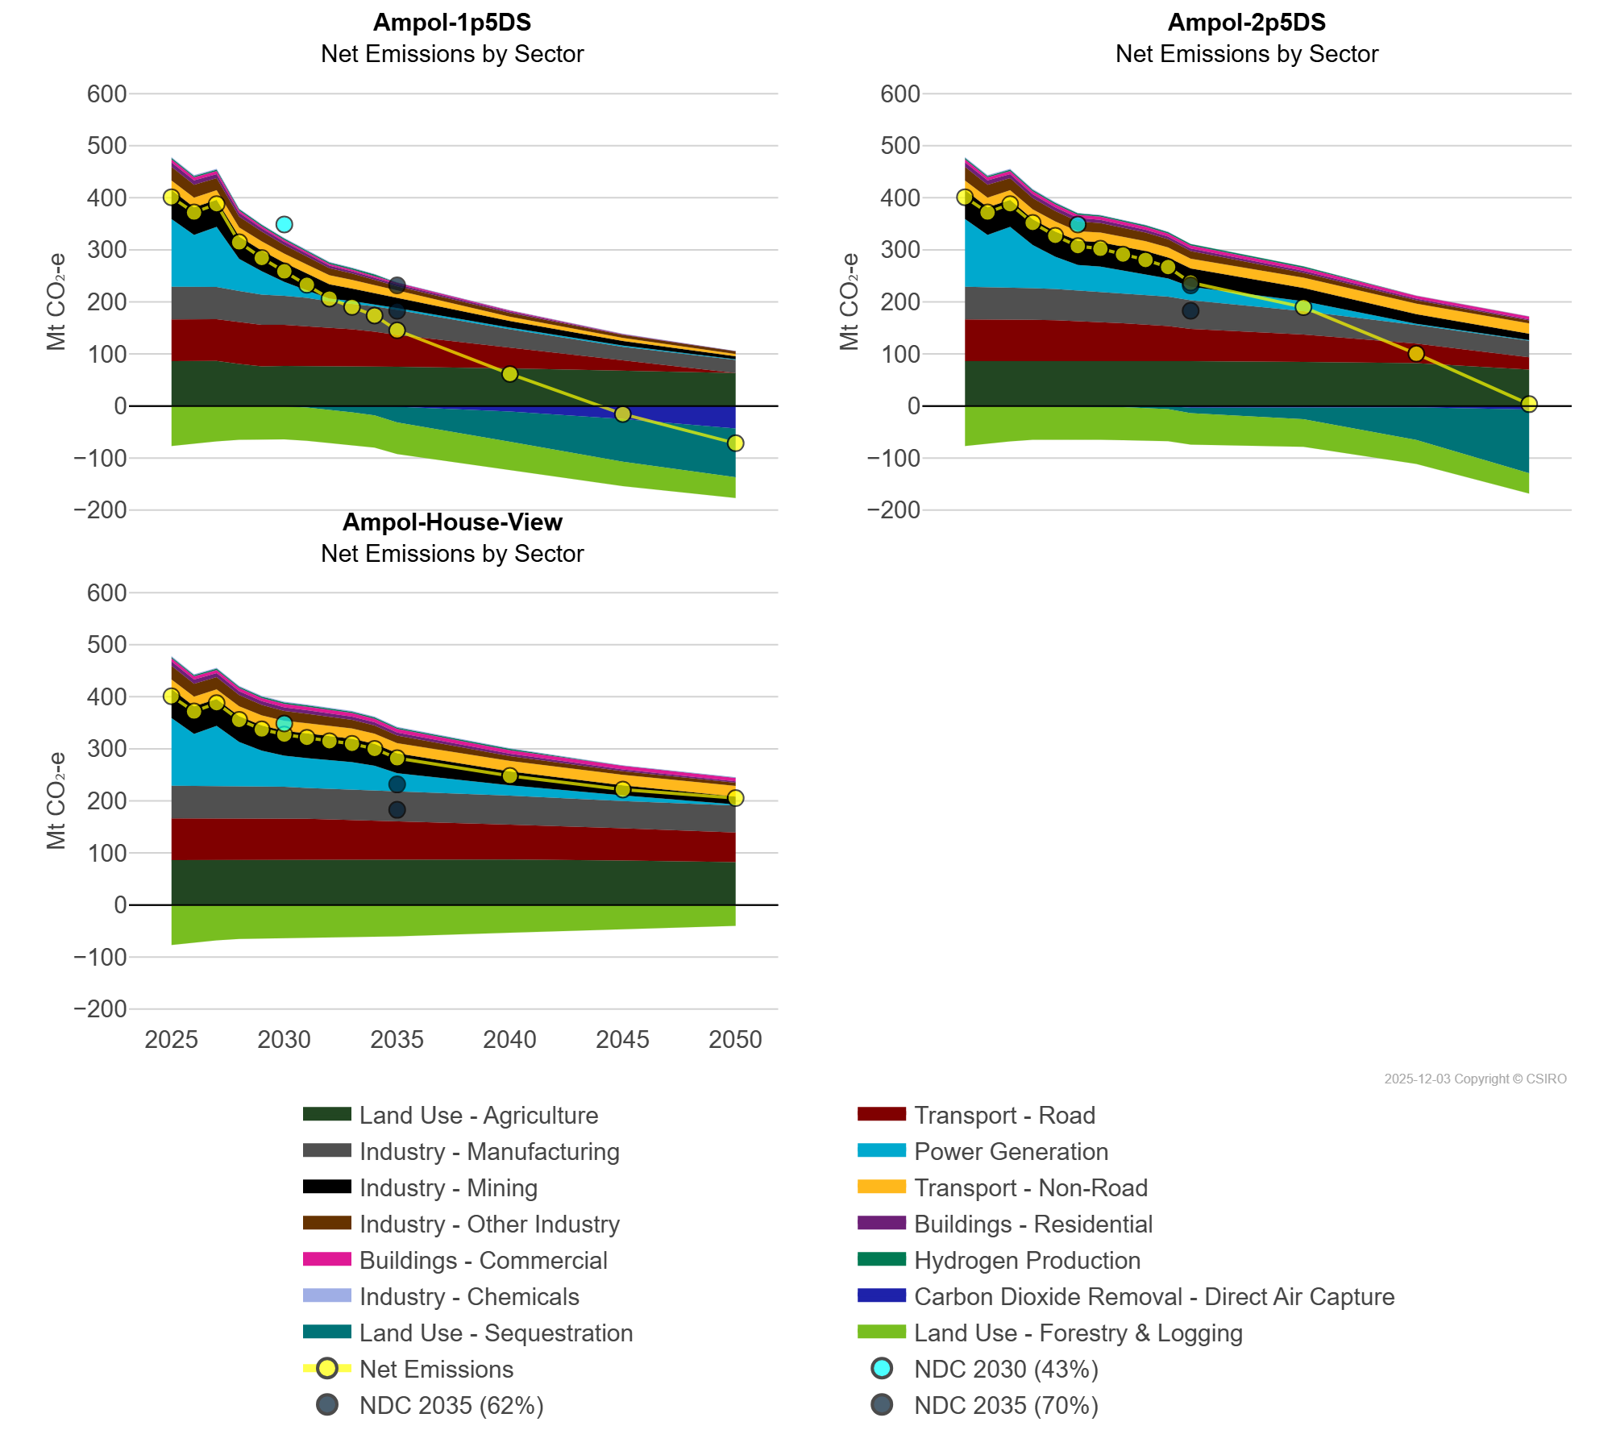
 | Buildings - Residential | Mt CO₂-e | 8.46 | 8.23 | 7.92 | 7.25 | 6.45 | 6.05 | 5.55 | 4.94 | 4.56 | 4.25 | 3.93 | 2.36 | 0.76 | 0.00
 | Carbon Dioxide Removal - Direct Air Capture | Mt CO₂-e | 0.00 | 0.00 | 0.00 | 0.00 | 0.00 | -0.01 | -0.01 | -0.08 | -1.01 | -1.18 | -1.35 | -10.68 | -24.93 | -43.18
 | Hydrogen Production | Mt CO₂-e | 2.61 | 2.61 | 2.60 | 2.60 | 2.60 | 2.61 | 2.61 | 2.60 | 2.60 | 2.60 | 0.00 | 0.00 | 0.00 | 0.00
 | Industry - Chemicals | Mt CO₂-e | 1.64 | 1.64 | 1.56 | 1.50 | 1.36 | 1.26 | 1.20 | 1.14 | 1.11 | 0.85 | 0.85 | 0.61 | 0.20 | 0.21
 | Industry - Manufacturing | Mt CO₂-e | 62.81 | 62.30 | 61.75 | 59.87 | 57.94 | 55.88 | 54.73 | 50.26 | 49.23 | 48.73 | 48.03 | 35.01 | 25.77 | 25.34
 | Industry - Mining | Mt CO₂-e | 55.99 | 53.13 | 51.62 | 42.66 | 39.83 | 36.68 | 32.25 | 27.77 | 23.97 | 21.92 | 19.11 | 12.82 | 8.83 | 6.05
 | Industry - Other Industry | Mt CO₂-e | 26.32 | 24.98 | 23.26 | 20.84 | 18.80 | 16.73 | 15.22 | 13.81 | 12.34 | 10.92 | 9.74 | 7.59 | 5.70 | 5.44
 | Land Use - Agriculture | Mt CO₂-e | 86.24 | 86.45 | 86.61 | 80.54 | 76.02 | 76.70 | 76.73 | 76.57 | 76.00 | 75.50 | 75.31 | 72.33 | 68.72 | 63.21
 | Land Use - Forestry & Logging | Mt CO₂-e | -76.75 | -71.58 | -67.71 | -64.98 | -64.52 | -63.27 | -64.00 | -63.69 | -63.41 | -62.00 | -60.60 | -53.74 | -46.88 | -40.04
 | Land Use - Sequestration | Mt CO₂-e | 0.00 | 0.00 | 0.00 | -0.02 | -0.10 | -0.68 | -2.83 | -6.63 | -11.15 | -16.62 | -30.15 | -57.95 | -82.18 | -93.45
 | Power Generation | Mt CO₂-e | 129.87 | 99.72 | 115.62 | 61.60 | 44.76 | 26.80 | 14.34 | 5.12 | 4.88 | 3.60 | 3.49 | 3.05 | 2.44 | 0.94
 | Transport - Non-Road | Mt CO₂-e | 18.00 | 18.33 | 18.58 | 17.67 | 17.66 | 17.55 | 17.37 | 17.09 | 16.46 | 15.15 | 13.08 | 8.15 | 5.99 | 4.00
 | Transport - Road | Mt CO₂-e | 80.07 | 80.07 | 80.07 | 80.56 | 79.91 | 78.95 | 76.33 | 74.08 | 71.51 | 67.06 | 61.04 | 39.88 | 19.05 | 0.00
Ampol-2p5DS | Buildings - Commercial | Mt CO₂-e | 5.79 | 5.85 | 5.88 | 5.89 | 5.58 | 6.09 | 6.04 | 5.96 | 5.95 | 5.94 | 5.94 | 5.91 | 5.69 | 5.43
 | Buildings - Residential | Mt CO₂-e | 8.46 | 8.23 | 7.92 | 7.35 | 7.01 | 6.72 | 6.29 | 5.78 | 5.36 | 5.10 | 4.89 | 3.88 | 2.87 | 1.79
 | Carbon Dioxide Removal - Direct Air Capture | Mt CO₂-e | 0.00 | 0.00 | 0.00 | 0.00 | 0.00 | -0.22 | -0.32 | -0.40 | -0.48 | -0.57 | -2.55 | -1.25 | -2.35 | -6.34
 | Hydrogen Production | Mt CO₂-e | 2.61 | 2.61 | 2.60 | 2.60 | 2.60 | 2.60 | 2.60 | 2.60 | 2.60 | 2.60 | 2.76 | 2.70 | 0.10 | 0.10
 | Industry - Chemicals | Mt CO₂-e | 1.64 | 1.64 | 1.56 | 1.56 | 1.56 | 0.67 | 0.67 | 0.67 | 0.67 | 0.67 | -0.89 | -0.71 | -0.07 | -0.58
 | Industry - Manufacturing | Mt CO₂-e | 62.81 | 62.30 | 61.75 | 60.89 | 60.24 | 58.19 | 57.78 | 57.36 | 56.92 | 56.25 | 55.06 | 44.91 | 35.29 | 32.04
 | Industry - Mining | Mt CO₂-e | 55.99 | 53.13 | 51.62 | 49.57 | 48.44 | 46.34 | 46.82 | 44.61 | 44.17 | 40.39 | 35.29 | 25.50 | 18.65 | 12.27
 | Industry - Other Industry | Mt CO₂-e | 26.32 | 24.98 | 23.26 | 21.56 | 20.34 | 19.11 | 18.17 | 17.40 | 16.63 | 15.91 | 14.57 | 9.26 | 6.65 | 6.02
 | Land Use - Agriculture | Mt CO₂-e | 86.24 | 86.45 | 86.61 | 86.81 | 86.92 | 87.03 | 86.93 | 87.49 | 87.58 | 87.95 | 86.23 | 84.70 | 82.17 | 69.83
 | Land Use - Forestry & Logging | Mt CO₂-e | -76.75 | -71.58 | -67.71 | -64.98 | -64.41 | -63.06 | -63.67 | -63.38 | -63.13 | -61.68 | -60.26 | -53.11 | -46.31 | -39.39
 | Land Use - Sequestration | Mt CO₂-e | 0.00 | 0.00 | 0.00 | 0.00 | -0.03 | -0.16 | -0.75 | -1.85 | -3.41 | -5.41 | -10.32 | -23.16 | -62.62 | -122.00
 | Power Generation | Mt CO₂-e | 129.87 | 99.72 | 115.62 | 82.94 | 61.69 | 49.22 | 49.04 | 44.45 | 39.93 | 34.98 | 25.72 | 19.15 | 2.45 | 0.95
 | Transport - Non-Road | Mt CO₂-e | 18.00 | 18.33 | 18.58 | 19.01 | 19.35 | 18.34 | 18.67 | 18.97 | 19.16 | 19.11 | 18.83 | 19.52 | 20.09 | 19.86
 | Transport - Road | Mt CO₂-e | 80.07 | 80.07 | 80.07 | 78.58 | 77.68 | 76.32 | 73.85 | 71.33 | 68.73 | 65.68 | 61.83 | 52.48 | 37.81 | 23.54
Ampol-House-View | Buildings - Commercial | Mt CO₂-e | 5.79 | 5.85 | 5.88 | 5.90 | 5.93 | 6.76 | 6.75 | 6.75 | 6.74 | 6.74 | 6.73 | 6.69 | 6.66 | 6.66
 | Buildings - Residential | Mt CO₂-e | 8.46 | 8.23 | 7.92 | 7.61 | 7.32 | 7.04 | 6.81 | 6.54 | 6.31 | 6.08 | 5.85 | 4.71 | 3.57 | 2.66
 | Carbon Dioxide Removal - Direct Air Capture | Mt CO₂-e | 0.00 | 0.00 | 0.00 | 0.00 | 0.00 | 0.00 | 0.00 | 0.00 | 0.00 | 0.00 | 0.00 | 0.00 | 0.00 | -0.47
 | Hydrogen Production | Mt CO₂-e | 2.61 | 2.61 | 2.60 | 2.60 | 2.60 | 2.60 | 2.60 | 2.60 | 2.60 | 2.60 | 2.60 | 2.60 | 0.00 | 0.00
 | Industry - Chemicals | Mt CO₂-e | 1.64 | 1.64 | 1.56 | 1.56 | 1.56 | 1.56 | 1.56 | 1.56 | 1.56 | 1.56 | 1.56 | 1.23 | 1.00 | 0.99
 | Industry - Manufacturing | Mt CO₂-e | 62.81 | 62.30 | 61.75 | 61.20 | 60.62 | 60.00 | 59.38 | 58.80 | 58.31 | 57.83 | 57.31 | 55.42 | 52.54 | 51.93
 | Industry - Mining | Mt CO₂-e | 55.99 | 53.13 | 51.62 | 49.71 | 48.68 | 47.69 | 47.91 | 45.94 | 45.20 | 41.95 | 38.05 | 26.82 | 19.37 | 15.01
 | Industry - Other Industry | Mt CO₂-e | 26.32 | 24.98 | 23.26 | 21.59 | 20.29 | 18.96 | 18.09 | 17.33 | 16.54 | 15.85 | 14.61 | 9.44 | 7.26 | 6.47
 | Land Use - Agriculture | Mt CO₂-e | 86.24 | 86.45 | 86.61 | 86.81 | 87.02 | 87.24 | 87.37 | 87.67 | 87.80 | 88.11 | 88.27 | 87.50 | 85.62 | 82.46
 | Land Use - Forestry & Logging | Mt CO₂-e | -76.75 | -71.58 | -67.71 | -64.96 | -64.40 | -63.05 | -63.72 | -63.43 | -63.15 | -61.75 | -60.26 | -53.23 | -46.44 | -39.39
 | Land Use - Sequestration | Mt CO₂-e | 0.00 | 0.00 | 0.00 | 0.00 | 0.00 | 0.00 | 0.00 | 0.00 | 0.00 | 0.00 | 0.00 | 0.00 | 0.00 | 0.00
 | Power Generation | Mt CO₂-e | 129.87 | 99.72 | 115.62 | 85.01 | 68.69 | 59.64 | 57.01 | 54.59 | 52.43 | 47.61 | 36.00 | 19.97 | 10.61 | 2.04
 | Transport - Non-Road | Mt CO₂-e | 18.00 | 18.33 | 18.58 | 18.82 | 19.07 | 19.22 | 19.39 | 19.54 | 19.59 | 19.62 | 19.64 | 19.78 | 20.06 | 20.29
 | Transport - Road | Mt CO₂-e | 80.07 | 80.07 | 80.07 | 79.96 | 79.97 | 79.81 | 78.18 | 76.90 | 75.69 | 73.90 | 71.61 | 67.00 | 61.58 | 56.76

