Resource extraction sector ene
 |  |  | 2025 | 2026 | 2027 | 2028 | 2029 | 2030 | 2031 | 2032 | 2033 | 2034 | 2035 | 2040 | 2045 | 2050
scen | commodity_fuel0 | unit
Ampol-1p5DS | Biofuel | PJ | 0.00 | 0.00 | 0.00 | 0.05 | 0.13 | 0.14 | 0.13 | 0.11 | 0.10 | 0.09 | 0.08 | 0.10 | 0.35 | 0.44
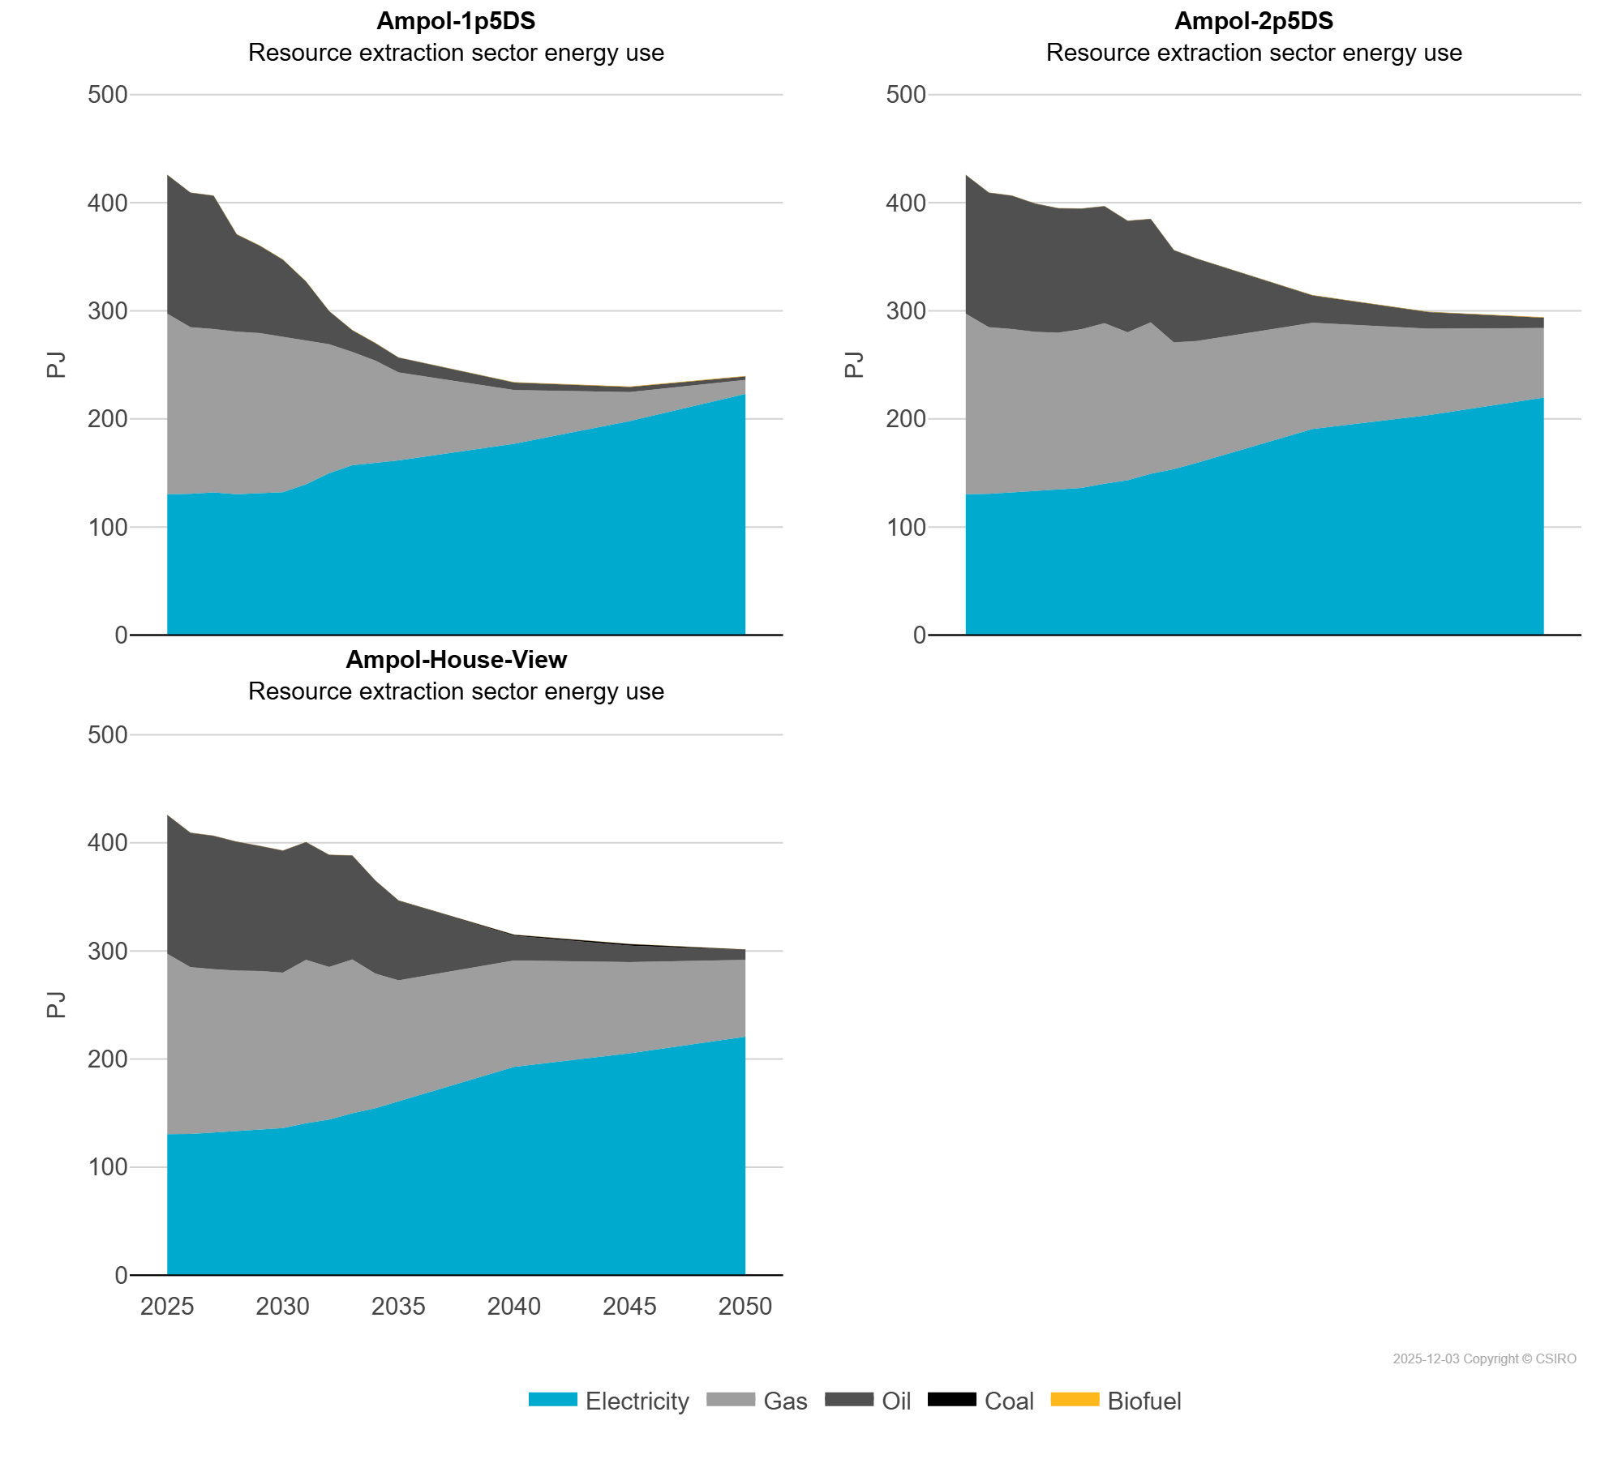
 | Coal | PJ | 0.13 | 0.13 | 0.13 | 0.07 | 0.06 | 0.05 | 0.05 | 0.05 | 0.05 | 0.05 | 0.04 | 0.03 | 0.00 | 0.00
 | Electricity | PJ | 130.43 | 130.68 | 132.08 | 130.28 | 131.36 | 132.31 | 139.59 | 149.85 | 157.22 | 159.83 | 161.63 | 177.06 | 198.02 | 223.16
 | Gas | PJ | 166.85 | 154.18 | 151.06 | 150.41 | 148.03 | 143.50 | 133.71 | 119.20 | 104.77 | 94.05 | 81.29 | 49.56 | 26.71 | 12.97
 | Oil | PJ | 128.24 | 124.22 | 123.18 | 89.93 | 80.74 | 71.37 | 53.61 | 30.44 | 19.98 | 16.13 | 13.72 | 7.05 | 4.77 | 3.12
Ampol-2p5DS | Biofuel | PJ | 0.00 | 0.00 | 0.00 | 0.00 | 0.00 | 0.04 | 0.00 | 0.00 | 0.01 | 0.01 | 0.01 | 0.02 | 0.06 | 0.32
 | Coal | PJ | 0.13 | 0.13 | 0.13 | 0.13 | 0.14 | 0.14 | 0.14 | 0.14 | 0.15 | 0.15 | 0.15 | 0.18 | 0.20 | 0.15
 | Electricity | PJ | 130.43 | 130.68 | 132.08 | 133.16 | 134.49 | 136.11 | 140.17 | 143.36 | 149.28 | 153.55 | 159.37 | 190.78 | 203.53 | 219.76
 | Gas | PJ | 166.85 | 154.18 | 151.06 | 147.32 | 145.28 | 146.86 | 148.39 | 136.69 | 139.95 | 117.22 | 112.64 | 98.12 | 79.88 | 64.24
 | Oil | PJ | 128.24 | 124.22 | 123.18 | 118.47 | 114.91 | 111.31 | 108.04 | 103.01 | 95.42 | 85.07 | 75.99 | 25.22 | 15.29 | 9.51
Ampol-House-View | Biofuel | PJ | 0.00 | 0.00 | 0.00 | 0.00 | 0.00 | 0.00 | 0.00 | 0.00 | 0.00 | 0.00 | 0.00 | 0.00 | 0.00 | 0.01
 | Coal | PJ | 0.13 | 0.13 | 0.13 | 0.13 | 0.14 | 0.14 | 0.14 | 0.14 | 0.15 | 0.15 | 0.15 | 0.89 | 1.51 | 0.23
 | Electricity | PJ | 130.43 | 130.68 | 132.08 | 133.25 | 134.69 | 136.12 | 140.57 | 143.91 | 149.76 | 154.48 | 160.81 | 192.71 | 205.38 | 220.61
 | Gas | PJ | 166.85 | 154.18 | 151.06 | 148.44 | 146.69 | 143.77 | 151.07 | 141.15 | 142.22 | 124.54 | 111.87 | 98.47 | 84.25 | 71.06
 | Oil | PJ | 128.24 | 124.22 | 123.18 | 119.04 | 115.55 | 112.75 | 108.70 | 103.56 | 96.04 | 85.78 | 73.71 | 22.90 | 15.18 | 9.25

