Domestic Aviation Energy Use b
 |  |  | 2025 | 2026 | 2027 | 2028 | 2029 | 2030 | 2031 | 2032 | 2033 | 2034 | 2035 | 2040 | 2045 | 2050
scen | commodity_fuel1 | unit
Ampol-1p5DS | Biofuel - Biokerosene | PJ | 0.00 | 0.00 | 0.00 | 0.00 | 0.00 | 0.00 | 0.00 | 0.09 | 4.29 | 19.42 | 36.56 | 74.74 | 89.04 | 103.09
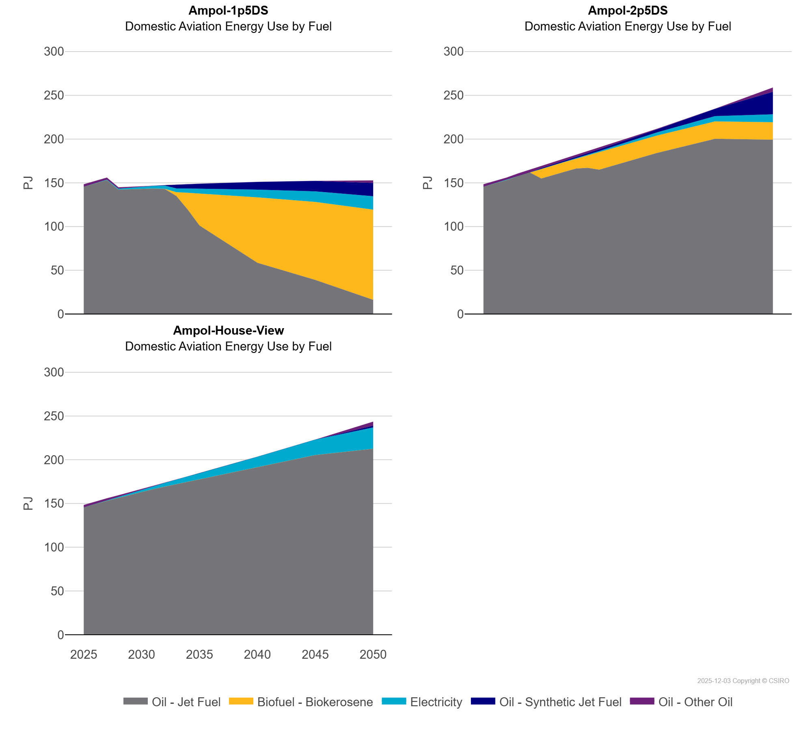
 | Electricity | PJ | 0.00 | 0.00 | 0.65 | 1.21 | 1.82 | 2.44 | 3.06 | 3.68 | 4.31 | 4.95 | 5.59 | 8.81 | 12.05 | 15.27
 | Oil - Jet Fuel | PJ | 145.59 | 149.60 | 153.03 | 142.19 | 142.78 | 143.26 | 143.43 | 143.03 | 134.97 | 119.12 | 101.20 | 58.63 | 39.07 | 16.24
 | Oil - Other Oil | PJ | 2.78 | 2.85 | 2.27 | 1.50 | 0.90 | 0.30 | 0.08 | 0.01 | 0.00 | 0.00 | 0.00 | 0.00 | 0.00 | 2.85
 | Oil - Synthetic Jet Fuel | PJ | 0.00 | 0.00 | 0.00 | 0.00 | 0.00 | 0.13 | 0.16 | 0.49 | 4.31 | 4.95 | 5.59 | 8.81 | 12.05 | 15.27
Ampol-2p5DS | Biofuel - Biokerosene | PJ | 0.00 | 0.00 | 0.00 | 0.00 | 0.00 | 11.15 | 11.15 | 11.15 | 11.15 | 14.09 | 19.89 | 19.89 | 19.89 | 19.89
 | Electricity | PJ | 0.00 | 0.00 | 0.65 | 0.00 | 0.00 | 0.00 | 0.00 | 0.33 | 0.67 | 1.03 | 1.40 | 3.51 | 6.05 | 9.06
 | Oil - Jet Fuel | PJ | 145.59 | 149.60 | 153.03 | 157.79 | 161.95 | 154.89 | 158.95 | 162.62 | 166.31 | 167.08 | 165.02 | 184.18 | 200.29 | 199.29
 | Oil - Other Oil | PJ | 2.78 | 2.85 | 2.27 | 3.01 | 3.09 | 2.48 | 2.54 | 2.37 | 2.19 | 1.99 | 1.79 | 0.62 | 0.10 | 4.84
 | Oil - Synthetic Jet Fuel | PJ | 0.00 | 0.00 | 0.00 | 0.00 | 0.00 | 0.83 | 1.06 | 1.30 | 1.55 | 1.80 | 2.07 | 3.57 | 8.29 | 25.79
Ampol-House-View | Biofuel - Biokerosene | PJ | 0.00 | 0.00 | 0.00 | 0.00 | 0.00 | 0.00 | 0.00 | 0.00 | 0.00 | 0.00 | 0.00 | 0.00 | 0.00 | 0.00
 | Electricity | PJ | 0.00 | 0.00 | 0.65 | 1.33 | 2.04 | 2.78 | 3.54 | 4.34 | 5.17 | 6.03 | 6.92 | 11.87 | 17.66 | 24.36
 | Oil - Jet Fuel | PJ | 145.59 | 149.60 | 153.03 | 156.48 | 159.96 | 163.31 | 166.42 | 169.28 | 172.10 | 174.89 | 177.67 | 191.54 | 205.35 | 212.53
 | Oil - Other Oil | PJ | 2.78 | 2.85 | 2.27 | 1.66 | 1.01 | 0.48 | 0.18 | 0.12 | 0.09 | 0.06 | 0.05 | 0.00 | 0.00 | 4.56
 | Oil - Synthetic Jet Fuel | PJ | 0.00 | 0.00 | 0.00 | 0.00 | 0.00 | 0.00 | 0.00 | 0.00 | 0.00 | 0.00 | 0.00 | 0.00 | 0.01 | 2.13

