Domestic Shipping Energy Use b
 |  |  | 2025 | 2026 | 2027 | 2028 | 2029 | 2030 | 2031 | 2032 | 2033 | 2034 | 2035 | 2040 | 2045 | 2050
scen | commodity_fuel1 | unit
Ampol-1p5DS | Biofuel - Biodiesel | PJ | 0.00 | 0.00 | 0.00 | 0.00 | 0.00 | 0.00 | 0.41 | 1.66 | 0.82 | 2.32 | 5.50 | 11.84 | 12.06 | 16.97
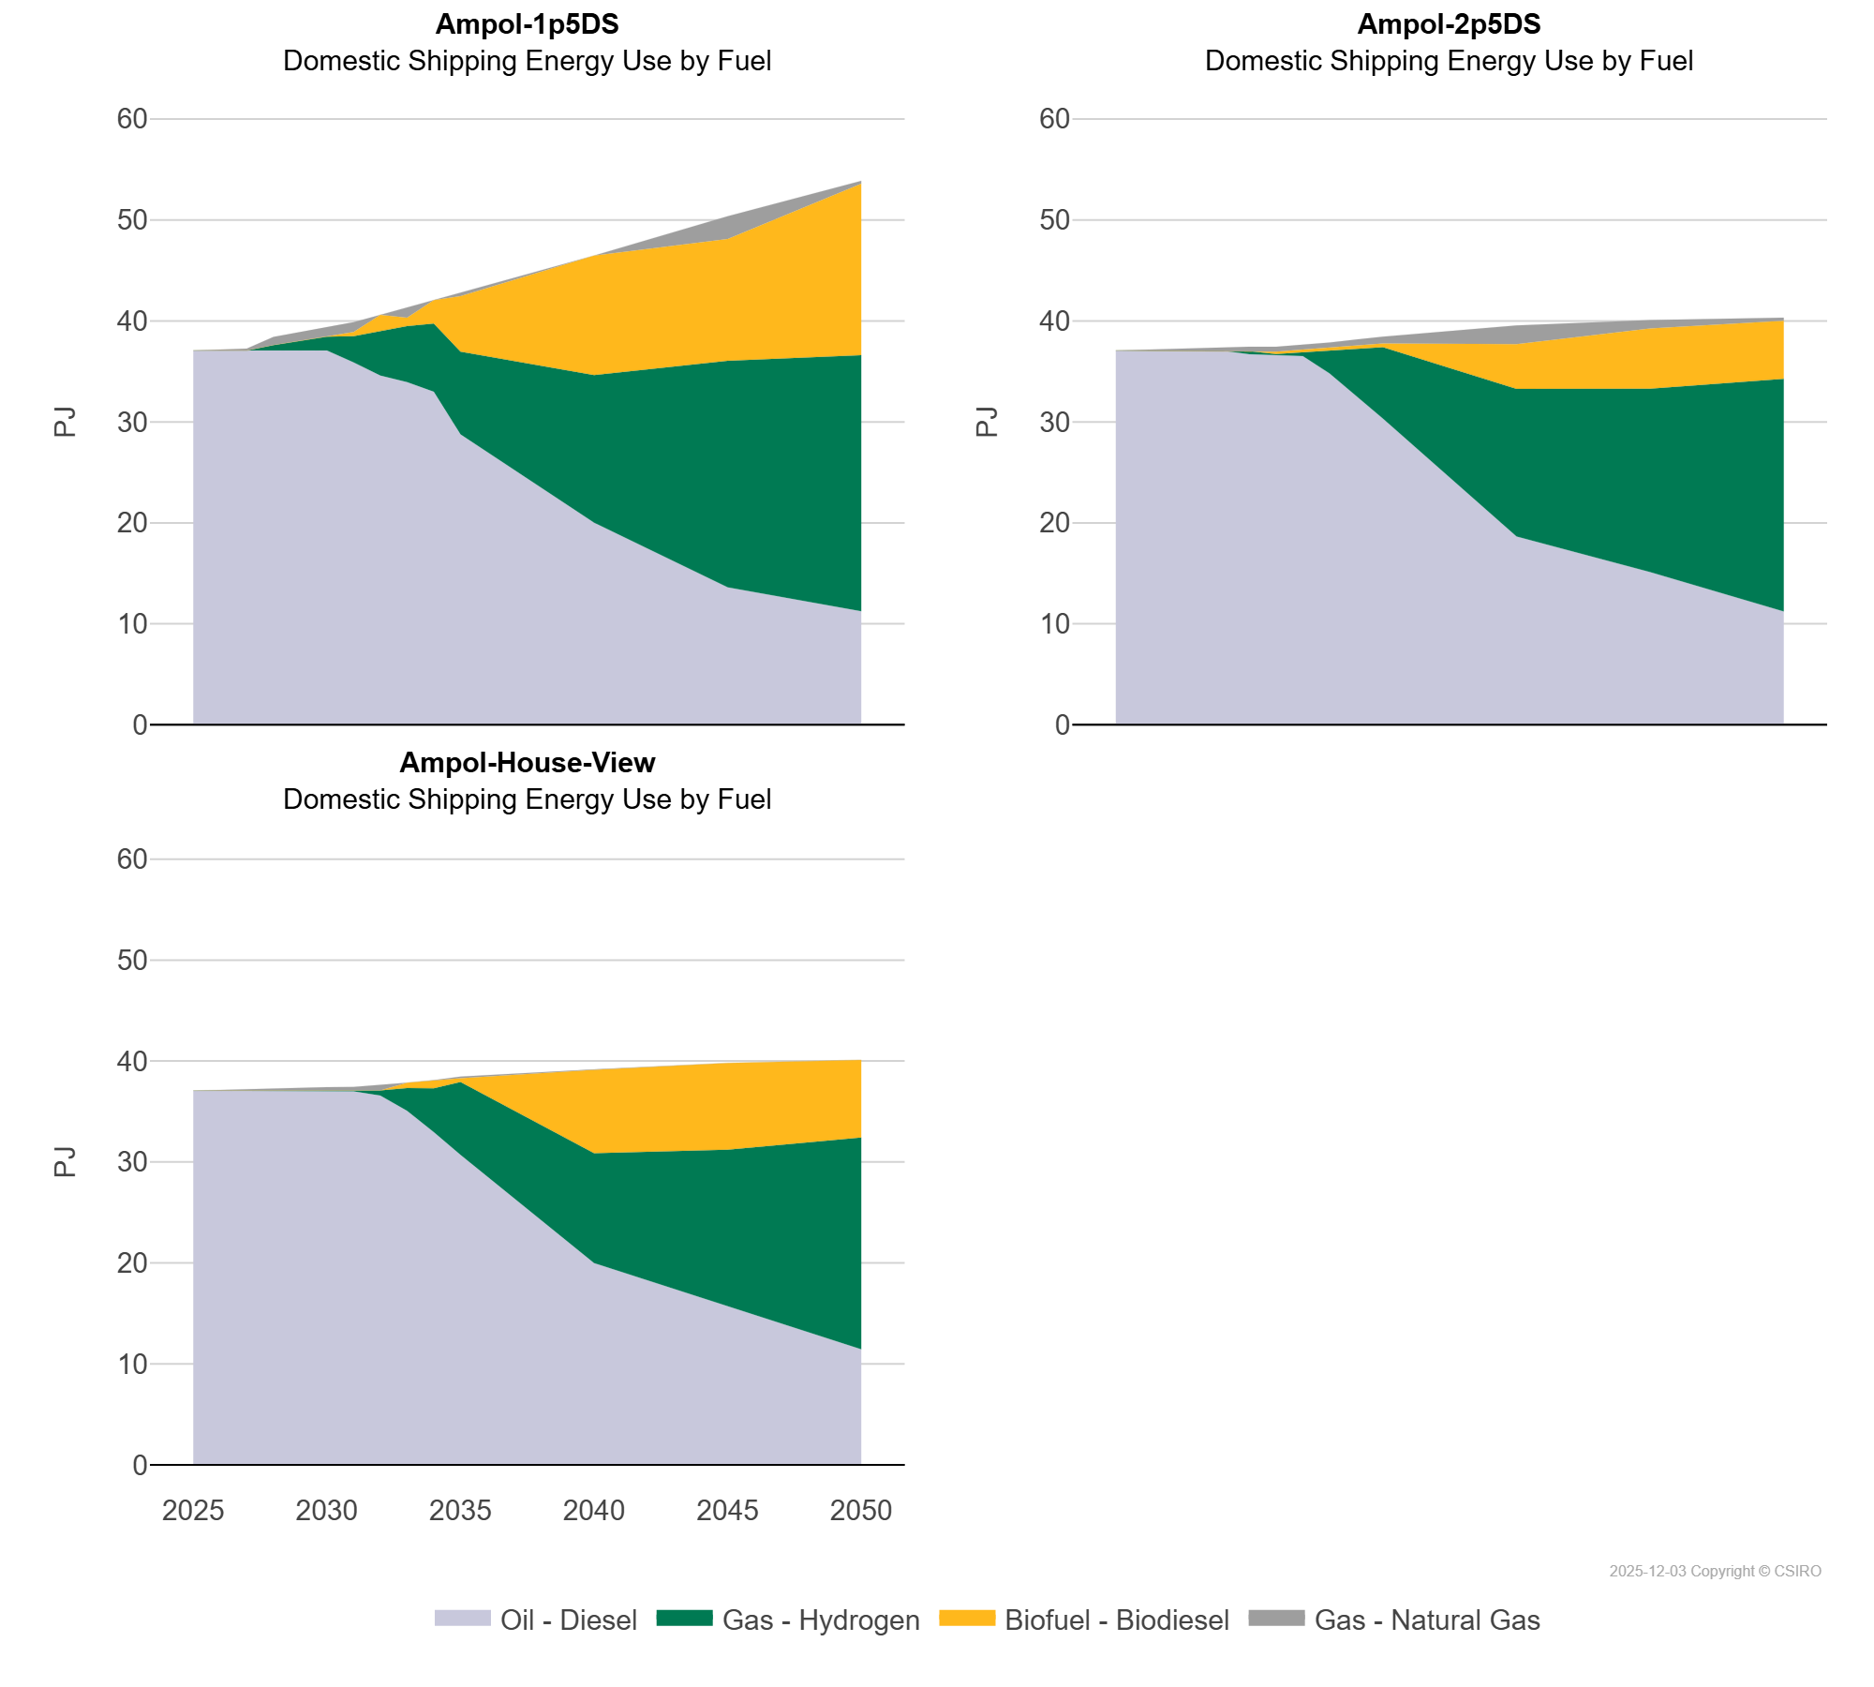
 | Gas - Hydrogen | PJ | 0.00 | 0.01 | 0.01 | 0.54 | 0.95 | 1.38 | 2.59 | 4.37 | 5.56 | 6.75 | 8.20 | 14.62 | 22.43 | 25.38
 | Gas - Natural Gas | PJ | 0.00 | 0.09 | 0.20 | 0.81 | 0.92 | 0.89 | 0.97 | 0.00 | 1.02 | 0.00 | 0.34 | 0.00 | 2.27 | 0.29
 | Oil - Diesel | PJ | 37.07 | 37.06 | 37.06 | 37.06 | 37.06 | 37.06 | 35.90 | 34.58 | 33.93 | 32.98 | 28.76 | 20.02 | 13.62 | 11.24
Ampol-2p5DS | Biofuel - Biodiesel | PJ | 0.00 | 0.00 | 0.00 | 0.00 | 0.00 | 0.00 | 0.23 | 0.26 | 0.30 | 0.33 | 0.36 | 4.42 | 5.96 | 5.75
 | Gas - Hydrogen | PJ | 0.00 | 0.01 | 0.01 | 0.01 | 0.01 | 0.30 | 0.04 | 0.39 | 2.29 | 4.70 | 7.07 | 14.62 | 18.16 | 23.04
 | Gas - Natural Gas | PJ | 0.00 | 0.09 | 0.20 | 0.30 | 0.37 | 0.44 | 0.49 | 0.41 | 0.48 | 0.49 | 0.68 | 1.85 | 0.83 | 0.31
 | Oil - Diesel | PJ | 37.07 | 37.06 | 37.06 | 37.06 | 37.05 | 36.69 | 36.67 | 36.52 | 34.80 | 32.63 | 30.33 | 18.65 | 15.13 | 11.23
Ampol-House-View | Biofuel - Biodiesel | PJ | 0.00 | 0.00 | 0.00 | 0.00 | 0.00 | 0.00 | 0.00 | 0.01 | 0.53 | 0.81 | 0.37 | 8.27 | 8.58 | 7.70
 | Gas - Hydrogen | PJ | 0.00 | 0.01 | 0.01 | 0.01 | 0.01 | 0.01 | 0.01 | 0.51 | 2.26 | 4.34 | 7.22 | 10.88 | 15.49 | 20.97
 | Gas - Natural Gas | PJ | 0.00 | 0.09 | 0.20 | 0.30 | 0.37 | 0.39 | 0.43 | 0.50 | 0.00 | 0.00 | 0.17 | 0.04 | 0.00 | 0.00
 | Oil - Diesel | PJ | 37.07 | 37.06 | 37.06 | 37.06 | 37.05 | 37.01 | 36.99 | 36.57 | 35.07 | 32.96 | 30.70 | 19.99 | 15.73 | 11.45

