Domestic Transport Energy Use
 |  |  | 2025 | 2026 | 2027 | 2028 | 2029 | 2030 | 2031 | 2032 | 2033 | 2034 | 2035 | 2040 | 2045 | 2050
scen | commodity_fuel1 | unit
Ampol-1p5DS | Biofuel - Biodiesel | PJ | 0.11 | 0.11 | 0.11 | 0.10 | 0.10 | 0.10 | 20.00 | 30.91 | 39.80 | 39.80 | 65.83 | 79.80 | 80.13 | 76.17
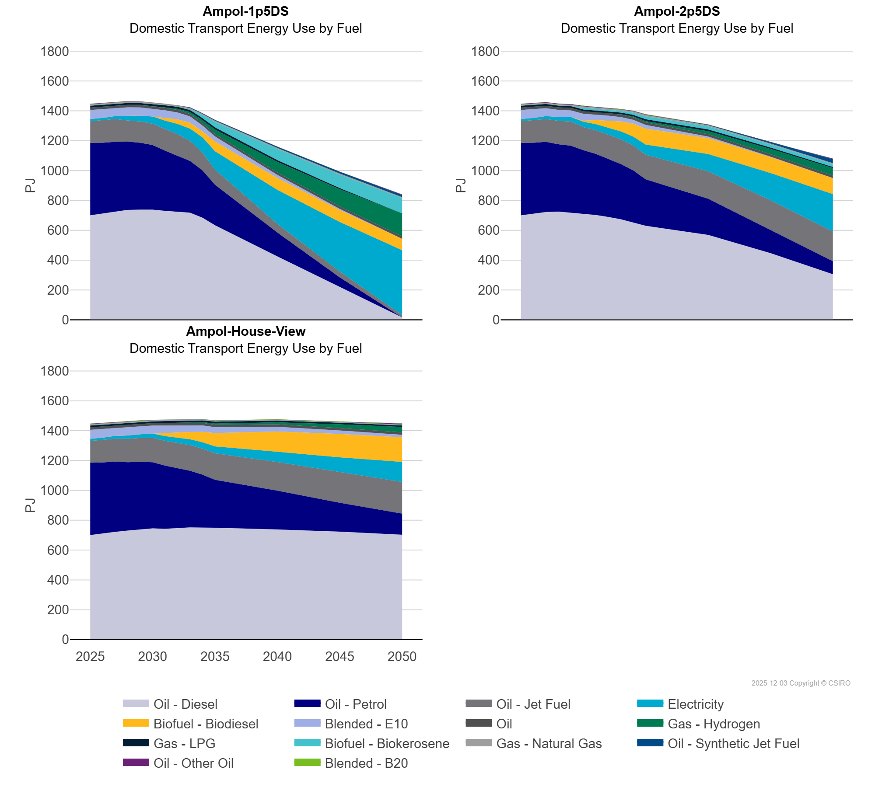
 | Biofuel - Biokerosene | PJ | 0.00 | 0.00 | 0.00 | 0.00 | 0.00 | 0.00 | 0.00 | 0.09 | 4.29 | 19.42 | 36.56 | 74.74 | 89.04 | 103.09
 | Blended - B20 | PJ | 0.30 | 0.63 | 0.78 | 0.73 | 0.08 | 0.77 | 0.12 | 0.00 | 0.00 | 0.00 | 0.10 | 0.00 | 0.01 | 0.00
 | Blended - E10 | PJ | 60.06 | 58.51 | 52.45 | 56.46 | 54.67 | 52.55 | 49.08 | 45.78 | 42.46 | 38.98 | 33.39 | 20.29 | 7.97 | 0.00
 | Electricity | PJ | 14.73 | 16.49 | 19.44 | 31.09 | 39.04 | 48.09 | 57.99 | 69.34 | 81.75 | 102.67 | 123.37 | 227.41 | 331.85 | 433.71
 | Gas - Hydrogen | PJ | 0.00 | 0.01 | 0.02 | 0.58 | 1.01 | 1.48 | 3.56 | 8.09 | 12.62 | 20.87 | 29.78 | 71.05 | 115.15 | 153.84
 | Gas - LPG | PJ | 12.21 | 12.17 | 12.05 | 12.30 | 12.21 | 13.32 | 13.48 | 13.62 | 13.47 | 12.89 | 14.13 | 11.25 | 7.56 | 0.00
 | Gas - Natural Gas | PJ | 9.27 | 9.47 | 9.38 | 9.99 | 9.88 | 9.63 | 9.47 | 8.26 | 9.05 | 7.79 | 7.71 | 6.58 | 8.21 | 5.74
 | Oil | PJ | 16.57 | 16.57 | 16.57 | 16.57 | 16.57 | 16.57 | 16.57 | 16.57 | 16.57 | 16.57 | 16.57 | 16.57 | 16.57 | 16.57
 | Oil - Diesel | PJ | 700.48 | 712.25 | 722.18 | 736.76 | 738.11 | 738.62 | 729.92 | 725.32 | 717.59 | 684.02 | 633.45 | 424.81 | 220.94 | 16.32
 | Oil - Jet Fuel | PJ | 145.59 | 149.60 | 153.03 | 142.19 | 142.78 | 143.26 | 143.43 | 143.03 | 134.97 | 119.12 | 101.20 | 58.63 | 39.07 | 16.24
 | Oil - Other Oil | PJ | 2.94 | 3.02 | 2.44 | 1.67 | 1.07 | 0.46 | 0.24 | 0.18 | 0.17 | 0.17 | 0.17 | 0.17 | 0.17 | 3.02
 | Oil - Petrol | PJ | 485.00 | 474.49 | 470.37 | 456.96 | 448.08 | 432.20 | 403.38 | 374.93 | 346.37 | 316.72 | 271.58 | 159.96 | 63.65 | 0.00
 | Oil - Synthetic Jet Fuel | PJ | 0.00 | 0.00 | 0.00 | 0.00 | 0.00 | 0.13 | 0.16 | 0.49 | 4.31 | 4.95 | 5.59 | 8.81 | 12.05 | 15.27
Ampol-2p5DS | Biofuel - Biodiesel | PJ | 0.11 | 0.11 | 0.11 | 0.11 | 0.11 | 7.08 | 26.95 | 46.92 | 66.70 | 86.64 | 106.97 | 106.41 | 106.30 | 107.21
 | Biofuel - Biokerosene | PJ | 0.00 | 0.00 | 0.00 | 0.00 | 0.00 | 11.15 | 11.15 | 11.15 | 11.15 | 14.09 | 19.89 | 19.89 | 19.89 | 19.89
 | Blended - B20 | PJ | 0.30 | 0.63 | 0.78 | 0.15 | 0.08 | 2.05 | 0.00 | 0.39 | 0.64 | 0.52 | 2.24 | 0.54 | 0.00 | 0.00
 | Blended - E10 | PJ | 60.06 | 58.51 | 52.45 | 47.77 | 44.36 | 46.32 | 36.89 | 33.64 | 29.45 | 26.12 | 24.76 | 10.44 | 3.36 | 0.63
 | Electricity | PJ | 14.73 | 16.49 | 19.44 | 25.63 | 30.57 | 35.67 | 40.87 | 46.62 | 52.44 | 59.89 | 68.03 | 115.76 | 182.95 | 250.21
 | Gas - Hydrogen | PJ | 0.00 | 0.01 | 0.02 | 0.04 | 0.06 | 0.38 | 0.20 | 0.72 | 2.87 | 5.62 | 8.94 | 19.71 | 35.08 | 50.85
 | Gas - LPG | PJ | 12.21 | 12.17 | 12.05 | 12.03 | 11.86 | 11.54 | 11.16 | 10.87 | 10.60 | 10.75 | 12.66 | 11.59 | 9.36 | 6.54
 | Gas - Natural Gas | PJ | 9.27 | 9.47 | 9.38 | 9.35 | 9.55 | 9.57 | 9.39 | 9.08 | 8.91 | 8.68 | 8.42 | 8.78 | 6.98 | 6.03
 | Oil | PJ | 16.57 | 16.57 | 16.57 | 16.57 | 16.57 | 16.57 | 16.57 | 16.57 | 16.57 | 16.57 | 16.57 | 16.57 | 16.57 | 16.57
 | Oil - Diesel | PJ | 700.48 | 712.25 | 722.18 | 724.95 | 718.83 | 708.80 | 702.41 | 689.53 | 673.77 | 651.85 | 630.16 | 568.84 | 446.91 | 305.59
 | Oil - Jet Fuel | PJ | 145.59 | 149.60 | 153.03 | 157.79 | 161.95 | 154.89 | 158.95 | 162.62 | 166.31 | 167.08 | 165.02 | 184.18 | 200.29 | 199.29
 | Oil - Other Oil | PJ | 2.94 | 3.02 | 2.44 | 3.18 | 3.26 | 2.64 | 2.71 | 2.53 | 2.35 | 2.16 | 1.96 | 0.78 | 0.27 | 5.01
 | Oil - Petrol | PJ | 485.00 | 474.49 | 470.37 | 450.94 | 447.75 | 427.86 | 409.13 | 388.90 | 369.81 | 349.04 | 310.85 | 242.37 | 153.73 | 87.04
 | Oil - Synthetic Jet Fuel | PJ | 0.00 | 0.00 | 0.00 | 0.00 | 0.00 | 0.83 | 1.06 | 1.30 | 1.55 | 1.80 | 2.07 | 3.57 | 8.29 | 25.79
Ampol-House-View | Biofuel - Biodiesel | PJ | 0.11 | 0.11 | 0.11 | 0.11 | 0.11 | 0.11 | 20.00 | 35.14 | 49.23 | 69.13 | 89.23 | 135.43 | 156.66 | 164.64
 | Biofuel - Biokerosene | PJ | 0.00 | 0.00 | 0.00 | 0.00 | 0.00 | 0.00 | 0.00 | 0.00 | 0.00 | 0.00 | 0.00 | 0.00 | 0.00 | 0.00
 | Blended - B20 | PJ | 0.30 | 0.63 | 0.78 | 0.50 | 0.06 | 0.87 | 0.11 | 0.85 | 0.00 | 0.00 | 1.26 | 1.86 | 2.06 | 2.30
 | Blended - E10 | PJ | 60.06 | 58.51 | 52.45 | 56.07 | 55.12 | 53.95 | 51.34 | 48.71 | 46.20 | 43.79 | 39.10 | 31.75 | 23.51 | 17.26
 | Electricity | PJ | 14.73 | 16.49 | 19.44 | 22.43 | 25.14 | 28.39 | 31.64 | 35.12 | 38.71 | 42.54 | 46.33 | 68.97 | 98.74 | 133.63
 | Gas - Hydrogen | PJ | 0.00 | 0.01 | 0.02 | 0.05 | 0.06 | 0.08 | 0.11 | 0.73 | 2.58 | 4.83 | 7.88 | 13.04 | 24.67 | 36.24
 | Gas - LPG | PJ | 12.21 | 12.17 | 12.05 | 11.82 | 11.48 | 11.14 | 12.84 | 12.55 | 12.28 | 11.81 | 13.08 | 12.44 | 11.09 | 9.80
 | Gas - Natural Gas | PJ | 9.27 | 9.47 | 9.38 | 9.28 | 9.14 | 8.94 | 8.76 | 8.60 | 7.87 | 7.63 | 7.38 | 6.50 | 5.84 | 5.55
 | Oil | PJ | 16.57 | 16.57 | 16.57 | 16.57 | 16.57 | 16.57 | 16.57 | 16.57 | 16.57 | 16.57 | 16.57 | 16.57 | 16.57 | 16.57
 | Oil - Diesel | PJ | 700.48 | 712.25 | 722.18 | 730.98 | 739.29 | 745.13 | 742.43 | 746.97 | 751.94 | 750.65 | 749.39 | 738.18 | 723.35 | 702.92
 | Oil - Jet Fuel | PJ | 145.59 | 149.60 | 153.03 | 156.48 | 159.96 | 163.31 | 166.42 | 169.28 | 172.10 | 174.89 | 177.67 | 191.54 | 205.35 | 212.53
 | Oil - Other Oil | PJ | 2.94 | 3.02 | 2.44 | 1.82 | 1.18 | 0.65 | 0.35 | 0.29 | 0.25 | 0.23 | 0.22 | 0.17 | 0.17 | 4.72
 | Oil - Petrol | PJ | 485.00 | 474.49 | 470.37 | 457.61 | 451.46 | 443.29 | 422.96 | 400.81 | 379.39 | 354.45 | 321.46 | 259.85 | 193.64 | 141.44
 | Oil - Synthetic Jet Fuel | PJ | 0.00 | 0.00 | 0.00 | 0.00 | 0.00 | 0.00 | 0.00 | 0.00 | 0.00 | 0.00 | 0.00 | 0.00 | 0.01 | 2.13

